Model 1
Model: | Model 1 |  |  |  |  |  |  |  |  |  | Hi-res picture | 10-2-22 11:49 AM + DESKTOP-CKVT21U + Example1.xlsx + Sheet1 + RegressItLogistic 2021.06.18 |  |  |  |  |  |  |  |  |  |  |  |  |  |  |  |  |  |  |  |  |  |  |  |  |  |  |  |  |  |  |  |  |  |  |  |  |  |  |  |  |  | 10-2-22 11:49 AM + DESKTOP-CKVT21U + Example1.xlsx + Sheet1 + RegressItLogistic 2021.06.18
Binary Dependent Variable: |  | Y |  |  |  | 0-1 value labels: | No | Yes
 |  |  |  |  |  |  |  |  | R code: | Model.1 <- glm(Y ~ X1_+X2_, family = binomial, data = Sheet1)
Logistic Regression Statistics: Model 1 for Y (2 variables, n=100) |  |  |  |  |  |  |  |  |  |  |  |  | Confidence Index | Confidence Level
 | R-squared (McFadden) | Adj.R-Sqr. | RMSE | Mean | # Fitted | ROC area | Critical z | Conf. level |  |  |  |  | 7.000 | 0.950
 | 0.587 | 0.532 | 0.270 | 0.230 | 100 | 0.95 | 1.960 | 95.0%

Logistic Regression Coefficient Estimates: Model 1 for Y (2 variables, n=100) |  |  |  |  |  |  |  |  |  |  |  |  | Variance/Covariance Matrix
Variable | Coefficient | Std.Err. | z-statistic | P-value | Lower95% | Upper95% | VIF | Std. coeff. |  |  |  |  | X1_ | X2_ | Constant
Constant | -1.801 | 0.909 | -1.982 | #N/A | -3.582 | -0.020 |  |  |  |  |  |  | 0.000 | 0.000 | -0.001
X1_ | 0.009929 | 0.002564 | 3.873 | #N/A | 0.004904 | 0.015 | 1.019 | 1.694 |  |  |  |  | 0.000 | 0.000 | 0.000
X2_ | -0.012 | 0.002920 | -4.024 | #N/A | -0.017 | -0.006027 | 1.019 | -1.900 |  |  |  |  | -0.001 | 0.000 | 0.826

Exponentiated Coefficients (Odds Ratios): Model 1 for Y (2 variables, n=100)
Variable | Exp(Coeff) | Exp(z*SE) | Lower95.0% | Upper95.0% | Exp(Std.coeff.)
X1_ | 1.010 | 1.005 | 1.005 | 1.015 | 5.444
X2_ | 0.988 | 1.006 | 0.983 | 0.994 | 0.150

Analysis of Deviance: Model 1 for Y (2 variables, n=100)

Correlation Matrix of Coefficient Estimates : Model 1 for Y (2 variables, n=100)

Classification Table: Model 1 for Y (2 variables, n=100) |  |  |  |  |  |  |  |  |  |  |  |  | Data for Classification Table |  |  | 10.000
 |  | Cutoff value for prediction of Yes: | 0.50 | RMSE = | 0.270 |  |  |  |  |  |  |  | Cutoff | 0.000 | 0.010 | 0.020 | 0.030 | 0.040 | 0.050 | 0.060 | 0.070 | 0.080 | 0.090 | 0.100 | 0.110 | 0.120 | 0.130 | 0.140 | 0.150 | 0.160 | 0.170 | 0.180 | 0.190 | 0.200 | 0.210 | 0.220 | 0.230 | 0.240 | 0.250 | 0.260 | 0.270 | 0.280 | 0.290 | 0.300 | 0.310 | 0.320 | 0.330 | 0.340 | 0.350 | 0.360 | 0.370 | 0.380 | 0.390 | 0.400 | 0.410 | 0.420 | 0.430 | 0.440 | 0.450 | 0.460 | 0.470 | 0.480 | 0.490 | 0.500 | 0.510 | 0.520 | 0.530 | 0.540 | 0.550 | 0.560 | 0.570 | 0.580 | 0.590 | 0.600 | 0.610 | 0.620 | 0.630 | 0.640 | 0.650 | 0.660 | 0.670 | 0.680 | 0.690 | 0.700 | 0.710 | 0.720 | 0.730 | 0.740 | 0.750 | 0.760 | 0.770 | 0.780 | 0.790 | 0.800 | 0.810 | 0.820 | 0.830 | 0.840 | 0.850 | 0.860 | 0.870 | 0.880 | 0.890 | 0.900 | 0.910 | 0.920 | 0.930 | 0.940 | 0.950 | 0.960 | 0.970 | 0.980 | 0.990 | 1.000
 | Predicted: |  |  |  |  | Predicted: |  |  |  |  |  |  | Predicted true | 100.000 | 66.000 | 57.000 | 52.000 | 50.000 | 46.000 | 46.000 | 44.000 | 44.000 | 44.000 | 44.000 | 43.000 | 41.000 | 38.000 | 38.000 | 36.000 | 35.000 | 35.000 | 35.000 | 35.000 | 34.000 | 33.000 | 33.000 | 32.000 | 30.000 | 28.000 | 27.000 | 27.000 | 26.000 | 26.000 | 25.000 | 25.000 | 24.000 | 24.000 | 23.000 | 23.000 | 23.000 | 23.000 | 23.000 | 23.000 | 22.000 | 21.000 | 21.000 | 21.000 | 21.000 | 21.000 | 21.000 | 20.000 | 19.000 | 19.000 | 19.000 | 19.000 | 19.000 | 19.000 | 19.000 | 19.000 | 19.000 | 19.000 | 19.000 | 19.000 | 19.000 | 19.000 | 19.000 | 19.000 | 19.000 | 17.000 | 16.000 | 16.000 | 16.000 | 15.000 | 15.000 | 15.000 | 15.000 | 14.000 | 14.000 | 13.000 | 13.000 | 13.000 | 13.000 | 13.000 | 13.000 | 13.000 | 12.000 | 11.000 | 11.000 | 11.000 | 11.000 | 11.000 | 11.000 | 10.000 | 9.000 | 9.000 | 9.000 | 9.000 | 8.000 | 8.000 | 8.000 | 7.000 | 7.000 | 2.000 | 0.000
Actual: | # No | # Yes | Total |  | Actual: | % No | % Yes | Total |  |  |  |  | True positive | 23.000 | 23.000 | 23.000 | 23.000 | 23.000 | 23.000 | 23.000 | 23.000 | 23.000 | 23.000 | 23.000 | 23.000 | 22.000 | 20.000 | 20.000 | 20.000 | 20.000 | 20.000 | 20.000 | 20.000 | 20.000 | 20.000 | 20.000 | 20.000 | 18.000 | 18.000 | 18.000 | 18.000 | 18.000 | 18.000 | 18.000 | 18.000 | 18.000 | 18.000 | 17.000 | 17.000 | 17.000 | 17.000 | 17.000 | 17.000 | 16.000 | 16.000 | 16.000 | 16.000 | 16.000 | 16.000 | 16.000 | 16.000 | 16.000 | 16.000 | 16.000 | 16.000 | 16.000 | 16.000 | 16.000 | 16.000 | 16.000 | 16.000 | 16.000 | 16.000 | 16.000 | 16.000 | 16.000 | 16.000 | 16.000 | 15.000 | 15.000 | 15.000 | 15.000 | 15.000 | 15.000 | 15.000 | 15.000 | 14.000 | 14.000 | 13.000 | 13.000 | 13.000 | 13.000 | 13.000 | 13.000 | 13.000 | 12.000 | 11.000 | 11.000 | 11.000 | 11.000 | 11.000 | 11.000 | 10.000 | 9.000 | 9.000 | 9.000 | 9.000 | 8.000 | 8.000 | 8.000 | 7.000 | 7.000 | 2.000 | 0.000
# No | 74 | 3 | 77 |  | % No | 74% | 3% | 77% |  |  |  |  | False positive | 77.000 | 43.000 | 34.000 | 29.000 | 27.000 | 23.000 | 23.000 | 21.000 | 21.000 | 21.000 | 21.000 | 20.000 | 19.000 | 18.000 | 18.000 | 16.000 | 15.000 | 15.000 | 15.000 | 15.000 | 14.000 | 13.000 | 13.000 | 12.000 | 12.000 | 10.000 | 9.000 | 9.000 | 8.000 | 8.000 | 7.000 | 7.000 | 6.000 | 6.000 | 6.000 | 6.000 | 6.000 | 6.000 | 6.000 | 6.000 | 6.000 | 5.000 | 5.000 | 5.000 | 5.000 | 5.000 | 5.000 | 4.000 | 3.000 | 3.000 | 3.000 | 3.000 | 3.000 | 3.000 | 3.000 | 3.000 | 3.000 | 3.000 | 3.000 | 3.000 | 3.000 | 3.000 | 3.000 | 3.000 | 3.000 | 2.000 | 1.000 | 1.000 | 1.000 | 0.000 | 0.000 | 0.000 | 0.000 | 0.000 | 0.000 | 0.000 | 0.000 | 0.000 | 0.000 | 0.000 | 0.000 | 0.000 | 0.000 | 0.000 | 0.000 | 0.000 | 0.000 | 0.000 | 0.000 | 0.000 | 0.000 | 0.000 | 0.000 | 0.000 | 0.000 | 0.000 | 0.000 | 0.000 | 0.000 | 0.000 | 0.000
# Yes | 7 | 16 | 23 |  | % Yes | 7% | 16% | 23% |  |  |  |  | True negative | 0.000 | 34.000 | 43.000 | 48.000 | 50.000 | 54.000 | 54.000 | 56.000 | 56.000 | 56.000 | 56.000 | 57.000 | 58.000 | 59.000 | 59.000 | 61.000 | 62.000 | 62.000 | 62.000 | 62.000 | 63.000 | 64.000 | 64.000 | 65.000 | 65.000 | 67.000 | 68.000 | 68.000 | 69.000 | 69.000 | 70.000 | 70.000 | 71.000 | 71.000 | 71.000 | 71.000 | 71.000 | 71.000 | 71.000 | 71.000 | 71.000 | 72.000 | 72.000 | 72.000 | 72.000 | 72.000 | 72.000 | 73.000 | 74.000 | 74.000 | 74.000 | 74.000 | 74.000 | 74.000 | 74.000 | 74.000 | 74.000 | 74.000 | 74.000 | 74.000 | 74.000 | 74.000 | 74.000 | 74.000 | 74.000 | 75.000 | 76.000 | 76.000 | 76.000 | 77.000 | 77.000 | 77.000 | 77.000 | 77.000 | 77.000 | 77.000 | 77.000 | 77.000 | 77.000 | 77.000 | 77.000 | 77.000 | 77.000 | 77.000 | 77.000 | 77.000 | 77.000 | 77.000 | 77.000 | 77.000 | 77.000 | 77.000 | 77.000 | 77.000 | 77.000 | 77.000 | 77.000 | 77.000 | 77.000 | 77.000 | 77.000
Total | 81 | 19 | 100 |  | Total | 81% | 19% | 100% |  |  |  |  | False negative | 0.000 | 0.000 | 0.000 | 0.000 | 0.000 | 0.000 | 0.000 | 0.000 | 0.000 | 0.000 | 0.000 | 0.000 | 1.000 | 3.000 | 3.000 | 3.000 | 3.000 | 3.000 | 3.000 | 3.000 | 3.000 | 3.000 | 3.000 | 3.000 | 5.000 | 5.000 | 5.000 | 5.000 | 5.000 | 5.000 | 5.000 | 5.000 | 5.000 | 5.000 | 6.000 | 6.000 | 6.000 | 6.000 | 6.000 | 6.000 | 7.000 | 7.000 | 7.000 | 7.000 | 7.000 | 7.000 | 7.000 | 7.000 | 7.000 | 7.000 | 7.000 | 7.000 | 7.000 | 7.000 | 7.000 | 7.000 | 7.000 | 7.000 | 7.000 | 7.000 | 7.000 | 7.000 | 7.000 | 7.000 | 7.000 | 8.000 | 8.000 | 8.000 | 8.000 | 8.000 | 8.000 | 8.000 | 8.000 | 9.000 | 9.000 | 10.000 | 10.000 | 10.000 | 10.000 | 10.000 | 10.000 | 10.000 | 11.000 | 12.000 | 12.000 | 12.000 | 12.000 | 12.000 | 12.000 | 13.000 | 14.000 | 14.000 | 14.000 | 14.000 | 15.000 | 15.000 | 15.000 | 16.000 | 16.000 | 21.000 | 23.000
Percent correct = | 90.0% |  | True positive rate = | 69.6% |  | True negative rate = | 96.1%

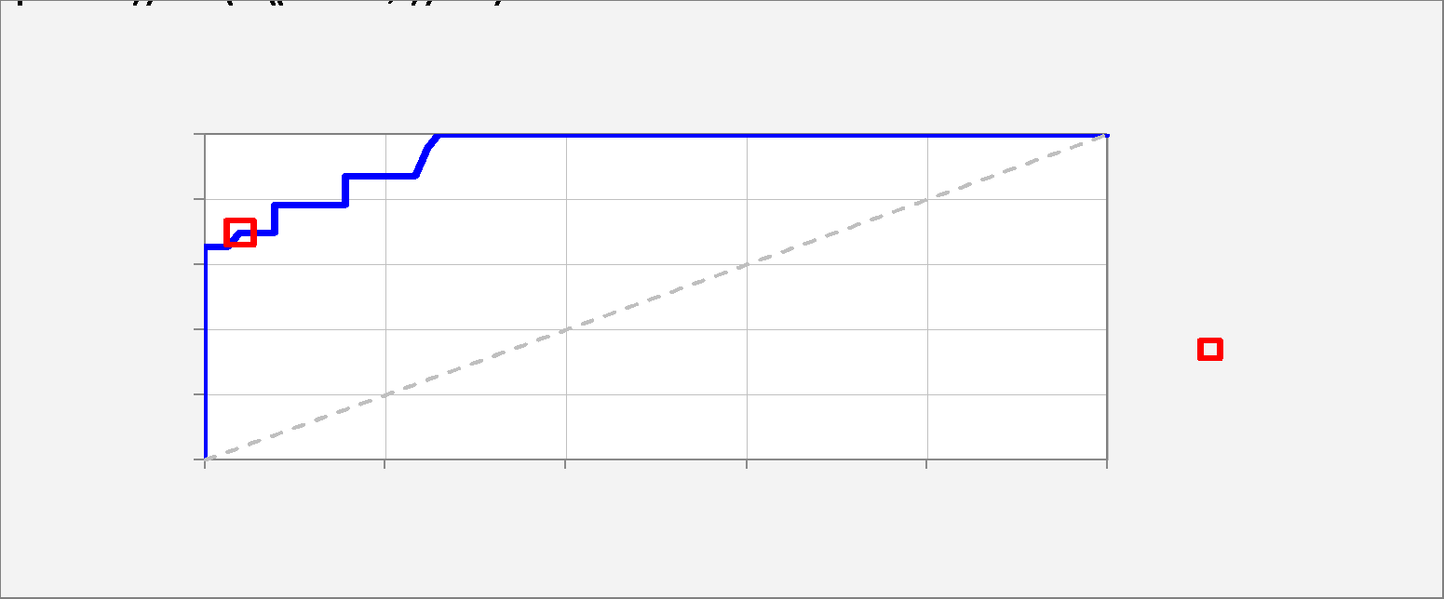
Receiver Operating Characteristic (ROC) Curve |  |  |  |  |  |  |  |  |  |  |  |  | Data for ROC curve chart:
 |  |  |  |  |  |  |  |  |  |  |  |  | Cutoff | 0.000 | 0.010 | 0.020 | 0.030 | 0.040 | 0.050 | 0.060 | 0.070 | 0.080 | 0.090 | 0.100 | 0.110 | 0.120 | 0.130 | 0.140 | 0.150 | 0.160 | 0.170 | 0.180 | 0.190 | 0.200 | 0.210 | 0.220 | 0.230 | 0.240 | 0.250 | 0.260 | 0.270 | 0.280 | 0.290 | 0.300 | 0.310 | 0.320 | 0.330 | 0.340 | 0.350 | 0.360 | 0.370 | 0.380 | 0.390 | 0.400 | 0.410 | 0.420 | 0.430 | 0.440 | 0.450 | 0.460 | 0.470 | 0.480 | 0.490 | 0.500 | 0.510 | 0.520 | 0.530 | 0.540 | 0.550 | 0.560 | 0.570 | 0.580 | 0.590 | 0.600 | 0.610 | 0.620 | 0.630 | 0.640 | 0.650 | 0.660 | 0.670 | 0.680 | 0.690 | 0.700 | 0.710 | 0.720 | 0.730 | 0.740 | 0.750 | 0.760 | 0.770 | 0.780 | 0.790 | 0.800 | 0.810 | 0.820 | 0.830 | 0.840 | 0.850 | 0.860 | 0.870 | 0.880 | 0.890 | 0.900 | 0.910 | 0.920 | 0.930 | 0.940 | 0.950 | 0.960 | 0.970 | 0.980 | 0.990 | 1.000
 |  |  |  |  |  |  |  |  |  |  |  |  | True positive rate | 1.000 | 1.000 | 1.000 | 1.000 | 1.000 | 1.000 | 1.000 | 1.000 | 1.000 | 1.000 | 1.000 | 1.000 | 0.957 | 0.870 | 0.870 | 0.870 | 0.870 | 0.870 | 0.870 | 0.870 | 0.870 | 0.870 | 0.870 | 0.870 | 0.783 | 0.783 | 0.783 | 0.783 | 0.783 | 0.783 | 0.783 | 0.783 | 0.783 | 0.783 | 0.739 | 0.739 | 0.739 | 0.739 | 0.739 | 0.739 | 0.696 | 0.696 | 0.696 | 0.696 | 0.696 | 0.696 | 0.696 | 0.696 | 0.696 | 0.696 | 0.696 | 0.696 | 0.696 | 0.696 | 0.696 | 0.696 | 0.696 | 0.696 | 0.696 | 0.696 | 0.696 | 0.696 | 0.696 | 0.696 | 0.696 | 0.652 | 0.652 | 0.652 | 0.652 | 0.652 | 0.652 | 0.652 | 0.652 | 0.609 | 0.609 | 0.565 | 0.565 | 0.565 | 0.565 | 0.565 | 0.565 | 0.565 | 0.522 | 0.478 | 0.478 | 0.478 | 0.478 | 0.478 | 0.478 | 0.435 | 0.391 | 0.391 | 0.391 | 0.391 | 0.348 | 0.348 | 0.348 | 0.304 | 0.304 | 0.087 | 0.000
 | Total area | 0.946 |  |  |  |  |  |  |  |  |  |  | False positive rate | 1.000 | 0.558 | 0.442 | 0.377 | 0.351 | 0.299 | 0.299 | 0.273 | 0.273 | 0.273 | 0.273 | 0.260 | 0.247 | 0.234 | 0.234 | 0.208 | 0.195 | 0.195 | 0.195 | 0.195 | 0.182 | 0.169 | 0.169 | 0.156 | 0.156 | 0.130 | 0.117 | 0.117 | 0.104 | 0.104 | 0.091 | 0.091 | 0.078 | 0.078 | 0.078 | 0.078 | 0.078 | 0.078 | 0.078 | 0.078 | 0.078 | 0.065 | 0.065 | 0.065 | 0.065 | 0.065 | 0.065 | 0.052 | 0.039 | 0.039 | 0.039 | 0.039 | 0.039 | 0.039 | 0.039 | 0.039 | 0.039 | 0.039 | 0.039 | 0.039 | 0.039 | 0.039 | 0.039 | 0.039 | 0.039 | 0.026 | 0.013 | 0.013 | 0.013 | 0.000 | 0.000 | 0.000 | 0.000 | 0.000 | 0.000 | 0.000 | 0.000 | 0.000 | 0.000 | 0.000 | 0.000 | 0.000 | 0.000 | 0.000 | 0.000 | 0.000 | 0.000 | 0.000 | 0.000 | 0.000 | 0.000 | 0.000 | 0.000 | 0.000 | 0.000 | 0.000 | 0.000 | 0.000 | 0.000 | 0.000 | 0.000
 | Chart legend: | Cutoff = 0.50 |  |  |  |  |  |  |  |  |  |  | Area | 0.442 | 0.117 | 0.065 | 0.026 | 0.052 | 0.000 | 0.026 | 0.000 | 0.000 | 0.000 | 0.013 | 0.013 | 0.012 | 0.000 | 0.023 | 0.011 | 0.000 | 0.000 | 0.000 | 0.011 | 0.011 | 0.000 | 0.011 | 0.000 | 0.020 | 0.010 | 0.000 | 0.010 | 0.000 | 0.010 | 0.000 | 0.010 | 0.000 | 0.000 | 0.000 | 0.000 | 0.000 | 0.000 | 0.000 | 0.000 | 0.009 | 0.000 | 0.000 | 0.000 | 0.000 | 0.000 | 0.009 | 0.009 | 0.000 | 0.000 | 0.000 | 0.000 | 0.000 | 0.000 | 0.000 | 0.000 | 0.000 | 0.000 | 0.000 | 0.000 | 0.000 | 0.000 | 0.000 | 0.000 | 0.009 | 0.008 | 0.000 | 0.000 | 0.008 | 0.000 | 0.000 | 0.000 | 0.000 | 0.000 | 0.000 | 0.000 | 0.000 | 0.000 | 0.000 | 0.000 | 0.000 | 0.000 | 0.000 | 0.000 | 0.000 | 0.000 | 0.000 | 0.000 | 0.000 | 0.000 | 0.000 | 0.000 | 0.000 | 0.000 | 0.000 | 0.000 | 0.000 | 0.000 | 0.000 | 0.000 | 0.000
 | Chart title: | ROC curve: area under curve = 0.95 Model 1 for Y (2 variables, n=100) |  |  |  |  |  |  |  |  |  |  | Total area | 0.946
 | Coordinates for plotting: |  | 0.000 | 1.000
 |  |  | 0.000 | 1.000
 |  |  | 0.039 | 0.696

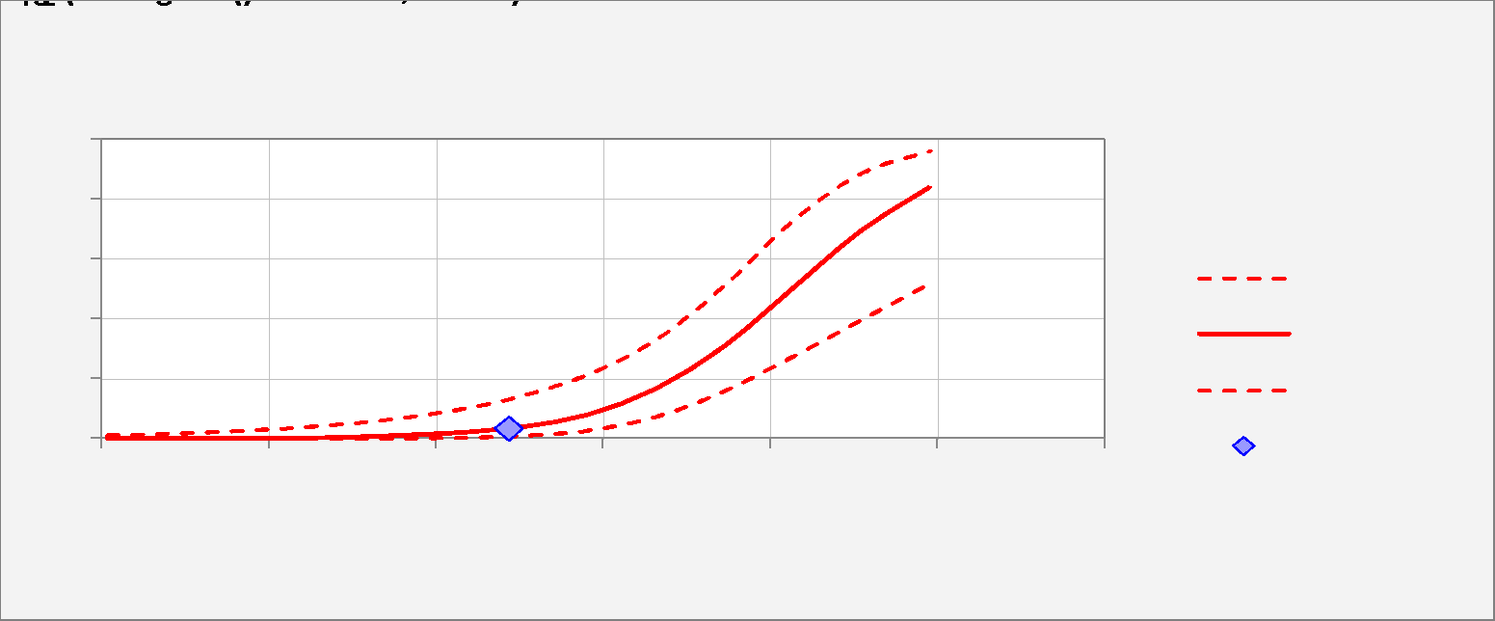
Logistic Curve Plot
 |  |  |  |  |  |  |  |  |  |  |  |  | Variable number | 1.000 | Name | X1_ | X2_
 |  |  |  |  |  |  |  |  |  |  |  |  | Variable name | X1_ | Mean | 486.870 | 544.870 | 1.000
 |  |  |  |  |  |  |  |  |  |  |  |  |  | Chart titles:
 |  |  |  |  |  |  |  |  |  |  |  |  |  | Logistic Regression Curve -vs- X1_ Model 1 for Y (2 variables, n=100) | Min | 6.000 | 7.000
Mean | 486.870 | 0.033 | 0.008 | 0.133 | -3.370 | 0.762 |  |  |  |  |  |  |  | X1_ (min to max) Other Variables = Means | Max | 991.000 | 999.000
 |  |  |  |  |  |  |  |  |  |  |  |  |  | Start and step values can be overtyped to customize x-axis scale | START | 6.000 | 7.000
 | X1_ | Forecast | Lower 95% | Upper 95% | Log Odds | Std.Err. |  |  |  |  |  |  |  | Default limits are min and max for integer data, mean +/- 3 std. dev. for continuous data | STEP | 82.083 | 82.667
 | 6.000 | 0.000 | 0.000 | 0.012 | -8.144 | 1.908 |  |  |  |  |  |  |  | 1.000 |  | 6.000 | 544.870 | 1.000
 | 88.083 | 0.001 | 0.000 | 0.018 | -7.329 | 1.704 |  |  |  |  |  |  |  | 2.000 |  | 88.083 | 544.870 | 1.000
 | 170.167 | 0.001 | 0.000 | 0.027 | -6.514 | 1.502 |  |  |  |  |  |  |  | 3.000 |  | 170.167 | 544.870 | 1.000
 | 252.250 | 0.003 | 0.000 | 0.041 | -5.699 | 1.302 |  |  |  |  |  |  |  | 4.000 |  | 252.250 | 544.870 | 1.000
 | 334.333 | 0.008 | 0.001 | 0.062 | -4.884 | 1.106 |  |  |  |  |  |  |  | 5.000 |  | 334.333 | 544.870 | 1.000
 | 416.417 | 0.017 | 0.003 | 0.093 | -4.069 | 0.916 |  |  |  |  |  |  |  | 6.000 |  | 416.417 | 544.870 | 1.000
 | 498.500 | 0.037 | 0.009 | 0.141 | -3.254 | 0.738 |  |  |  |  |  |  |  | 7.000 |  | 498.500 | 544.870 | 1.000
 | 580.583 | 0.080 | 0.027 | 0.214 | -2.439 | 0.581 |  |  |  |  |  |  |  | 8.000 |  | 580.583 | 544.870 | 1.000
 | 662.667 | 0.165 | 0.073 | 0.331 | -1.624 | 0.469 |  |  |  |  |  |  |  | 9.000 |  | 662.667 | 544.870 | 1.000
 | 744.750 | 0.308 | 0.159 | 0.512 | -0.809 | 0.437 |  |  |  |  |  |  |  | 10.000 |  | 744.750 | 544.870 | 1.000
 | 826.833 | 0.501 | 0.274 | 0.728 | 0.006 | 0.500 |  |  |  |  |  |  |  | 11.000 |  | 826.833 | 544.870 | 1.000
 | 908.917 | 0.694 | 0.397 | 0.887 | 0.821 | 0.631 |  |  |  |  |  |  |  | 12.000 |  | 908.917 | 544.870 | 1.000
 | 991.000 | 0.837 | 0.519 | 0.961 | 1.636 | 0.797 |  |  |  |  |  |  |  | 13.000 |  | 991.000 | 544.870 | 1.000
 |  |  |  |  |  |  |  |  |  |  |  |  |  |  |  | 1.000 | 0.000
 |  |  |  |  |  |  |  |  |  |  |  |  |  |  |  | 1.000 | 2.000
Distribution of Outcomes -vs- Predictions |  |  |  |  |  |  |  |  |  |  |  |  | Data for distribution of outcomes chart:
 |  |  |  |  |  |  |  |  |  |  |  |  | Cumulative | 0.000 | 0.050 | 0.100 | 0.150 | 0.200 | 0.250 | 0.300 | 0.350 | 0.400 | 0.450 | 0.500 | 0.550 | 0.600 | 0.650 | 0.700 | 0.750 | 0.800 | 0.850 | 0.900 | 0.950 | 1.000
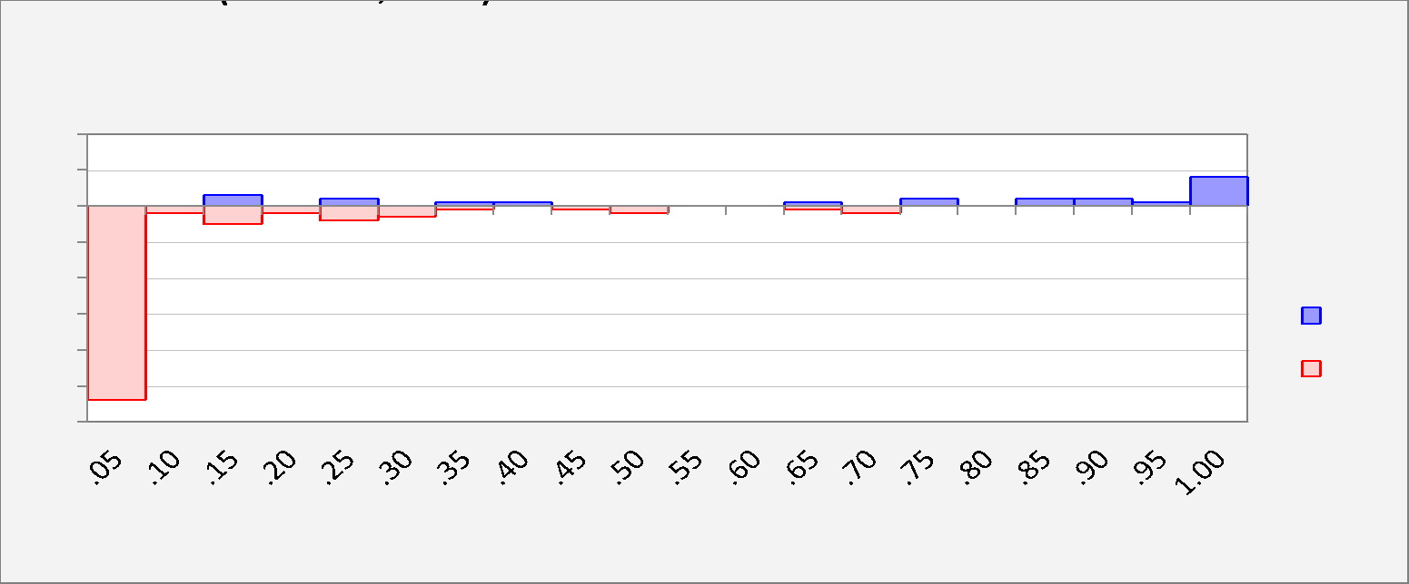
 |  |  |  |  |  |  |  |  |  |  |  |  | 1's | 0.000 | 0.000 | 0.000 | 3.000 | 3.000 | 5.000 | 5.000 | 6.000 | 7.000 | 7.000 | 7.000 | 7.000 | 7.000 | 8.000 | 8.000 | 10.000 | 10.000 | 12.000 | 14.000 | 15.000 | 23.000
 |  |  |  |  |  |  |  |  |  |  |  |  | 0's | 0.000 | 54.000 | 56.000 | 61.000 | 63.000 | 67.000 | 70.000 | 71.000 | 71.000 | 72.000 | 74.000 | 74.000 | 74.000 | 75.000 | 77.000 | 77.000 | 77.000 | 77.000 | 77.000 | 77.000 | 77.000

 |  |  |  |  |  |  |  |  |  |  |  |  | Non-cumulative | 0.050 | 0.100 | 0.150 | 0.200 | 0.250 | 0.300 | 0.350 | 0.400 | 0.450 | 0.500 | 0.550 | 0.600 | 0.650 | 0.700 | 0.750 | 0.800 | 0.850 | 0.900 | 0.950 | 1.000
 |  |  |  |  |  |  |  |  |  |  |  |  | 1's | 0.000 | 0.000 | 3.000 | 0.000 | 2.000 | 0.000 | 1.000 | 1.000 | 0.000 | 0.000 | 0.000 | 0.000 | 1.000 | 0.000 | 2.000 | 0.000 | 2.000 | 2.000 | 1.000 | 8.000
 |  |  |  |  |  |  |  |  |  |  |  |  | 0's | -54.000 | -2.000 | -5.000 | -2.000 | -4.000 | -3.000 | -1.000 | 0.000 | -1.000 | -2.000 | 0.000 | 0.000 | -1.000 | -2.000 | 0.000 | 0.000 | 0.000 | 0.000 | 0.000 | 0.000

Actual and Predicted -vs- Observation #

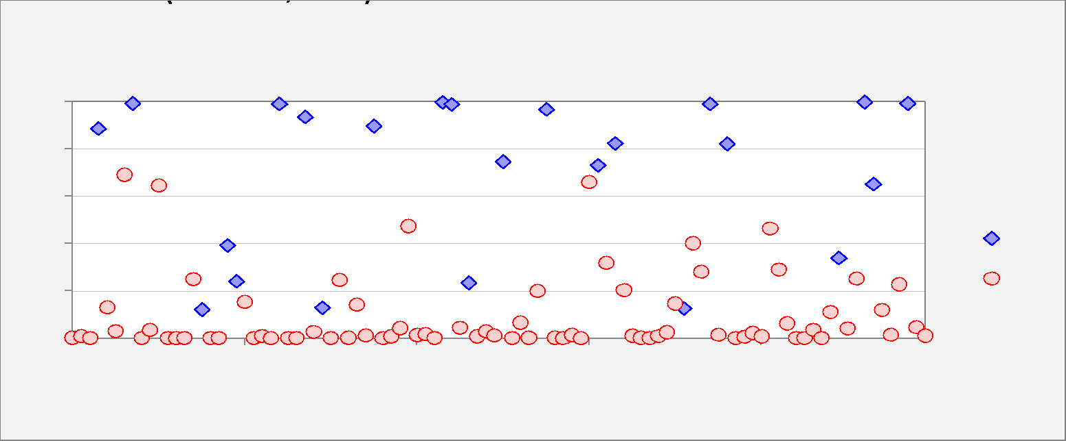

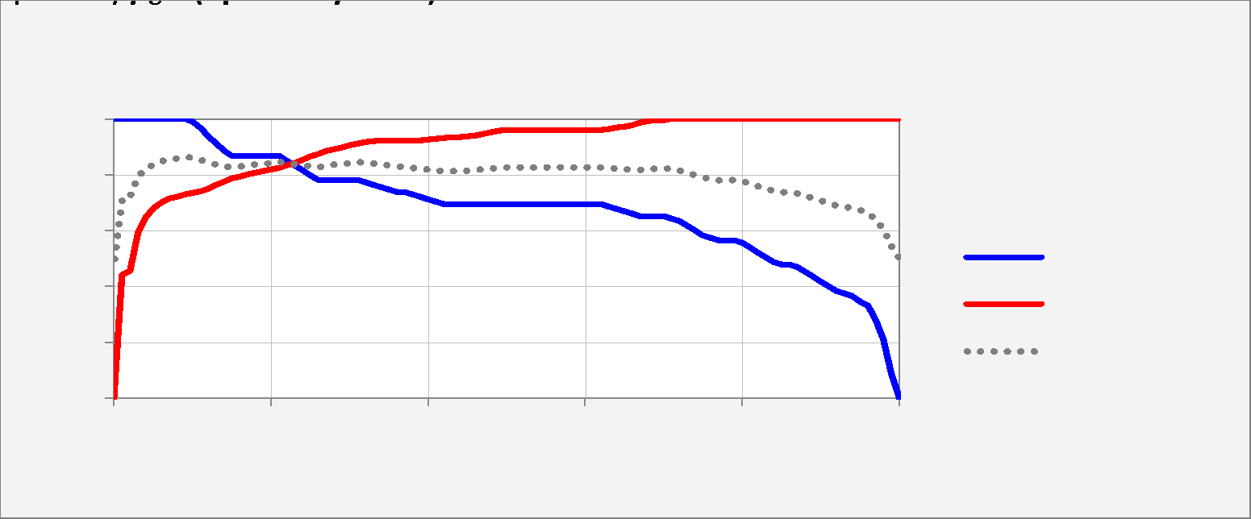
Sensitivity and Specificity -vs- Cutoff Value |  |  |  |  |  |  |  |  |  |  |  |  | Relative weight on % false negatives for weighted average:
 |  |  |  | Relative weight on specificity for weighted average: | 50% |  |  |  |  |  |  |  | Cutoff | 0.000 | 0.010 | 0.020 | 0.030 | 0.040 | 0.050 | 0.060 | 0.070 | 0.080 | 0.090 | 0.100 | 0.110 | 0.120 | 0.130 | 0.140 | 0.150 | 0.160 | 0.170 | 0.180 | 0.190 | 0.200 | 0.210 | 0.220 | 0.230 | 0.240 | 0.250 | 0.260 | 0.270 | 0.280 | 0.290 | 0.300 | 0.310 | 0.320 | 0.330 | 0.340 | 0.350 | 0.360 | 0.370 | 0.380 | 0.390 | 0.400 | 0.410 | 0.420 | 0.430 | 0.440 | 0.450 | 0.460 | 0.470 | 0.480 | 0.490 | 0.500 | 0.510 | 0.520 | 0.530 | 0.540 | 0.550 | 0.560 | 0.570 | 0.580 | 0.590 | 0.600 | 0.610 | 0.620 | 0.630 | 0.640 | 0.650 | 0.660 | 0.670 | 0.680 | 0.690 | 0.700 | 0.710 | 0.720 | 0.730 | 0.740 | 0.750 | 0.760 | 0.770 | 0.780 | 0.790 | 0.800 | 0.810 | 0.820 | 0.830 | 0.840 | 0.850 | 0.860 | 0.870 | 0.880 | 0.890 | 0.900 | 0.910 | 0.920 | 0.930 | 0.940 | 0.950 | 0.960 | 0.970 | 0.980 | 0.990 | 1.000
 |  |  |  |  |  |  |  |  |  |  |  |  | Sensitivity | 1.000 | 1.000 | 1.000 | 1.000 | 1.000 | 1.000 | 1.000 | 1.000 | 1.000 | 1.000 | 0.991 | 0.965 | 0.939 | 0.913 | 0.887 | 0.870 | 0.870 | 0.870 | 0.870 | 0.870 | 0.870 | 0.870 | 0.852 | 0.835 | 0.817 | 0.800 | 0.783 | 0.783 | 0.783 | 0.783 | 0.783 | 0.783 | 0.774 | 0.765 | 0.757 | 0.748 | 0.739 | 0.739 | 0.730 | 0.722 | 0.713 | 0.704 | 0.696 | 0.696 | 0.696 | 0.696 | 0.696 | 0.696 | 0.696 | 0.696 | 0.696 | 0.696 | 0.696 | 0.696 | 0.696 | 0.696 | 0.696 | 0.696 | 0.696 | 0.696 | 0.696 | 0.696 | 0.696 | 0.687 | 0.678 | 0.670 | 0.661 | 0.652 | 0.652 | 0.652 | 0.652 | 0.643 | 0.635 | 0.617 | 0.600 | 0.583 | 0.574 | 0.565 | 0.565 | 0.565 | 0.557 | 0.539 | 0.522 | 0.504 | 0.487 | 0.478 | 0.478 | 0.470 | 0.452 | 0.435 | 0.417 | 0.400 | 0.383 | 0.374 | 0.365 | 0.348 | 0.330 | 0.278 | 0.209 | 0.087 | 0.000
 |  |  |  |  |  |  |  |  |  |  |  |  | Specificity | 0.000 | 0.442 | 0.455 | 0.595 | 0.647 | 0.681 | 0.701 | 0.717 | 0.722 | 0.730 | 0.735 | 0.743 | 0.751 | 0.764 | 0.777 | 0.787 | 0.795 | 0.803 | 0.808 | 0.813 | 0.818 | 0.826 | 0.834 | 0.844 | 0.855 | 0.865 | 0.875 | 0.886 | 0.894 | 0.899 | 0.906 | 0.912 | 0.917 | 0.919 | 0.922 | 0.922 | 0.922 | 0.922 | 0.922 | 0.925 | 0.927 | 0.930 | 0.932 | 0.935 | 0.935 | 0.938 | 0.943 | 0.948 | 0.953 | 0.958 | 0.961 | 0.961 | 0.961 | 0.961 | 0.961 | 0.961 | 0.961 | 0.961 | 0.961 | 0.961 | 0.961 | 0.961 | 0.961 | 0.964 | 0.969 | 0.974 | 0.979 | 0.987 | 0.992 | 0.995 | 0.997 | 1.000 | 1.000 | 1.000 | 1.000 | 1.000 | 1.000 | 1.000 | 1.000 | 1.000 | 1.000 | 1.000 | 1.000 | 1.000 | 1.000 | 1.000 | 1.000 | 1.000 | 1.000 | 1.000 | 1.000 | 1.000 | 1.000 | 1.000 | 1.000 | 1.000 | 1.000 | 1.000 | 1.000 | 1.000 | 1.000
 |  |  |  |  |  |  |  |  |  |  |  |  | 50% Wtd.Avg. | 0.500 | 0.721 | 0.727 | 0.797 | 0.823 | 0.840 | 0.851 | 0.858 | 0.861 | 0.865 | 0.863 | 0.854 | 0.845 | 0.838 | 0.832 | 0.828 | 0.832 | 0.836 | 0.839 | 0.841 | 0.844 | 0.848 | 0.843 | 0.839 | 0.836 | 0.832 | 0.829 | 0.834 | 0.838 | 0.841 | 0.845 | 0.847 | 0.845 | 0.842 | 0.839 | 0.835 | 0.831 | 0.831 | 0.826 | 0.823 | 0.820 | 0.817 | 0.814 | 0.815 | 0.815 | 0.817 | 0.819 | 0.822 | 0.824 | 0.827 | 0.828 | 0.828 | 0.828 | 0.828 | 0.828 | 0.828 | 0.828 | 0.828 | 0.828 | 0.828 | 0.828 | 0.828 | 0.828 | 0.825 | 0.824 | 0.822 | 0.820 | 0.820 | 0.822 | 0.823 | 0.825 | 0.822 | 0.817 | 0.809 | 0.800 | 0.791 | 0.787 | 0.783 | 0.783 | 0.783 | 0.778 | 0.770 | 0.761 | 0.752 | 0.743 | 0.739 | 0.739 | 0.735 | 0.726 | 0.717 | 0.709 | 0.700 | 0.691 | 0.687 | 0.683 | 0.674 | 0.665 | 0.639 | 0.604 | 0.543 | 0.500

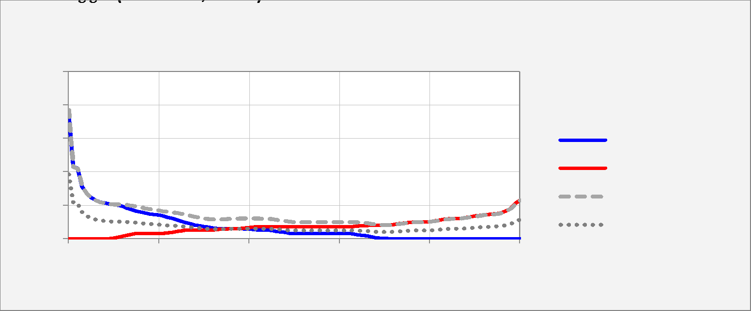
Percentage of False Positives and False Negatives -vs- Cutoff Value |  |  |  |  |  |  |  |  |  |  |  |  | Relative weight on % false negatives for weighted average:
 |  |  |  | Relative weight on % false negatives for weighted average: | 50% |  |  |  |  |  |  |  | Cutoff | 0.000 | 0.010 | 0.020 | 0.030 | 0.040 | 0.050 | 0.060 | 0.070 | 0.080 | 0.090 | 0.100 | 0.110 | 0.120 | 0.130 | 0.140 | 0.150 | 0.160 | 0.170 | 0.180 | 0.190 | 0.200 | 0.210 | 0.220 | 0.230 | 0.240 | 0.250 | 0.260 | 0.270 | 0.280 | 0.290 | 0.300 | 0.310 | 0.320 | 0.330 | 0.340 | 0.350 | 0.360 | 0.370 | 0.380 | 0.390 | 0.400 | 0.410 | 0.420 | 0.430 | 0.440 | 0.450 | 0.460 | 0.470 | 0.480 | 0.490 | 0.500 | 0.510 | 0.520 | 0.530 | 0.540 | 0.550 | 0.560 | 0.570 | 0.580 | 0.590 | 0.600 | 0.610 | 0.620 | 0.630 | 0.640 | 0.650 | 0.660 | 0.670 | 0.680 | 0.690 | 0.700 | 0.710 | 0.720 | 0.730 | 0.740 | 0.750 | 0.760 | 0.770 | 0.780 | 0.790 | 0.800 | 0.810 | 0.820 | 0.830 | 0.840 | 0.850 | 0.860 | 0.870 | 0.880 | 0.890 | 0.900 | 0.910 | 0.920 | 0.930 | 0.940 | 0.950 | 0.960 | 0.970 | 0.980 | 0.990 | 1.000
 |  |  |  |  |  |  |  |  |  |  |  |  | % False Positive | 0.770 | 0.430 | 0.420 | 0.312 | 0.272 | 0.246 | 0.230 | 0.218 | 0.214 | 0.208 | 0.204 | 0.198 | 0.192 | 0.182 | 0.172 | 0.164 | 0.158 | 0.152 | 0.148 | 0.144 | 0.140 | 0.134 | 0.128 | 0.120 | 0.112 | 0.104 | 0.096 | 0.088 | 0.082 | 0.078 | 0.072 | 0.068 | 0.064 | 0.062 | 0.060 | 0.060 | 0.060 | 0.060 | 0.060 | 0.058 | 0.056 | 0.054 | 0.052 | 0.050 | 0.050 | 0.048 | 0.044 | 0.040 | 0.036 | 0.032 | 0.030 | 0.030 | 0.030 | 0.030 | 0.030 | 0.030 | 0.030 | 0.030 | 0.030 | 0.030 | 0.030 | 0.030 | 0.030 | 0.028 | 0.024 | 0.020 | 0.016 | 0.010 | 0.006 | 0.004 | 0.002 | 0.000 | 0.000 | 0.000 | 0.000 | 0.000 | 0.000 | 0.000 | 0.000 | 0.000 | 0.000 | 0.000 | 0.000 | 0.000 | 0.000 | 0.000 | 0.000 | 0.000 | 0.000 | 0.000 | 0.000 | 0.000 | 0.000 | 0.000 | 0.000 | 0.000 | 0.000 | 0.000 | 0.000 | 0.000 | 0.000
 |  |  |  |  |  |  |  |  |  |  |  |  | % False Negative | 0.000 | 0.000 | 0.000 | 0.000 | 0.000 | 0.000 | 0.000 | 0.000 | 0.000 | 0.000 | 0.002 | 0.008 | 0.014 | 0.020 | 0.026 | 0.030 | 0.030 | 0.030 | 0.030 | 0.030 | 0.030 | 0.030 | 0.034 | 0.038 | 0.042 | 0.046 | 0.050 | 0.050 | 0.050 | 0.050 | 0.050 | 0.050 | 0.052 | 0.054 | 0.056 | 0.058 | 0.060 | 0.060 | 0.062 | 0.064 | 0.066 | 0.068 | 0.070 | 0.070 | 0.070 | 0.070 | 0.070 | 0.070 | 0.070 | 0.070 | 0.070 | 0.070 | 0.070 | 0.070 | 0.070 | 0.070 | 0.070 | 0.070 | 0.070 | 0.070 | 0.070 | 0.070 | 0.070 | 0.072 | 0.074 | 0.076 | 0.078 | 0.080 | 0.080 | 0.080 | 0.080 | 0.082 | 0.084 | 0.088 | 0.092 | 0.096 | 0.098 | 0.100 | 0.100 | 0.100 | 0.102 | 0.106 | 0.110 | 0.114 | 0.118 | 0.120 | 0.120 | 0.122 | 0.126 | 0.130 | 0.134 | 0.138 | 0.142 | 0.144 | 0.146 | 0.150 | 0.154 | 0.166 | 0.182 | 0.210 | 0.230
 |  |  |  |  |  |  |  |  |  |  |  |  | Total % False | 0.770 | 0.430 | 0.420 | 0.312 | 0.272 | 0.246 | 0.230 | 0.218 | 0.214 | 0.208 | 0.206 | 0.206 | 0.206 | 0.202 | 0.198 | 0.194 | 0.188 | 0.182 | 0.178 | 0.174 | 0.170 | 0.164 | 0.162 | 0.158 | 0.154 | 0.150 | 0.146 | 0.138 | 0.132 | 0.128 | 0.122 | 0.118 | 0.116 | 0.116 | 0.116 | 0.118 | 0.120 | 0.120 | 0.122 | 0.122 | 0.122 | 0.122 | 0.122 | 0.120 | 0.120 | 0.118 | 0.114 | 0.110 | 0.106 | 0.102 | 0.100 | 0.100 | 0.100 | 0.100 | 0.100 | 0.100 | 0.100 | 0.100 | 0.100 | 0.100 | 0.100 | 0.100 | 0.100 | 0.100 | 0.098 | 0.096 | 0.094 | 0.090 | 0.086 | 0.084 | 0.082 | 0.082 | 0.084 | 0.088 | 0.092 | 0.096 | 0.098 | 0.100 | 0.100 | 0.100 | 0.102 | 0.106 | 0.110 | 0.114 | 0.118 | 0.120 | 0.120 | 0.122 | 0.126 | 0.130 | 0.134 | 0.138 | 0.142 | 0.144 | 0.146 | 0.150 | 0.154 | 0.166 | 0.182 | 0.210 | 0.230
 |  |  |  |  |  |  |  |  |  |  |  |  | 50% Wtd.Avg. | 0.385 | 0.215 | 0.210 | 0.156 | 0.136 | 0.123 | 0.115 | 0.109 | 0.107 | 0.104 | 0.103 | 0.103 | 0.103 | 0.101 | 0.099 | 0.097 | 0.094 | 0.091 | 0.089 | 0.087 | 0.085 | 0.082 | 0.081 | 0.079 | 0.077 | 0.075 | 0.073 | 0.069 | 0.066 | 0.064 | 0.061 | 0.059 | 0.058 | 0.058 | 0.058 | 0.059 | 0.060 | 0.060 | 0.061 | 0.061 | 0.061 | 0.061 | 0.061 | 0.060 | 0.060 | 0.059 | 0.057 | 0.055 | 0.053 | 0.051 | 0.050 | 0.050 | 0.050 | 0.050 | 0.050 | 0.050 | 0.050 | 0.050 | 0.050 | 0.050 | 0.050 | 0.050 | 0.050 | 0.050 | 0.049 | 0.048 | 0.047 | 0.045 | 0.043 | 0.042 | 0.041 | 0.041 | 0.042 | 0.044 | 0.046 | 0.048 | 0.049 | 0.050 | 0.050 | 0.050 | 0.051 | 0.053 | 0.055 | 0.057 | 0.059 | 0.060 | 0.060 | 0.061 | 0.063 | 0.065 | 0.067 | 0.069 | 0.071 | 0.072 | 0.073 | 0.075 | 0.077 | 0.083 | 0.091 | 0.105 | 0.115

Model 8
Model: | Model 8 |  |  |  |  |  |  |  |  |  | Hi-res picture | 10-2-22 11:50 AM + DESKTOP-CKVT21U + Example1.xlsx + Sheet1 + RegressItLogistic 2021.06.18 |  |  |  |  |  |  |  |  |  |  |  |  |  |  |  |  |  |  |  |  |  |  |  |  |  |  |  |  |  |  |  |  |  |  |  |  |  |  |  |  |  | 10-2-22 11:50 AM + DESKTOP-CKVT21U + Example1.xlsx + Sheet1 + RegressItLogistic 2021.06.18
Binary Dependent Variable: |  | Y |  |  |  | 0-1 value labels: | No | Yes
 |  |  |  |  |  |  |  |  | R code: | Model.8 <- glm(Y ~ X1_MV+X2_MV, family = binomial, data = Sheet1)
Logistic Regression Statistics: Model 8 for Y (2 variables, n=100) |  |  |  |  |  |  |  |  |  |  |  |  | Confidence Index | Confidence Level
 | R-squared (McFadden) | Adj.R-Sqr. | RMSE | Mean | # Fitted | ROC area | Critical z | Conf. level |  |  |  |  | 7.000 | 0.950
 | 0.001 | 0.000 | 0.421 | 0.230 | 100 | 0.54 | 1.960 | 95.0%

Logistic Regression Coefficient Estimates: Model 8 for Y (2 variables, n=100) |  |  |  |  |  |  |  |  |  |  |  |  | Variance/Covariance Matrix
Variable | Coefficient | Std.Err. | z-statistic | P-value | Lower95% | Upper95% | VIF | Std. coeff. |  |  |  |  | X1_MV | X2_MV | Constant
Constant | -1.245 | 0.358 | -3.482 | #N/A | -1.946 | -0.544 |  |  |  |  |  |  | 0.000 | 0.000 | 0.000
X1_MV | -0.000012 | 0.000050 | -0.237 | #N/A | -0.000111 | 0.000087 | 1.218 | -0.034 |  |  |  |  | 0.000 | 0.000 | 0.000
X2_MV | 0.000019 | 0.000062 | 0.313 | #N/A | -0.000102 | 0.000140 | 1.218 | 0.046 |  |  |  |  | 0.000 | 0.000 | 0.128

Exponentiated Coefficients (Odds Ratios): Model 8 for Y (2 variables, n=100)
Variable | Exp(Coeff) | Exp(z*SE) | Lower95.0% | Upper95.0% | Exp(Std.coeff.)
X1_MV | 1.000 | 1.000 | 1.000 | 1.000 | 0.966
X2_MV | 1.000 | 1.000 | 1.000 | 1.000 | 1.047

Analysis of Deviance: Model 8 for Y (2 variables, n=100)

Correlation Matrix of Coefficient Estimates : Model 8 for Y (2 variables, n=100)

Classification Table: Model 8 for Y (2 variables, n=100) |  |  |  |  |  |  |  |  |  |  |  |  | Data for Classification Table |  |  | 10.000
 |  | Cutoff value for prediction of Yes: | 0.50 | RMSE = | 0.421 |  |  |  |  |  |  |  | Cutoff | 0.000 | 0.010 | 0.020 | 0.030 | 0.040 | 0.050 | 0.060 | 0.070 | 0.080 | 0.090 | 0.100 | 0.110 | 0.120 | 0.130 | 0.140 | 0.150 | 0.160 | 0.170 | 0.180 | 0.190 | 0.200 | 0.210 | 0.220 | 0.230 | 0.240 | 0.250 | 0.260 | 0.270 | 0.280 | 0.290 | 0.300 | 0.310 | 0.320 | 0.330 | 0.340 | 0.350 | 0.360 | 0.370 | 0.380 | 0.390 | 0.400 | 0.410 | 0.420 | 0.430 | 0.440 | 0.450 | 0.460 | 0.470 | 0.480 | 0.490 | 0.500 | 0.510 | 0.520 | 0.530 | 0.540 | 0.550 | 0.560 | 0.570 | 0.580 | 0.590 | 0.600 | 0.610 | 0.620 | 0.630 | 0.640 | 0.650 | 0.660 | 0.670 | 0.680 | 0.690 | 0.700 | 0.710 | 0.720 | 0.730 | 0.740 | 0.750 | 0.760 | 0.770 | 0.780 | 0.790 | 0.800 | 0.810 | 0.820 | 0.830 | 0.840 | 0.850 | 0.860 | 0.870 | 0.880 | 0.890 | 0.900 | 0.910 | 0.920 | 0.930 | 0.940 | 0.950 | 0.960 | 0.970 | 0.980 | 0.990 | 1.000
 | Predicted: |  |  |  |  | Predicted: |  |  |  |  |  |  | Predicted true | 100.000 | 100.000 | 100.000 | 100.000 | 100.000 | 100.000 | 100.000 | 100.000 | 100.000 | 100.000 | 100.000 | 100.000 | 100.000 | 100.000 | 100.000 | 100.000 | 100.000 | 100.000 | 100.000 | 100.000 | 100.000 | 100.000 | 79.000 | 38.000 | 38.000 | 0.000 | 0.000 | 0.000 | 0.000 | 0.000 | 0.000 | 0.000 | 0.000 | 0.000 | 0.000 | 0.000 | 0.000 | 0.000 | 0.000 | 0.000 | 0.000 | 0.000 | 0.000 | 0.000 | 0.000 | 0.000 | 0.000 | 0.000 | 0.000 | 0.000 | 0.000 | 0.000 | 0.000 | 0.000 | 0.000 | 0.000 | 0.000 | 0.000 | 0.000 | 0.000 | 0.000 | 0.000 | 0.000 | 0.000 | 0.000 | 0.000 | 0.000 | 0.000 | 0.000 | 0.000 | 0.000 | 0.000 | 0.000 | 0.000 | 0.000 | 0.000 | 0.000 | 0.000 | 0.000 | 0.000 | 0.000 | 0.000 | 0.000 | 0.000 | 0.000 | 0.000 | 0.000 | 0.000 | 0.000 | 0.000 | 0.000 | 0.000 | 0.000 | 0.000 | 0.000 | 0.000 | 0.000 | 0.000 | 0.000 | 0.000 | 0.000
Actual: | # No | # Yes | Total |  | Actual: | % No | % Yes | Total |  |  |  |  | True positive | 23.000 | 23.000 | 23.000 | 23.000 | 23.000 | 23.000 | 23.000 | 23.000 | 23.000 | 23.000 | 23.000 | 23.000 | 23.000 | 23.000 | 23.000 | 23.000 | 23.000 | 23.000 | 23.000 | 23.000 | 23.000 | 23.000 | 19.000 | 10.000 | 10.000 | 0.000 | 0.000 | 0.000 | 0.000 | 0.000 | 0.000 | 0.000 | 0.000 | 0.000 | 0.000 | 0.000 | 0.000 | 0.000 | 0.000 | 0.000 | 0.000 | 0.000 | 0.000 | 0.000 | 0.000 | 0.000 | 0.000 | 0.000 | 0.000 | 0.000 | 0.000 | 0.000 | 0.000 | 0.000 | 0.000 | 0.000 | 0.000 | 0.000 | 0.000 | 0.000 | 0.000 | 0.000 | 0.000 | 0.000 | 0.000 | 0.000 | 0.000 | 0.000 | 0.000 | 0.000 | 0.000 | 0.000 | 0.000 | 0.000 | 0.000 | 0.000 | 0.000 | 0.000 | 0.000 | 0.000 | 0.000 | 0.000 | 0.000 | 0.000 | 0.000 | 0.000 | 0.000 | 0.000 | 0.000 | 0.000 | 0.000 | 0.000 | 0.000 | 0.000 | 0.000 | 0.000 | 0.000 | 0.000 | 0.000 | 0.000 | 0.000
# No | 77 | 0 | 77 |  | % No | 77% | 0% | 77% |  |  |  |  | False positive | 77.000 | 77.000 | 77.000 | 77.000 | 77.000 | 77.000 | 77.000 | 77.000 | 77.000 | 77.000 | 77.000 | 77.000 | 77.000 | 77.000 | 77.000 | 77.000 | 77.000 | 77.000 | 77.000 | 77.000 | 77.000 | 77.000 | 60.000 | 28.000 | 28.000 | 0.000 | 0.000 | 0.000 | 0.000 | 0.000 | 0.000 | 0.000 | 0.000 | 0.000 | 0.000 | 0.000 | 0.000 | 0.000 | 0.000 | 0.000 | 0.000 | 0.000 | 0.000 | 0.000 | 0.000 | 0.000 | 0.000 | 0.000 | 0.000 | 0.000 | 0.000 | 0.000 | 0.000 | 0.000 | 0.000 | 0.000 | 0.000 | 0.000 | 0.000 | 0.000 | 0.000 | 0.000 | 0.000 | 0.000 | 0.000 | 0.000 | 0.000 | 0.000 | 0.000 | 0.000 | 0.000 | 0.000 | 0.000 | 0.000 | 0.000 | 0.000 | 0.000 | 0.000 | 0.000 | 0.000 | 0.000 | 0.000 | 0.000 | 0.000 | 0.000 | 0.000 | 0.000 | 0.000 | 0.000 | 0.000 | 0.000 | 0.000 | 0.000 | 0.000 | 0.000 | 0.000 | 0.000 | 0.000 | 0.000 | 0.000 | 0.000
# Yes | 23 | 0 | 23 |  | % Yes | 23% | 0% | 23% |  |  |  |  | True negative | 0.000 | 0.000 | 0.000 | 0.000 | 0.000 | 0.000 | 0.000 | 0.000 | 0.000 | 0.000 | 0.000 | 0.000 | 0.000 | 0.000 | 0.000 | 0.000 | 0.000 | 0.000 | 0.000 | 0.000 | 0.000 | 0.000 | 17.000 | 49.000 | 49.000 | 77.000 | 77.000 | 77.000 | 77.000 | 77.000 | 77.000 | 77.000 | 77.000 | 77.000 | 77.000 | 77.000 | 77.000 | 77.000 | 77.000 | 77.000 | 77.000 | 77.000 | 77.000 | 77.000 | 77.000 | 77.000 | 77.000 | 77.000 | 77.000 | 77.000 | 77.000 | 77.000 | 77.000 | 77.000 | 77.000 | 77.000 | 77.000 | 77.000 | 77.000 | 77.000 | 77.000 | 77.000 | 77.000 | 77.000 | 77.000 | 77.000 | 77.000 | 77.000 | 77.000 | 77.000 | 77.000 | 77.000 | 77.000 | 77.000 | 77.000 | 77.000 | 77.000 | 77.000 | 77.000 | 77.000 | 77.000 | 77.000 | 77.000 | 77.000 | 77.000 | 77.000 | 77.000 | 77.000 | 77.000 | 77.000 | 77.000 | 77.000 | 77.000 | 77.000 | 77.000 | 77.000 | 77.000 | 77.000 | 77.000 | 77.000 | 77.000
Total | 100 | 0 | 100 |  | Total | 100% | 0% | 100% |  |  |  |  | False negative | 0.000 | 0.000 | 0.000 | 0.000 | 0.000 | 0.000 | 0.000 | 0.000 | 0.000 | 0.000 | 0.000 | 0.000 | 0.000 | 0.000 | 0.000 | 0.000 | 0.000 | 0.000 | 0.000 | 0.000 | 0.000 | 0.000 | 4.000 | 13.000 | 13.000 | 23.000 | 23.000 | 23.000 | 23.000 | 23.000 | 23.000 | 23.000 | 23.000 | 23.000 | 23.000 | 23.000 | 23.000 | 23.000 | 23.000 | 23.000 | 23.000 | 23.000 | 23.000 | 23.000 | 23.000 | 23.000 | 23.000 | 23.000 | 23.000 | 23.000 | 23.000 | 23.000 | 23.000 | 23.000 | 23.000 | 23.000 | 23.000 | 23.000 | 23.000 | 23.000 | 23.000 | 23.000 | 23.000 | 23.000 | 23.000 | 23.000 | 23.000 | 23.000 | 23.000 | 23.000 | 23.000 | 23.000 | 23.000 | 23.000 | 23.000 | 23.000 | 23.000 | 23.000 | 23.000 | 23.000 | 23.000 | 23.000 | 23.000 | 23.000 | 23.000 | 23.000 | 23.000 | 23.000 | 23.000 | 23.000 | 23.000 | 23.000 | 23.000 | 23.000 | 23.000 | 23.000 | 23.000 | 23.000 | 23.000 | 23.000 | 23.000
Percent correct = | 77.0% |  | True positive rate = | 0.0% |  | True negative rate = | 100.0%

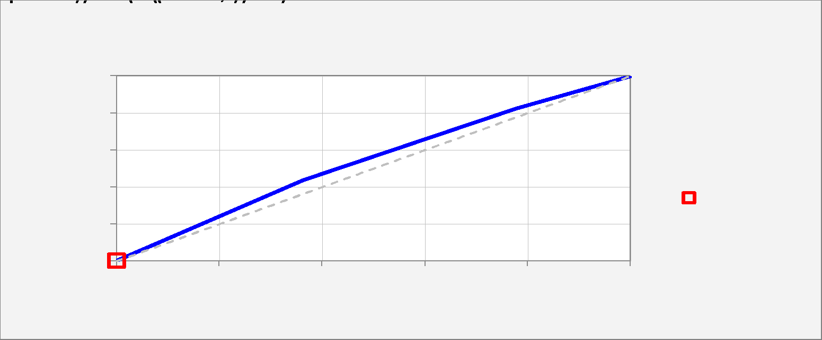
Receiver Operating Characteristic (ROC) Curve |  |  |  |  |  |  |  |  |  |  |  |  | Data for ROC curve chart:
 |  |  |  |  |  |  |  |  |  |  |  |  | Cutoff | 0.000 | 0.010 | 0.020 | 0.030 | 0.040 | 0.050 | 0.060 | 0.070 | 0.080 | 0.090 | 0.100 | 0.110 | 0.120 | 0.130 | 0.140 | 0.150 | 0.160 | 0.170 | 0.180 | 0.190 | 0.200 | 0.210 | 0.220 | 0.230 | 0.240 | 0.250 | 0.260 | 0.270 | 0.280 | 0.290 | 0.300 | 0.310 | 0.320 | 0.330 | 0.340 | 0.350 | 0.360 | 0.370 | 0.380 | 0.390 | 0.400 | 0.410 | 0.420 | 0.430 | 0.440 | 0.450 | 0.460 | 0.470 | 0.480 | 0.490 | 0.500 | 0.510 | 0.520 | 0.530 | 0.540 | 0.550 | 0.560 | 0.570 | 0.580 | 0.590 | 0.600 | 0.610 | 0.620 | 0.630 | 0.640 | 0.650 | 0.660 | 0.670 | 0.680 | 0.690 | 0.700 | 0.710 | 0.720 | 0.730 | 0.740 | 0.750 | 0.760 | 0.770 | 0.780 | 0.790 | 0.800 | 0.810 | 0.820 | 0.830 | 0.840 | 0.850 | 0.860 | 0.870 | 0.880 | 0.890 | 0.900 | 0.910 | 0.920 | 0.930 | 0.940 | 0.950 | 0.960 | 0.970 | 0.980 | 0.990 | 1.000
 |  |  |  |  |  |  |  |  |  |  |  |  | True positive rate | 1.000 | 1.000 | 1.000 | 1.000 | 1.000 | 1.000 | 1.000 | 1.000 | 1.000 | 1.000 | 1.000 | 1.000 | 1.000 | 1.000 | 1.000 | 1.000 | 1.000 | 1.000 | 1.000 | 1.000 | 1.000 | 1.000 | 0.826 | 0.435 | 0.435 | 0.000 | 0.000 | 0.000 | 0.000 | 0.000 | 0.000 | 0.000 | 0.000 | 0.000 | 0.000 | 0.000 | 0.000 | 0.000 | 0.000 | 0.000 | 0.000 | 0.000 | 0.000 | 0.000 | 0.000 | 0.000 | 0.000 | 0.000 | 0.000 | 0.000 | 0.000 | 0.000 | 0.000 | 0.000 | 0.000 | 0.000 | 0.000 | 0.000 | 0.000 | 0.000 | 0.000 | 0.000 | 0.000 | 0.000 | 0.000 | 0.000 | 0.000 | 0.000 | 0.000 | 0.000 | 0.000 | 0.000 | 0.000 | 0.000 | 0.000 | 0.000 | 0.000 | 0.000 | 0.000 | 0.000 | 0.000 | 0.000 | 0.000 | 0.000 | 0.000 | 0.000 | 0.000 | 0.000 | 0.000 | 0.000 | 0.000 | 0.000 | 0.000 | 0.000 | 0.000 | 0.000 | 0.000 | 0.000 | 0.000 | 0.000 | 0.000
 | Total area | 0.543 |  |  |  |  |  |  |  |  |  |  | False positive rate | 1.000 | 1.000 | 1.000 | 1.000 | 1.000 | 1.000 | 1.000 | 1.000 | 1.000 | 1.000 | 1.000 | 1.000 | 1.000 | 1.000 | 1.000 | 1.000 | 1.000 | 1.000 | 1.000 | 1.000 | 1.000 | 1.000 | 0.779 | 0.364 | 0.364 | 0.000 | 0.000 | 0.000 | 0.000 | 0.000 | 0.000 | 0.000 | 0.000 | 0.000 | 0.000 | 0.000 | 0.000 | 0.000 | 0.000 | 0.000 | 0.000 | 0.000 | 0.000 | 0.000 | 0.000 | 0.000 | 0.000 | 0.000 | 0.000 | 0.000 | 0.000 | 0.000 | 0.000 | 0.000 | 0.000 | 0.000 | 0.000 | 0.000 | 0.000 | 0.000 | 0.000 | 0.000 | 0.000 | 0.000 | 0.000 | 0.000 | 0.000 | 0.000 | 0.000 | 0.000 | 0.000 | 0.000 | 0.000 | 0.000 | 0.000 | 0.000 | 0.000 | 0.000 | 0.000 | 0.000 | 0.000 | 0.000 | 0.000 | 0.000 | 0.000 | 0.000 | 0.000 | 0.000 | 0.000 | 0.000 | 0.000 | 0.000 | 0.000 | 0.000 | 0.000 | 0.000 | 0.000 | 0.000 | 0.000 | 0.000 | 0.000
 | Chart legend: | Cutoff = 0.50 |  |  |  |  |  |  |  |  |  |  | Area | 0.000 | 0.000 | 0.000 | 0.000 | 0.000 | 0.000 | 0.000 | 0.000 | 0.000 | 0.000 | 0.000 | 0.000 | 0.000 | 0.000 | 0.000 | 0.000 | 0.000 | 0.000 | 0.000 | 0.000 | 0.000 | 0.202 | 0.262 | 0.000 | 0.079 | 0.000 | 0.000 | 0.000 | 0.000 | 0.000 | 0.000 | 0.000 | 0.000 | 0.000 | 0.000 | 0.000 | 0.000 | 0.000 | 0.000 | 0.000 | 0.000 | 0.000 | 0.000 | 0.000 | 0.000 | 0.000 | 0.000 | 0.000 | 0.000 | 0.000 | 0.000 | 0.000 | 0.000 | 0.000 | 0.000 | 0.000 | 0.000 | 0.000 | 0.000 | 0.000 | 0.000 | 0.000 | 0.000 | 0.000 | 0.000 | 0.000 | 0.000 | 0.000 | 0.000 | 0.000 | 0.000 | 0.000 | 0.000 | 0.000 | 0.000 | 0.000 | 0.000 | 0.000 | 0.000 | 0.000 | 0.000 | 0.000 | 0.000 | 0.000 | 0.000 | 0.000 | 0.000 | 0.000 | 0.000 | 0.000 | 0.000 | 0.000 | 0.000 | 0.000 | 0.000 | 0.000 | 0.000 | 0.000 | 0.000 | 0.000 | 0.000
 | Chart title: | ROC curve: area under curve = 0.54 Model 8 for Y (2 variables, n=100) |  |  |  |  |  |  |  |  |  |  | Total area | 0.543
 | Coordinates for plotting: |  | 0.000 | 1.000
 |  |  | 0.000 | 1.000
 |  |  | 0.000 | 0.000

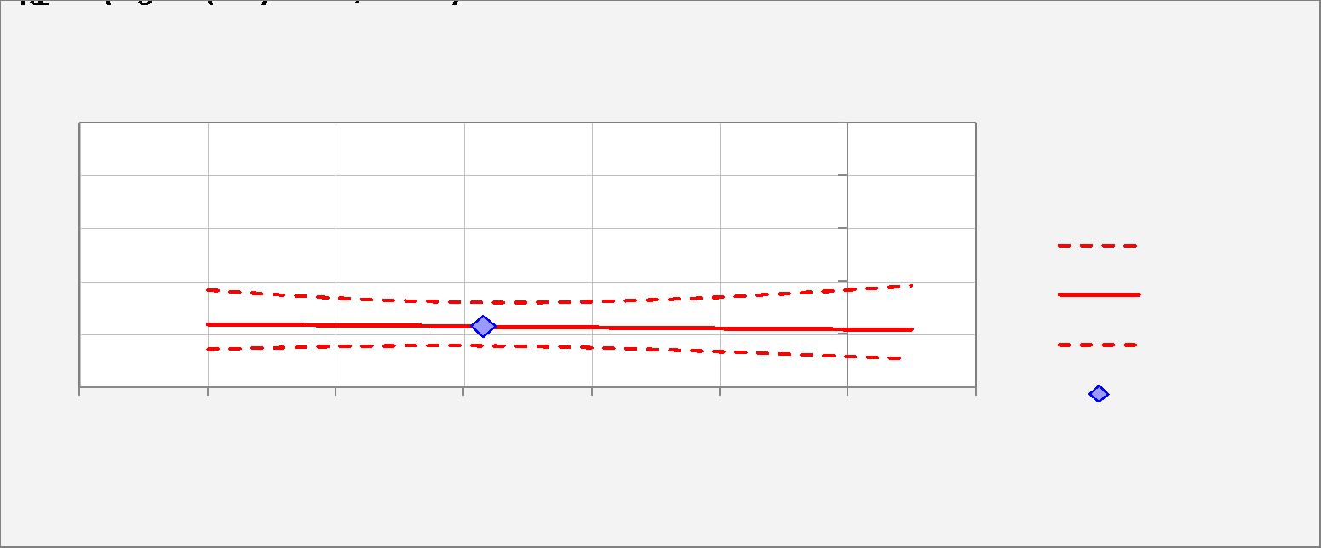
Logistic Curve Plot
 |  |  |  |  |  |  |  |  |  |  |  |  | Variable number | 1.000 | Name | X1_MV | X2_MV
 |  |  |  |  |  |  |  |  |  |  |  |  | Variable name | X1_MV | Mean | -5,697.090 | -1,685.540 | 1.000
 |  |  |  |  |  |  |  |  |  |  |  |  |  | Chart titles:
 |  |  |  |  |  |  |  |  |  |  |  |  |  | Logistic Regression Curve -vs- X1_MV Model 8 for Y (2 variables, n=100) | Min | -9,999.000 | -9,999.000
Mean | -5,697.090 | 0.230 | 0.158 | 0.322 | -1.210 | 0.238 |  |  |  |  |  |  |  | X1_MV (min to max) Other Variables = Means | Max | 988.000 | 997.000
 |  |  |  |  |  |  |  |  |  |  |  |  |  | Start and step values can be overtyped to customize x-axis scale | START | -9,999.000 | -9,999.000
 | X1_MV | Forecast | Lower 95% | Upper 95% | Log Odds | Std.Err. |  |  |  |  |  |  |  | Default limits are min and max for integer data, mean +/- 3 std. dev. for continuous data | STEP | 915.583 | 916.333
 | -9,999.000 | 0.239 | 0.144 | 0.369 | -1.159 | 0.317 |  |  |  |  |  |  |  | 1.000 |  | -9,999.000 | -1,685.540 | 1.000
 | -9,083.417 | 0.237 | 0.150 | 0.353 | -1.170 | 0.289 |  |  |  |  |  |  |  | 2.000 |  | -9,083.417 | -1,685.540 | 1.000
 | -8,167.833 | 0.235 | 0.154 | 0.341 | -1.181 | 0.265 |  |  |  |  |  |  |  | 3.000 |  | -8,167.833 | -1,685.540 | 1.000
 | -7,252.250 | 0.233 | 0.157 | 0.331 | -1.191 | 0.248 |  |  |  |  |  |  |  | 4.000 |  | -7,252.250 | -1,685.540 | 1.000
 | -6,336.667 | 0.231 | 0.158 | 0.324 | -1.202 | 0.239 |  |  |  |  |  |  |  | 5.000 |  | -6,336.667 | -1,685.540 | 1.000
 | -5,421.083 | 0.229 | 0.157 | 0.322 | -1.213 | 0.239 |  |  |  |  |  |  |  | 6.000 |  | -5,421.083 | -1,685.540 | 1.000
 | -4,505.500 | 0.227 | 0.153 | 0.323 | -1.224 | 0.247 |  |  |  |  |  |  |  | 7.000 |  | -4,505.500 | -1,685.540 | 1.000
 | -3,589.917 | 0.225 | 0.148 | 0.328 | -1.235 | 0.263 |  |  |  |  |  |  |  | 8.000 |  | -3,589.917 | -1,685.540 | 1.000
 | -2,674.333 | 0.223 | 0.141 | 0.335 | -1.246 | 0.286 |  |  |  |  |  |  |  | 9.000 |  | -2,674.333 | -1,685.540 | 1.000
 | -1,758.750 | 0.221 | 0.133 | 0.345 | -1.257 | 0.314 |  |  |  |  |  |  |  | 10.000 |  | -1,758.750 | -1,685.540 | 1.000
 | -843.167 | 0.220 | 0.125 | 0.357 | -1.268 | 0.346 |  |  |  |  |  |  |  | 11.000 |  | -843.167 | -1,685.540 | 1.000
 | 72.417 | 0.218 | 0.117 | 0.370 | -1.279 | 0.381 |  |  |  |  |  |  |  | 12.000 |  | 72.417 | -1,685.540 | 1.000
 | 988.000 | 0.216 | 0.108 | 0.385 | -1.290 | 0.418 |  |  |  |  |  |  |  | 13.000 |  | 988.000 | -1,685.540 | 1.000
 |  |  |  |  |  |  |  |  |  |  |  |  |  |  |  | 1.000 | 0.000
 |  |  |  |  |  |  |  |  |  |  |  |  |  |  |  | 1.000 | 2.000
Distribution of Outcomes -vs- Predictions |  |  |  |  |  |  |  |  |  |  |  |  | Data for distribution of outcomes chart:
 |  |  |  |  |  |  |  |  |  |  |  |  | Cumulative | 0.000 | 0.050 | 0.100 | 0.150 | 0.200 | 0.250 | 0.300 | 0.350 | 0.400 | 0.450 | 0.500 | 0.550 | 0.600 | 0.650 | 0.700 | 0.750 | 0.800 | 0.850 | 0.900 | 0.950 | 1.000

 |  |  |  |  |  |  |  |  |  |  |  |  | 1's | 0.000 | 0.000 | 0.000 | 0.000 | 0.000 | 23.000 | 23.000 | 23.000 | 23.000 | 23.000 | 23.000 | 23.000 | 23.000 | 23.000 | 23.000 | 23.000 | 23.000 | 23.000 | 23.000 | 23.000 | 23.000
 |  |  |  |  |  |  |  |  |  |  |  |  | 0's | 0.000 | 0.000 | 0.000 | 0.000 | 0.000 | 77.000 | 77.000 | 77.000 | 77.000 | 77.000 | 77.000 | 77.000 | 77.000 | 77.000 | 77.000 | 77.000 | 77.000 | 77.000 | 77.000 | 77.000 | 77.000

 |  |  |  |  |  |  |  |  |  |  |  |  | Non-cumulative | 0.050 | 0.100 | 0.150 | 0.200 | 0.250 | 0.300 | 0.350 | 0.400 | 0.450 | 0.500 | 0.550 | 0.600 | 0.650 | 0.700 | 0.750 | 0.800 | 0.850 | 0.900 | 0.950 | 1.000
 |  |  |  |  |  |  |  |  |  |  |  |  | 1's | 0.000 | 0.000 | 0.000 | 0.000 | 23.000 | 0.000 | 0.000 | 0.000 | 0.000 | 0.000 | 0.000 | 0.000 | 0.000 | 0.000 | 0.000 | 0.000 | 0.000 | 0.000 | 0.000 | 0.000
 |  |  |  |  |  |  |  |  |  |  |  |  | 0's | 0.000 | 0.000 | 0.000 | 0.000 | -77.000 | 0.000 | 0.000 | 0.000 | 0.000 | 0.000 | 0.000 | 0.000 | 0.000 | 0.000 | 0.000 | 0.000 | 0.000 | 0.000 | 0.000 | 0.000

Actual and Predicted -vs- Observation #

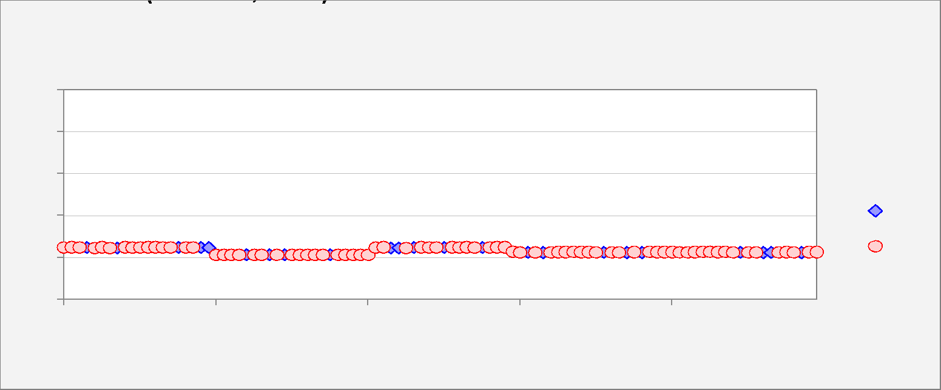

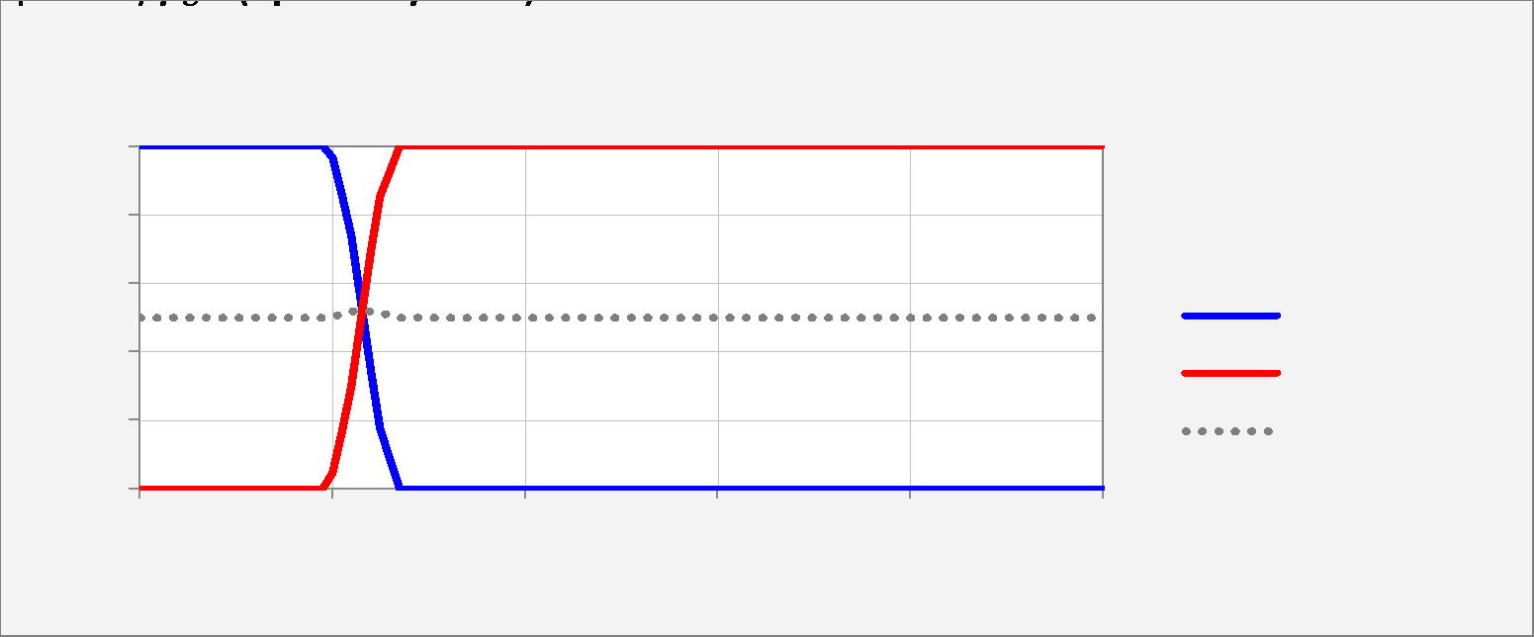
Sensitivity and Specificity -vs- Cutoff Value |  |  |  |  |  |  |  |  |  |  |  |  | Relative weight on % false negatives for weighted average:
 |  |  |  | Relative weight on specificity for weighted average: | 50% |  |  |  |  |  |  |  | Cutoff | 0.000 | 0.010 | 0.020 | 0.030 | 0.040 | 0.050 | 0.060 | 0.070 | 0.080 | 0.090 | 0.100 | 0.110 | 0.120 | 0.130 | 0.140 | 0.150 | 0.160 | 0.170 | 0.180 | 0.190 | 0.200 | 0.210 | 0.220 | 0.230 | 0.240 | 0.250 | 0.260 | 0.270 | 0.280 | 0.290 | 0.300 | 0.310 | 0.320 | 0.330 | 0.340 | 0.350 | 0.360 | 0.370 | 0.380 | 0.390 | 0.400 | 0.410 | 0.420 | 0.430 | 0.440 | 0.450 | 0.460 | 0.470 | 0.480 | 0.490 | 0.500 | 0.510 | 0.520 | 0.530 | 0.540 | 0.550 | 0.560 | 0.570 | 0.580 | 0.590 | 0.600 | 0.610 | 0.620 | 0.630 | 0.640 | 0.650 | 0.660 | 0.670 | 0.680 | 0.690 | 0.700 | 0.710 | 0.720 | 0.730 | 0.740 | 0.750 | 0.760 | 0.770 | 0.780 | 0.790 | 0.800 | 0.810 | 0.820 | 0.830 | 0.840 | 0.850 | 0.860 | 0.870 | 0.880 | 0.890 | 0.900 | 0.910 | 0.920 | 0.930 | 0.940 | 0.950 | 0.960 | 0.970 | 0.980 | 0.990 | 1.000
 |  |  |  |  |  |  |  |  |  |  |  |  | Sensitivity | 1.000 | 1.000 | 1.000 | 1.000 | 1.000 | 1.000 | 1.000 | 1.000 | 1.000 | 1.000 | 1.000 | 1.000 | 1.000 | 1.000 | 1.000 | 1.000 | 1.000 | 1.000 | 1.000 | 1.000 | 0.965 | 0.852 | 0.739 | 0.539 | 0.339 | 0.174 | 0.087 | 0.000 | 0.000 | 0.000 | 0.000 | 0.000 | 0.000 | 0.000 | 0.000 | 0.000 | 0.000 | 0.000 | 0.000 | 0.000 | 0.000 | 0.000 | 0.000 | 0.000 | 0.000 | 0.000 | 0.000 | 0.000 | 0.000 | 0.000 | 0.000 | 0.000 | 0.000 | 0.000 | 0.000 | 0.000 | 0.000 | 0.000 | 0.000 | 0.000 | 0.000 | 0.000 | 0.000 | 0.000 | 0.000 | 0.000 | 0.000 | 0.000 | 0.000 | 0.000 | 0.000 | 0.000 | 0.000 | 0.000 | 0.000 | 0.000 | 0.000 | 0.000 | 0.000 | 0.000 | 0.000 | 0.000 | 0.000 | 0.000 | 0.000 | 0.000 | 0.000 | 0.000 | 0.000 | 0.000 | 0.000 | 0.000 | 0.000 | 0.000 | 0.000 | 0.000 | 0.000 | 0.000 | 0.000 | 0.000 | 0.000
 |  |  |  |  |  |  |  |  |  |  |  |  | Specificity | 0.000 | 0.000 | 0.000 | 0.000 | 0.000 | 0.000 | 0.000 | 0.000 | 0.000 | 0.000 | 0.000 | 0.000 | 0.000 | 0.000 | 0.000 | 0.000 | 0.000 | 0.000 | 0.000 | 0.000 | 0.044 | 0.171 | 0.299 | 0.499 | 0.699 | 0.855 | 0.927 | 1.000 | 1.000 | 1.000 | 1.000 | 1.000 | 1.000 | 1.000 | 1.000 | 1.000 | 1.000 | 1.000 | 1.000 | 1.000 | 1.000 | 1.000 | 1.000 | 1.000 | 1.000 | 1.000 | 1.000 | 1.000 | 1.000 | 1.000 | 1.000 | 1.000 | 1.000 | 1.000 | 1.000 | 1.000 | 1.000 | 1.000 | 1.000 | 1.000 | 1.000 | 1.000 | 1.000 | 1.000 | 1.000 | 1.000 | 1.000 | 1.000 | 1.000 | 1.000 | 1.000 | 1.000 | 1.000 | 1.000 | 1.000 | 1.000 | 1.000 | 1.000 | 1.000 | 1.000 | 1.000 | 1.000 | 1.000 | 1.000 | 1.000 | 1.000 | 1.000 | 1.000 | 1.000 | 1.000 | 1.000 | 1.000 | 1.000 | 1.000 | 1.000 | 1.000 | 1.000 | 1.000 | 1.000 | 1.000 | 1.000
 |  |  |  |  |  |  |  |  |  |  |  |  | 50% Wtd.Avg. | 0.500 | 0.500 | 0.500 | 0.500 | 0.500 | 0.500 | 0.500 | 0.500 | 0.500 | 0.500 | 0.500 | 0.500 | 0.500 | 0.500 | 0.500 | 0.500 | 0.500 | 0.500 | 0.500 | 0.500 | 0.505 | 0.512 | 0.519 | 0.519 | 0.519 | 0.514 | 0.507 | 0.500 | 0.500 | 0.500 | 0.500 | 0.500 | 0.500 | 0.500 | 0.500 | 0.500 | 0.500 | 0.500 | 0.500 | 0.500 | 0.500 | 0.500 | 0.500 | 0.500 | 0.500 | 0.500 | 0.500 | 0.500 | 0.500 | 0.500 | 0.500 | 0.500 | 0.500 | 0.500 | 0.500 | 0.500 | 0.500 | 0.500 | 0.500 | 0.500 | 0.500 | 0.500 | 0.500 | 0.500 | 0.500 | 0.500 | 0.500 | 0.500 | 0.500 | 0.500 | 0.500 | 0.500 | 0.500 | 0.500 | 0.500 | 0.500 | 0.500 | 0.500 | 0.500 | 0.500 | 0.500 | 0.500 | 0.500 | 0.500 | 0.500 | 0.500 | 0.500 | 0.500 | 0.500 | 0.500 | 0.500 | 0.500 | 0.500 | 0.500 | 0.500 | 0.500 | 0.500 | 0.500 | 0.500 | 0.500 | 0.500

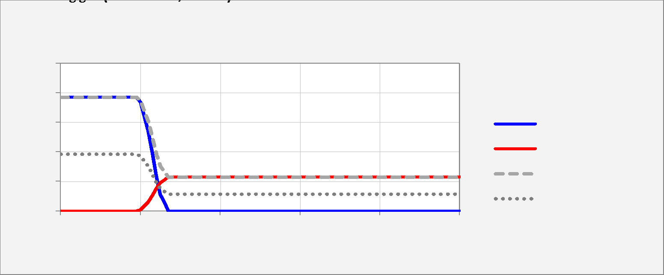
Percentage of False Positives and False Negatives -vs- Cutoff Value |  |  |  |  |  |  |  |  |  |  |  |  | Relative weight on % false negatives for weighted average:
 |  |  |  | Relative weight on % false negatives for weighted average: | 50% |  |  |  |  |  |  |  | Cutoff | 0.000 | 0.010 | 0.020 | 0.030 | 0.040 | 0.050 | 0.060 | 0.070 | 0.080 | 0.090 | 0.100 | 0.110 | 0.120 | 0.130 | 0.140 | 0.150 | 0.160 | 0.170 | 0.180 | 0.190 | 0.200 | 0.210 | 0.220 | 0.230 | 0.240 | 0.250 | 0.260 | 0.270 | 0.280 | 0.290 | 0.300 | 0.310 | 0.320 | 0.330 | 0.340 | 0.350 | 0.360 | 0.370 | 0.380 | 0.390 | 0.400 | 0.410 | 0.420 | 0.430 | 0.440 | 0.450 | 0.460 | 0.470 | 0.480 | 0.490 | 0.500 | 0.510 | 0.520 | 0.530 | 0.540 | 0.550 | 0.560 | 0.570 | 0.580 | 0.590 | 0.600 | 0.610 | 0.620 | 0.630 | 0.640 | 0.650 | 0.660 | 0.670 | 0.680 | 0.690 | 0.700 | 0.710 | 0.720 | 0.730 | 0.740 | 0.750 | 0.760 | 0.770 | 0.780 | 0.790 | 0.800 | 0.810 | 0.820 | 0.830 | 0.840 | 0.850 | 0.860 | 0.870 | 0.880 | 0.890 | 0.900 | 0.910 | 0.920 | 0.930 | 0.940 | 0.950 | 0.960 | 0.970 | 0.980 | 0.990 | 1.000
 |  |  |  |  |  |  |  |  |  |  |  |  | % False Positive | 0.770 | 0.770 | 0.770 | 0.770 | 0.770 | 0.770 | 0.770 | 0.770 | 0.770 | 0.770 | 0.770 | 0.770 | 0.770 | 0.770 | 0.770 | 0.770 | 0.770 | 0.770 | 0.770 | 0.770 | 0.736 | 0.638 | 0.540 | 0.386 | 0.232 | 0.112 | 0.056 | 0.000 | 0.000 | 0.000 | 0.000 | 0.000 | 0.000 | 0.000 | 0.000 | 0.000 | 0.000 | 0.000 | 0.000 | 0.000 | 0.000 | 0.000 | 0.000 | 0.000 | 0.000 | 0.000 | 0.000 | 0.000 | 0.000 | 0.000 | 0.000 | 0.000 | 0.000 | 0.000 | 0.000 | 0.000 | 0.000 | 0.000 | 0.000 | 0.000 | 0.000 | 0.000 | 0.000 | 0.000 | 0.000 | 0.000 | 0.000 | 0.000 | 0.000 | 0.000 | 0.000 | 0.000 | 0.000 | 0.000 | 0.000 | 0.000 | 0.000 | 0.000 | 0.000 | 0.000 | 0.000 | 0.000 | 0.000 | 0.000 | 0.000 | 0.000 | 0.000 | 0.000 | 0.000 | 0.000 | 0.000 | 0.000 | 0.000 | 0.000 | 0.000 | 0.000 | 0.000 | 0.000 | 0.000 | 0.000 | 0.000
 |  |  |  |  |  |  |  |  |  |  |  |  | % False Negative | 0.000 | 0.000 | 0.000 | 0.000 | 0.000 | 0.000 | 0.000 | 0.000 | 0.000 | 0.000 | 0.000 | 0.000 | 0.000 | 0.000 | 0.000 | 0.000 | 0.000 | 0.000 | 0.000 | 0.000 | 0.008 | 0.034 | 0.060 | 0.106 | 0.152 | 0.190 | 0.210 | 0.230 | 0.230 | 0.230 | 0.230 | 0.230 | 0.230 | 0.230 | 0.230 | 0.230 | 0.230 | 0.230 | 0.230 | 0.230 | 0.230 | 0.230 | 0.230 | 0.230 | 0.230 | 0.230 | 0.230 | 0.230 | 0.230 | 0.230 | 0.230 | 0.230 | 0.230 | 0.230 | 0.230 | 0.230 | 0.230 | 0.230 | 0.230 | 0.230 | 0.230 | 0.230 | 0.230 | 0.230 | 0.230 | 0.230 | 0.230 | 0.230 | 0.230 | 0.230 | 0.230 | 0.230 | 0.230 | 0.230 | 0.230 | 0.230 | 0.230 | 0.230 | 0.230 | 0.230 | 0.230 | 0.230 | 0.230 | 0.230 | 0.230 | 0.230 | 0.230 | 0.230 | 0.230 | 0.230 | 0.230 | 0.230 | 0.230 | 0.230 | 0.230 | 0.230 | 0.230 | 0.230 | 0.230 | 0.230 | 0.230
 |  |  |  |  |  |  |  |  |  |  |  |  | Total % False | 0.770 | 0.770 | 0.770 | 0.770 | 0.770 | 0.770 | 0.770 | 0.770 | 0.770 | 0.770 | 0.770 | 0.770 | 0.770 | 0.770 | 0.770 | 0.770 | 0.770 | 0.770 | 0.770 | 0.770 | 0.744 | 0.672 | 0.600 | 0.492 | 0.384 | 0.302 | 0.266 | 0.230 | 0.230 | 0.230 | 0.230 | 0.230 | 0.230 | 0.230 | 0.230 | 0.230 | 0.230 | 0.230 | 0.230 | 0.230 | 0.230 | 0.230 | 0.230 | 0.230 | 0.230 | 0.230 | 0.230 | 0.230 | 0.230 | 0.230 | 0.230 | 0.230 | 0.230 | 0.230 | 0.230 | 0.230 | 0.230 | 0.230 | 0.230 | 0.230 | 0.230 | 0.230 | 0.230 | 0.230 | 0.230 | 0.230 | 0.230 | 0.230 | 0.230 | 0.230 | 0.230 | 0.230 | 0.230 | 0.230 | 0.230 | 0.230 | 0.230 | 0.230 | 0.230 | 0.230 | 0.230 | 0.230 | 0.230 | 0.230 | 0.230 | 0.230 | 0.230 | 0.230 | 0.230 | 0.230 | 0.230 | 0.230 | 0.230 | 0.230 | 0.230 | 0.230 | 0.230 | 0.230 | 0.230 | 0.230 | 0.230
 |  |  |  |  |  |  |  |  |  |  |  |  | 50% Wtd.Avg. | 0.385 | 0.385 | 0.385 | 0.385 | 0.385 | 0.385 | 0.385 | 0.385 | 0.385 | 0.385 | 0.385 | 0.385 | 0.385 | 0.385 | 0.385 | 0.385 | 0.385 | 0.385 | 0.385 | 0.385 | 0.372 | 0.336 | 0.300 | 0.246 | 0.192 | 0.151 | 0.133 | 0.115 | 0.115 | 0.115 | 0.115 | 0.115 | 0.115 | 0.115 | 0.115 | 0.115 | 0.115 | 0.115 | 0.115 | 0.115 | 0.115 | 0.115 | 0.115 | 0.115 | 0.115 | 0.115 | 0.115 | 0.115 | 0.115 | 0.115 | 0.115 | 0.115 | 0.115 | 0.115 | 0.115 | 0.115 | 0.115 | 0.115 | 0.115 | 0.115 | 0.115 | 0.115 | 0.115 | 0.115 | 0.115 | 0.115 | 0.115 | 0.115 | 0.115 | 0.115 | 0.115 | 0.115 | 0.115 | 0.115 | 0.115 | 0.115 | 0.115 | 0.115 | 0.115 | 0.115 | 0.115 | 0.115 | 0.115 | 0.115 | 0.115 | 0.115 | 0.115 | 0.115 | 0.115 | 0.115 | 0.115 | 0.115 | 0.115 | 0.115 | 0.115 | 0.115 | 0.115 | 0.115 | 0.115 | 0.115 | 0.115

Model 9
Model: | Model 9 |  |  |  |  |  |  |  |  |  | Hi-res picture | 10-2-22 11:50 AM + DESKTOP-CKVT21U + Example1.xlsx + Sheet1 + RegressItLogistic 2021.06.18 |  |  |  |  |  |  |  |  |  |  |  |  |  |  |  |  |  |  |  |  |  |  |  |  |  |  |  |  |  |  |  |  |  |  |  |  |  |  |  |  |  | 10-2-22 11:50 AM + DESKTOP-CKVT21U + Example1.xlsx + Sheet1 + RegressItLogistic 2021.06.18
Binary Dependent Variable: |  | Y |  |  |  | 0-1 value labels: | No | Yes
 |  |  |  |  |  |  |  |  | R code: | Model.9 <- glm(Y ~ X1_MeanImputed+X2_MeanImputed, family = binomial, data = Sheet1)
Logistic Regression Statistics: Model 9 for Y (2 variables, n=100) |  |  |  |  |  |  |  |  |  |  |  |  | Confidence Index | Confidence Level
 | R-squared (McFadden) | Adj.R-Sqr. | RMSE | Mean | # Fitted | ROC area | Critical z | Conf. level |  |  |  |  | 7.000 | 0.950
 | 0.309 | 0.253 | 0.349 | 0.230 | 100 | 0.87 | 1.960 | 95.0%

Logistic Regression Coefficient Estimates: Model 9 for Y (2 variables, n=100) |  |  |  |  |  |  |  |  |  |  |  |  | Variance/Covariance Matrix
Variable | Coefficient | Std.Err. | z-statistic | P-value | Lower95% | Upper95% | VIF | Std. coeff. |  |  |  |  | X1_MeanImputed | X2_MeanImputed | Constant
Constant | -1.281 | 0.834 | -1.536 | #N/A | -2.916 | 0.354 |  |  |  |  |  |  | 0.000 | 0.000 | -0.001
X1_MeanImputed | 0.005874 | 0.001735 | 3.386 | #N/A | 0.002474 | 0.009275 | 1.051 | 0.690 |  |  |  |  | 0.000 | 0.000 | 0.000
X2_MeanImputed | -0.006725 | 0.001611 | -4.174 | #N/A | -0.009883 | -0.003567 | 1.051 | -0.959 |  |  |  |  | -0.001 | 0.000 | 0.696

Exponentiated Coefficients (Odds Ratios): Model 9 for Y (2 variables, n=100)
Variable | Exp(Coeff) | Exp(z*SE) | Lower95.0% | Upper95.0% | Exp(Std.coeff.)
X1_MeanImputed | 1.006 | 1.003 | 1.002 | 1.009 | 1.993
X2_MeanImputed | 0.993 | 1.003 | 0.990 | 0.996 | 0.383

Analysis of Deviance: Model 9 for Y (2 variables, n=100)

Correlation Matrix of Coefficient Estimates : Model 9 for Y (2 variables, n=100)

Classification Table: Model 9 for Y (2 variables, n=100) |  |  |  |  |  |  |  |  |  |  |  |  | Data for Classification Table |  |  | 10.000
 |  | Cutoff value for prediction of Yes: | 0.50 | RMSE = | 0.349 |  |  |  |  |  |  |  | Cutoff | 0.000 | 0.010 | 0.020 | 0.030 | 0.040 | 0.050 | 0.060 | 0.070 | 0.080 | 0.090 | 0.100 | 0.110 | 0.120 | 0.130 | 0.140 | 0.150 | 0.160 | 0.170 | 0.180 | 0.190 | 0.200 | 0.210 | 0.220 | 0.230 | 0.240 | 0.250 | 0.260 | 0.270 | 0.280 | 0.290 | 0.300 | 0.310 | 0.320 | 0.330 | 0.340 | 0.350 | 0.360 | 0.370 | 0.380 | 0.390 | 0.400 | 0.410 | 0.420 | 0.430 | 0.440 | 0.450 | 0.460 | 0.470 | 0.480 | 0.490 | 0.500 | 0.510 | 0.520 | 0.530 | 0.540 | 0.550 | 0.560 | 0.570 | 0.580 | 0.590 | 0.600 | 0.610 | 0.620 | 0.630 | 0.640 | 0.650 | 0.660 | 0.670 | 0.680 | 0.690 | 0.700 | 0.710 | 0.720 | 0.730 | 0.740 | 0.750 | 0.760 | 0.770 | 0.780 | 0.790 | 0.800 | 0.810 | 0.820 | 0.830 | 0.840 | 0.850 | 0.860 | 0.870 | 0.880 | 0.890 | 0.900 | 0.910 | 0.920 | 0.930 | 0.940 | 0.950 | 0.960 | 0.970 | 0.980 | 0.990 | 1.000
 | Predicted: |  |  |  |  | Predicted: |  |  |  |  |  |  | Predicted true | 100.000 | 91.000 | 86.000 | 82.000 | 78.000 | 75.000 | 73.000 | 71.000 | 70.000 | 68.000 | 64.000 | 64.000 | 62.000 | 60.000 | 59.000 | 38.000 | 38.000 | 37.000 | 36.000 | 36.000 | 34.000 | 34.000 | 33.000 | 31.000 | 30.000 | 30.000 | 29.000 | 29.000 | 29.000 | 28.000 | 27.000 | 27.000 | 26.000 | 24.000 | 23.000 | 22.000 | 22.000 | 22.000 | 18.000 | 18.000 | 18.000 | 18.000 | 18.000 | 16.000 | 16.000 | 16.000 | 16.000 | 15.000 | 15.000 | 15.000 | 15.000 | 15.000 | 15.000 | 15.000 | 15.000 | 15.000 | 14.000 | 13.000 | 12.000 | 12.000 | 12.000 | 11.000 | 11.000 | 11.000 | 11.000 | 11.000 | 11.000 | 11.000 | 9.000 | 9.000 | 9.000 | 8.000 | 8.000 | 8.000 | 7.000 | 7.000 | 7.000 | 7.000 | 7.000 | 6.000 | 5.000 | 5.000 | 4.000 | 4.000 | 4.000 | 3.000 | 3.000 | 3.000 | 3.000 | 3.000 | 3.000 | 3.000 | 2.000 | 1.000 | 1.000 | 0.000 | 0.000 | 0.000 | 0.000 | 0.000 | 0.000
Actual: | # No | # Yes | Total |  | Actual: | % No | % Yes | Total |  |  |  |  | True positive | 23.000 | 23.000 | 23.000 | 23.000 | 23.000 | 23.000 | 23.000 | 23.000 | 23.000 | 23.000 | 23.000 | 23.000 | 23.000 | 23.000 | 23.000 | 19.000 | 19.000 | 19.000 | 18.000 | 18.000 | 18.000 | 18.000 | 17.000 | 16.000 | 15.000 | 15.000 | 15.000 | 15.000 | 15.000 | 15.000 | 15.000 | 15.000 | 14.000 | 13.000 | 13.000 | 13.000 | 13.000 | 13.000 | 11.000 | 11.000 | 11.000 | 11.000 | 11.000 | 11.000 | 11.000 | 11.000 | 11.000 | 11.000 | 11.000 | 11.000 | 11.000 | 11.000 | 11.000 | 11.000 | 11.000 | 11.000 | 10.000 | 9.000 | 9.000 | 9.000 | 9.000 | 8.000 | 8.000 | 8.000 | 8.000 | 8.000 | 8.000 | 8.000 | 6.000 | 6.000 | 6.000 | 6.000 | 6.000 | 6.000 | 6.000 | 6.000 | 6.000 | 6.000 | 6.000 | 5.000 | 4.000 | 4.000 | 3.000 | 3.000 | 3.000 | 3.000 | 3.000 | 3.000 | 3.000 | 3.000 | 3.000 | 3.000 | 2.000 | 1.000 | 1.000 | 0.000 | 0.000 | 0.000 | 0.000 | 0.000 | 0.000
# No | 73 | 4 | 77 |  | % No | 73% | 4% | 77% |  |  |  |  | False positive | 77.000 | 68.000 | 63.000 | 59.000 | 55.000 | 52.000 | 50.000 | 48.000 | 47.000 | 45.000 | 41.000 | 41.000 | 39.000 | 37.000 | 36.000 | 19.000 | 19.000 | 18.000 | 18.000 | 18.000 | 16.000 | 16.000 | 16.000 | 15.000 | 15.000 | 15.000 | 14.000 | 14.000 | 14.000 | 13.000 | 12.000 | 12.000 | 12.000 | 11.000 | 10.000 | 9.000 | 9.000 | 9.000 | 7.000 | 7.000 | 7.000 | 7.000 | 7.000 | 5.000 | 5.000 | 5.000 | 5.000 | 4.000 | 4.000 | 4.000 | 4.000 | 4.000 | 4.000 | 4.000 | 4.000 | 4.000 | 4.000 | 4.000 | 3.000 | 3.000 | 3.000 | 3.000 | 3.000 | 3.000 | 3.000 | 3.000 | 3.000 | 3.000 | 3.000 | 3.000 | 3.000 | 2.000 | 2.000 | 2.000 | 1.000 | 1.000 | 1.000 | 1.000 | 1.000 | 1.000 | 1.000 | 1.000 | 1.000 | 1.000 | 1.000 | 0.000 | 0.000 | 0.000 | 0.000 | 0.000 | 0.000 | 0.000 | 0.000 | 0.000 | 0.000 | 0.000 | 0.000 | 0.000 | 0.000 | 0.000 | 0.000
# Yes | 12 | 11 | 23 |  | % Yes | 12% | 11% | 23% |  |  |  |  | True negative | 0.000 | 9.000 | 14.000 | 18.000 | 22.000 | 25.000 | 27.000 | 29.000 | 30.000 | 32.000 | 36.000 | 36.000 | 38.000 | 40.000 | 41.000 | 58.000 | 58.000 | 59.000 | 59.000 | 59.000 | 61.000 | 61.000 | 61.000 | 62.000 | 62.000 | 62.000 | 63.000 | 63.000 | 63.000 | 64.000 | 65.000 | 65.000 | 65.000 | 66.000 | 67.000 | 68.000 | 68.000 | 68.000 | 70.000 | 70.000 | 70.000 | 70.000 | 70.000 | 72.000 | 72.000 | 72.000 | 72.000 | 73.000 | 73.000 | 73.000 | 73.000 | 73.000 | 73.000 | 73.000 | 73.000 | 73.000 | 73.000 | 73.000 | 74.000 | 74.000 | 74.000 | 74.000 | 74.000 | 74.000 | 74.000 | 74.000 | 74.000 | 74.000 | 74.000 | 74.000 | 74.000 | 75.000 | 75.000 | 75.000 | 76.000 | 76.000 | 76.000 | 76.000 | 76.000 | 76.000 | 76.000 | 76.000 | 76.000 | 76.000 | 76.000 | 77.000 | 77.000 | 77.000 | 77.000 | 77.000 | 77.000 | 77.000 | 77.000 | 77.000 | 77.000 | 77.000 | 77.000 | 77.000 | 77.000 | 77.000 | 77.000
Total | 85 | 15 | 100 |  | Total | 85% | 15% | 100% |  |  |  |  | False negative | 0.000 | 0.000 | 0.000 | 0.000 | 0.000 | 0.000 | 0.000 | 0.000 | 0.000 | 0.000 | 0.000 | 0.000 | 0.000 | 0.000 | 0.000 | 4.000 | 4.000 | 4.000 | 5.000 | 5.000 | 5.000 | 5.000 | 6.000 | 7.000 | 8.000 | 8.000 | 8.000 | 8.000 | 8.000 | 8.000 | 8.000 | 8.000 | 9.000 | 10.000 | 10.000 | 10.000 | 10.000 | 10.000 | 12.000 | 12.000 | 12.000 | 12.000 | 12.000 | 12.000 | 12.000 | 12.000 | 12.000 | 12.000 | 12.000 | 12.000 | 12.000 | 12.000 | 12.000 | 12.000 | 12.000 | 12.000 | 13.000 | 14.000 | 14.000 | 14.000 | 14.000 | 15.000 | 15.000 | 15.000 | 15.000 | 15.000 | 15.000 | 15.000 | 17.000 | 17.000 | 17.000 | 17.000 | 17.000 | 17.000 | 17.000 | 17.000 | 17.000 | 17.000 | 17.000 | 18.000 | 19.000 | 19.000 | 20.000 | 20.000 | 20.000 | 20.000 | 20.000 | 20.000 | 20.000 | 20.000 | 20.000 | 20.000 | 21.000 | 22.000 | 22.000 | 23.000 | 23.000 | 23.000 | 23.000 | 23.000 | 23.000
Percent correct = | 84.0% |  | True positive rate = | 47.8% |  | True negative rate = | 94.8%

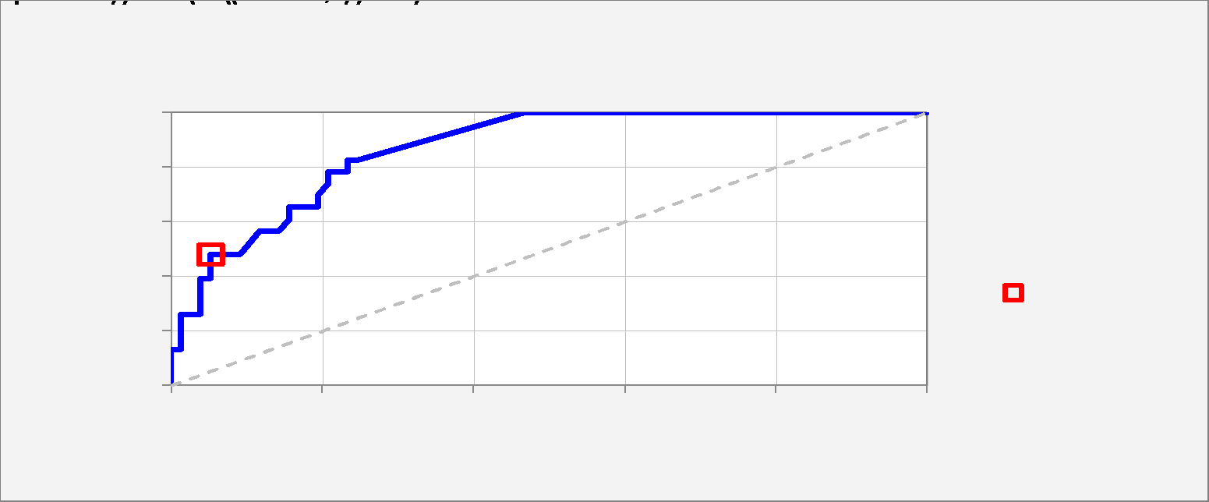
Receiver Operating Characteristic (ROC) Curve |  |  |  |  |  |  |  |  |  |  |  |  | Data for ROC curve chart:
 |  |  |  |  |  |  |  |  |  |  |  |  | Cutoff | 0.000 | 0.010 | 0.020 | 0.030 | 0.040 | 0.050 | 0.060 | 0.070 | 0.080 | 0.090 | 0.100 | 0.110 | 0.120 | 0.130 | 0.140 | 0.150 | 0.160 | 0.170 | 0.180 | 0.190 | 0.200 | 0.210 | 0.220 | 0.230 | 0.240 | 0.250 | 0.260 | 0.270 | 0.280 | 0.290 | 0.300 | 0.310 | 0.320 | 0.330 | 0.340 | 0.350 | 0.360 | 0.370 | 0.380 | 0.390 | 0.400 | 0.410 | 0.420 | 0.430 | 0.440 | 0.450 | 0.460 | 0.470 | 0.480 | 0.490 | 0.500 | 0.510 | 0.520 | 0.530 | 0.540 | 0.550 | 0.560 | 0.570 | 0.580 | 0.590 | 0.600 | 0.610 | 0.620 | 0.630 | 0.640 | 0.650 | 0.660 | 0.670 | 0.680 | 0.690 | 0.700 | 0.710 | 0.720 | 0.730 | 0.740 | 0.750 | 0.760 | 0.770 | 0.780 | 0.790 | 0.800 | 0.810 | 0.820 | 0.830 | 0.840 | 0.850 | 0.860 | 0.870 | 0.880 | 0.890 | 0.900 | 0.910 | 0.920 | 0.930 | 0.940 | 0.950 | 0.960 | 0.970 | 0.980 | 0.990 | 1.000
 |  |  |  |  |  |  |  |  |  |  |  |  | True positive rate | 1.000 | 1.000 | 1.000 | 1.000 | 1.000 | 1.000 | 1.000 | 1.000 | 1.000 | 1.000 | 1.000 | 1.000 | 1.000 | 1.000 | 1.000 | 0.826 | 0.826 | 0.826 | 0.783 | 0.783 | 0.783 | 0.783 | 0.739 | 0.696 | 0.652 | 0.652 | 0.652 | 0.652 | 0.652 | 0.652 | 0.652 | 0.652 | 0.609 | 0.565 | 0.565 | 0.565 | 0.565 | 0.565 | 0.478 | 0.478 | 0.478 | 0.478 | 0.478 | 0.478 | 0.478 | 0.478 | 0.478 | 0.478 | 0.478 | 0.478 | 0.478 | 0.478 | 0.478 | 0.478 | 0.478 | 0.478 | 0.435 | 0.391 | 0.391 | 0.391 | 0.391 | 0.348 | 0.348 | 0.348 | 0.348 | 0.348 | 0.348 | 0.348 | 0.261 | 0.261 | 0.261 | 0.261 | 0.261 | 0.261 | 0.261 | 0.261 | 0.261 | 0.261 | 0.261 | 0.217 | 0.174 | 0.174 | 0.130 | 0.130 | 0.130 | 0.130 | 0.130 | 0.130 | 0.130 | 0.130 | 0.130 | 0.130 | 0.087 | 0.043 | 0.043 | 0.000 | 0.000 | 0.000 | 0.000 | 0.000 | 0.000
 | Total area | 0.868 |  |  |  |  |  |  |  |  |  |  | False positive rate | 1.000 | 0.883 | 0.818 | 0.766 | 0.714 | 0.675 | 0.649 | 0.623 | 0.610 | 0.584 | 0.532 | 0.532 | 0.506 | 0.481 | 0.468 | 0.247 | 0.247 | 0.234 | 0.234 | 0.234 | 0.208 | 0.208 | 0.208 | 0.195 | 0.195 | 0.195 | 0.182 | 0.182 | 0.182 | 0.169 | 0.156 | 0.156 | 0.156 | 0.143 | 0.130 | 0.117 | 0.117 | 0.117 | 0.091 | 0.091 | 0.091 | 0.091 | 0.091 | 0.065 | 0.065 | 0.065 | 0.065 | 0.052 | 0.052 | 0.052 | 0.052 | 0.052 | 0.052 | 0.052 | 0.052 | 0.052 | 0.052 | 0.052 | 0.039 | 0.039 | 0.039 | 0.039 | 0.039 | 0.039 | 0.039 | 0.039 | 0.039 | 0.039 | 0.039 | 0.039 | 0.039 | 0.026 | 0.026 | 0.026 | 0.013 | 0.013 | 0.013 | 0.013 | 0.013 | 0.013 | 0.013 | 0.013 | 0.013 | 0.013 | 0.013 | 0.000 | 0.000 | 0.000 | 0.000 | 0.000 | 0.000 | 0.000 | 0.000 | 0.000 | 0.000 | 0.000 | 0.000 | 0.000 | 0.000 | 0.000 | 0.000
 | Chart legend: | Cutoff = 0.50 |  |  |  |  |  |  |  |  |  |  | Area | 0.117 | 0.065 | 0.052 | 0.052 | 0.039 | 0.026 | 0.026 | 0.013 | 0.026 | 0.052 | 0.000 | 0.026 | 0.026 | 0.013 | 0.202 | 0.000 | 0.011 | 0.000 | 0.000 | 0.020 | 0.000 | 0.000 | 0.009 | 0.000 | 0.000 | 0.008 | 0.000 | 0.000 | 0.008 | 0.008 | 0.000 | 0.000 | 0.008 | 0.007 | 0.007 | 0.000 | 0.000 | 0.014 | 0.000 | 0.000 | 0.000 | 0.000 | 0.012 | 0.000 | 0.000 | 0.000 | 0.006 | 0.000 | 0.000 | 0.000 | 0.000 | 0.000 | 0.000 | 0.000 | 0.000 | 0.000 | 0.000 | 0.005 | 0.000 | 0.000 | 0.000 | 0.000 | 0.000 | 0.000 | 0.000 | 0.000 | 0.000 | 0.000 | 0.000 | 0.000 | 0.003 | 0.000 | 0.000 | 0.003 | 0.000 | 0.000 | 0.000 | 0.000 | 0.000 | 0.000 | 0.000 | 0.000 | 0.000 | 0.000 | 0.002 | 0.000 | 0.000 | 0.000 | 0.000 | 0.000 | 0.000 | 0.000 | 0.000 | 0.000 | 0.000 | 0.000 | 0.000 | 0.000 | 0.000 | 0.000 | 0.000
 | Chart title: | ROC curve: area under curve = 0.87 Model 9 for Y (2 variables, n=100) |  |  |  |  |  |  |  |  |  |  | Total area | 0.868
 | Coordinates for plotting: |  | 0.000 | 1.000
 |  |  | 0.000 | 1.000
 |  |  | 0.052 | 0.478

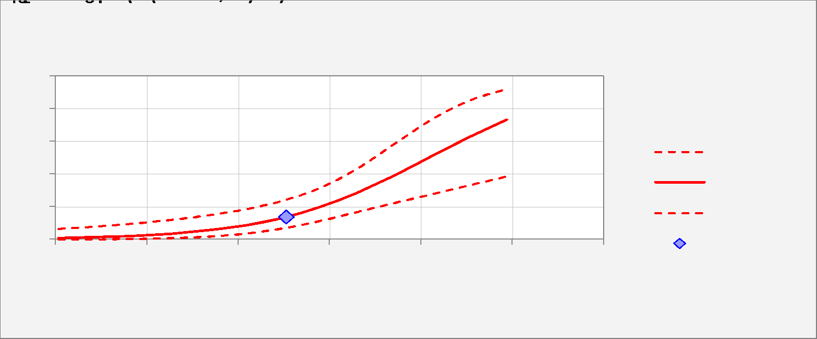
Logistic Curve Plot
 |  |  |  |  |  |  |  |  |  |  |  |  | Variable number | 1.000 | Name | X1_MeanImputed | X2_MeanImputed
 |  |  |  |  |  |  |  |  |  |  |  |  | Variable name | X1_MeanImputed | Mean | 504.680 | 524.367 | 1.000
 |  |  |  |  |  |  |  |  |  |  |  |  |  | Chart titles:
 |  |  |  |  |  |  |  |  |  |  |  |  |  | Logistic Regression Curve -vs- X1_MeanImputed Model 9 for Y (2 variables, n=100) | Min | 6.000 | 7.000
Mean | 504.680 | 0.137 | 0.072 | 0.244 | -1.843 | 0.362 |  |  |  |  |  |  |  | X1_MeanImputed (min to max) Other Variables = Means | Max | 988.000 | 997.000
 |  |  |  |  |  |  |  |  |  |  |  |  |  | Start and step values can be overtyped to customize x-axis scale | START | 6.000 | 7.000
 | X1_MeanImputed | Forecast | Lower 95% | Upper 95% | Log Odds | Std.Err. |  |  |  |  |  |  |  | Default limits are min and max for integer data, mean +/- 3 std. dev. for continuous data | STEP | 81.833 | 82.500
 | 6.000 | 0.008 | 0.001 | 0.066 | -4.772 | 1.080 |  |  |  |  |  |  |  | 1.000 |  | 6.000 | 524.367 | 1.000
 | 87.833 | 0.014 | 0.002 | 0.080 | -4.291 | 0.945 |  |  |  |  |  |  |  | 2.000 |  | 87.833 | 524.367 | 1.000
 | 169.667 | 0.022 | 0.004 | 0.098 | -3.811 | 0.813 |  |  |  |  |  |  |  | 3.000 |  | 169.667 | 524.367 | 1.000
 | 251.500 | 0.035 | 0.009 | 0.121 | -3.330 | 0.685 |  |  |  |  |  |  |  | 4.000 |  | 251.500 | 524.367 | 1.000
 | 333.333 | 0.055 | 0.019 | 0.149 | -2.849 | 0.564 |  |  |  |  |  |  |  | 5.000 |  | 333.333 | 524.367 | 1.000
 | 415.167 | 0.086 | 0.037 | 0.186 | -2.369 | 0.455 |  |  |  |  |  |  |  | 6.000 |  | 415.167 | 524.367 | 1.000
 | 497.000 | 0.131 | 0.069 | 0.238 | -1.888 | 0.368 |  |  |  |  |  |  |  | 7.000 |  | 497.000 | 524.367 | 1.000
 | 578.833 | 0.197 | 0.115 | 0.316 | -1.407 | 0.324 |  |  |  |  |  |  |  | 8.000 |  | 578.833 | 524.367 | 1.000
 | 660.667 | 0.284 | 0.169 | 0.435 | -0.926 | 0.339 |  |  |  |  |  |  |  | 9.000 |  | 660.667 | 524.367 | 1.000
 | 742.500 | 0.390 | 0.224 | 0.587 | -0.446 | 0.406 |  |  |  |  |  |  |  | 10.000 |  | 742.500 | 524.367 | 1.000
 | 824.333 | 0.509 | 0.278 | 0.736 | 0.035 | 0.505 |  |  |  |  |  |  |  | 11.000 |  | 824.333 | 524.367 | 1.000
 | 906.167 | 0.626 | 0.331 | 0.850 | 0.516 | 0.621 |  |  |  |  |  |  |  | 12.000 |  | 906.167 | 524.367 | 1.000
 | 988.000 | 0.730 | 0.386 | 0.921 | 0.996 | 0.746 |  |  |  |  |  |  |  | 13.000 |  | 988.000 | 524.367 | 1.000
 |  |  |  |  |  |  |  |  |  |  |  |  |  |  |  | 1.000 | 0.000
 |  |  |  |  |  |  |  |  |  |  |  |  |  |  |  | 1.000 | 2.000
Distribution of Outcomes -vs- Predictions |  |  |  |  |  |  |  |  |  |  |  |  | Data for distribution of outcomes chart:
 |  |  |  |  |  |  |  |  |  |  |  |  | Cumulative | 0.000 | 0.050 | 0.100 | 0.150 | 0.200 | 0.250 | 0.300 | 0.350 | 0.400 | 0.450 | 0.500 | 0.550 | 0.600 | 0.650 | 0.700 | 0.750 | 0.800 | 0.850 | 0.900 | 0.950 | 1.000
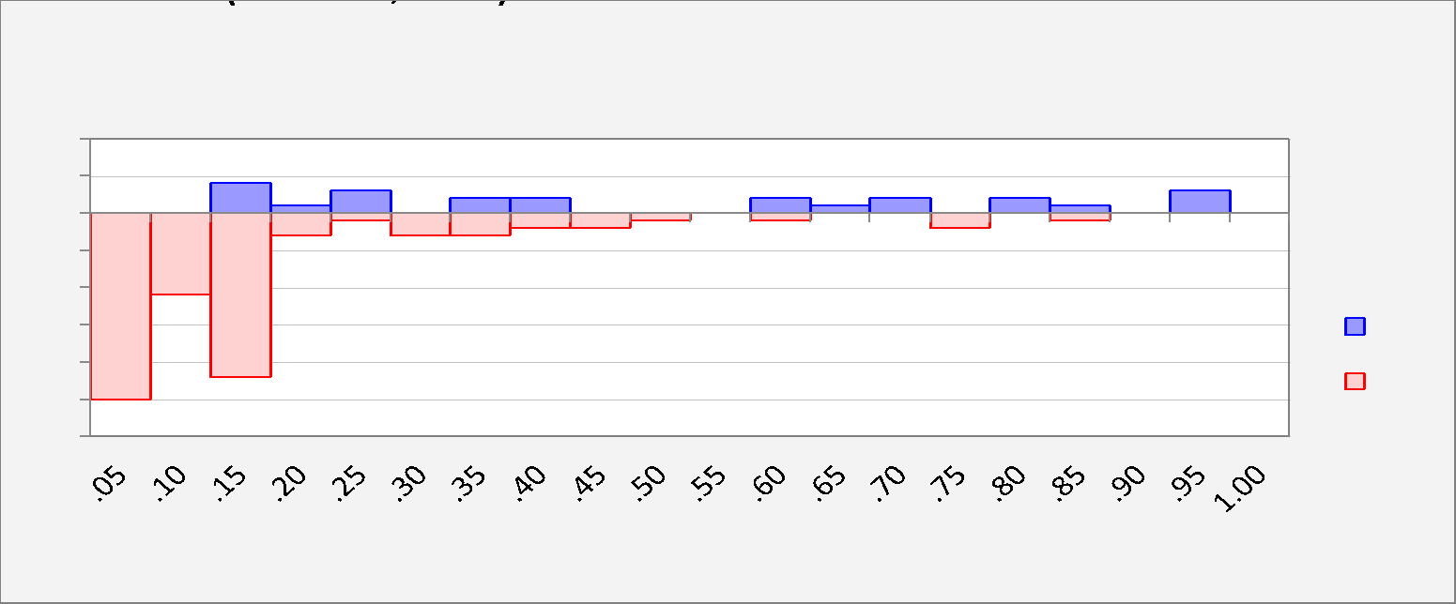
 |  |  |  |  |  |  |  |  |  |  |  |  | 1's | 0.000 | 0.000 | 0.000 | 4.000 | 5.000 | 8.000 | 8.000 | 10.000 | 12.000 | 12.000 | 12.000 | 12.000 | 14.000 | 15.000 | 17.000 | 17.000 | 19.000 | 20.000 | 20.000 | 23.000 | 23.000
 |  |  |  |  |  |  |  |  |  |  |  |  | 0's | 0.000 | 25.000 | 36.000 | 58.000 | 61.000 | 62.000 | 65.000 | 68.000 | 70.000 | 72.000 | 73.000 | 73.000 | 74.000 | 74.000 | 74.000 | 76.000 | 76.000 | 77.000 | 77.000 | 77.000 | 77.000

 |  |  |  |  |  |  |  |  |  |  |  |  | Non-cumulative | 0.050 | 0.100 | 0.150 | 0.200 | 0.250 | 0.300 | 0.350 | 0.400 | 0.450 | 0.500 | 0.550 | 0.600 | 0.650 | 0.700 | 0.750 | 0.800 | 0.850 | 0.900 | 0.950 | 1.000
 |  |  |  |  |  |  |  |  |  |  |  |  | 1's | 0.000 | 0.000 | 4.000 | 1.000 | 3.000 | 0.000 | 2.000 | 2.000 | 0.000 | 0.000 | 0.000 | 2.000 | 1.000 | 2.000 | 0.000 | 2.000 | 1.000 | 0.000 | 3.000 | 0.000
 |  |  |  |  |  |  |  |  |  |  |  |  | 0's | -25.000 | -11.000 | -22.000 | -3.000 | -1.000 | -3.000 | -3.000 | -2.000 | -2.000 | -1.000 | 0.000 | -1.000 | 0.000 | 0.000 | -2.000 | 0.000 | -1.000 | 0.000 | 0.000 | 0.000

Actual and Predicted -vs- Observation #

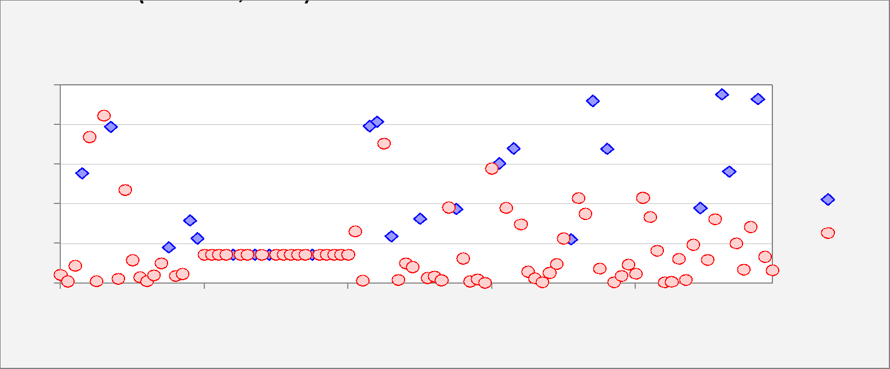

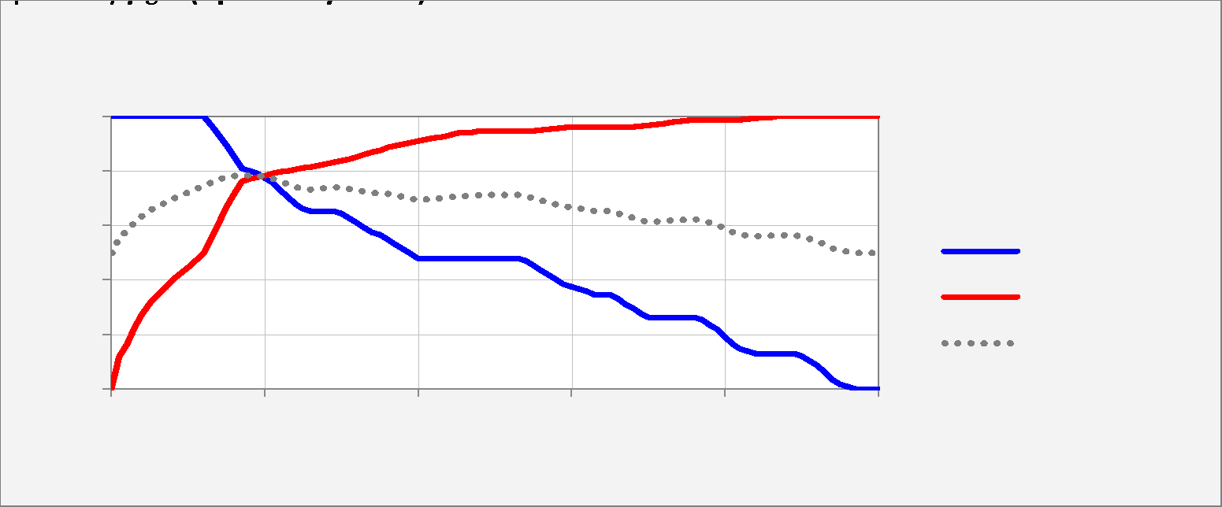
Sensitivity and Specificity -vs- Cutoff Value |  |  |  |  |  |  |  |  |  |  |  |  | Relative weight on % false negatives for weighted average:
 |  |  |  | Relative weight on specificity for weighted average: | 50% |  |  |  |  |  |  |  | Cutoff | 0.000 | 0.010 | 0.020 | 0.030 | 0.040 | 0.050 | 0.060 | 0.070 | 0.080 | 0.090 | 0.100 | 0.110 | 0.120 | 0.130 | 0.140 | 0.150 | 0.160 | 0.170 | 0.180 | 0.190 | 0.200 | 0.210 | 0.220 | 0.230 | 0.240 | 0.250 | 0.260 | 0.270 | 0.280 | 0.290 | 0.300 | 0.310 | 0.320 | 0.330 | 0.340 | 0.350 | 0.360 | 0.370 | 0.380 | 0.390 | 0.400 | 0.410 | 0.420 | 0.430 | 0.440 | 0.450 | 0.460 | 0.470 | 0.480 | 0.490 | 0.500 | 0.510 | 0.520 | 0.530 | 0.540 | 0.550 | 0.560 | 0.570 | 0.580 | 0.590 | 0.600 | 0.610 | 0.620 | 0.630 | 0.640 | 0.650 | 0.660 | 0.670 | 0.680 | 0.690 | 0.700 | 0.710 | 0.720 | 0.730 | 0.740 | 0.750 | 0.760 | 0.770 | 0.780 | 0.790 | 0.800 | 0.810 | 0.820 | 0.830 | 0.840 | 0.850 | 0.860 | 0.870 | 0.880 | 0.890 | 0.900 | 0.910 | 0.920 | 0.930 | 0.940 | 0.950 | 0.960 | 0.970 | 0.980 | 0.990 | 1.000
 |  |  |  |  |  |  |  |  |  |  |  |  | Sensitivity | 1.000 | 1.000 | 1.000 | 1.000 | 1.000 | 1.000 | 1.000 | 1.000 | 1.000 | 1.000 | 1.000 | 1.000 | 1.000 | 0.965 | 0.930 | 0.896 | 0.852 | 0.809 | 0.800 | 0.791 | 0.774 | 0.757 | 0.730 | 0.704 | 0.678 | 0.661 | 0.652 | 0.652 | 0.652 | 0.652 | 0.643 | 0.626 | 0.609 | 0.591 | 0.574 | 0.565 | 0.548 | 0.530 | 0.513 | 0.496 | 0.478 | 0.478 | 0.478 | 0.478 | 0.478 | 0.478 | 0.478 | 0.478 | 0.478 | 0.478 | 0.478 | 0.478 | 0.478 | 0.478 | 0.470 | 0.452 | 0.435 | 0.417 | 0.400 | 0.383 | 0.374 | 0.365 | 0.357 | 0.348 | 0.348 | 0.348 | 0.330 | 0.313 | 0.296 | 0.278 | 0.261 | 0.261 | 0.261 | 0.261 | 0.261 | 0.261 | 0.261 | 0.252 | 0.235 | 0.217 | 0.191 | 0.165 | 0.148 | 0.139 | 0.130 | 0.130 | 0.130 | 0.130 | 0.130 | 0.130 | 0.122 | 0.104 | 0.087 | 0.061 | 0.035 | 0.017 | 0.009 | 0.000 | 0.000 | 0.000 | 0.000
 |  |  |  |  |  |  |  |  |  |  |  |  | Specificity | 0.000 | 0.117 | 0.164 | 0.229 | 0.275 | 0.314 | 0.345 | 0.371 | 0.400 | 0.423 | 0.447 | 0.473 | 0.496 | 0.553 | 0.610 | 0.665 | 0.714 | 0.761 | 0.769 | 0.777 | 0.782 | 0.790 | 0.797 | 0.800 | 0.805 | 0.810 | 0.813 | 0.818 | 0.826 | 0.831 | 0.836 | 0.844 | 0.852 | 0.860 | 0.868 | 0.875 | 0.886 | 0.894 | 0.899 | 0.904 | 0.909 | 0.914 | 0.919 | 0.925 | 0.930 | 0.938 | 0.940 | 0.943 | 0.945 | 0.948 | 0.948 | 0.948 | 0.948 | 0.948 | 0.948 | 0.948 | 0.951 | 0.953 | 0.956 | 0.958 | 0.961 | 0.961 | 0.961 | 0.961 | 0.961 | 0.961 | 0.961 | 0.961 | 0.961 | 0.964 | 0.966 | 0.969 | 0.974 | 0.979 | 0.982 | 0.984 | 0.987 | 0.987 | 0.987 | 0.987 | 0.987 | 0.987 | 0.987 | 0.990 | 0.992 | 0.995 | 0.997 | 1.000 | 1.000 | 1.000 | 1.000 | 1.000 | 1.000 | 1.000 | 1.000 | 1.000 | 1.000 | 1.000 | 1.000 | 1.000 | 1.000
 |  |  |  |  |  |  |  |  |  |  |  |  | 50% Wtd.Avg. | 0.500 | 0.558 | 0.582 | 0.614 | 0.638 | 0.657 | 0.673 | 0.686 | 0.700 | 0.712 | 0.723 | 0.736 | 0.748 | 0.759 | 0.770 | 0.780 | 0.783 | 0.785 | 0.784 | 0.784 | 0.778 | 0.773 | 0.764 | 0.752 | 0.742 | 0.736 | 0.733 | 0.735 | 0.739 | 0.742 | 0.740 | 0.735 | 0.730 | 0.726 | 0.721 | 0.720 | 0.717 | 0.712 | 0.706 | 0.700 | 0.694 | 0.696 | 0.699 | 0.701 | 0.704 | 0.708 | 0.709 | 0.711 | 0.712 | 0.713 | 0.713 | 0.713 | 0.713 | 0.713 | 0.709 | 0.700 | 0.693 | 0.685 | 0.678 | 0.671 | 0.667 | 0.663 | 0.659 | 0.654 | 0.654 | 0.654 | 0.646 | 0.637 | 0.628 | 0.621 | 0.614 | 0.615 | 0.617 | 0.620 | 0.621 | 0.623 | 0.624 | 0.620 | 0.611 | 0.602 | 0.589 | 0.576 | 0.567 | 0.564 | 0.561 | 0.563 | 0.564 | 0.565 | 0.565 | 0.565 | 0.561 | 0.552 | 0.543 | 0.530 | 0.517 | 0.509 | 0.504 | 0.500 | 0.500 | 0.500 | 0.500

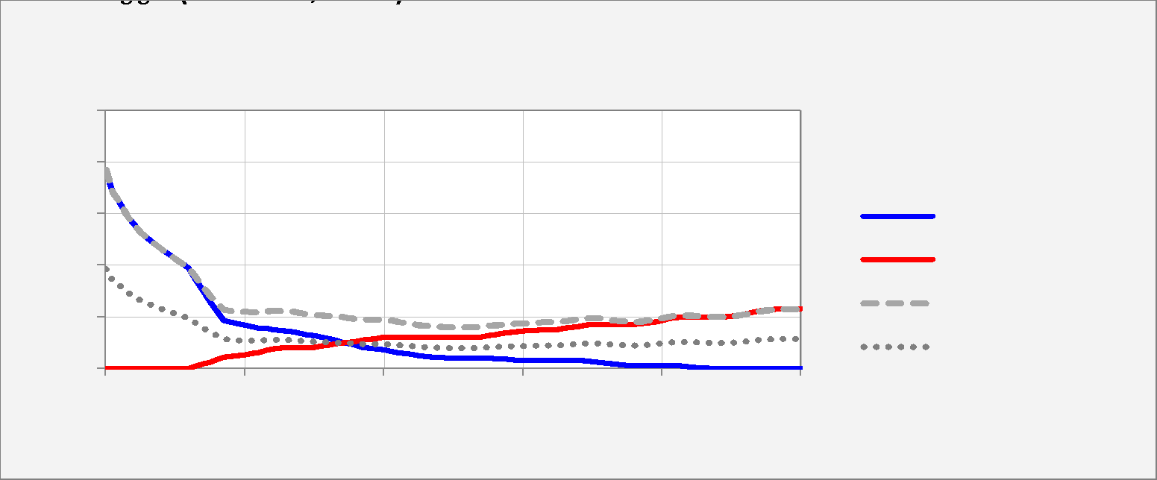
Percentage of False Positives and False Negatives -vs- Cutoff Value |  |  |  |  |  |  |  |  |  |  |  |  | Relative weight on % false negatives for weighted average:
 |  |  |  | Relative weight on % false negatives for weighted average: | 50% |  |  |  |  |  |  |  | Cutoff | 0.000 | 0.010 | 0.020 | 0.030 | 0.040 | 0.050 | 0.060 | 0.070 | 0.080 | 0.090 | 0.100 | 0.110 | 0.120 | 0.130 | 0.140 | 0.150 | 0.160 | 0.170 | 0.180 | 0.190 | 0.200 | 0.210 | 0.220 | 0.230 | 0.240 | 0.250 | 0.260 | 0.270 | 0.280 | 0.290 | 0.300 | 0.310 | 0.320 | 0.330 | 0.340 | 0.350 | 0.360 | 0.370 | 0.380 | 0.390 | 0.400 | 0.410 | 0.420 | 0.430 | 0.440 | 0.450 | 0.460 | 0.470 | 0.480 | 0.490 | 0.500 | 0.510 | 0.520 | 0.530 | 0.540 | 0.550 | 0.560 | 0.570 | 0.580 | 0.590 | 0.600 | 0.610 | 0.620 | 0.630 | 0.640 | 0.650 | 0.660 | 0.670 | 0.680 | 0.690 | 0.700 | 0.710 | 0.720 | 0.730 | 0.740 | 0.750 | 0.760 | 0.770 | 0.780 | 0.790 | 0.800 | 0.810 | 0.820 | 0.830 | 0.840 | 0.850 | 0.860 | 0.870 | 0.880 | 0.890 | 0.900 | 0.910 | 0.920 | 0.930 | 0.940 | 0.950 | 0.960 | 0.970 | 0.980 | 0.990 | 1.000
 |  |  |  |  |  |  |  |  |  |  |  |  | % False Positive | 0.770 | 0.680 | 0.644 | 0.594 | 0.558 | 0.528 | 0.504 | 0.484 | 0.462 | 0.444 | 0.426 | 0.406 | 0.388 | 0.344 | 0.300 | 0.258 | 0.220 | 0.184 | 0.178 | 0.172 | 0.168 | 0.162 | 0.156 | 0.154 | 0.150 | 0.146 | 0.144 | 0.140 | 0.134 | 0.130 | 0.126 | 0.120 | 0.114 | 0.108 | 0.102 | 0.096 | 0.088 | 0.082 | 0.078 | 0.074 | 0.070 | 0.066 | 0.062 | 0.058 | 0.054 | 0.048 | 0.046 | 0.044 | 0.042 | 0.040 | 0.040 | 0.040 | 0.040 | 0.040 | 0.040 | 0.040 | 0.038 | 0.036 | 0.034 | 0.032 | 0.030 | 0.030 | 0.030 | 0.030 | 0.030 | 0.030 | 0.030 | 0.030 | 0.030 | 0.028 | 0.026 | 0.024 | 0.020 | 0.016 | 0.014 | 0.012 | 0.010 | 0.010 | 0.010 | 0.010 | 0.010 | 0.010 | 0.010 | 0.008 | 0.006 | 0.004 | 0.002 | 0.000 | 0.000 | 0.000 | 0.000 | 0.000 | 0.000 | 0.000 | 0.000 | 0.000 | 0.000 | 0.000 | 0.000 | 0.000 | 0.000
 |  |  |  |  |  |  |  |  |  |  |  |  | % False Negative | 0.000 | 0.000 | 0.000 | 0.000 | 0.000 | 0.000 | 0.000 | 0.000 | 0.000 | 0.000 | 0.000 | 0.000 | 0.000 | 0.008 | 0.016 | 0.024 | 0.034 | 0.044 | 0.046 | 0.048 | 0.052 | 0.056 | 0.062 | 0.068 | 0.074 | 0.078 | 0.080 | 0.080 | 0.080 | 0.080 | 0.082 | 0.086 | 0.090 | 0.094 | 0.098 | 0.100 | 0.104 | 0.108 | 0.112 | 0.116 | 0.120 | 0.120 | 0.120 | 0.120 | 0.120 | 0.120 | 0.120 | 0.120 | 0.120 | 0.120 | 0.120 | 0.120 | 0.120 | 0.120 | 0.122 | 0.126 | 0.130 | 0.134 | 0.138 | 0.142 | 0.144 | 0.146 | 0.148 | 0.150 | 0.150 | 0.150 | 0.154 | 0.158 | 0.162 | 0.166 | 0.170 | 0.170 | 0.170 | 0.170 | 0.170 | 0.170 | 0.170 | 0.172 | 0.176 | 0.180 | 0.186 | 0.192 | 0.196 | 0.198 | 0.200 | 0.200 | 0.200 | 0.200 | 0.200 | 0.200 | 0.202 | 0.206 | 0.210 | 0.216 | 0.222 | 0.226 | 0.228 | 0.230 | 0.230 | 0.230 | 0.230
 |  |  |  |  |  |  |  |  |  |  |  |  | Total % False | 0.770 | 0.680 | 0.644 | 0.594 | 0.558 | 0.528 | 0.504 | 0.484 | 0.462 | 0.444 | 0.426 | 0.406 | 0.388 | 0.352 | 0.316 | 0.282 | 0.254 | 0.228 | 0.224 | 0.220 | 0.220 | 0.218 | 0.218 | 0.222 | 0.224 | 0.224 | 0.224 | 0.220 | 0.214 | 0.210 | 0.208 | 0.206 | 0.204 | 0.202 | 0.200 | 0.196 | 0.192 | 0.190 | 0.190 | 0.190 | 0.190 | 0.186 | 0.182 | 0.178 | 0.174 | 0.168 | 0.166 | 0.164 | 0.162 | 0.160 | 0.160 | 0.160 | 0.160 | 0.160 | 0.162 | 0.166 | 0.168 | 0.170 | 0.172 | 0.174 | 0.174 | 0.176 | 0.178 | 0.180 | 0.180 | 0.180 | 0.184 | 0.188 | 0.192 | 0.194 | 0.196 | 0.194 | 0.190 | 0.186 | 0.184 | 0.182 | 0.180 | 0.182 | 0.186 | 0.190 | 0.196 | 0.202 | 0.206 | 0.206 | 0.206 | 0.204 | 0.202 | 0.200 | 0.200 | 0.200 | 0.202 | 0.206 | 0.210 | 0.216 | 0.222 | 0.226 | 0.228 | 0.230 | 0.230 | 0.230 | 0.230
 |  |  |  |  |  |  |  |  |  |  |  |  | 50% Wtd.Avg. | 0.385 | 0.340 | 0.322 | 0.297 | 0.279 | 0.264 | 0.252 | 0.242 | 0.231 | 0.222 | 0.213 | 0.203 | 0.194 | 0.176 | 0.158 | 0.141 | 0.127 | 0.114 | 0.112 | 0.110 | 0.110 | 0.109 | 0.109 | 0.111 | 0.112 | 0.112 | 0.112 | 0.110 | 0.107 | 0.105 | 0.104 | 0.103 | 0.102 | 0.101 | 0.100 | 0.098 | 0.096 | 0.095 | 0.095 | 0.095 | 0.095 | 0.093 | 0.091 | 0.089 | 0.087 | 0.084 | 0.083 | 0.082 | 0.081 | 0.080 | 0.080 | 0.080 | 0.080 | 0.080 | 0.081 | 0.083 | 0.084 | 0.085 | 0.086 | 0.087 | 0.087 | 0.088 | 0.089 | 0.090 | 0.090 | 0.090 | 0.092 | 0.094 | 0.096 | 0.097 | 0.098 | 0.097 | 0.095 | 0.093 | 0.092 | 0.091 | 0.090 | 0.091 | 0.093 | 0.095 | 0.098 | 0.101 | 0.103 | 0.103 | 0.103 | 0.102 | 0.101 | 0.100 | 0.100 | 0.100 | 0.101 | 0.103 | 0.105 | 0.108 | 0.111 | 0.113 | 0.114 | 0.115 | 0.115 | 0.115 | 0.115

Model 10
Model: | Model 10 |  |  |  |  |  |  |  |  |  | Editable | 10-2-22 11:51 AM + DESKTOP-CKVT21U + Example1.xlsx + Sheet1 + RegressItLogistic 2021.06.18 |  |  |  |  |  |  |  |  |  |  |  |  |  |  |  |  |  |  |  |  |  |  |  |  |  |  |  |  |  |  |  |  |  |  |  |  |  |  |  | 10-2-22 11:51 AM + DESKTOP-CKVT21U + Example1.xlsx + Sheet1 + RegressItLogistic 2021.06.18
Binary Dependent Variable: |  | Y |  |  |  | 0-1 value labels: | No | Yes
 |  |  |  |  |  |  |  |  | R code: | Model.10 <- glm(Y ~ f1_+f2_+g1_+g2_, family = binomial, data = Sheet1)
Logistic Regression Statistics: Model 10 for Y (4 variables, n=100) |  |  |  |  |  |  |  |  |  |  |  |  | Confidence Index | Confidence Level
 | R-squared (McFadden) | Adj.R-Sqr. | RMSE | Mean | # Fitted | ROC area | Critical z | Conf. level |  |  |  |  | 7.000 | 0.950
 | 0.325 | 0.232 | 0.346 | 0.230 | 100 | 0.88 | 1.960 | 95.0%

Logistic Regression Coefficient Estimates: Model 10 for Y (4 variables, n=100) |  |  |  |  |  |  |  |  |  |  |  |  | Variance/Covariance Matrix
Variable | Coefficient | Std.Err. | z-statistic | P-value | Lower95% | Upper95% | VIF | Std. coeff. |  |  |  |  | f1_ | f2_ | g1_ | g2_ | Constant
Constant | -1.987 | 1.152 | -1.725 | #N/A | -4.244 | 0.271 |  |  |  |  |  |  | 2.031 | 0.003 | -0.724 | -0.001 | -1.307
f1_ | 4.174 | 1.425 | 2.929 | #N/A | 1.381 | 6.967 | 2.685 | 1.138 |  |  |  |  | 0.003 | 0.000 | -0.001 | 0.000 | -0.002
f2_ | 0.006672 | 0.002061 | 3.237 | #N/A | 0.002632 | 0.011 | 2.430 | 1.191 |  |  |  |  | -0.724 | -0.001 | 1.052 | 0.001 | -0.020
g1_ | -3.635 | 1.026 | -3.543 | #N/A | -5.645 | -1.624 | 2.051 | -0.820 |  |  |  |  | -0.001 | 0.000 | 0.001 | 0.000 | 0.000
g2_ | -0.007252 | 0.001863 | -3.893 | #N/A | -0.011 | -0.003601 | 1.793 | -1.344 |  |  |  |  | -1.307 | -0.002 | -0.020 | 0.000 | 1.327

Exponentiated Coefficients (Odds Ratios): Model 10 for Y (4 variables, n=100)
Variable | Exp(Coeff) | Exp(z*SE) | Lower95.0% | Upper95.0% | Exp(Std.coeff.)
f1_ | 65.006 | 16.330 | 3.981 | 1,062 | 3.119
f2_ | 1.007 | 1.004 | 1.003 | 1.011 | 3.289
g1_ | 0.026 | 7.468 | 0.003534 | 0.197 | 0.440
g2_ | 0.993 | 1.004 | 0.989 | 0.996 | 0.261

Analysis of Deviance: Model 10 for Y (4 variables, n=100)

Correlation Matrix of Coefficient Estimates : Model 10 for Y (4 variables, n=100)

Classification Table: Model 10 for Y (4 variables, n=100) |  |  |  |  |  |  |  |  |  |  |  |  | Data for Classification Table |  |  | 10.000
 |  | Cutoff value for prediction of Yes: | 0.50 | RMSE = | 0.346 |  |  |  |  |  |  |  | Cutoff | 0.000 | 0.010 | 0.020 | 0.030 | 0.040 | 0.050 | 0.060 | 0.070 | 0.080 | 0.090 | 0.100 | 0.110 | 0.120 | 0.130 | 0.140 | 0.150 | 0.160 | 0.170 | 0.180 | 0.190 | 0.200 | 0.210 | 0.220 | 0.230 | 0.240 | 0.250 | 0.260 | 0.270 | 0.280 | 0.290 | 0.300 | 0.310 | 0.320 | 0.330 | 0.340 | 0.350 | 0.360 | 0.370 | 0.380 | 0.390 | 0.400 | 0.410 | 0.420 | 0.430 | 0.440 | 0.450 | 0.460 | 0.470 | 0.480 | 0.490 | 0.500 | 0.510 | 0.520 | 0.530 | 0.540 | 0.550 | 0.560 | 0.570 | 0.580 | 0.590 | 0.600 | 0.610 | 0.620 | 0.630 | 0.640 | 0.650 | 0.660 | 0.670 | 0.680 | 0.690 | 0.700 | 0.710 | 0.720 | 0.730 | 0.740 | 0.750 | 0.760 | 0.770 | 0.780 | 0.790 | 0.800 | 0.810 | 0.820 | 0.830 | 0.840 | 0.850 | 0.860 | 0.870 | 0.880 | 0.890 | 0.900 | 0.910 | 0.920 | 0.930 | 0.940 | 0.950 | 0.960 | 0.970 | 0.980 | 0.990 | 1.000
 | Predicted: |  |  |  |  | Predicted: |  |  |  |  |  |  | Predicted true | 100.000 | 89.000 | 84.000 | 78.000 | 74.000 | 70.000 | 68.000 | 67.000 | 65.000 | 65.000 | 63.000 | 61.000 | 58.000 | 57.000 | 56.000 | 54.000 | 54.000 | 54.000 | 53.000 | 53.000 | 32.000 | 32.000 | 31.000 | 29.000 | 28.000 | 28.000 | 28.000 | 27.000 | 25.000 | 24.000 | 24.000 | 21.000 | 21.000 | 21.000 | 21.000 | 21.000 | 20.000 | 20.000 | 19.000 | 18.000 | 18.000 | 18.000 | 18.000 | 18.000 | 17.000 | 16.000 | 16.000 | 16.000 | 15.000 | 15.000 | 15.000 | 14.000 | 13.000 | 13.000 | 13.000 | 12.000 | 12.000 | 12.000 | 12.000 | 12.000 | 10.000 | 10.000 | 10.000 | 10.000 | 9.000 | 9.000 | 9.000 | 9.000 | 9.000 | 9.000 | 9.000 | 9.000 | 9.000 | 9.000 | 9.000 | 9.000 | 9.000 | 9.000 | 8.000 | 8.000 | 8.000 | 7.000 | 7.000 | 7.000 | 7.000 | 6.000 | 5.000 | 5.000 | 4.000 | 4.000 | 3.000 | 2.000 | 2.000 | 1.000 | 1.000 | 0.000 | 0.000 | 0.000 | 0.000 | 0.000 | 0.000
Actual: | # No | # Yes | Total |  | Actual: | % No | % Yes | Total |  |  |  |  | True positive | 23.000 | 23.000 | 23.000 | 23.000 | 23.000 | 23.000 | 23.000 | 23.000 | 23.000 | 23.000 | 23.000 | 23.000 | 23.000 | 23.000 | 23.000 | 22.000 | 22.000 | 22.000 | 22.000 | 22.000 | 18.000 | 18.000 | 17.000 | 17.000 | 17.000 | 17.000 | 17.000 | 16.000 | 15.000 | 14.000 | 14.000 | 14.000 | 14.000 | 14.000 | 14.000 | 14.000 | 14.000 | 14.000 | 13.000 | 12.000 | 12.000 | 12.000 | 12.000 | 12.000 | 11.000 | 11.000 | 11.000 | 11.000 | 10.000 | 10.000 | 10.000 | 9.000 | 9.000 | 9.000 | 9.000 | 9.000 | 9.000 | 9.000 | 9.000 | 9.000 | 7.000 | 7.000 | 7.000 | 7.000 | 6.000 | 6.000 | 6.000 | 6.000 | 6.000 | 6.000 | 6.000 | 6.000 | 6.000 | 6.000 | 6.000 | 6.000 | 6.000 | 6.000 | 6.000 | 6.000 | 6.000 | 6.000 | 6.000 | 6.000 | 6.000 | 5.000 | 4.000 | 4.000 | 3.000 | 3.000 | 3.000 | 2.000 | 2.000 | 1.000 | 1.000 | 0.000 | 0.000 | 0.000 | 0.000 | 0.000 | 0.000
# No | 72 | 5 | 77 |  | % No | 72% | 5% | 77% |  |  |  |  | False positive | 77.000 | 66.000 | 61.000 | 55.000 | 51.000 | 47.000 | 45.000 | 44.000 | 42.000 | 42.000 | 40.000 | 38.000 | 35.000 | 34.000 | 33.000 | 32.000 | 32.000 | 32.000 | 31.000 | 31.000 | 14.000 | 14.000 | 14.000 | 12.000 | 11.000 | 11.000 | 11.000 | 11.000 | 10.000 | 10.000 | 10.000 | 7.000 | 7.000 | 7.000 | 7.000 | 7.000 | 6.000 | 6.000 | 6.000 | 6.000 | 6.000 | 6.000 | 6.000 | 6.000 | 6.000 | 5.000 | 5.000 | 5.000 | 5.000 | 5.000 | 5.000 | 5.000 | 4.000 | 4.000 | 4.000 | 3.000 | 3.000 | 3.000 | 3.000 | 3.000 | 3.000 | 3.000 | 3.000 | 3.000 | 3.000 | 3.000 | 3.000 | 3.000 | 3.000 | 3.000 | 3.000 | 3.000 | 3.000 | 3.000 | 3.000 | 3.000 | 3.000 | 3.000 | 2.000 | 2.000 | 2.000 | 1.000 | 1.000 | 1.000 | 1.000 | 1.000 | 1.000 | 1.000 | 1.000 | 1.000 | 0.000 | 0.000 | 0.000 | 0.000 | 0.000 | 0.000 | 0.000 | 0.000 | 0.000 | 0.000 | 0.000
# Yes | 13 | 10 | 23 |  | % Yes | 13% | 10% | 23% |  |  |  |  | True negative | 0.000 | 11.000 | 16.000 | 22.000 | 26.000 | 30.000 | 32.000 | 33.000 | 35.000 | 35.000 | 37.000 | 39.000 | 42.000 | 43.000 | 44.000 | 45.000 | 45.000 | 45.000 | 46.000 | 46.000 | 63.000 | 63.000 | 63.000 | 65.000 | 66.000 | 66.000 | 66.000 | 66.000 | 67.000 | 67.000 | 67.000 | 70.000 | 70.000 | 70.000 | 70.000 | 70.000 | 71.000 | 71.000 | 71.000 | 71.000 | 71.000 | 71.000 | 71.000 | 71.000 | 71.000 | 72.000 | 72.000 | 72.000 | 72.000 | 72.000 | 72.000 | 72.000 | 73.000 | 73.000 | 73.000 | 74.000 | 74.000 | 74.000 | 74.000 | 74.000 | 74.000 | 74.000 | 74.000 | 74.000 | 74.000 | 74.000 | 74.000 | 74.000 | 74.000 | 74.000 | 74.000 | 74.000 | 74.000 | 74.000 | 74.000 | 74.000 | 74.000 | 74.000 | 75.000 | 75.000 | 75.000 | 76.000 | 76.000 | 76.000 | 76.000 | 76.000 | 76.000 | 76.000 | 76.000 | 76.000 | 77.000 | 77.000 | 77.000 | 77.000 | 77.000 | 77.000 | 77.000 | 77.000 | 77.000 | 77.000 | 77.000
Total | 85 | 15 | 100 |  | Total | 85% | 15% | 100% |  |  |  |  | False negative | 0.000 | 0.000 | 0.000 | 0.000 | 0.000 | 0.000 | 0.000 | 0.000 | 0.000 | 0.000 | 0.000 | 0.000 | 0.000 | 0.000 | 0.000 | 1.000 | 1.000 | 1.000 | 1.000 | 1.000 | 5.000 | 5.000 | 6.000 | 6.000 | 6.000 | 6.000 | 6.000 | 7.000 | 8.000 | 9.000 | 9.000 | 9.000 | 9.000 | 9.000 | 9.000 | 9.000 | 9.000 | 9.000 | 10.000 | 11.000 | 11.000 | 11.000 | 11.000 | 11.000 | 12.000 | 12.000 | 12.000 | 12.000 | 13.000 | 13.000 | 13.000 | 14.000 | 14.000 | 14.000 | 14.000 | 14.000 | 14.000 | 14.000 | 14.000 | 14.000 | 16.000 | 16.000 | 16.000 | 16.000 | 17.000 | 17.000 | 17.000 | 17.000 | 17.000 | 17.000 | 17.000 | 17.000 | 17.000 | 17.000 | 17.000 | 17.000 | 17.000 | 17.000 | 17.000 | 17.000 | 17.000 | 17.000 | 17.000 | 17.000 | 17.000 | 18.000 | 19.000 | 19.000 | 20.000 | 20.000 | 20.000 | 21.000 | 21.000 | 22.000 | 22.000 | 23.000 | 23.000 | 23.000 | 23.000 | 23.000 | 23.000
Percent correct = | 82.0% |  | True positive rate = | 43.5% |  | True negative rate = | 93.5%

ROC curve: area under curve = 0.88 Model 10 for Y (4 variables, n=100)
Receiver Operating Characteristic (ROC) Curve |  |  |  |  |  |  |  |  |  |  |  |  | Data for ROC curve chart:
 |  |  |  |  |  |  |  |  |  |  |  |  | Cutoff | 0.000 | 0.010 | 0.020 | 0.030 | 0.040 | 0.050 | 0.060 | 0.070 | 0.080 | 0.090 | 0.100 | 0.110 | 0.120 | 0.130 | 0.140 | 0.150 | 0.160 | 0.170 | 0.180 | 0.190 | 0.200 | 0.210 | 0.220 | 0.230 | 0.240 | 0.250 | 0.260 | 0.270 | 0.280 | 0.290 | 0.300 | 0.310 | 0.320 | 0.330 | 0.340 | 0.350 | 0.360 | 0.370 | 0.380 | 0.390 | 0.400 | 0.410 | 0.420 | 0.430 | 0.440 | 0.450 | 0.460 | 0.470 | 0.480 | 0.490 | 0.500 | 0.510 | 0.520 | 0.530 | 0.540 | 0.550 | 0.560 | 0.570 | 0.580 | 0.590 | 0.600 | 0.610 | 0.620 | 0.630 | 0.640 | 0.650 | 0.660 | 0.670 | 0.680 | 0.690 | 0.700 | 0.710 | 0.720 | 0.730 | 0.740 | 0.750 | 0.760 | 0.770 | 0.780 | 0.790 | 0.800 | 0.810 | 0.820 | 0.830 | 0.840 | 0.850 | 0.860 | 0.870 | 0.880 | 0.890 | 0.900 | 0.910 | 0.920 | 0.930 | 0.940 | 0.950 | 0.960 | 0.970 | 0.980 | 0.990 | 1.000
 |  |  |  |  |  |  |  |  |  |  |  |  | True positive rate | 1.000 | 1.000 | 1.000 | 1.000 | 1.000 | 1.000 | 1.000 | 1.000 | 1.000 | 1.000 | 1.000 | 1.000 | 1.000 | 1.000 | 1.000 | 0.957 | 0.957 | 0.957 | 0.957 | 0.957 | 0.783 | 0.783 | 0.739 | 0.739 | 0.739 | 0.739 | 0.739 | 0.696 | 0.652 | 0.609 | 0.609 | 0.609 | 0.609 | 0.609 | 0.609 | 0.609 | 0.609 | 0.609 | 0.565 | 0.522 | 0.522 | 0.522 | 0.522 | 0.522 | 0.478 | 0.478 | 0.478 | 0.478 | 0.435 | 0.435 | 0.435 | 0.391 | 0.391 | 0.391 | 0.391 | 0.391 | 0.391 | 0.391 | 0.391 | 0.391 | 0.304 | 0.304 | 0.304 | 0.304 | 0.261 | 0.261 | 0.261 | 0.261 | 0.261 | 0.261 | 0.261 | 0.261 | 0.261 | 0.261 | 0.261 | 0.261 | 0.261 | 0.261 | 0.261 | 0.261 | 0.261 | 0.261 | 0.261 | 0.261 | 0.261 | 0.217 | 0.174 | 0.174 | 0.130 | 0.130 | 0.130 | 0.087 | 0.087 | 0.043 | 0.043 | 0.000 | 0.000 | 0.000 | 0.000 | 0.000 | 0.000
 | Total area | 0.883 |  |  |  |  |  |  |  |  |  |  | False positive rate | 1.000 | 0.857 | 0.792 | 0.714 | 0.662 | 0.610 | 0.584 | 0.571 | 0.545 | 0.545 | 0.519 | 0.494 | 0.455 | 0.442 | 0.429 | 0.416 | 0.416 | 0.416 | 0.403 | 0.403 | 0.182 | 0.182 | 0.182 | 0.156 | 0.143 | 0.143 | 0.143 | 0.143 | 0.130 | 0.130 | 0.130 | 0.091 | 0.091 | 0.091 | 0.091 | 0.091 | 0.078 | 0.078 | 0.078 | 0.078 | 0.078 | 0.078 | 0.078 | 0.078 | 0.078 | 0.065 | 0.065 | 0.065 | 0.065 | 0.065 | 0.065 | 0.065 | 0.052 | 0.052 | 0.052 | 0.039 | 0.039 | 0.039 | 0.039 | 0.039 | 0.039 | 0.039 | 0.039 | 0.039 | 0.039 | 0.039 | 0.039 | 0.039 | 0.039 | 0.039 | 0.039 | 0.039 | 0.039 | 0.039 | 0.039 | 0.039 | 0.039 | 0.039 | 0.026 | 0.026 | 0.026 | 0.013 | 0.013 | 0.013 | 0.013 | 0.013 | 0.013 | 0.013 | 0.013 | 0.013 | 0.000 | 0.000 | 0.000 | 0.000 | 0.000 | 0.000 | 0.000 | 0.000 | 0.000 | 0.000 | 0.000
 | Chart legend: | Cutoff = 0.50 |  |  |  |  |  |  |  |  |  |  | Area | 0.143 | 0.065 | 0.078 | 0.052 | 0.052 | 0.026 | 0.013 | 0.026 | 0.000 | 0.026 | 0.026 | 0.039 | 0.013 | 0.013 | 0.013 | 0.000 | 0.000 | 0.012 | 0.000 | 0.192 | 0.000 | 0.000 | 0.019 | 0.010 | 0.000 | 0.000 | 0.000 | 0.009 | 0.000 | 0.000 | 0.024 | 0.000 | 0.000 | 0.000 | 0.000 | 0.008 | 0.000 | 0.000 | 0.000 | 0.000 | 0.000 | 0.000 | 0.000 | 0.000 | 0.006 | 0.000 | 0.000 | 0.000 | 0.000 | 0.000 | 0.000 | 0.005 | 0.000 | 0.000 | 0.005 | 0.000 | 0.000 | 0.000 | 0.000 | 0.000 | 0.000 | 0.000 | 0.000 | 0.000 | 0.000 | 0.000 | 0.000 | 0.000 | 0.000 | 0.000 | 0.000 | 0.000 | 0.000 | 0.000 | 0.000 | 0.000 | 0.000 | 0.003 | 0.000 | 0.000 | 0.003 | 0.000 | 0.000 | 0.000 | 0.000 | 0.000 | 0.000 | 0.000 | 0.000 | 0.002 | 0.000 | 0.000 | 0.000 | 0.000 | 0.000 | 0.000 | 0.000 | 0.000 | 0.000 | 0.000 | 0.000
 | Chart title: | ROC curve: area under curve = 0.88 Model 10 for Y (4 variables, n=100) |  |  |  |  |  |  |  |  |  |  | Total area | 0.883
 | Coordinates for plotting: |  | 0.000 | 1.000
 |  |  | 0.000 | 1.000
 |  |  | 0.065 | 0.435

Logistic Regression Curve -vs- f1_ Model 10 for Y (4 variables, n=100)
Logistic Curve Plot
 |  |  |  |  |  |  |  |  |  |  |  |  | Variable number | 1.000 | Name | f1_ | f2_ | g1_ | g2_
 |  |  |  |  |  |  |  |  | Variable Selector |  |  |  | Variable name | f1_ | Mean | 0.590 | 202.320 | 0.210 | 414.250 | 1.000
 |  |  |  |  |  |  |  |  |  |  |  |  |  | Chart titles:
 |  |  |  |  |  |  |  |  |  |  |  |  |  | Logistic Regression Curve -vs- f1_ Model 10 for Y (4 variables, n=100) | Min | 0.000 | 0.000 | 0.000 | 0.000
Mean | 0.590 | 0.125 | 0.062 | 0.239 | -1.941 | 0.400 |  |  |  |  |  |  |  | f1_ (min to max) Other Variables = Means | Max | 1.000 | 988.000 | 1.000 | 997.000
 |  |  |  |  |  |  |  |  |  |  |  |  |  | Start and step values can be overtyped to customize x-axis scale | START | 0.000 | 0.000 | 0.000 | 0.000
 | f1_ | Forecast | Lower 95% | Upper 95% | Log Odds | Std.Err. |  |  |  |  |  |  |  | Default limits are min and max for integer data, mean +/- 3 std. dev. for continuous data | STEP | 0.083 | 82.333 | 0.083 | 83.083
 | 0.000 | 0.012 | 0.001 | 0.093 | -4.404 | 1.085 |  |  |  |  |  |  |  | 1.000 |  | 0.000 | 202.320 | 0.210 | 414.250 | 1.000
 | 0.083 | 0.017 | 0.003 | 0.104 | -4.057 | 0.974 |  |  |  |  |  |  |  | 2.000 |  | 0.083 | 202.320 | 0.210 | 414.250 | 1.000
 | 0.167 | 0.024 | 0.004 | 0.118 | -3.709 | 0.864 |  |  |  |  |  |  |  | 3.000 |  | 0.167 | 202.320 | 0.210 | 414.250 | 1.000
 | 0.250 | 0.034 | 0.008 | 0.133 | -3.361 | 0.757 |  |  |  |  |  |  |  | 4.000 |  | 0.250 | 202.320 | 0.210 | 414.250 | 1.000
 | 0.333 | 0.047 | 0.013 | 0.151 | -3.013 | 0.655 |  |  |  |  |  |  |  | 5.000 |  | 0.333 | 202.320 | 0.210 | 414.250 | 1.000
 | 0.417 | 0.065 | 0.023 | 0.172 | -2.665 | 0.559 |  |  |  |  |  |  |  | 6.000 |  | 0.417 | 202.320 | 0.210 | 414.250 | 1.000
 | 0.500 | 0.090 | 0.038 | 0.199 | -2.317 | 0.473 |  |  |  |  |  |  |  | 7.000 |  | 0.500 | 202.320 | 0.210 | 414.250 | 1.000
 | 0.583 | 0.122 | 0.059 | 0.236 | -1.969 | 0.404 |  |  |  |  |  |  |  | 8.000 |  | 0.583 | 202.320 | 0.210 | 414.250 | 1.000
 | 0.667 | 0.165 | 0.089 | 0.287 | -1.621 | 0.362 |  |  |  |  |  |  |  | 9.000 |  | 0.667 | 202.320 | 0.210 | 414.250 | 1.000
 | 0.750 | 0.219 | 0.122 | 0.360 | -1.274 | 0.357 |  |  |  |  |  |  |  | 10.000 |  | 0.750 | 202.320 | 0.210 | 414.250 | 1.000
 | 0.833 | 0.284 | 0.156 | 0.460 | -0.926 | 0.390 |  |  |  |  |  |  |  | 11.000 |  | 0.833 | 202.320 | 0.210 | 414.250 | 1.000
 | 0.917 | 0.359 | 0.188 | 0.576 | -0.578 | 0.452 |  |  |  |  |  |  |  | 12.000 |  | 0.917 | 202.320 | 0.210 | 414.250 | 1.000
 | 1.000 | 0.443 | 0.218 | 0.694 | -0.230 | 0.534 |  |  |  |  |  |  |  | 13.000 |  | 1.000 | 202.320 | 0.210 | 414.250 | 1.000
 |  |  |  |  |  |  |  |  |  |  |  |  |  |  |  | 1.000 | 0.000 | 0.000 | 0.000
 |  |  |  |  |  |  |  |  |  |  |  |  |  |  |  | 1.000 | 2.000 | 3.000 | 4.000
Distribution of Outcomes -vs- Predictions |  |  |  |  |  |  |  |  |  |  |  |  | Data for distribution of outcomes chart:
 |  |  |  |  |  |  |  |  |  |  |  |  | Cumulative | 0.000 | 0.050 | 0.100 | 0.150 | 0.200 | 0.250 | 0.300 | 0.350 | 0.400 | 0.450 | 0.500 | 0.550 | 0.600 | 0.650 | 0.700 | 0.750 | 0.800 | 0.850 | 0.900 | 0.950 | 1.000
Distribution of Outcomes -vs- Prediction Interval Model 10 for Y (4 variables, n=100)
 |  |  |  |  |  |  |  |  |  |  |  |  | 1's | 0.000 | 0.000 | 0.000 | 1.000 | 5.000 | 6.000 | 9.000 | 9.000 | 11.000 | 12.000 | 13.000 | 14.000 | 16.000 | 17.000 | 17.000 | 17.000 | 17.000 | 18.000 | 20.000 | 23.000 | 23.000
 |  |  |  |  |  |  |  |  |  |  |  |  | 0's | 0.000 | 30.000 | 37.000 | 45.000 | 63.000 | 66.000 | 67.000 | 70.000 | 71.000 | 72.000 | 72.000 | 74.000 | 74.000 | 74.000 | 74.000 | 74.000 | 75.000 | 76.000 | 77.000 | 77.000 | 77.000

 |  |  |  |  |  |  |  |  |  |  |  |  | Non-cumulative | 0.050 | 0.100 | 0.150 | 0.200 | 0.250 | 0.300 | 0.350 | 0.400 | 0.450 | 0.500 | 0.550 | 0.600 | 0.650 | 0.700 | 0.750 | 0.800 | 0.850 | 0.900 | 0.950 | 1.000
 |  |  |  |  |  |  |  |  |  |  |  |  | 1's | 0.000 | 0.000 | 1.000 | 4.000 | 1.000 | 3.000 | 0.000 | 2.000 | 1.000 | 1.000 | 1.000 | 2.000 | 1.000 | 0.000 | 0.000 | 0.000 | 1.000 | 2.000 | 3.000 | 0.000
 |  |  |  |  |  |  |  |  |  |  |  |  | 0's | -30.000 | -7.000 | -8.000 | -18.000 | -3.000 | -1.000 | -3.000 | -1.000 | -1.000 | 0.000 | -2.000 | 0.000 | 0.000 | 0.000 | 0.000 | -1.000 | -1.000 | -1.000 | 0.000 | 0.000

Actual and Predicted -vs- Observation #

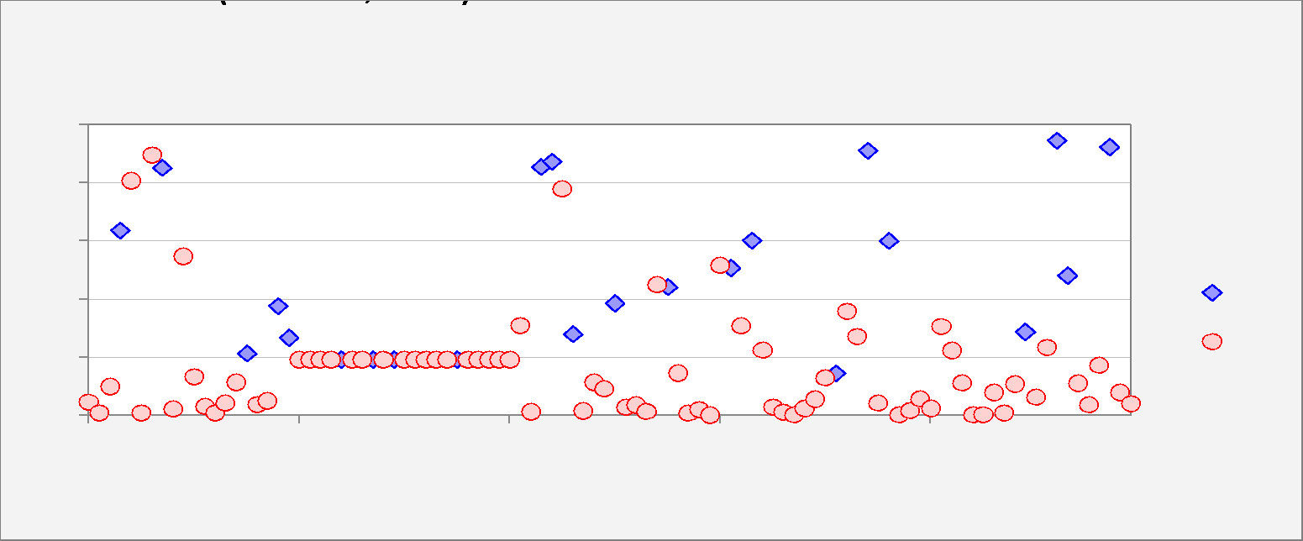

Sensitivity and Specificity -vs- Cutoff Value Model 10 for Y (4 variables, n=100)
Sensitivity and Specificity -vs- Cutoff Value |  |  |  |  |  |  |  |  |  |  |  |  | Relative weight on % false negatives for weighted average: |  |  | 10.000
 |  |  |  | Relative weight on specificity for weighted average: | 50% |  |  |  |  |  |  |  | Cutoff | 0.000 | 0.010 | 0.020 | 0.030 | 0.040 | 0.050 | 0.060 | 0.070 | 0.080 | 0.090 | 0.100 | 0.110 | 0.120 | 0.130 | 0.140 | 0.150 | 0.160 | 0.170 | 0.180 | 0.190 | 0.200 | 0.210 | 0.220 | 0.230 | 0.240 | 0.250 | 0.260 | 0.270 | 0.280 | 0.290 | 0.300 | 0.310 | 0.320 | 0.330 | 0.340 | 0.350 | 0.360 | 0.370 | 0.380 | 0.390 | 0.400 | 0.410 | 0.420 | 0.430 | 0.440 | 0.450 | 0.460 | 0.470 | 0.480 | 0.490 | 0.500 | 0.510 | 0.520 | 0.530 | 0.540 | 0.550 | 0.560 | 0.570 | 0.580 | 0.590 | 0.600 | 0.610 | 0.620 | 0.630 | 0.640 | 0.650 | 0.660 | 0.670 | 0.680 | 0.690 | 0.700 | 0.710 | 0.720 | 0.730 | 0.740 | 0.750 | 0.760 | 0.770 | 0.780 | 0.790 | 0.800 | 0.810 | 0.820 | 0.830 | 0.840 | 0.850 | 0.860 | 0.870 | 0.880 | 0.890 | 0.900 | 0.910 | 0.920 | 0.930 | 0.940 | 0.950 | 0.960 | 0.970 | 0.980 | 0.990 | 1.000
 |  |  |  |  |  |  |  |  |  |  |  |  | Sensitivity | 1.000 | 1.000 | 1.000 | 1.000 | 1.000 | 1.000 | 1.000 | 1.000 | 1.000 | 1.000 | 1.000 | 1.000 | 1.000 | 0.991 | 0.983 | 0.974 | 0.965 | 0.957 | 0.922 | 0.887 | 0.843 | 0.800 | 0.757 | 0.748 | 0.739 | 0.730 | 0.713 | 0.687 | 0.661 | 0.635 | 0.617 | 0.609 | 0.609 | 0.609 | 0.609 | 0.609 | 0.600 | 0.583 | 0.565 | 0.548 | 0.530 | 0.522 | 0.513 | 0.504 | 0.496 | 0.487 | 0.470 | 0.461 | 0.452 | 0.435 | 0.417 | 0.409 | 0.400 | 0.391 | 0.391 | 0.391 | 0.391 | 0.391 | 0.374 | 0.357 | 0.339 | 0.322 | 0.296 | 0.287 | 0.278 | 0.270 | 0.261 | 0.261 | 0.261 | 0.261 | 0.261 | 0.261 | 0.261 | 0.261 | 0.261 | 0.261 | 0.261 | 0.261 | 0.261 | 0.261 | 0.261 | 0.261 | 0.261 | 0.252 | 0.235 | 0.217 | 0.191 | 0.165 | 0.148 | 0.130 | 0.113 | 0.096 | 0.078 | 0.052 | 0.035 | 0.017 | 0.009 | 0.000 | 0.000 | 0.000 | 0.000
 |  |  |  |  |  |  |  |  |  |  |  |  | Specificity | 0.000 | 0.143 | 0.195 | 0.273 | 0.327 | 0.371 | 0.405 | 0.429 | 0.447 | 0.465 | 0.488 | 0.509 | 0.532 | 0.553 | 0.569 | 0.577 | 0.584 | 0.590 | 0.636 | 0.683 | 0.730 | 0.779 | 0.831 | 0.839 | 0.847 | 0.855 | 0.860 | 0.862 | 0.865 | 0.875 | 0.886 | 0.894 | 0.901 | 0.909 | 0.912 | 0.914 | 0.917 | 0.919 | 0.922 | 0.922 | 0.922 | 0.922 | 0.922 | 0.925 | 0.927 | 0.930 | 0.932 | 0.935 | 0.935 | 0.935 | 0.938 | 0.940 | 0.943 | 0.948 | 0.953 | 0.956 | 0.958 | 0.961 | 0.961 | 0.961 | 0.961 | 0.961 | 0.961 | 0.961 | 0.961 | 0.961 | 0.961 | 0.961 | 0.961 | 0.961 | 0.961 | 0.961 | 0.961 | 0.961 | 0.961 | 0.961 | 0.964 | 0.966 | 0.969 | 0.974 | 0.979 | 0.982 | 0.984 | 0.987 | 0.987 | 0.987 | 0.987 | 0.987 | 0.990 | 0.992 | 0.995 | 0.997 | 1.000 | 1.000 | 1.000 | 1.000 | 1.000 | 1.000 | 1.000 | 1.000 | 1.000
 |  |  |  |  |  |  |  |  |  |  |  |  | 50% Wtd.Avg. | 0.500 | 0.571 | 0.597 | 0.636 | 0.664 | 0.686 | 0.703 | 0.714 | 0.723 | 0.732 | 0.744 | 0.755 | 0.766 | 0.772 | 0.776 | 0.775 | 0.775 | 0.773 | 0.779 | 0.785 | 0.787 | 0.790 | 0.794 | 0.793 | 0.793 | 0.792 | 0.786 | 0.775 | 0.763 | 0.755 | 0.752 | 0.751 | 0.755 | 0.759 | 0.760 | 0.761 | 0.758 | 0.751 | 0.744 | 0.735 | 0.726 | 0.722 | 0.718 | 0.715 | 0.711 | 0.708 | 0.701 | 0.698 | 0.694 | 0.685 | 0.678 | 0.674 | 0.671 | 0.670 | 0.672 | 0.674 | 0.675 | 0.676 | 0.667 | 0.659 | 0.650 | 0.641 | 0.628 | 0.624 | 0.620 | 0.615 | 0.611 | 0.611 | 0.611 | 0.611 | 0.611 | 0.611 | 0.611 | 0.611 | 0.611 | 0.611 | 0.612 | 0.614 | 0.615 | 0.617 | 0.620 | 0.621 | 0.623 | 0.620 | 0.611 | 0.602 | 0.589 | 0.576 | 0.569 | 0.561 | 0.554 | 0.547 | 0.539 | 0.526 | 0.517 | 0.509 | 0.504 | 0.500 | 0.500 | 0.500 | 0.500

Error Rates- vs- Cutoff Value Model 10 for Y (4 variables, n=100)
Percentage of False Positives and False Negatives -vs- Cutoff Value |  |  |  |  |  |  |  |  |  |  |  |  | Relative weight on % false negatives for weighted average: |  |  | 10.000
 |  |  |  | Relative weight on % false negatives for weighted average: | 50% |  |  |  |  |  |  |  | Cutoff | 0.000 | 0.010 | 0.020 | 0.030 | 0.040 | 0.050 | 0.060 | 0.070 | 0.080 | 0.090 | 0.100 | 0.110 | 0.120 | 0.130 | 0.140 | 0.150 | 0.160 | 0.170 | 0.180 | 0.190 | 0.200 | 0.210 | 0.220 | 0.230 | 0.240 | 0.250 | 0.260 | 0.270 | 0.280 | 0.290 | 0.300 | 0.310 | 0.320 | 0.330 | 0.340 | 0.350 | 0.360 | 0.370 | 0.380 | 0.390 | 0.400 | 0.410 | 0.420 | 0.430 | 0.440 | 0.450 | 0.460 | 0.470 | 0.480 | 0.490 | 0.500 | 0.510 | 0.520 | 0.530 | 0.540 | 0.550 | 0.560 | 0.570 | 0.580 | 0.590 | 0.600 | 0.610 | 0.620 | 0.630 | 0.640 | 0.650 | 0.660 | 0.670 | 0.680 | 0.690 | 0.700 | 0.710 | 0.720 | 0.730 | 0.740 | 0.750 | 0.760 | 0.770 | 0.780 | 0.790 | 0.800 | 0.810 | 0.820 | 0.830 | 0.840 | 0.850 | 0.860 | 0.870 | 0.880 | 0.890 | 0.900 | 0.910 | 0.920 | 0.930 | 0.940 | 0.950 | 0.960 | 0.970 | 0.980 | 0.990 | 1.000
 |  |  |  |  |  |  |  |  |  |  |  |  | % False Positive | 0.770 | 0.660 | 0.620 | 0.560 | 0.518 | 0.484 | 0.458 | 0.440 | 0.426 | 0.412 | 0.394 | 0.378 | 0.360 | 0.344 | 0.332 | 0.326 | 0.320 | 0.316 | 0.280 | 0.244 | 0.208 | 0.170 | 0.130 | 0.124 | 0.118 | 0.112 | 0.108 | 0.106 | 0.104 | 0.096 | 0.088 | 0.082 | 0.076 | 0.070 | 0.068 | 0.066 | 0.064 | 0.062 | 0.060 | 0.060 | 0.060 | 0.060 | 0.060 | 0.058 | 0.056 | 0.054 | 0.052 | 0.050 | 0.050 | 0.050 | 0.048 | 0.046 | 0.044 | 0.040 | 0.036 | 0.034 | 0.032 | 0.030 | 0.030 | 0.030 | 0.030 | 0.030 | 0.030 | 0.030 | 0.030 | 0.030 | 0.030 | 0.030 | 0.030 | 0.030 | 0.030 | 0.030 | 0.030 | 0.030 | 0.030 | 0.030 | 0.028 | 0.026 | 0.024 | 0.020 | 0.016 | 0.014 | 0.012 | 0.010 | 0.010 | 0.010 | 0.010 | 0.010 | 0.008 | 0.006 | 0.004 | 0.002 | 0.000 | 0.000 | 0.000 | 0.000 | 0.000 | 0.000 | 0.000 | 0.000 | 0.000
 |  |  |  |  |  |  |  |  |  |  |  |  | % False Negative | 0.000 | 0.000 | 0.000 | 0.000 | 0.000 | 0.000 | 0.000 | 0.000 | 0.000 | 0.000 | 0.000 | 0.000 | 0.000 | 0.002 | 0.004 | 0.006 | 0.008 | 0.010 | 0.018 | 0.026 | 0.036 | 0.046 | 0.056 | 0.058 | 0.060 | 0.062 | 0.066 | 0.072 | 0.078 | 0.084 | 0.088 | 0.090 | 0.090 | 0.090 | 0.090 | 0.090 | 0.092 | 0.096 | 0.100 | 0.104 | 0.108 | 0.110 | 0.112 | 0.114 | 0.116 | 0.118 | 0.122 | 0.124 | 0.126 | 0.130 | 0.134 | 0.136 | 0.138 | 0.140 | 0.140 | 0.140 | 0.140 | 0.140 | 0.144 | 0.148 | 0.152 | 0.156 | 0.162 | 0.164 | 0.166 | 0.168 | 0.170 | 0.170 | 0.170 | 0.170 | 0.170 | 0.170 | 0.170 | 0.170 | 0.170 | 0.170 | 0.170 | 0.170 | 0.170 | 0.170 | 0.170 | 0.170 | 0.170 | 0.172 | 0.176 | 0.180 | 0.186 | 0.192 | 0.196 | 0.200 | 0.204 | 0.208 | 0.212 | 0.218 | 0.222 | 0.226 | 0.228 | 0.230 | 0.230 | 0.230 | 0.230
 |  |  |  |  |  |  |  |  |  |  |  |  | Total % False | 0.770 | 0.660 | 0.620 | 0.560 | 0.518 | 0.484 | 0.458 | 0.440 | 0.426 | 0.412 | 0.394 | 0.378 | 0.360 | 0.346 | 0.336 | 0.332 | 0.328 | 0.326 | 0.298 | 0.270 | 0.244 | 0.216 | 0.186 | 0.182 | 0.178 | 0.174 | 0.174 | 0.178 | 0.182 | 0.180 | 0.176 | 0.172 | 0.166 | 0.160 | 0.158 | 0.156 | 0.156 | 0.158 | 0.160 | 0.164 | 0.168 | 0.170 | 0.172 | 0.172 | 0.172 | 0.172 | 0.174 | 0.174 | 0.176 | 0.180 | 0.182 | 0.182 | 0.182 | 0.180 | 0.176 | 0.174 | 0.172 | 0.170 | 0.174 | 0.178 | 0.182 | 0.186 | 0.192 | 0.194 | 0.196 | 0.198 | 0.200 | 0.200 | 0.200 | 0.200 | 0.200 | 0.200 | 0.200 | 0.200 | 0.200 | 0.200 | 0.198 | 0.196 | 0.194 | 0.190 | 0.186 | 0.184 | 0.182 | 0.182 | 0.186 | 0.190 | 0.196 | 0.202 | 0.204 | 0.206 | 0.208 | 0.210 | 0.212 | 0.218 | 0.222 | 0.226 | 0.228 | 0.230 | 0.230 | 0.230 | 0.230
 |  |  |  |  |  |  |  |  |  |  |  |  | 50% Wtd.Avg. | 0.385 | 0.330 | 0.310 | 0.280 | 0.259 | 0.242 | 0.229 | 0.220 | 0.213 | 0.206 | 0.197 | 0.189 | 0.180 | 0.173 | 0.168 | 0.166 | 0.164 | 0.163 | 0.149 | 0.135 | 0.122 | 0.108 | 0.093 | 0.091 | 0.089 | 0.087 | 0.087 | 0.089 | 0.091 | 0.090 | 0.088 | 0.086 | 0.083 | 0.080 | 0.079 | 0.078 | 0.078 | 0.079 | 0.080 | 0.082 | 0.084 | 0.085 | 0.086 | 0.086 | 0.086 | 0.086 | 0.087 | 0.087 | 0.088 | 0.090 | 0.091 | 0.091 | 0.091 | 0.090 | 0.088 | 0.087 | 0.086 | 0.085 | 0.087 | 0.089 | 0.091 | 0.093 | 0.096 | 0.097 | 0.098 | 0.099 | 0.100 | 0.100 | 0.100 | 0.100 | 0.100 | 0.100 | 0.100 | 0.100 | 0.100 | 0.100 | 0.099 | 0.098 | 0.097 | 0.095 | 0.093 | 0.092 | 0.091 | 0.091 | 0.093 | 0.095 | 0.098 | 0.101 | 0.102 | 0.103 | 0.104 | 0.105 | 0.106 | 0.109 | 0.111 | 0.113 | 0.114 | 0.115 | 0.115 | 0.115 | 0.115

