model_analysis
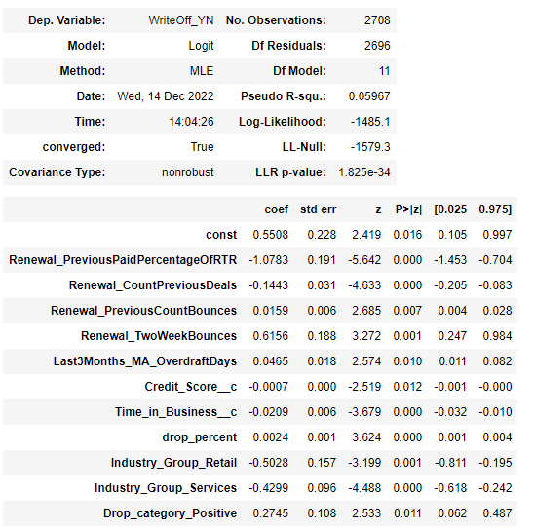
Best_Significant_Attribute_model

 | Train

 | Test

 | Validation

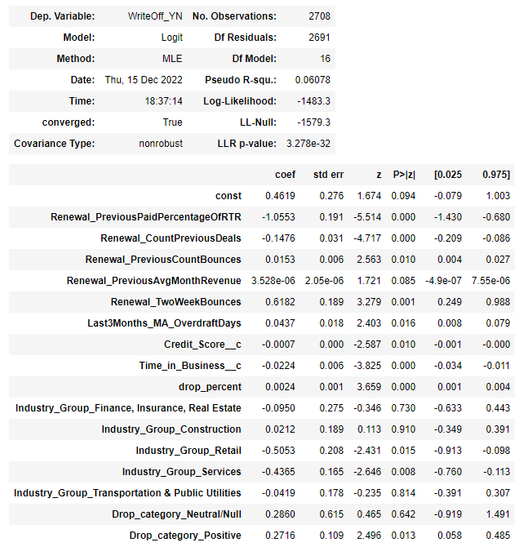
 | New_Model_Train

 | New_Model_Test

 | New_Model_Validation

