LN_Predictive_Attributes_Credit
Basic Terminology | Input Check Attributes |  | Best Output Attributes | Verification Attributes | Business Activity Attributes | Firmographic Attributes | Organizational Structure Attributes | Secretary of State Attributes | Bankruptcy Attributes | Lien and Judgment Attributes |  | Asset Information Attributes | Public Record Attributes | Inquiry Attributes | Business to Executive Link Attributes |  | Business to Person Link Attributes | Input Characteristic Attributes | Associate Attributes | B2B Trade Line - Activity | B2B Trade Line - Active | B2B Trade Line - Balance |  | B2B Trade Line - Highest Balance | B2B Trade Line - Worst Performance | B2B Trade Line - Days Past Due
Zero Values | InputCheckBusName | InputCheckAuthRep2MiddleName | OutBestBusName | VerificationBusInputName | BusinessAddrCount | FirmNonProfit | OrgLocationCount | SOSTimeAgentChange | BankruptcyCount | LienCount | JudgmentCount | AssetPropCountEver | UCCCount | InquiryCount03M | BusExecLinkRepNameOnFile | BusExecLinkBusNameRep2Last | BusAddrPersonNameOverlap | InputAddrConsumerCount | AssociateCount | B2BCnt2Y | B2BActvCnt | B2BActvBalTot | B2BActvBalAvg | B2BBalMax2Y | B2BActvWorstPerfIndx | B2BActv1pDpdCnt
Negative Values | InputCheckBusAltName | InputCheckAuthRep2LastName | OutBestBusStreetAddr | VerificationBusInputAddr | BusinessRecordTimeOldest | FirmIRSRetirementPlan | OrgRelatedCount | SOSForeignStateFlag | BankruptcyCount12M | LienTotalAmount | JudgmentTotalAmount | AssetPropCountCurrent | UCCTimeOldest | InquiryCount12M | BusExecLinkRepAddrOnFile | BusExecLinkBusNameRep2Full | BusTINPersonAddrOverlap | InputTINEntityCount | AssociateBusinessCount | B2BCarrCnt2Y | B2BActvCarrCnt | B2BActvCarrBalTot | B2BActvCarrBalAvg | B2BCarrBalMax2Y | B2BActvCarrWorstPerfIndx | B2BActv31pDpdCnt
SSN Randomization | InputCheckBusAddr | InputCheckAuthRep2Addr | OutBestBusCity | VerificationBusInputPhone | BusinessRecordTimeNewest | FirmAgeObserved | OrgLegalEntityCount | SOSIncorporationFilingsCount | BankruptcyCount24M | LienNewestType | JudgmentNewestType | AssetPropStateCountCurrent | UCCTimeNewest | InquiryCreditCount03M | BusExecLinkRepPhoneOnFile | BusExecLinkRep2AddrBusAddr | BusTINPersonPhoneOverlap | InputPhoneEntityCount | AssociateFelonyCount | B2BFltCnt2Y | B2BActvFltCnt | B2BActvFltBalTot | B2BActvFltBalAvg | B2BFltBalMax2Y | B2BActvFltWorstPerfIndx | B2BActv61pDpdCnt
LexID Number | InputCheckBusCity | InputCheckAuthRep2City | OutBestBusState | VerificationBusInputTIN | BusinessRecordUpdated12M | FirmEmployeeCount | OrgAddrLegalEntityCount | SOSIncorporationTimeOldest | BankruptcyCount84M | LienTimeOldest | JudgmentTimeOldest | AssetPropLotSizeTotalEver | UCCActiveCount | InquiryCreditCount12M | BusExecLinkRepSSNOnFile | BusExecLinkRep2PhoneBusPhone | BusTINPersonOverlap | InputBusAddrCurrentCount | AssociateCountWithFelony | B2BMatCnt2Y | B2BActvMatCnt | B2BActvMatBalTot | B2BActvOpsBalAvg | B2BMatBalMax2Y | B2BActvMatWorstPerfIndx | B2BActv91pDpdCnt
Business Associate Types | InputCheckBusState | InputCheckAuthRep2State | OutBestBusZip | VerificationBusInputIndustry | BusinessActivity03M | FirmEmployeeRangeCount | OrgSingleLocation | SOSStateCount | BankruptcyChapter | LienTimeNewest | JudgmentTimeNewest | AssetPropLotSizeTotalCurrent | UCCRoles | InquiryHighRiskCount03M | BusExecLinkBusNameRepFirst | BusExecLinkRep2SSNBusTIN |  | InputAddrTINCount | AssociateBankruptCount | B2BOpsCnt2Y | B2BActvOpsCnt | B2BActvOpsBalTot | B2BActvOthBalAvg | B2BOpsBalMax2Y | B2BActvOpsWorstPerfIndx | B2BActv1pDpdPct
 | InputCheckBusZip | InputCheckAuthRep2Zip | OutBestBusTIN |  | BusinessActivity06M | FirmOwnershipType |  | SOSStandingBest | BankruptcyTimeNewest | LienCount03M | JudgmentCount03M | AssetPropSqFootageTotalEver | UCCRolesActive | InquiryHighRiskCount12M | BusExecLinkBusNameRepLast | BusExecLinkUtilOverlapCount2 |  | InputBusNameOtherBusNameMatch | AssociateCountWithBankruptcy | B2BOthCnt2Y | B2BActvOthCnt | B2BActvOthBalTot | B2BActvBalTotGrow1Y | B2BOthBalMax2Y | B2BActvOthWorstPerfIndx | B2BActv31pDpdPct
General | InputCheckBusTIN | InputCheckAuthRep2SSN | OutBestBusPhone |  | BusinessActivity12M | FirmReportedSales |  | SOSStandingDefunct |  | LienCount12M | JudgmentCount12M | AssetPropSqFootageTotalCurrent | GovernmentDebarred | InquiryOtherCount03M | BusExecLinkBusNameRepFull | BusExecLinkInqOverlapCount2 |  | InputAddrSourceCount | AssociateBankrupt12MCount | B2BCarrPct2Y | B2BActvCarrPct | B2BActvCarrBalTotPct | B2BActvCarrBalTotGrow1Y | B2BBalMaxSegType2Y | B2BWorstPerfIndx2Y | B2BActv61pDpdPct
LNLexIDSELE | InputCheckBusPhone | InputCheckAuthRep2Phone | OutBestNAICS |  |  | FirmReportedSalesRange |  |  |  | LienCount24M | JudgmentCount24M | AssetPropAssessedTotalEver |  | InquiryOtherCount12M | BusExecLinkRepAddrBusAddr | BusExecLinkPropOverlapCount2 |  | InputAddrType | AssociateLienCount | B2BFltPct2Y | B2BActvFltPct | B2BActvFltBalPct | B2BActvFltBalTotGrow1Y | B2BBalMaxMsnc2Y | B2BCarrWorstPerfIndx2Y | B2BActv91pDpdPct
 | InputCheckBusFax | InputCheckAuthRep2Age | OutBestSIC |  |  | FirmReportedEarnings |  |  |  | LienCount36M | JudgmentCount36M | AssetPropAssessedTotalCurrent |  | InquiryConsumerAddress | BusExecLinkRepPhoneBusPhone | BusExecLinkBusAddrRep2Owned |  | InputAddrZipMismatch | AssociateCountWithLien | B2BMatPct2Y | B2BActvMatPct | B2BActvMatBalPct | B2BActvMatBalTotGrow1Y | B2BCarrBalMaxMsnc2Y | B2BFltWorstPerfIndx2Y | B2BActv1pDpdBalTot
 | InputCheckBusNAICS ?? | InputCheckAuthRep2DOB |  |  |  | FirmParentCompanyInd |  |  |  | LienFedTaxCount | JudgmentCivilCourtCount | AssetAircraftCount |  | InquiryConsumerPhone | BusExecLinkRepSSNBusTIN | BusExecLinkRep3NameOnFile |  | InputAddrVacancy | AssociateJudgmentCount | B2BOpsPct2Y | B2BActvOpsPct | B2BActvOpsBalPct | B2BActvOpsBalTotGrow1Y | B2BFltBalMaxMsnc2Y | B2BMatWorstPerfIndx2Y | B2BActv31pDpdBalTot
 | InputCheckBusSIC | InputCheckAuthRep2DL |  |  |  |  |  |  |  | LienFedTaxTotalAmount | JudgmentCivilCourtTotalAmount | AssetWatercraftCount |  | InquiryConsumerAddressSSN | BusExecLinkUtilOverlapCount | BusExecLinkRep3AddrOnFile |  | InputAddrTimeOldest | AssociateCountWithJudgment | B2BOthPct2Y | B2BActvOthPct | B2BActvOthBalPct | B2BActvOthBalTotGrow1Y | B2BMatBalMaxMsnc2Y | B2BOpsWorstPerfIndx2Y | B2BActv61pDpdBalTot
 | InputCheckBusAge | InputCheckAuthRep2DLState |  |  |  |  |  |  |  | LienForeclosureCount | JudgmentSmallClaimsCount |  |  |  | BusExecLinkInqOverlapCount | BusExecLinkRep3PhoneOnFile |  | InputAddrOwnership | AssociateWatchlistCount | B2BOldMsnc2Y | B2BActvCntGrow1Y | B2BActvBalTotRnge | B2BActvBalTotGrowIndx1Y | B2BOpsBalMaxMsnc2Y | B2BOthWorstPerfIndx2Y | B2BActv91pDpdBalTot
 | InputCheckAuthRepFirstName | InputCheckAuthRep3FirstName |  |  |  |  |  |  |  | LienForeclosureTotalAmount | JudgmentSmallClaimsTotalAmount |  |  |  | BusExecLinkPropOverlapCount | BusExecLinkRep3SSNOnFile |  | InputAddrAssessedTotal | AssociateCityCount | B2BNewMsnc2Y | B2BActvCarrCntGrow1Y | B2BActvCarrBalTotRnge | B2BActvCarrBalTotGrowIndx1Y | B2BOthBalMaxMsnc2Y | B2BWorstPerfMsnc2Y | B2BActv1pDpdBalTotPct
 | InputCheckAuthRepMiddleName | InputCheckAuthRep3MiddleName |  |  |  |  |  |  |  | LienTenantCount | JudgmentSuitsCount |  |  |  | BusExecLinkBusAddrRepOwned | BusExecLinkBusNameRep3First |  | InputAddrLotSize | AssociateCountyCount |  | B2BActvFltCntGrow1Y | B2BActvFltBalTotRnge | B2BActvFltBalTotGrowIndx1Y |  | B2BCarrWorstPerfMsnc2Y | B2BActv31pDpdBalTotPct
 | InputCheckAuthRepLastName | InputCheckAuthRep3LastName |  |  |  |  |  |  |  | LienTenantTotalAmount | JudgmentsSuitsTotalAmount |  |  |  | BusExecLinkRep2NameOnFile | BusExecLinkBusNameRep3Last |  | InputAddrBuildingSize | AssociateHighRiskAddrCount |  | B2BActvMatCntGrow1Y | B2BActvMatBalTotRnge | B2BActvFltBalTotGrowIndx1Y |  | B2BFltWorstPerfMsnc2Y | B2BActv61pDpdBalTotPct
 | InputCheckAuthRepAddr | InputCheckAuthRep3Addr |  |  |  |  |  |  |  | LienMechanicsCount | JudgmentsOtherCount |  |  |  | BusExecLinkRep2AddrOnFile | BusExecLinkBusNameRep3Full |  | InputPhoneType | AssociateHighCrimeAddrCount |  | B2BActvOpsCntGrow1Y | B2BActvMatBalAvg | B2BActvOpsBalTotGrowIndx1Y |  | B2BMatWorstPerfMsnc2Y | B2BActv91pDpdBalTotPct
 | InputCheckAuthRepCity | InputCheckAuthRep3City |  |  |  |  |  |  |  | LienMechanicsTotalAmount | JudgmentOtherTotalAmount |  |  |  | BusExecLinkRep2PhoneOnFile | BusExecLinkRep3AddrBusAddr |  | InputPhoneResidential | AssociateCurrCount |  | B2BActvOthCntGrow1Y | B2BActvOthBalTotRnge | B2BActvOthBalTotGrowIndx1Y |  | B2BOpsWorstPerfMsnc2Y | B2BActv1pDpdBalTotGrow1Y
 | InputCheckAuthRepState | InputCheckAuthRep3State |  |  |  |  |  |  |  | LienOtherCount | LienJudgmentDollarTotal |  |  |  | BusExecLinkRep2SSNOnFile | BusExecLinkRep3PhoneBusPhone |  | InputPhoneProblems | AssociateCurrCountWithFelony |  |  |  |  |  | B2BOthWorstPerfMsnc2Y | B2BActv31pDpdBalTotGrow1Y
 | InputCheckAuthRepZip | InputCheckAuthRep3Zip |  |  |  |  |  |  |  | LienOtherTotalAmount |  |  |  |  | BusExecLinkBusNameRep2First | BusExecLinkRep3SSNBusTIN |  | InputTINBIIMismatch | AssociateCurrCountWithBkrpt |  |  |  |  |  |  | B2BActv61pDpdBalTotGrow1Y
 | InputCheckAuthRepSSN | InputCheckAuthRep3SSN |  |  |  |  |  |  |  |  |  |  |  |  |  | BusExecLinkUtilOverlapCount3 |  | InputTINHitIndex | AssociateCurrCountWithLien |  |  |  |  |  |  | B2BActv91pDpdBalTotGrow1Y
 | InputCheckAuthRepPhone | InputCheckAuthRep3Phone |  |  |  |  |  |  |  |  |  |  |  |  |  | BusExecLinkInqOverlapCount3 |  |  | AssociateCurrCountWithJudgment
 | InputCheckAuthRepAge | InputCheckAuthRep3Age |  |  |  |  |  |  |  |  |  |  |  |  |  | BusExecLinkPropOverlapCount3 |  |  | AssociateCurrCountWithProp
 | InputCheckAuthRepDOB | InputCheckAuthRep3DOB |  |  |  |  |  |  |  |  |  |  |  |  |  | BusExecLinkBusAddrRep3Owned |  |  | AssociateCurrBusinessesTotal
 | InputCheckAuthRepDL | InputCheckAuthRep3DL |  |  |  |  |  |  |  |  |  |  |  |  |  |  |  |  | AssociateCurrSOSCount
 | InputCheckAuthRepDLState | InputCheckAuthRep3DLState
 | InputCheckAuthRep2FirstName | InputCheckAuthRepTitle

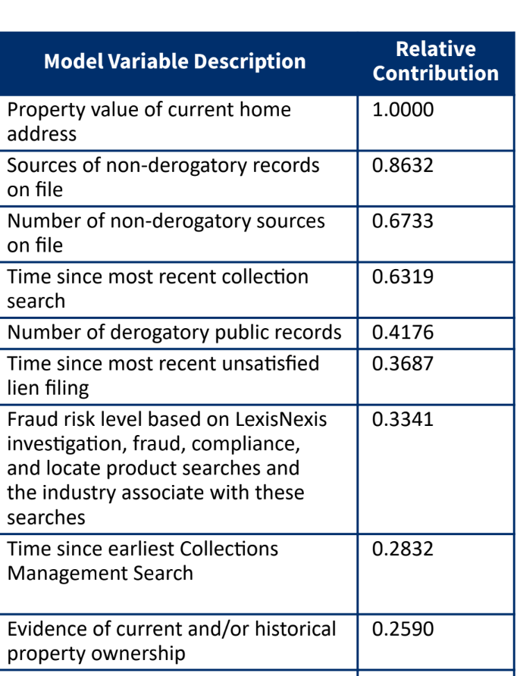
S. No | Attributes in credit_score | Attributes in small_attributes.pdf
1 | Business Non-derogs | BusinessActivity03M, BusinessActivity06M, BusinessActivity12M
2 | Business Address Value | InputAddrAssessedTotal
3 | Business Associate Derog Percent | 100*maximum of {AssociateCountWithBankruptcy/AssociateCount, AssociateCountWithFelony/AssociateCount, AssociateCountWithLien/AssociateCount, AssociateCountWithJudgement/AssociateCount}
4 | Time Since Most Recent Lien Filling | LienTimeNewest
5 | Secretary of State Standing | SOSStandingBest, SOSStandingDefunct
6 | Business Associate Derog Types | AssociateFelonyCount > 0, AssociateBankruptCount > 0, AssociateLienCount > 0, AssociateJudgementCount > 0, AssociateWatchlistCount > 0
7 | Length of Residence | InputAddrTimeOldest
8 | Business Source Derog Ratio | BankruptcyCount12M/BusinessActivity12M, LienCount12M/BusinessActivity12M, JudgementCount12M/BusinessActivity12M
9 | Business Time on File | FirmAgeObserved
10 | Time Since Most Recent Judgement | JudgementTimeNewest
11 | Time Since First Business Registration | BusinessRecordTimeOldest
12 | Time Since Most Recent Property Record
13 | Federal Tax Lien Fillings | LienFedTaxCount, LienFedTaxTotalAmount
14 | Business Associate Judgement Amount | JudgementCivilCourtTotalAmount
15 | Time Since First Judgement | JudgementTimeOldest
16 | Total Lien Amount | LienTotalAmount
17 | Business Associate Felonies | AssociateFelonyCount
18 | Recenet Business Source Activity | BusinessRecordTimeNewest
19 | Time SInce First UCC Filings | UCCTimeOldest

