Summary
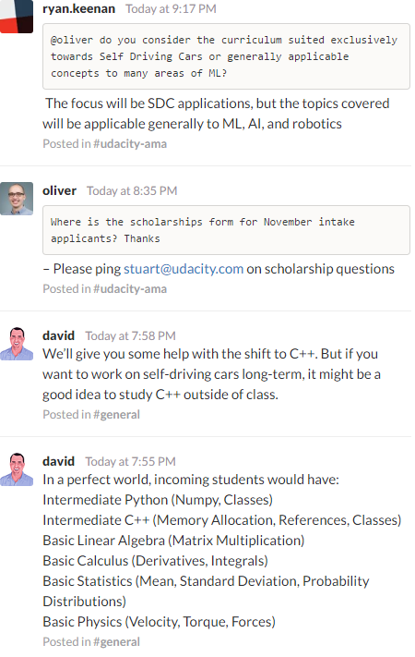
Added Machine Learning with Python Youtube Playlist for Machine Learning in Deep Learning section
Autonomous Car Racing Resources
SDC ND Curriculum | Article on Curriculum | ML ND prerequisites | Beginner Study Group Channel | Github format of this spreadsheet
Category | Name | Level | Important Topics | Source of this Info
Programming Language | Python 3 | Intermediate | Numpy - Tuples, and dictionaries Procedures, objects, modules | ML ND Prerequisites - Term 1
Programming Language | C++ | Intermediate | Memory Allocation - References - Classes | David SDC ND Instructor - Term 2 and 3
Math | Linear Algebra | Basic | Matrix Multiplication | David SDC ND Instructor
Math | Calculus | Basic | Derivatives - Integrals | David SDC ND Instructor
Math | Statistics | Intermediate | Mean - Standard Deviation - Probability Distributions | ML ND Prerequisites - David SDC ND Instructor
Physics | Physics | Basic | Velocity - Torque - Forces | David SDC ND Instructor
Deep Learning | Machine Learning | Basic | just intro course | David and Oliver SDC ND Instructor
Deep Learning | Neural Networks | Basic | just intro course | Oliver SDC ND Instructor
Frameworks | OpenCV | Basic | have a look | David SDC ND Instructor
Frameworks | TensorFlow | Basic | have a look | David SDC ND Instructor
Frameworks | ROS | Basic | have a look | David SDC ND Instructor
Frameworks | Keras | Basic | have a look | David SDC ND Instructor
Slack | SDC ND Slack | AI ND Slack

Deep Learning
The daily plan for studying to become a machine learning engineer
Awesome Machine Learning
Machine Learning Tutorials | Deep Learning papers reading roadmap
Questions about the Machine Learning Field | down in the link
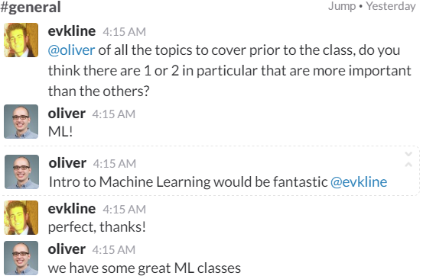
Course Name | Comments
Deep Learning
Deep Learning - Udacity
Machine Learning
Intro to Machine Learning - Udacity | Bonus: Python (novice level), SciKit Learn
Coursera Machine Learning
http://www.deeplearningbook.org/
https://developer.nvidia.com/deep-learning-courses
Deep Learning - Udacity
Friendly Introduction to Machine Learning - Udacity
Machine Learning with Python Youtube Playlist | Neural Networks included and the channel is nice
Neural Network
7 Minutes From Udacity
Neural Networks Demystified | Machine Learning ND Preliminary Resources
Nature Of Code Book | Chapter 10
Neural Networks and Deep Learning Book
Deep Learning Book MIT Press
Stanford - Convolutional Neural Networks for Visual Recognition | Stanford CS231 Syllabus
Artificial Intelligence
Intro to AI - Udacity
AI for Robotics - Udacity | Some linear algebra prereq
Computer Vision
Introduction to Computer Vision - Udacity
Robotics
Coursera - Robotics Specialization

More
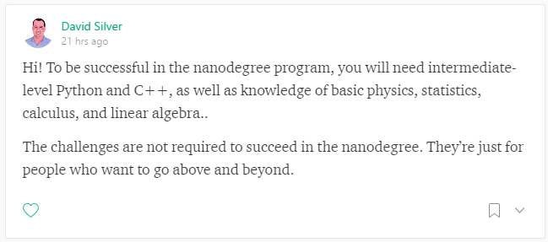

* Bay Area Deep Learning School [Day 1](https://www.youtube.com/watch?v=eyovmAtoUx0) on YouTube
* Stanford's [CS231n](http://cs231n.github.io/) Convolutional Neural Networks for Visual Recognition ([YouTube lectures](https://www.youtube.com/playlist?list=PL16j5WbGpaM0_Tj8CRmurZ8Kk1gEBc7fg))
* UC Berkeley CS188 Intro to Artificial Intelligence Lecture 9: [Reinforcement Learning](https://www.youtube.com/watch?v=aTcIQWMPmJY)
* Deep learning [datasets](http://deeplearning.net/datasets/) for public download
* Benchmarking [classifier performance](http://yann.lecun.com/exdb/mnist/) on MNIST
* On using [LibPointMatcher](http://libpointmatcher.readthedocs.io/en/latest/ApplicationsAndPub/) to [map dynamic environments](https://www.youtube.com/watch?v=cMgLyLpnsoU) with LIDAR
* [Reddit for Self-Driving Cars](https://www.reddit.com/r/selfdrivingcars)
* Reddit discussion on [advanced ML courses](https://www.reddit.com/r/MachineLearning/comments/51qhc8/phdlevel_courses/) online
* [DeepBench](https://github.com/baidu-research/DeepBench) by BaiduResearch benchmarks hardware performance
* Federal Automated Vehicles [Announcement and Policy](https://www.transportation.gov/AV)
* Browse on [arXiv](https://arxiv.org/) for research papers and [GitXiv](http://www.gitxiv.com/) for papers and code

#### **Tutorials and Code**
* Github [TensorFlow Tutorial](https://github.com/alrojo/tensorflow-tutorial)
* [Comma.ai Steering Angle Model](https://github.com/commaai/research/blob/master/SelfSteering.md)
* [Keras Tutorial](https://blog.keras.io/category/tutorials.html) using word embeddings
* Installing [Docker and TensorFlow](https://petewarden.com/2016/02/28/tensorflow-for-poets/)
* Another example of installing [Docker and TensorFlow](http://www.netinstructions.com/how-to-install-and-run-tensorflow-on-a-windows-pc/)
* Setting up [GPU on AWS](http://cs231n.github.io/aws-tutorial/)
* [Blog post](http://navoshta.com/aws-tensorflow/) on running TensorFlow with Jupyter Notebook on AWS
* [DL4J vs. Torch vs. Theano vs. Caffe vs. TensorFlow](http://deeplearning4j.org/compare-dl4j-torch7-pylearn.html#dl4j-vs-torch-vs-theano-vs-caffe-vs-tensorflow) (written by DL4J)
* Write an AI to [win at Pong](https://medium.com/@dhruvp/how-to-write-a-neural-network-to-play-pong-from-scratch-956b57d4f6e0#.oke1hwz6m) using reinforcement learning
* Implement [VGG in TensorFlow](http://www.cs.toronto.edu/~frossard/post/vgg16/)
* How to [build a robot](https://www.oreilly.com/learning/how-to-build-a-robot-that-sees-with-100-and-tensorflow) that "sees" with $100 and TensorFlow
Headline | Publish Year | Comments | Reviewed By | Source
Learning a Driving Simulator | 2016 |  |  | https://github.com/commaai/research/blob/master/paper/commalds.pdf
End to End Learning for Self-Driving Cars | 2016 |  |  | https://arxiv.org/pdf/1604.07316v1.pdf
Using Artificial Intelligence to create a low cost self-driving car |  |  | vivek1108 | http://budisteanu.net/Download/ISEF%202%20Autonomous%20car%20Doc%20particle.pdf
* [Classification, Detection and Counting of Cars with Deep Learning] |  |  |  | http://arxiv.org/pdf/1609.04453v1.pdf
3D Urban Scene Understanding] |  |  |  | http://www.cvlibs.net/projects/intersection/
Introduction to TensorFlow |  |  |  | http://download.tensorflow.org/paper/whitepaper2015.pdf
Video Prediction and Unsupervised Learning |  |  |  | https://arxiv.org/pdf/1605.08104v4.pdf
Very Deep Convolutional Networks |  |  |  | http://arxiv.org/pdf/1409.1556
Deep Learning Overview |  |  |  | https://www.cs.toronto.edu/~hinton/absps/NatureDeepReview.pdf
WaveNet |  |  |  | https://arxiv.org/pdf/1609.03499.pdf
Multilevel Residual Networks |  |  |  | https://arxiv.org/pdf/1608.02908v1.pdf
Inception-v4, Inception-ResNet |  |  |  | https://arxiv.org/pdf/1602.07261v2.pdf
Oxford Visual Geometry Group (VGG) |  |  |  | http://www.robots.ox.ac.uk/~vgg/practicals/cnn/
How to build an autonomous vehicle |  |  |  | https://www.youtube.com/watch?v=Ywh0votSJxk
How Convolutional Networks Work |  |  |  | http://brohrer.github.io/how_convolutional_neural_networks_work.html
Autoware provides [open-source code] |  |  |  | https://github.com/CPFL/Autoware

Comments
