eda1
1 | What are the key factors influencing customer retention or loyalty based on the dataset?

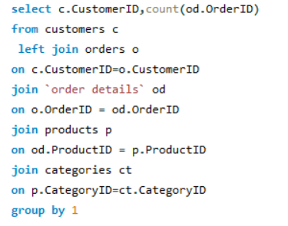
 | CustomerID | Count of Orders
 | LAZYK | 2
 | CENTC | 2
 | GROSR | 4
 | NORTS | 6
 | BOLID | 6
 | SPECD | 6
 | FRANR | 6
 | CONSH | 7
 | THEBI | 7
 | THECR | 8
 | GALED | 8
 | LAUGB | 8
 | DUMON | 9
 | HUNGC | 9
 | TRAIH | 9
 | PRINI | 10
 | COMMI | 10 | We have loyal Customers as have repeated customers but we have inadequate data to analyze the key factors effecting customer retention
 | VINET | 10
 | DRACD | 10 | These are Common factors that may influence customer retention or loyalty include which is not available in Data
 | ANATR | 10
 | LETSS | 10 | Product or service quality
 | FRANS | 10 | Customer service satisfaction
 | OCEAN | 11 | Price competitiveness
 | LACOR | 11 | Brand reputation
 | MORGK | 11 | Convenience and ease of use
 | CACTU | 11 | Personalization and customization
 | ALFKI | 12 | Customer engagement and communication
 | RANCH | 12 | Loyalty programs and incentives
 | TRADH | 13 | Overall customer experience
 | LONEP | 14
 | PERIC | 14
 | BLAUS | 14
 | TOMSP | 14
 | ROMEY | 14
 | SIMOB | 15
 | WOLZA | 16
 | FOLIG | 16
 | SANTG | 16
 | WILMK | 17
 | ANTON | 17
 | MAISD | 17
 | WELLI | 19
 | GOURL | 19
 | FAMIA | 19
 | FURIB | 20
 | SPLIR | 20
 | EASTC | 21
 | MAGAA | 21
 | CHOPS | 22
 | GREAL | 22
 | BSBEV | 22
 | REGGC | 22
 | ISLAT | 23
 | PICCO | 23
 | QUEDE | 24
 | OLDWO | 24
 | VICTE | 25
 | WANDK | 26
 | BLONP | 26
 | SEVES | 26
 | GODOS | 26
 | RICAR | 27
 | TORTU | 29
 | OTTIK | 29
 | RICSU | 30
 | AROUT | 30
 | LAMAI | 31
 | VAFFE | 31
 | MEREP | 32
 | HANAR | 32
 | LILAS | 34
 | LINOD | 35
 | BOTTM | 35
 | WARTH | 37
 | LEHMS | 39
 | SUPRD | 39
 | KOENE | 39
 | QUEEN | 40
 | WHITC | 40
 | BONAP | 44
 | HILAA | 45
 | FOLKO | 45
 | FRANK | 48
 | BERGS | 52
 | HUNGO | 55
 | RATTC | 71
 | QUICK | 86
 | ERNSH | 102
 | SAVEA | 116

eda2
2 | How do customer preferences vary based on their location or demographics? Can we explore this through interactive visualizations?

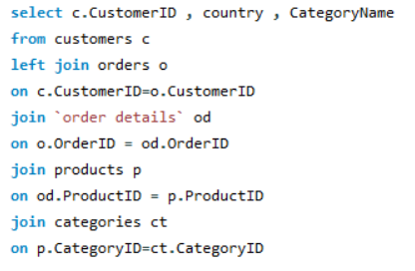
CustomerID | Country | Category Name
QUICK | Germany | Beverages
RATTC | USA | Beverages
LONEP | USA | Beverages
WANDK | Germany | Beverages
PERIC | Mexico | Beverages
CHOPS | Switzerland | Beverages
QUEEN | Brazil | Beverages
LAMAI | France | Beverages
PRINI | Portugal | Beverages
LEHMS | Germany | Beverages
WARTH | Finland | Beverages
TORTU | Mexico | Beverages
Countries vs Count of Customers
 | Total
Argentina | 4
Austria | 15
Belgium | 2
Brazil | 13
Canada | 6
Denmark | 1
Finland | 4
France | 9
Germany | 26
Ireland | 5
Italy | 4
Mexico | 10
Poland | 1
Sweden | 4
Switzerland | 2
UK | 11
USA | 25
Venezuela | 8
MEREP | Canada | Beverages | Row Labels | Count of CustomerID
DUMON | France | Beverages | Argentina | 4
WOLZA | Poland | Beverages | Austria | 15
BLONP | France | Beverages | Belgium | 2
HUNGO | Ireland | Beverages | Brazil | 13
BERGS | Sweden | Beverages | Canada | 6
QUICK | Germany | Beverages | Denmark | 1
SAVEA | USA | Beverages | Finland | 4
LINOD | Venezuela | Beverages | France | 9
NORTS | UK | Beverages | Germany | 26
LINOD | Venezuela | Beverages | Ireland | 5
SAVEA | USA | Beverages | Italy | 4
HILAA | Venezuela | Beverages | Mexico | 10
SEVES | UK | Beverages | Poland | 1
WELLI | Brazil | Beverages | Sweden | 4
GODOS | Spain | Beverages | Switzerland | 2
BOTTM | Canada | Beverages | UK | 11
WELLI | Brazil | Beverages | USA | 25
THECR | USA | Beverages | Venezuela | 8
WILMK | Finland | Beverages | Grand Total | 150
GREAL | USA | Beverages
WARTH | Finland | Beverages
SAVEA | USA | Beverages | The analysis of performance metrics across various countries reveals notable disparities, with Germany and the USA exhibiting the highest metrics
SUPRD | Belgium | Beverages | and Denmark and Poland demonstrating comparatively lower performance. The data suggests potential opportunities for targeted expansion
EASTC | UK | Beverages | strategies in high-performing regions, while emphasizing the need for focused initiatives to address challenges in underperforming markets.
LEHMS | Germany | Beverages | A comprehensive understanding of the underlying factors influencing these variations can facilitate the development of tailored approaches
RICSU | Switzerland | Beverages | to maximize market potential and drive sustainable growth in the respective regions.
ERNSH | Austria | Beverages
FOLKO | Sweden | Beverages
HUNGO | Ireland | Beverages
FOLKO | Sweden | Beverages
HUNGO | Ireland | Beverages
FRANK | Germany | Beverages
SAVEA | USA | Beverages
QUICK | Germany | Beverages
CONSH | UK | Beverages
SAVEA | USA | Beverages
WHITC | USA | Beverages
LINOD | Venezuela | Beverages
WHITC | USA | Beverages
WOLZA | Poland | Beverages
RICAR | Brazil | Beverages
WANDK | Germany | Beverages
HILAA | Venezuela | Beverages
FOLKO | Sweden | Beverages
SAVEA | USA | Beverages
SAVEA | USA | Beverages
AROUT | UK | Beverages
OTTIK | Germany | Beverages
LAMAI | France | Beverages
WOLZA | Poland | Beverages
VICTE | France | Beverages
RICAR | Brazil | Beverages
ISLAT | UK | Beverages
RICAR | Brazil | Beverages
RATTC | USA | Beverages
ANTON | Mexico | Beverages
BERGS | Sweden | Beverages
SUPRD | Belgium | Beverages
GODOS | Spain | Beverages
MAGAA | Italy | Beverages
QUICK | Germany | Beverages
QUICK | Germany | Beverages
SAVEA | USA | Beverages
CHOPS | Switzerland | Beverages
GOURL | Brazil | Beverages
LEHMS | Germany | Beverages
ERNSH | Austria | Beverages
RICSU | Switzerland | Beverages
RATTC | USA | Beverages
BSBEV | UK | Condiments
LINOD | Venezuela | Condiments
LINOD | Venezuela | Condiments
QUICK | Germany | Condiments
VAFFE | Denmark | Condiments
ALFKI | Germany | Condiments
BOTTM | Canada | Condiments
ERNSH | Austria | Condiments
KOENE | Germany | Condiments
BERGS | Sweden | Condiments
ERNSH | Austria | Condiments
RATTC | USA | Condiments
HUNGO | Ireland | Condiments
BOLID | Spain | Condiments
PRINI | Portugal | Condiments
MEREP | Canada | Condiments
WHITC | USA | Condiments
FURIB | Portugal | Condiments
BONAP | France | Condiments
QUICK | Germany | Condiments
FOLKO | Sweden | Condiments
TRADH | Brazil | Condiments
MAGAA | Italy | Condiments
WARTH | Finland | Condiments
BERGS | Sweden | Condiments
QUEEN | Brazil | Condiments
EASTC | UK | Condiments
SUPRD | Belgium | Condiments
QUEEN | Brazil | Condiments
MAGAA | Italy | Condiments
RATTC | USA | Condiments
RATTC | USA | Condiments
ERNSH | Austria | Condiments
RATTC | USA | Condiments
COMMI | Brazil | Condiments
ERNSH | Austria | Condiments
MAGAA | Italy | Condiments
THEBI | USA | Condiments
CONSH | UK | Condiments
OCEAN | Argentina | Condiments
SAVEA | USA | Condiments
EASTC | UK | Condiments
HUNGO | Ireland | Condiments
KOENE | Germany | Condiments
MEREP | Canada | Condiments
GOURL | Brazil | Condiments
TRADH | Brazil | Condiments
BONAP | France | Condiments
LEHMS | Germany | Condiments
BOTTM | Canada | Condiments
ALFKI | Germany | Condiments
QUEDE | Brazil | Condiments
BONAP | France | Condiments
RATTC | USA | Condiments
RATTC | USA | Produce
SPLIR | USA | Produce
VICTE | France | Produce
BSBEV | UK | Produce
BONAP | France | Produce
VICTE | France | Produce
VAFFE | Denmark | Produce
SAVEA | USA | Produce
FOLIG | France | Produce
QUICK | Germany | Produce
OTTIK | Germany | Produce
GOURL | Brazil | Produce
OTTIK | Germany | Produce
LACOR | France | Produce
REGGC | Italy | Produce
SANTG | Norway | Produce
BONAP | France | Produce
OCEAN | Argentina | Produce
QUICK | Germany | Produce
ERNSH | Austria | Produce
BOTTM | Canada | Produce
EASTC | UK | Produce
RATTC | USA | Produce
FOLKO | Sweden | Produce
REGGC | Italy | Produce
BSBEV | UK | Produce
EASTC | UK | Produce
LILAS | Venezuela | Produce
RATTC | USA | Produce
WHITC | USA | Condiments
QUICK | Germany | Condiments
BONAP | France | Condiments
LEHMS | Germany | Condiments
WILMK | Finland | Condiments
GOURL | Brazil | Condiments
QUEEN | Brazil | Condiments
ISLAT | UK | Condiments
KOENE | Germany | Condiments
BOTTM | Canada | Condiments
MAISD | Belgium | Condiments
PRINI | Portugal | Condiments
RATTC | USA | Condiments
WELLI | Brazil | Meat/Poultry
QUICK | Germany | Meat/Poultry
HUNGO | Ireland | Meat/Poultry
WHITC | USA | Meat/Poultry
CONSH | UK | Meat/Poultry
QUICK | Germany | Seafood
TORTU | Mexico | Seafood
LILAS | Venezuela | Seafood
BOTTM | Canada | Seafood
BLONP | France | Seafood
VICTE | France | Seafood
VICTE | France | Seafood
CHOPS | Switzerland | Seafood
BERGS | Sweden | Seafood
GALED | Spain | Seafood
DUMON | France | Seafood
SAVEA | USA | Seafood
HUNGO | Ireland | Seafood
FURIB | Portugal | Seafood
TORTU | Mexico | Seafood
GOURL | Brazil | Seafood
VAFFE | Denmark | Seafood
SAVEA | USA | Seafood
BONAP | France | Seafood
MEREP | Canada | Seafood
THECR | USA | Seafood
GROSR | Venezuela | Seafood
SEVES | UK | Seafood
BONAP | France | Seafood
SUPRD | Belgium | Seafood
ERNSH | Austria | Seafood
GODOS | Spain | Seafood
HANAR | Brazil | Seafood
BERGS | Sweden | Seafood
VAFFE | Denmark | Seafood
BOTTM | Canada | Seafood
OTTIK | Germany | Seafood
RATTC | USA | Seafood
VINET | France | Dairy Products
LILAS | Venezuela | Dairy Products
FOLKO | Sweden | Dairy Products
PICCO | Austria | Dairy Products
ANTON | Mexico | Dairy Products
OTTIK | Germany | Dairy Products
FOLKO | Sweden | Dairy Products
ERNSH | Austria | Dairy Products
REGGC | Italy | Dairy Products
COMMI | Brazil | Dairy Products
HILAA | Venezuela | Dairy Products
PICCO | Austria | Dairy Products
GREAL | USA | Dairy Products
ANTON | Mexico | Dairy Products
KOENE | Germany | Dairy Products
LAZYK | USA | Dairy Products
WARTH | Finland | Dairy Products
BLONP | France | Dairy Products
MEREP | Canada | Dairy Products
BLAUS | Germany | Dairy Products
QUEEN | Brazil | Dairy Products
ERNSH | Austria | Dairy Products
EASTC | UK | Dairy Products
HANAR | Brazil | Dairy Products
DRACD | Germany | Dairy Products
SEVES | UK | Dairy Products
LILAS | Venezuela | Dairy Products
TORTU | Mexico | Dairy Products
LEHMS | Germany | Dairy Products
SEVES | UK | Dairy Products
RATTC | USA | Dairy Products
HUNGO | Ireland | Dairy Products
ANATR | Mexico | Dairy Products
BOTTM | Canada | Dairy Products
OCEAN | Argentina | Dairy Products
QUEDE | Brazil | Dairy Products
SPECD | France | Dairy Products
PERIC | Mexico | Dairy Products
WARTH | Finland | Dairy Products
MEREP | Canada | Dairy Products
LEHMS | Germany | Dairy Products
LILAS | Venezuela | Dairy Products
ERNSH | Austria | Dairy Products
SAVEA | USA | Dairy Products
WILMK | Finland | Dairy Products
KOENE | Germany | Dairy Products
ERNSH | Austria | Dairy Products
ERNSH | Austria | Dairy Products
LONEP | USA | Dairy Products
WANDK | Germany | Dairy Products
GOURL | Brazil | Dairy Products
RATTC | USA | Dairy Products
TORTU | Mexico | Seafood
QUEDE | Brazil | Seafood
KOENE | Germany | Seafood
AROUT | UK | Seafood
DRACD | Germany | Seafood
HUNGC | USA | Seafood
WELLI | Brazil | Seafood
CONSH | UK | Seafood
OTTIK | Germany | Seafood
WARTH | Finland | Seafood
BSBEV | UK | Seafood
HILAA | Venezuela | Seafood
HILAA | Venezuela | Seafood
ERNSH | Austria | Seafood
VINET | France | Seafood
CHOPS | Switzerland | Seafood
KOENE | Germany | Seafood
LAUGB | Canada | Seafood
ISLAT | UK | Seafood
LAMAI | France | Seafood
BERGS | Sweden | Seafood
ERNSH | Austria | Seafood
SAVEA | USA | Seafood
OCEAN | Argentina | Seafood
HANAR | Brazil | Seafood
ANATR | Mexico | Seafood
RICSU | Switzerland | Seafood
QUICK | Germany | Seafood
BONAP | France | Seafood
BSBEV | UK | Seafood
MORGK | Germany | Seafood
QUICK | Germany | Seafood
SAVEA | USA | Seafood
SAVEA | USA | Seafood
WARTH | Finland | Seafood
SAVEA | USA | Seafood
DRACD | Germany | Seafood
RICAR | Brazil | Seafood
LILAS | Venezuela | Seafood
RATTC | USA | Seafood
TOMSP | Germany | Produce
KOENE | Germany | Produce
WARTH | Finland | Produce
HUNGC | USA | Produce
SAVEA | USA | Produce
OCEAN | Argentina | Produce
WARTH | Finland | Produce
PICCO | Austria | Produce
PERIC | Mexico | Produce
HUNGO | Ireland | Produce
SAVEA | USA | Produce
ERNSH | Austria | Produce
OTTIK | Germany | Produce
FRANK | Germany | Produce
ANATR | Mexico | Produce
GREAL | USA | Produce
FRANK | Germany | Produce
BERGS | Sweden | Produce
WARTH | Finland | Produce
QUEDE | Brazil | Produce
BONAP | France | Produce
RATTC | USA | Produce
LILAS | Venezuela | Condiments
KOENE | Germany | Condiments
LAMAI | France | Condiments
LETSS | USA | Condiments
LEHMS | Germany | Condiments
SAVEA | USA | Condiments
RICSU | Switzerland | Confections
ERNSH | Austria | Confections
RICAR | Brazil | Confections
LILAS | Venezuela | Confections
THEBI | USA | Confections
SAVEA | USA | Confections
SEVES | UK | Confections
ERNSH | Austria | Confections
MEREP | Canada | Confections
SAVEA | USA | Confections
LAMAI | France | Confections
WHITC | USA | Confections
PICCO | Austria | Confections
QUICK | Germany | Confections
FURIB | Portugal | Confections
WARTH | Finland | Confections
OTTIK | Germany | Confections
BERGS | Sweden | Confections
MEREP | Canada | Confections
FRANK | Germany | Confections
FRANR | France | Confections
WILMK | Finland | Confections
OLDWO | USA | Confections
OLDWO | USA | Confections
KOENE | Germany | Confections
BONAP | France | Confections
SPECD | France | Confections
MORGK | Germany | Confections
ERNSH | Austria | Confections
OLDWO | USA | Confections
BONAP | France | Confections
RICAR | Brazil | Confections
SANTG | Norway | Confections
RANCH | Argentina | Confections
LINOD | Venezuela | Confections
BONAP | France | Confections
LINOD | Venezuela | Confections
SAVEA | USA | Confections
HUNGO | Ireland | Confections
WHITC | USA | Confections
LEHMS | Germany | Confections
SIMOB | Denmark | Confections
RATTC | USA | Confections
BLONP | France | Meat/Poultry
LEHMS | Germany | Meat/Poultry
RATTC | USA | Meat/Poultry
SUPRD | Belgium | Meat/Poultry
TORTU | Mexico | Meat/Poultry
OLDWO | USA | Meat/Poultry
MEREP | Canada | Meat/Poultry
RATTC | USA | Meat/Poultry
HUNGC | USA | Meat/Poultry
ERNSH | Austria | Meat/Poultry
BOTTM | Canada | Meat/Poultry
BERGS | Sweden | Meat/Poultry
SEVES | UK | Meat/Poultry
PICCO | Austria | Meat/Poultry
GODOS | Spain | Meat/Poultry
RATTC | USA | Meat/Poultry
ANTON | Mexico | Meat/Poultry
SAVEA | USA | Meat/Poultry
PICCO | Austria | Meat/Poultry
WHITC | USA | Meat/Poultry
ERNSH | Austria | Meat/Poultry
SAVEA | USA | Meat/Poultry
REGGC | Italy | Meat/Poultry
ERNSH | Austria | Meat/Poultry
ERNSH | Austria | Meat/Poultry
BOLID | Spain | Meat/Poultry
RATTC | USA | Meat/Poultry
WHITC | USA | Meat/Poultry
BONAP | France | Meat/Poultry
DUMON | France | Meat/Poultry
GODOS | Spain | Meat/Poultry
TORTU | Mexico | Meat/Poultry
HANAR | Brazil | Meat/Poultry
BOTTM | Canada | Meat/Poultry
LACOR | France | Meat/Poultry
RICAR | Brazil | Meat/Poultry
SAVEA | USA | Meat/Poultry
TORTU | Mexico | Seafood
OLDWO | USA | Seafood
MEREP | Canada | Seafood
BONAP | France | Seafood
ERNSH | Austria | Seafood
BONAP | France | Seafood
HUNGO | Ireland | Seafood
BLONP | France | Seafood
QUICK | Germany | Seafood
FOLIG | France | Seafood
SANTG | Norway | Seafood
WELLI | Brazil | Seafood
HANAR | Brazil | Seafood
LETSS | USA | Seafood
QUICK | Germany | Seafood
SPLIR | USA | Seafood
FOLIG | France | Seafood
LINOD | Venezuela | Seafood
BLAUS | Germany | Seafood
WHITC | USA | Seafood
RICAR | Brazil | Seafood
WELLI | Brazil | Seafood
SPECD | France | Seafood
HUNGO | Ireland | Seafood
LONEP | USA | Seafood
FRANS | Italy | Seafood
PICCO | Austria | Seafood
ROMEY | Spain | Confections
LILAS | Venezuela | Confections
RICAR | Brazil | Confections
SPLIR | USA | Confections
QUICK | Germany | Confections
FAMIA | Brazil | Confections
WARTH | Finland | Confections
QUEDE | Brazil | Confections
TOMSP | Germany | Confections
TOMSP | Germany | Confections
RICAR | Brazil | Confections
SUPRD | Belgium | Confections
QUEEN | Brazil | Confections
GODOS | Spain | Confections
SAVEA | USA | Confections
ISLAT | UK | Confections
FRANK | Germany | Confections
QUEDE | Brazil | Confections
WANDK | Germany | Confections
TORTU | Mexico | Confections
GREAL | USA | Confections
LINOD | Venezuela | Confections
FRANS | Italy | Confections
SAVEA | USA | Confections
QUICK | Germany | Confections
WELLI | Brazil | Confections
LINOD | Venezuela | Confections
SANTG | Norway | Confections
SAVEA | USA | Confections
BERGS | Sweden | Confections
WILMK | Finland | Confections
ANATR | Mexico | Confections
TOMSP | Germany | Confections
FRANK | Germany | Confections
HANAR | Brazil | Confections
WHITC | USA | Confections
BONAP | France | Confections
SUPRD | Belgium | Confections
RATTC | USA | Confections
TRADH | Brazil | Confections
QUEEN | Brazil | Confections
BERGS | Sweden | Confections
ERNSH | Austria | Confections
SEVES | UK | Confections
LEHMS | Germany | Confections
HUNGC | USA | Confections
RANCH | Argentina | Confections
QUICK | Germany | Confections
LACOR | France | Confections
AROUT | UK | Confections
OCEAN | Argentina | Confections
QUICK | Germany | Confections
RATTC | USA | Confections
CENTC | Mexico | Confections
QUEDE | Brazil | Confections
WARTH | Finland | Confections
ERNSH | Austria | Confections
PRINI | Portugal | Confections
QUEEN | Brazil | Confections
OCEAN | Argentina | Confections
ERNSH | Austria | Confections
KOENE | Germany | Confections
LILAS | Venezuela | Confections
PRINI | Portugal | Confections
BSBEV | UK | Confections
WHITC | USA | Confections
WANDK | Germany | Confections
BSBEV | UK | Confections
GODOS | Spain | Confections
DUMON | France | Confections
BLAUS | Germany | Confections
MEREP | Canada | Confections
FRANK | Germany | Confections
SIMOB | Denmark | Confections
QUICK | Germany | Confections
GREAL | USA | Confections
RANCH | Argentina | Confections
FRANK | Germany | Confections
LINOD | Venezuela | Confections
CHOPS | Switzerland | Confections
FOLIG | France | Confections
WHITC | USA | Confections
WILMK | Finland | Confections
LETSS | USA | Confections
FRANK | Germany | Confections
SUPRD | Belgium | Confections
BLAUS | Germany | Confections
MAISD | Belgium | Confections
ERNSH | Austria | Confections
OLDWO | USA | Confections
GREAL | USA | Confections
BLAUS | Germany | Confections
VICTE | France | Grains/Cereals
CONSH | UK | Grains/Cereals
WARTH | Finland | Grains/Cereals
SAVEA | USA | Grains/Cereals
MEREP | Canada | Grains/Cereals
MAGAA | Italy | Grains/Cereals
RICAR | Brazil | Grains/Cereals
WANDK | Germany | Grains/Cereals
FOLIG | France | Grains/Cereals
AROUT | UK | Grains/Cereals
ERNSH | Austria | Grains/Cereals
PICCO | Austria | Grains/Cereals
BSBEV | UK | Grains/Cereals
FOLKO | Sweden | Grains/Cereals
FRANK | Germany | Grains/Cereals
WANDK | Germany | Grains/Cereals
FRANK | Germany | Grains/Cereals
ERNSH | Austria | Grains/Cereals
CONSH | UK | Grains/Cereals
BONAP | France | Grains/Cereals
LAUGB | Canada | Grains/Cereals
LILAS | Venezuela | Grains/Cereals
OTTIK | Germany | Grains/Cereals
ISLAT | UK | Grains/Cereals
FRANK | Germany | Grains/Cereals
ISLAT | UK | Grains/Cereals
SAVEA | USA | Grains/Cereals
LINOD | Venezuela | Grains/Cereals
QUICK | Germany | Grains/Cereals
SEVES | UK | Grains/Cereals
FOLKO | Sweden | Grains/Cereals
WELLI | Brazil | Grains/Cereals
ROMEY | Spain | Grains/Cereals
RATTC | USA | Grains/Cereals
CHOPS | Switzerland | Beverages
ERNSH | Austria | Beverages
MAGAA | Italy | Beverages
BERGS | Sweden | Beverages
ROMEY | Spain | Beverages
TORTU | Mexico | Beverages
FURIB | Portugal | Beverages
AROUT | UK | Beverages
LAMAI | France | Beverages
FAMIA | Brazil | Beverages
SANTG | Norway | Beverages
TOMSP | Germany | Beverages
VAFFE | Denmark | Beverages
MAGAA | Italy | Beverages
SEVES | UK | Beverages
HILAA | Venezuela | Beverages
FAMIA | Brazil | Beverages
TORTU | Mexico | Beverages
SANTG | Norway | Beverages
HANAR | Brazil | Beverages
SAVEA | USA | Beverages
MEREP | Canada | Beverages
PICCO | Austria | Beverages
LAUGB | Canada | Beverages
FRANK | Germany | Beverages
RICAR | Brazil | Beverages
WILMK | Finland | Beverages
QUEEN | Brazil | Beverages
FOLIG | France | Beverages
KOENE | Germany | Beverages
FRANK | Germany | Beverages
BERGS | Sweden | Beverages
LONEP | USA | Beverages
SUPRD | Belgium | Beverages
KOENE | Germany | Beverages
ERNSH | Austria | Beverages
HANAR | Brazil | Beverages
VAFFE | Denmark | Beverages
HILAA | Venezuela | Beverages
ERNSH | Austria | Beverages
ERNSH | Austria | Beverages
SAVEA | USA | Beverages
WOLZA | Poland | Beverages
RATTC | USA | Beverages
GODOS | Spain | Beverages
REGGC | Italy | Beverages
BOTTM | Canada | Beverages
SAVEA | USA | Beverages
LAMAI | France | Beverages
HILAA | Venezuela | Beverages
PERIC | Mexico | Beverages
KOENE | Germany | Confections
FAMIA | Brazil | Confections
BONAP | France | Confections
SAVEA | USA | Confections
MAGAA | Italy | Confections
BOTTM | Canada | Confections
KOENE | Germany | Confections
MAISD | Belgium | Confections
RATTC | USA | Confections
WELLI | Brazil | Confections
LAUGB | Canada | Confections
LAMAI | France | Confections
LINOD | Venezuela | Confections
VICTE | France | Confections
RICAR | Brazil | Confections
GALED | Spain | Confections
LINOD | Venezuela | Confections
HILAA | Venezuela | Confections
LILAS | Venezuela | Confections
FRANK | Germany | Confections
LILAS | Venezuela | Confections
SAVEA | USA | Confections
MAGAA | Italy | Confections
QUEDE | Brazil | Confections
FRANS | Italy | Confections
SPLIR | USA | Confections
BERGS | Sweden | Confections
RANCH | Argentina | Confections
SUPRD | Belgium | Confections
QUEEN | Brazil | Confections
QUICK | Germany | Confections
QUEDE | Brazil | Confections
LEHMS | Germany | Confections
ERNSH | Austria | Confections
ANTON | Mexico | Confections
PICCO | Austria | Confections
SAVEA | USA | Confections
WHITC | USA | Confections
RICSU | Switzerland | Confections
RICSU | Switzerland | Confections
HILAA | Venezuela | Confections
KOENE | Germany | Confections
DRACD | Germany | Confections
KOENE | Germany | Confections
BERGS | Sweden | Confections
QUEEN | Brazil | Confections
LACOR | France | Confections
MAISD | Belgium | Confections
QUICK | Germany | Confections
EASTC | UK | Confections
HILAA | Venezuela | Confections
LEHMS | Germany | Confections
OLDWO | USA | Confections
QUICK | Germany | Confections
RATTC | USA | Confections
MAISD | Belgium | Confections
LACOR | France | Confections
SUPRD | Belgium | Confections
ERNSH | Austria | Confections
MORGK | Germany | Produce
SUPRD | Belgium | Produce
WANDK | Germany | Produce
TORTU | Mexico | Produce
BLONP | France | Produce
ERNSH | Austria | Produce
SEVES | UK | Produce
SANTG | Norway | Produce
QUEEN | Brazil | Produce
REGGC | Italy | Produce
SAVEA | USA | Produce
SUPRD | Belgium | Produce
PERIC | Mexico | Produce
LILAS | Venezuela | Produce
LAMAI | France | Produce
BLAUS | Germany | Produce
ERNSH | Austria | Produce
LONEP | USA | Produce
THECR | USA | Produce
ALFKI | Germany | Produce
MAISD | Belgium | Produce
VAFFE | Denmark | Produce
BERGS | Sweden | Produce
WHITC | USA | Produce
SEVES | UK | Produce
WILMK | Finland | Produce
BERGS | Sweden | Produce
CACTU | Argentina | Produce
ALFKI | Germany | Produce
HILAA | Venezuela | Produce
ERNSH | Austria | Produce
LINOD | Venezuela | Produce
QUEEN | Brazil | Produce
GROSR | Venezuela | Meat/Poultry
COMMI | Brazil | Meat/Poultry
OLDWO | USA | Meat/Poultry
PERIC | Mexico | Meat/Poultry
BLONP | France | Meat/Poultry
SPLIR | USA | Meat/Poultry
ERNSH | Austria | Meat/Poultry
EASTC | UK | Meat/Poultry
SAVEA | USA | Meat/Poultry
VAFFE | Denmark | Meat/Poultry
SAVEA | USA | Meat/Poultry
WARTH | Finland | Meat/Poultry
THECR | USA | Meat/Poultry
GODOS | Spain | Meat/Poultry
RICSU | Switzerland | Meat/Poultry
HUNGO | Ireland | Meat/Poultry
QUICK | Germany | Meat/Poultry
ERNSH | Austria | Meat/Poultry
LEHMS | Germany | Meat/Poultry
LAMAI | France | Meat/Poultry
FRANK | Germany | Meat/Poultry
BOLID | Spain | Meat/Poultry
TRADH | Brazil | Meat/Poultry
BERGS | Sweden | Meat/Poultry
KOENE | Germany | Meat/Poultry
HUNGO | Ireland | Meat/Poultry
HUNGO | Ireland | Meat/Poultry
FRANR | France | Meat/Poultry
FOLKO | Sweden | Meat/Poultry
GREAL | USA | Meat/Poultry
PRINI | Portugal | Meat/Poultry
SAVEA | USA | Meat/Poultry
ERNSH | Austria | Seafood
ROMEY | Spain | Seafood
ROMEY | Spain | Seafood
FOLKO | Sweden | Seafood
SPLIR | USA | Seafood
OLDWO | USA | Seafood
HUNGO | Ireland | Seafood
RATTC | USA | Seafood
LILAS | Venezuela | Seafood
KOENE | Germany | Seafood
LEHMS | Germany | Seafood
BERGS | Sweden | Seafood
EASTC | UK | Seafood
LEHMS | Germany | Seafood
FRANK | Germany | Seafood
FAMIA | Brazil | Seafood
GOURL | Brazil | Seafood
LETSS | USA | Seafood
QUEEN | Brazil | Seafood
GOURL | Brazil | Seafood
RICSU | Switzerland | Seafood
QUEEN | Brazil | Seafood
SIMOB | Denmark | Seafood
TRADH | Brazil | Seafood
BERGS | Sweden | Seafood
LEHMS | Germany | Seafood
KOENE | Germany | Seafood
HUNGO | Ireland | Seafood
ROMEY | Spain | Seafood
HILAA | Venezuela | Seafood
SANTG | Norway | Seafood
LILAS | Venezuela | Seafood
HANAR | Brazil | Dairy Products
RATTC | USA | Dairy Products
QUICK | Germany | Dairy Products
KOENE | Germany | Dairy Products
HUNGO | Ireland | Dairy Products
FRANK | Germany | Dairy Products
WANDK | Germany | Dairy Products
SEVES | UK | Dairy Products
DRACD | Germany | Dairy Products
WOLZA | Poland | Dairy Products
MEREP | Canada | Dairy Products
ERNSH | Austria | Dairy Products
SAVEA | USA | Dairy Products
GOURL | Brazil | Dairy Products
TOMSP | Germany | Dairy Products
SUPRD | Belgium | Dairy Products
TRADH | Brazil | Dairy Products
LEHMS | Germany | Dairy Products
RICSU | Switzerland | Dairy Products
QUICK | Germany | Dairy Products
WARTH | Finland | Dairy Products
RATTC | USA | Dairy Products
HUNGO | Ireland | Dairy Products
RATTC | USA | Dairy Products
TORTU | Mexico | Dairy Products
BLONP | France | Dairy Products
QUEEN | Brazil | Dairy Products
WANDK | Germany | Dairy Products
OLDWO | USA | Dairy Products
HILAA | Venezuela | Dairy Products
SAVEA | USA | Dairy Products
BONAP | France | Dairy Products
PICCO | Austria | Dairy Products
AROUT | UK | Dairy Products
ERNSH | Austria | Dairy Products
FOLKO | Sweden | Dairy Products
ERNSH | Austria | Dairy Products
CACTU | Argentina | Dairy Products
HANAR | Brazil | Dairy Products
REGGC | Italy | Dairy Products
BLONP | France | Dairy Products
OTTIK | Germany | Dairy Products
OLDWO | USA | Dairy Products
HANAR | Brazil | Dairy Products
SAVEA | USA | Dairy Products
MORGK | Germany | Dairy Products
AROUT | UK | Dairy Products
LINOD | Venezuela | Dairy Products
ERNSH | Austria | Dairy Products
AROUT | UK | Dairy Products
LEHMS | Germany | Dairy Products
ERNSH | Austria | Dairy Products
RATTC | USA | Dairy Products
HUNGO | Ireland | Dairy Products
WANDK | Germany | Dairy Products
SEVES | UK | Dairy Products
BERGS | Sweden | Dairy Products
HILAA | Venezuela | Dairy Products
ANATR | Mexico | Dairy Products
MAGAA | Italy | Dairy Products
RANCH | Argentina | Dairy Products
HUNGO | Ireland | Dairy Products
LILAS | Venezuela | Dairy Products
WANDK | Germany | Dairy Products
PICCO | Austria | Dairy Products
RATTC | USA | Dairy Products
SUPRD | Belgium | Dairy Products
WHITC | USA | Dairy Products
SPLIR | USA | Dairy Products
QUICK | Germany | Dairy Products
SIMOB | Denmark | Dairy Products
ERNSH | Austria | Dairy Products
BOTTM | Canada | Dairy Products
FAMIA | Brazil | Dairy Products
HUNGC | USA | Dairy Products
LAMAI | France | Dairy Products
ISLAT | UK | Dairy Products
QUICK | Germany | Dairy Products
GREAL | USA | Dairy Products
LEHMS | Germany | Dairy Products
BSBEV | UK | Dairy Products
REGGC | Italy | Dairy Products
TRAIH | USA | Dairy Products
SAVEA | USA | Dairy Products
WANDK | Germany | Dairy Products
ANTON | Mexico | Dairy Products
SAVEA | USA | Dairy Products
ANTON | Mexico | Dairy Products
SAVEA | USA | Dairy Products
VICTE | France | Dairy Products
WHITC | USA | Dairy Products
QUEEN | Brazil | Dairy Products
TORTU | Mexico | Dairy Products
RICSU | Switzerland | Dairy Products
LACOR | France | Dairy Products
EASTC | UK | Dairy Products
BOTTM | Canada | Dairy Products
CACTU | Argentina | Dairy Products
RICAR | Brazil | Beverages
ISLAT | UK | Beverages
LAMAI | France | Beverages
VAFFE | Denmark | Beverages
FAMIA | Brazil | Beverages
TOMSP | Germany | Beverages
WHITC | USA | Beverages
TOMSP | Germany | Beverages
ANTON | Mexico | Beverages
VAFFE | Denmark | Beverages
SAVEA | USA | Beverages
SAVEA | USA | Beverages
THEBI | USA | Beverages
DUMON | France | Beverages
CACTU | Argentina | Beverages
ERNSH | Austria | Beverages
ERNSH | Austria | Beverages
HUNGO | Ireland | Beverages
WHITC | USA | Beverages
QUEDE | Brazil | Beverages
ROMEY | Spain | Beverages
QUICK | Germany | Beverages
ISLAT | UK | Beverages
SAVEA | USA | Beverages
ERNSH | Austria | Beverages
SAVEA | USA | Beverages
EASTC | UK | Beverages
MEREP | Canada | Beverages
BERGS | Sweden | Beverages
CACTU | Argentina | Beverages
VICTE | France | Beverages
FURIB | Portugal | Beverages
WARTH | Finland | Beverages
BSBEV | UK | Beverages
QUEDE | Brazil | Beverages
GREAL | USA | Beverages
ERNSH | Austria | Beverages
FRANK | Germany | Beverages
LINOD | Venezuela | Beverages
QUEDE | Brazil | Beverages
WHITC | USA | Beverages
FOLIG | France | Beverages
SPLIR | USA | Beverages
SANTG | Norway | Beverages
ERNSH | Austria | Beverages
QUICK | Germany | Beverages
AROUT | UK | Beverages
QUEEN | Brazil | Beverages
WOLZA | Poland | Beverages
VAFFE | Denmark | Beverages
HILAA | Venezuela | Beverages
SAVEA | USA | Beverages
SUPRD | Belgium | Beverages
LINOD | Venezuela | Beverages
WANDK | Germany | Beverages
RICSU | Switzerland | Seafood
WARTH | Finland | Seafood
HUNGO | Ireland | Seafood
QUICK | Germany | Seafood
FRANK | Germany | Seafood
FRANK | Germany | Seafood
LAMAI | France | Seafood
LAMAI | France | Seafood
QUEEN | Brazil | Seafood
BONAP | France | Seafood
QUICK | Germany | Seafood
SEVES | UK | Seafood
RICAR | Brazil | Seafood
LAMAI | France | Seafood
SAVEA | USA | Seafood
HANAR | Brazil | Seafood
SIMOB | Denmark | Seafood
HUNGO | Ireland | Seafood
THEBI | USA | Seafood
KOENE | Germany | Seafood
VINET | France | Seafood
SPLIR | USA | Seafood
MAGAA | Italy | Seafood
LINOD | Venezuela | Seafood
KOENE | Germany | Seafood
HANAR | Brazil | Seafood
GREAL | USA | Seafood
SAVEA | USA | Seafood
GODOS | Spain | Seafood
AROUT | UK | Seafood
WHITC | USA | Seafood
CENTC | Mexico | Seafood
FRANK | Germany | Seafood
FOLIG | France | Seafood
SEVES | UK | Seafood
SAVEA | USA | Seafood
CHOPS | Switzerland | Seafood
SPLIR | USA | Beverages
ERNSH | Austria | Beverages
PICCO | Austria | Beverages
BLONP | France | Beverages
QUEEN | Brazil | Beverages
SIMOB | Denmark | Beverages
MEREP | Canada | Beverages
RATTC | USA | Beverages
TORTU | Mexico | Beverages
QUICK | Germany | Beverages
HANAR | Brazil | Beverages
GREAL | USA | Beverages
BERGS | Sweden | Beverages
HANAR | Brazil | Beverages
THEBI | USA | Beverages
GREAL | USA | Beverages
KOENE | Germany | Beverages
RANCH | Argentina | Beverages
SANTG | Norway | Beverages
QUICK | Germany | Beverages
RATTC | USA | Beverages
SPECD | France | Beverages
HANAR | Brazil | Beverages
WHITC | USA | Beverages
HANAR | Brazil | Beverages
HILAA | Venezuela | Beverages
BLONP | France | Beverages
OLDWO | USA | Beverages
KOENE | Germany | Beverages
FAMIA | Brazil | Beverages
QUICK | Germany | Beverages
SEVES | UK | Beverages
BERGS | Sweden | Beverages
WARTH | Finland | Beverages

eda3
3 | Are there any interesting patterns or clusters in customer behavior that can be visualized to identify potential market segments?

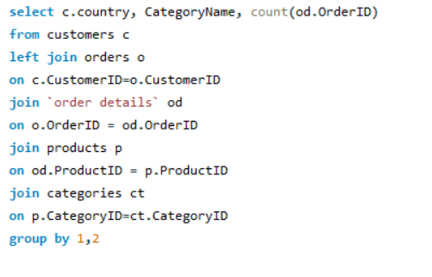
 |  | Country | CategoryName | Count of Orders
 |  | Germany | Beverages | 60 |  |  | In the dataset, we don't have market segmentation information. However, I have conducted
 |  | USA | Beverages | 61 |  |  | an analysis focusing on potential markets based on customer country. I have identified the
 |  | Mexico | Beverages | 18 |  |  | top three countries with the highest order counts. Furthermore, I have narrowed down the
 |  | Switzerland | Beverages | 8 |  |  | analysis by considering the top three product categories that contribute the most orders
 |  | Brazil | Beverages | 40 |  |  | within each of these countries. By examining these product categories specific to each
 |  | France | Beverages | 35 |  |  | country, we can uncover potential market opportunities.
 |  | Portugal | Beverages | 6
 |  | Finland | Beverages | 9
 |  | Canada | Beverages | 11
 |  | Poland | Beverages | 6
 |  | Ireland | Beverages | 9
 |  | Sweden | Beverages | 25
 |  | Venezuela | Beverages | 22
 |  | UK | Beverages | 26
Country vs Count of Orders
 | Total
Germany Beverages | 60
Germany Confections | 55
Germany Dairy Products | 65
USA Beverages | 61
USA Confections | 62
USA Dairy Products | 55
Brazil Beverages | 40
Brazil Confections | 34
Brazil Seafood | 38
 |  | Spain | Beverages | 9
 |  | Belgium | Beverages | 11 | Row Labels | Sum of Count of Orders
 |  | Austria | Beverages | 22 | Germany | 180
 |  | Italy | Beverages | 7 | Beverages | 60
 |  | UK | Condiments | 8 | Confections | 55
 |  | Venezuela | Condiments | 8 | Dairy Products | 65
 |  | Germany | Condiments | 31 | USA | 178
 |  | Denmark | Condiments | 10 | Beverages | 61
 |  | Canada | Condiments | 10 | Confections | 62
 |  | Austria | Condiments | 16 | Dairy Products | 55
 |  | Sweden | Condiments | 9 | Brazil | 112
 |  | USA | Condiments | 33 | Beverages | 40
 |  | Ireland | Condiments | 6 | Confections | 34
 |  | Spain | Condiments | 6 | Seafood | 38
 |  | Portugal | Condiments | 8 | Grand Total | 470
 |  | France | Condiments | 14
 |  | Brazil | Condiments | 26
 |  | Italy | Condiments | 6
 |  | Finland | Condiments | 5
 |  | Belgium | Condiments | 6
 |  | Argentina | Condiments | 3
 |  | USA | Produce | 18
 |  | France | Produce | 15
 |  | UK | Produce | 10
 |  | Denmark | Produce | 3
 |  | Germany | Produce | 20
 |  | Brazil | Produce | 7
 |  | Italy | Produce | 5
 |  | Norway | Produce | 2
 |  | Argentina | Produce | 4
 |  | Austria | Produce | 9
 |  | Canada | Produce | 3
 |  | Sweden | Produce | 7
 |  | Venezuela | Produce | 8
 |  | Brazil | Meat/Poultry | 14
 |  | Germany | Meat/Poultry | 23
 |  | Ireland | Meat/Poultry | 6
 |  | USA | Meat/Poultry | 37
 |  | UK | Meat/Poultry | 9
 |  | Germany | Seafood | 49
 |  | Mexico | Seafood | 9
 |  | Venezuela | Seafood | 23
 |  | Canada | Seafood | 8
 |  | France | Seafood | 33
 |  | Switzerland | Seafood | 11
 |  | Sweden | Seafood | 18
 |  | Spain | Seafood | 8
 |  | USA | Seafood | 53
 |  | Ireland | Seafood | 12
 |  | Portugal | Seafood | 1
 |  | Brazil | Seafood | 38
 |  | Denmark | Seafood | 9
 |  | UK | Seafood | 18
 |  | Belgium | Seafood | 5
 |  | Austria | Seafood | 12
 |  | France | Dairy Products | 23
 |  | Venezuela | Dairy Products | 23
 |  | Sweden | Dairy Products | 12
 |  | Austria | Dairy Products | 27
 |  | Mexico | Dairy Products | 17
 |  | Germany | Dairy Products | 65
 |  | Italy | Dairy Products | 9
 |  | Brazil | Dairy Products | 30
 |  | USA | Dairy Products | 55
 |  | Finland | Dairy Products | 11
 |  | Canada | Dairy Products | 14
 |  | UK | Dairy Products | 29
 |  | Ireland | Dairy Products | 13
 |  | Argentina | Dairy Products | 6
 |  | Finland | Seafood | 6
 |  | Argentina | Seafood | 5
 |  | Finland | Produce | 5
 |  | Mexico | Produce | 5
 |  | Ireland | Produce | 3
 |  | Switzerland | Confections | 7
 |  | Austria | Confections | 14
 |  | Brazil | Confections | 34
 |  | Venezuela | Confections | 19
 |  | USA | Confections | 62
 |  | UK | Confections | 17
 |  | Canada | Confections | 15
 |  | France | Confections | 28
 |  | Germany | Confections | 55
 |  | Portugal | Confections | 5
 |  | Finland | Confections | 7
 |  | Sweden | Confections | 12
 |  | Norway | Confections | 2
 |  | Argentina | Confections | 8
 |  | Ireland | Confections | 3
 |  | Denmark | Confections | 7
 |  | France | Meat/Poultry | 14
 |  | Belgium | Meat/Poultry | 4
 |  | Mexico | Meat/Poultry | 7
 |  | Canada | Meat/Poultry | 4
 |  | Austria | Meat/Poultry | 10
 |  | Sweden | Meat/Poultry | 10
 |  | Spain | Meat/Poultry | 9
 |  | Italy | Meat/Poultry | 3
 |  | Norway | Seafood | 3
 |  | Italy | Seafood | 8
 |  | Spain | Confections | 10
 |  | Belgium | Confections | 10
 |  | Mexico | Confections | 7
 |  | Italy | Confections | 10
 |  | France | Grains/Cereals | 22
 |  | UK | Grains/Cereals | 18
 |  | Finland | Grains/Cereals | 5
 |  | USA | Grains/Cereals | 33
 |  | Canada | Grains/Cereals | 10
 |  | Italy | Grains/Cereals | 5
 |  | Brazil | Grains/Cereals | 14
 |  | Germany | Grains/Cereals | 25
 |  | Austria | Grains/Cereals | 15
 |  | Sweden | Grains/Cereals | 4
 |  | Venezuela | Grains/Cereals | 9
 |  | Spain | Grains/Cereals | 9
 |  | Norway | Beverages | 5
 |  | Denmark | Beverages | 7
 |  | Belgium | Produce | 4
 |  | Venezuela | Meat/Poultry | 6
 |  | Denmark | Meat/Poultry | 4
 |  | Finland | Meat/Poultry | 6
 |  | Switzerland | Meat/Poultry | 3
 |  | Portugal | Meat/Poultry | 2
 |  | Poland | Dairy Products | 2
 |  | Belgium | Dairy Products | 9
 |  | Switzerland | Dairy Products | 9
 |  | Denmark | Dairy Products | 5
 |  | Argentina | Beverages | 7
 |  | Ireland | Grains/Cereals | 3
 |  | Belgium | Grains/Cereals | 7
 |  | Mexico | Grains/Cereals | 4
 |  | Switzerland | Grains/Cereals | 7
 |  | Portugal | Grains/Cereals | 4
 |  | Mexico | Condiments | 5
 |  | Portugal | Produce | 1
 |  | Switzerland | Produce | 4
 |  | Poland | Produce | 2
 |  | Spain | Produce | 1
 |  | Denmark | Grains/Cereals | 1
 |  | Norway | Meat/Poultry | 1
 |  | Poland | Meat/Poultry | 1
 |  | Argentina | Grains/Cereals | 1
 |  | Poland | Seafood | 1
 |  | Portugal | Dairy Products | 3
 |  | Norway | Dairy Products | 2
 |  | Spain | Dairy Products | 2
 |  | Poland | Condiments | 2
 |  | Poland | Confections | 2
 |  | Switzerland | Condiments | 3
 |  | Norway | Condiments | 1

eda4
4 | Are there any specific product categories or SKUs that contribute significantly to order revenue? Can we identify them through visualizations?

 | CategoryName | Order revenue
 | Beverages | 769420.47
 | Condiments | 389170.99
 | Produce | 240514.81
 | Meat/Poultry | 374488.88
 | Seafood | 568684.7
 | Dairy Products | 718529.33
 | Confections | 623619.67
 | Grains/Cereals | 311809.35

Category vs Revenue
 | Total
Beverages | 769420.47
Dairy Products | 718529.33
Confections | 623619.67
Seafood | 568684.7
Condiments | 389170.99
Meat/Poultry | 374488.88
Grains/Cereals | 311809.35
Produce | 240514.81
 | Row Labels | Sum of Order revenue
 | Beverages | 769420.47
 | Dairy Products | 718529.33
 | Confections | 623619.67
 | Seafood | 568684.7
 | Condiments | 389170.99
 | Meat/Poultry | 374488.88
 | Grains/Cereals | 311809.35
 | Produce | 240514.81
 | Grand Total | 3996238.2

 | The product category which is contributing significantly to order revenue is Beverages

eda5
5 | Are there any correlations between order size and customer demographics or product categories? Can we explore this visually using scatter plots or heatmaps?

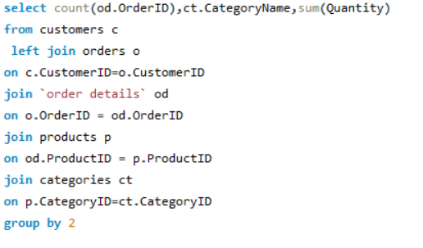
 | Count of Order | Category | Quantiy
 | 404 | Beverages | 9532
 | 216 | Condiments | 5298
 | 136 | Produce | 2990
 | 173 | Meat/Poultry | 4199
 | 330 | Seafood | 7681
 | 366 | Dairy Products | 9149
 | 334 | Confections | 7906
 | 196 | Grains/Cereals | 4562

Category vs Quantiy

 | Row Labels | Sum of Quantiy |  | Catergory | Quantiy
 | Beverages | 9532 |  | Produce | 2990
 | Condiments | 5298 |  | Meat/Poultry | 4199
 | Confections | 7906 |  | Grains/Cereals | 4562
 | Dairy Products | 9149 |  | Condiments | 5298
 | Grains/Cereals | 4562 |  | Seafood | 7681
 | Meat/Poultry | 4199 |  | Confections | 7906
 | Produce | 2990 |  | Dairy Products | 9149
 | Seafood | 7681 |  | Beverages | 9532
 | Grand Total | 51317

 | As we can see from the scatter plot that Quantity is Approximately
 | proportional to Category from trendlines

eda6
6 | 6 How does order frequency vary across different customer segments? Can we visualize this using bar charts or treemaps?

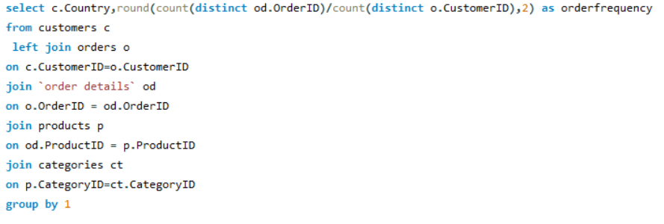
 |  | Country | Order frequency | Row Labels | Sum of Order frequency
 |  | Argentina | 5.33 | Argentina | 5.33
 |  | Austria | 20 | Austria | 20
 |  | Belgium | 9.5 | Belgium | 9.5
 |  | Brazil | 9.22 | Brazil | 9.22
 |  | Canada | 10 | Canada | 10
 |  | Denmark | 9 | Denmark | 9
 |  | Finland | 11 | Finland | 11
 |  | France | 7.7 | France | 7.7
 |  | Germany | 11.09 | Germany | 11.09
 |  | Ireland | 19 | Ireland | 19
 |  | Italy | 9.33 | Italy | 9.33
 |  | Mexico | 5.6 | Mexico | 5.6
 |  | Norway | 6 | Norway | 6
 |  | Poland | 7 | Poland | 7
 |  | Portugal | 6.5 | Portugal | 6.5
 |  | Spain | 5.75 | Spain | 5.75
 |  | Sweden | 18.5 | Sweden | 18.5
 |  | Switzerland | 9 | Switzerland | 9
 |  | UK | 8 | UK | 8
 |  | USA | 9.38 | USA | 9.38
 |  | Venezuela | 11.5 | Venezuela | 11.5
 |  |  |  | Grand Total | 208.4

 |  | We have inadequate data for the market segment so I have analysed the countries order frequency

eda8
8 | How does employee turnover vary across different departments or job roles? Can we visualize this using bar charts or heatmaps?

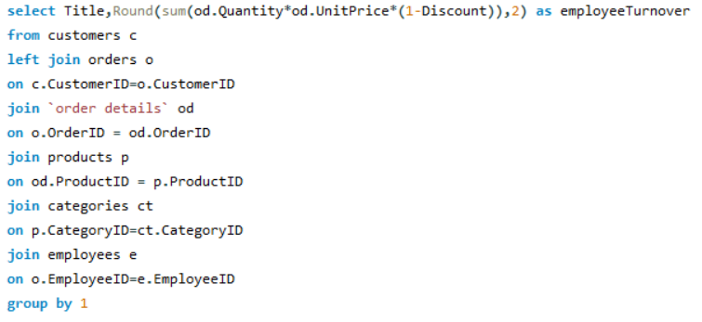
 | Department | Turnover
 | Sales Representative | 903600.72
 | Inside Sales Coordinator | 126862.28
 | Sales Manager | 68792.28
 | Vice President, Sales | 166537.75

 | Row Labels | Sum of Turnover
 | Inside Sales Coordinator | 126862.28
 | Sales Manager | 68792.28
 | Sales Representative | 903600.72
 | Vice President, Sales | 166537.75
 | Grand Total | 1265793.03

 | Department | Turnover
 | Sales Representative | 903600.72
 | Inside Sales Coordinator | 126862.28
 | Sales Manager | 68792.28
 | Vice President, Sales | 166537.75

 | Employee turnover vary across different departments as we cansee through bar graph that Sales representative contributes highest i.e 903600.72 and Sales Manager
 | contributes lowest i.e 68792.28

eda11
11 | How does product demand fluctuate over different seasons or months? Can we visualize this through line charts or area charts?
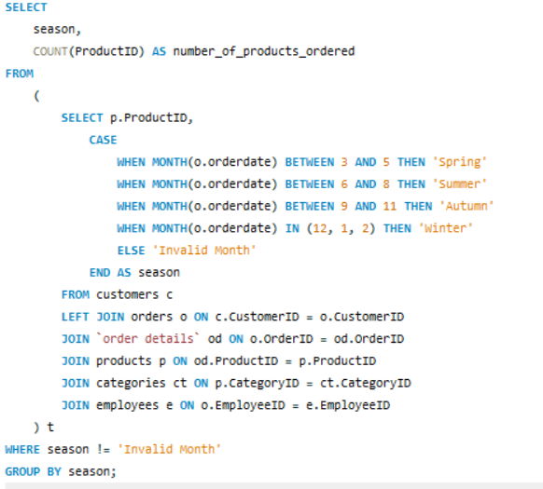
 | Season | No. of Product Order
 | Autumn | 478
 | Winter | 575
 | Spring | 745
 | Summer | 357

 | Row Labels | Sum of No. of Product Order
 | Autumn | 478
 | Spring | 745
 | Summer | 357
 | Winter | 575
 | Grand Total | 2155

 | Total
Autumn | 478
Spring | 745
Summer | 357
Winter | 575

 |  |  | The analysis of product orders based on seasons reveals significant variations in demand
 |  |  | throughout the year. The highest number of products were ordered during the Spring
 |  |  | season, with a total of 745 orders, closely followed by Winter with 575 orders. Autumn and
 |  |  | Summer also demonstrated substantial demand, with 478 and 357 product orders,
 |  |  | respectively. These findings underscore the seasonal fluctuations in consumer preferences,
 |  |  | indicating the need for targeted marketing and inventory management strategies tailored to
 |  |  | each season. Understanding these patterns can enable more effective resource allocation
 |  |  | and product promotion to maximize sales and customer satisfaction across different seasons."

eda 13
13 | Are there any correlations between supplier attributes (e.g., location, size, industry) and performance metrics (e.g., on-time delivery, product quality)? Can we explore this visually through scatter plots or heatmaps?

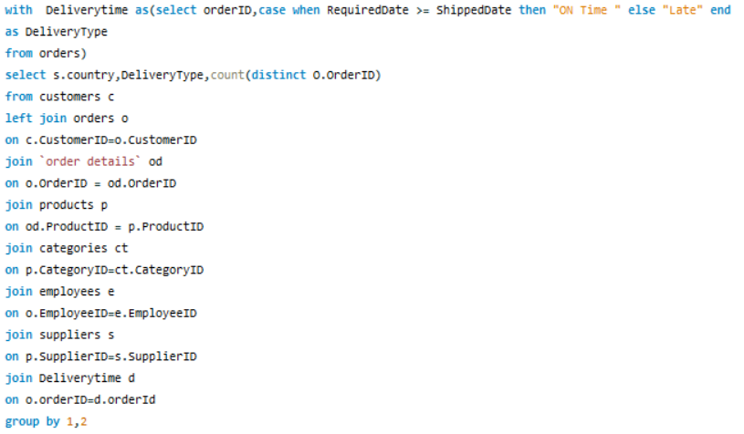
Country vs No. of Orders
 | No. of Orders
ON Time | 226
ON Time | 221
ON Time | 218
ON Time | 183
ON Time | 154
ON Time | 153
ON Time | 126
ON Time | 104
ON Time | 91
ON Time | 77
ON Time | 73
ON Time | 62
ON Time | 48
ON Time | 47
ON Time | 36
ON Time | 27
Country | Delivery Time | No. of Orders
USA | ON Time | 226
Australia | ON Time | 221
Germany | ON Time | 218
UK | ON Time | 183
Italy | ON Time | 154
France | ON Time | 153
Canada | ON Time | 126
Japan | ON Time | 104
Norway | ON Time | 91
Sweden | ON Time | 77
Singapore | ON Time | 73
Finland | ON Time | 62
Spain | ON Time | 48
Brazil | ON Time | 47
Denmark | ON Time | 36
Netherlands | ON Time | 27

The analysis of delivery time and the number of orders across various countries indicates a notable trend, with the USA, Australia, and Germany
exhibiting the highest number of on-time deliveries, with 226, 221, and 218 orders respectively. The UK and Italy also demonstrate a strong performance
in timely deliveries, with 183 and 154 orders respectively. Further emphasis on improving delivery performance in countries such as Denmark, Brazil,
the Netherlands may contribute to enhanced customer satisfaction and improved operational efficiency. Understanding the factors contributing to
to these variations can guide the development of targeted startegies to optimize delievry processess and ensure consostency across all regions

eda14
14 | How does supplier performance vary across different product categories or departments? Can we visualize this using stacked bar charts or grouped column charts?

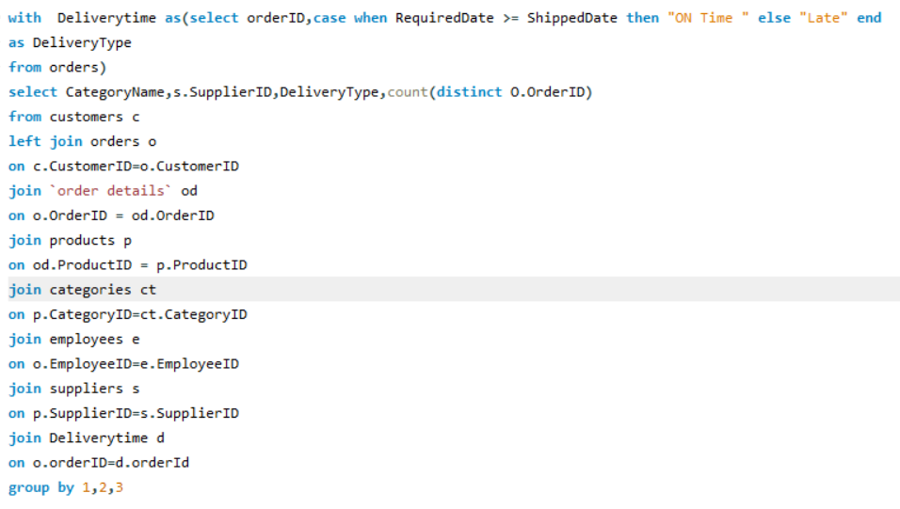
CategoryName | SupplierID | Delivery Type | Count of orders
Beverages | 1 | Late | 6
Beverages | 1 | ON Time | 74
Beverages | 7 | Late | 2
Beverages | 7 | ON Time | 37
Beverages | 10 | Late | 4
Beverages | 10 | ON Time | 47
Beverages | 12 | Late | 4
Beverages | 12 | ON Time | 42
Beverages | 16 | Late | 5
Beverages | 16 | ON Time | 59
Beverages | 18 | Late | 4
Beverages | 18 | ON Time | 49
Beverages | 20 | Late | 3
Beverages | 20 | ON Time | 25
Beverages | 23 | Late | 4
Beverages | 23 | ON Time | 35
Condiments | 1 | Late | 1
Condiments | 1 | ON Time | 11
Condiments | 2 | Late | 4
 | Late | ON Time
1 | 7 | 85
2 | 4 | 63
3 | 6 | 47
4 | 5 | 46
5 | 4 | 48
6 | 6 | 62
7 | 12 | 151
8 | 10 | 113
9 | 1 | 33
10 | 4 | 47
11 | 1 | 56
12 | 17 | 162
13 | 2 | 30
14 | 4 | 92
15 | 9 | 91
16 | 5 | 59
17 | 4 | 46
18 | 4 | 49
19 | 7 | 80
20 | 6 | 76
21 | 4 | 36
22 |  | 27
23 | 7 | 63
24 | 8 | 90
25 | 4 | 65
26 | 6 | 66
27 |  | 18
28 | 11 | 93
29 | 3 | 69
Condiments | 2 | ON Time | 63
Condiments | 3 | Late | 4 | Sum of Count of orders | Column Labels
Condiments | 3 | ON Time | 20 | Row Labels | Late | ON Time | Grand Total
Condiments | 6 | ON Time | 6 | 1 | 7 | 85 | 92
Condiments | 7 | Late | 1 | 2 | 4 | 63 | 67
Condiments | 7 | ON Time | 16 | 3 | 6 | 47 | 53
Condiments | 12 | Late | 4 | 4 | 5 | 46 | 51
Condiments | 12 | ON Time | 34 | 5 | 4 | 48 | 52
Condiments | 20 | ON Time | 24 | 6 | 6 | 62 | 68
Condiments | 29 | Late | 1 | 7 | 12 | 151 | 163
Condiments | 29 | ON Time | 23 | 8 | 10 | 113 | 123
Confections | 7 | Late | 5 | 9 | 1 | 33 | 34
Confections | 7 | ON Time | 38 | 10 | 4 | 47 | 51
Confections | 8 | Late | 10 | 11 | 1 | 56 | 57
Confections | 8 | ON Time | 113 | 12 | 17 | 162 | 179
Confections | 11 | Late | 1 | 13 | 2 | 30 | 32
Confections | 11 | ON Time | 56 | 14 | 4 | 92 | 96
Confections | 22 | ON Time | 27 | 15 | 9 | 91 | 100
Confections | 23 | Late | 3 | 16 | 5 | 59 | 64
Confections | 23 | ON Time | 28 | 17 | 4 | 46 | 50 | Here we have measured supplier performance based on time delivery to our customers . For product category wise analysis we have putten a slicer of category name that will analyse the supplier of that product category and their performace accoridng to the on time delivery and late delivery done by them.
Confections | 29 | Late | 2 | 18 | 4 | 49 | 53
Confections | 29 | ON Time | 46 | 19 | 7 | 80 | 87
Dairy Products | 5 | Late | 4 | 20 | 6 | 76 | 82
Dairy Products | 5 | ON Time | 48 | 21 | 4 | 36 | 40
Dairy Products | 14 | Late | 4 | 22 |  | 27 | 27
Dairy Products | 14 | ON Time | 92 | 23 | 7 | 63 | 70
Dairy Products | 15 | Late | 9 | 24 | 8 | 90 | 98
Dairy Products | 15 | ON Time | 91 | 25 | 4 | 65 | 69
Dairy Products | 28 | Late | 11 | 26 | 6 | 66 | 72
Dairy Products | 28 | ON Time | 93 | 27 |  | 18 | 18
Grains/Cereals | 9 | Late | 1 | 28 | 11 | 93 | 104
Grains/Cereals | 9 | ON Time | 33 | 29 | 3 | 69 | 72
Grains/Cereals | 12 | Late | 3 | Grand Total | 161 | 1963 | 2124
Grains/Cereals | 12 | ON Time | 27
Grains/Cereals | 20 | Late | 3
Grains/Cereals | 20 | ON Time | 27
Grains/Cereals | 24 | Late | 3
Grains/Cereals | 24 | ON Time | 26
Grains/Cereals | 26 | Late | 6
Grains/Cereals | 26 | ON Time | 66
Meat/Poultry | 4 | Late | 2
Meat/Poultry | 4 | ON Time | 3
Meat/Poultry | 7 | Late | 4
Meat/Poultry | 7 | ON Time | 33
Meat/Poultry | 12 | Late | 1
Meat/Poultry | 12 | ON Time | 31
Meat/Poultry | 24 | Late | 2
Meat/Poultry | 24 | ON Time | 28
Meat/Poultry | 25 | Late | 4
Meat/Poultry | 25 | ON Time | 65
Produce | 3 | Late | 2
Produce | 3 | ON Time | 27
Produce | 4 | ON Time | 13
Produce | 6 | Late | 3
Produce | 6 | ON Time | 19
Produce | 12 | Late | 5
Produce | 12 | ON Time | 28
Produce | 24 | Late | 3
Produce | 24 | ON Time | 36
Seafood | 4 | Late | 3
Seafood | 4 | ON Time | 30
Seafood | 6 | Late | 3
Seafood | 6 | ON Time | 37
Seafood | 7 | ON Time | 27
Seafood | 13 | Late | 2
Seafood | 13 | ON Time | 30
Seafood | 17 | Late | 4
Seafood | 17 | ON Time | 46
Seafood | 19 | Late | 7
Seafood | 19 | ON Time | 80
Seafood | 21 | Late | 4
Seafood | 21 | ON Time | 36
Seafood | 27 | ON Time | 18

eda15
15 | Can we identify any trends or patterns in supplier costs or pricing structures through visualizations? How can this information be used for procurement optimization?

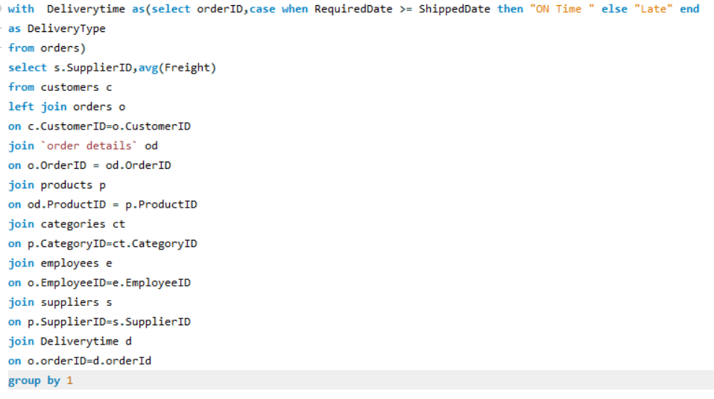
SupplierID | Average Shipping Freight
1 | 111.13
2 | 86.88
3 | 111.78
4 | 80.14
5 | 100.18
6 | 70.89
7 | 86.30
8 | 95.85
9 | 83.07
10 | 61.83
11 | 104.68
12 | 111.39
13 | 91.91
14 | 90.38
15 | 75.25
16 | 82.75
17 | 104.71
18 | 183.29
19 | 72.07
20 | 98.75
21 | 96.21
22 | 65.20
23 | 88.80 | Row Labels | Sum of Average Shipping Freight
24 | 83.81 | 1 | 111.12531915
25 | 64.01 | 2 | 86.88085714
26 | 111.94 | 3 | 111.78037037
27 | 53.43 | 4 | 80.14098039
28 | 149.09 | 5 | 100.18115385
29 | 107.69 | 6 | 70.89367647
 |  | 7 | 86.30349693
 |  | 8 | 95.84619048
 |  | 9 | 83.07235294
 |  | 10 | 61.82529412
 |  | 11 | 104.68186441
 |  | 12 | 111.38513966
 |  | 13 | 91.906875
 |  | 14 | 90.37711538
 |  | 15 | 75.24866667
 |  | 16 | 82.74584615
 |  | 17 | 104.71294118 | Negotiation Strategies:
 |  | 18 | 183.28611111
 |  | 19 | 72.06545455 | Build strong relationships and emphasize long-term benefits.
 |  | 20 | 98.75012195 | Use market insights for competitive yet fair negotiations.
 |  | 21 | 96.21463415 | Supplier Diversification:
 |  | 22 | 65.20444444
 |  | 23 | 88.79685714 | Mitigate risks by identifying alternative suppliers.
 |  | 24 | 83.81040816 | Regularly assess supplier stability and performance.
 |  | 25 | 64.00869565 | Demand Forecasting:
 |  | 26 | 111.94356164
 |  | 27 | 53.42555556 | Utilize advanced analytics for accurate forecasts.
 |  | 28 | 149.08828571 | Foster collaborative forecasting with suppliers.
 |  | 29 | 107.68736111 | Cost Reduction:
 |  | Grand Total | 2723.3896315
 |  |  |  | Conduct regular audits for identifying inefficiencies.
 |  |  |  | Encourage supplier collaboration for cost-saving solutions.

