Dashboard Charts
CUSTOMER CHURN — VISUAL DASHBOARD
Churn Rate by Contract Type
 | Churn Rate
Month-to-month | 46.4%
One year | 15.9%
Two year | 14.7%
Customers by Predicted Risk Segment
 | Customers
Low | 1424
Medium | 1587
High | 989

Churn Rate by Support Calls
 | Churn Rate
0 | 29.4%
1 | 28.9%
2 | 31.6%
3 | 28.0%
4 | 47.7%
5 | 43.3%
6 | 51.1%
7 | 61.5%
8 | 40.0%
9 | 100.0%
Churn Rate by Region
 | Churn Rate
Central | 32.9%
East | 31.3%
North | 29.4%
South | 34.1%
West | 33.0%

Model Insights (Python)
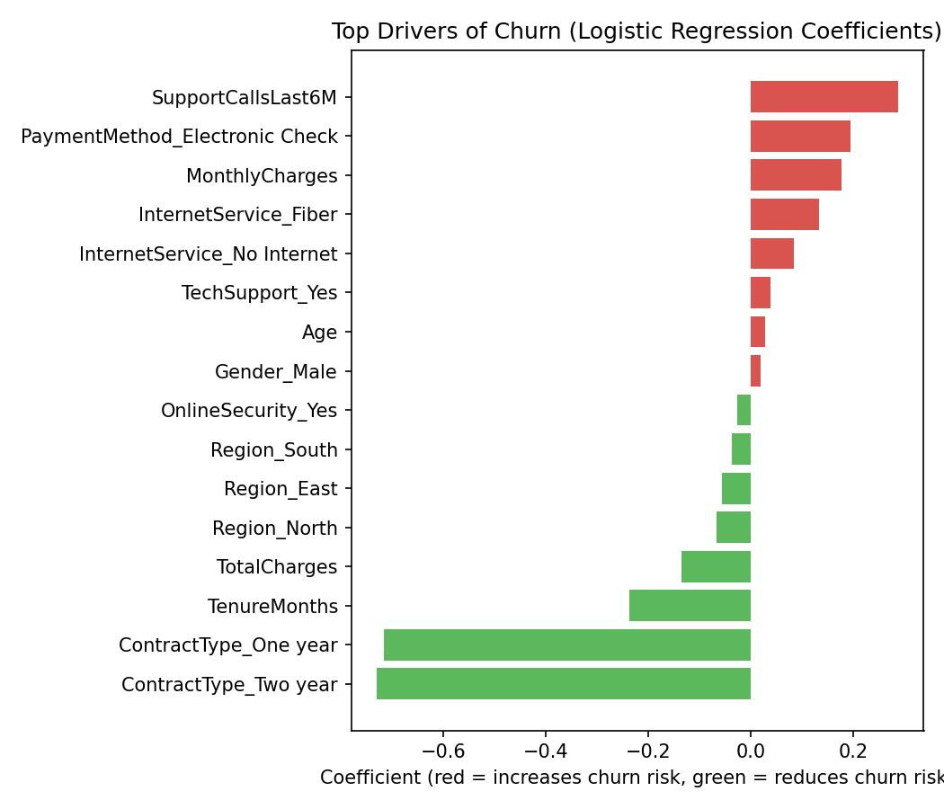
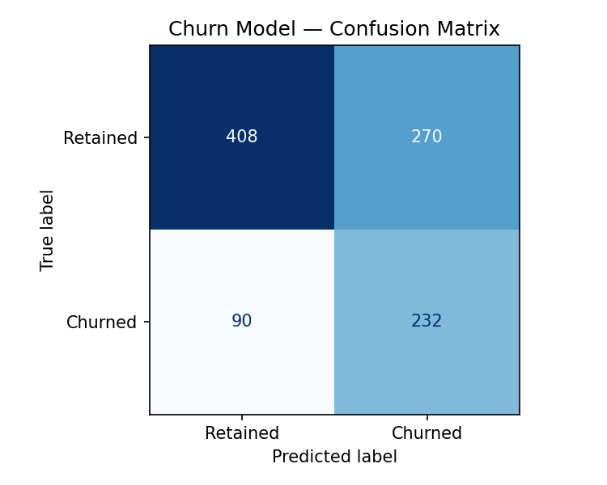
PREDICTIVE MODEL — LOGISTIC REGRESSION (built in Python/scikit-learn)

Model Performance Metrics
Accuracy | Precision | Recall | F1 Score | ROC-AUC
0.64 | 0.462 | 0.72 | 0.563 | 0.721

