Power Bi dashboard
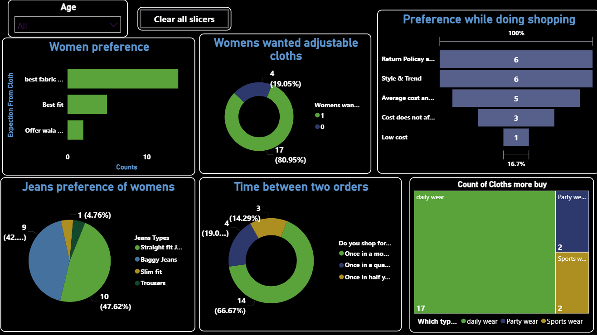

Pivot tables
Response_age Group
Row Labels | Count of What is your age in Years?
<15 {Less than 15} | 4.17%
15 - 35 | 87.50%
above 35 years | 8.33%
Grand Total | 100.00%

