Shape
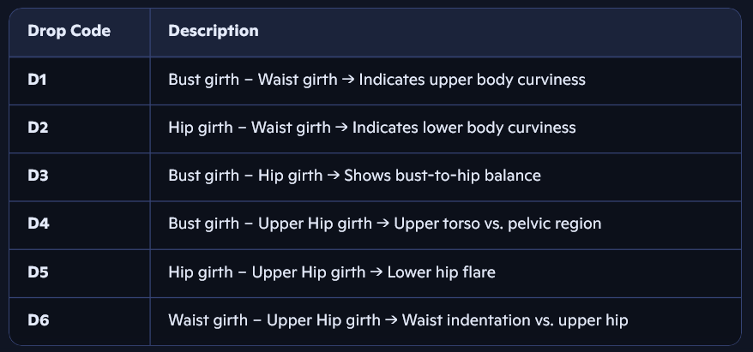
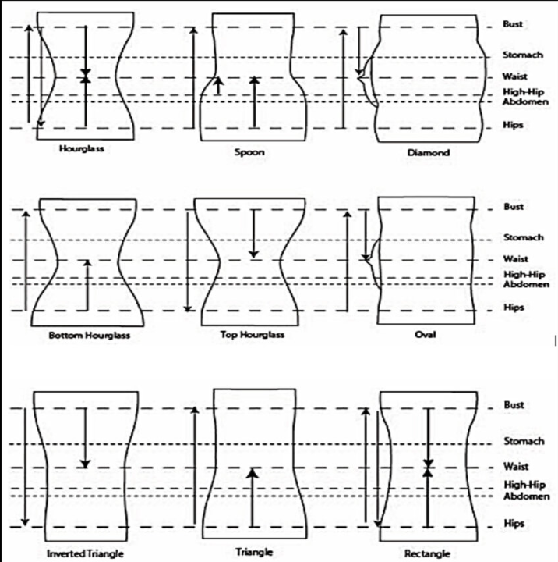
cc | Hourglass | Rectangle | Trapezoid | BottomHourglass
D1 (Bust girth – Waist girth) | 11.38 | 5.971 | 7.132 | 12.976
D2 (Hip girth – Waist girth) | 12.342 | 5.026 | 14.041 | 20.422
D3 (Bust girth – Hip girth) | -1.311 | 0.14 | -9.4 | -7.618
D4 (Bust girth – Upper Hip girth) | 6.681 | 1.137 | -1.891 | 7.379
D5 (Hip girth – Upper Hip girth) | 7.993 | 0.997 | 7.51 | 14.997
D6 (Waist girth – Upper Hip girth) | -4.698 | -4.834 | -9.022 | -5.596
Percentage of subjects | 26.51% | 19.63% | 23.90% | 29.96%

