Bajaj Allianz
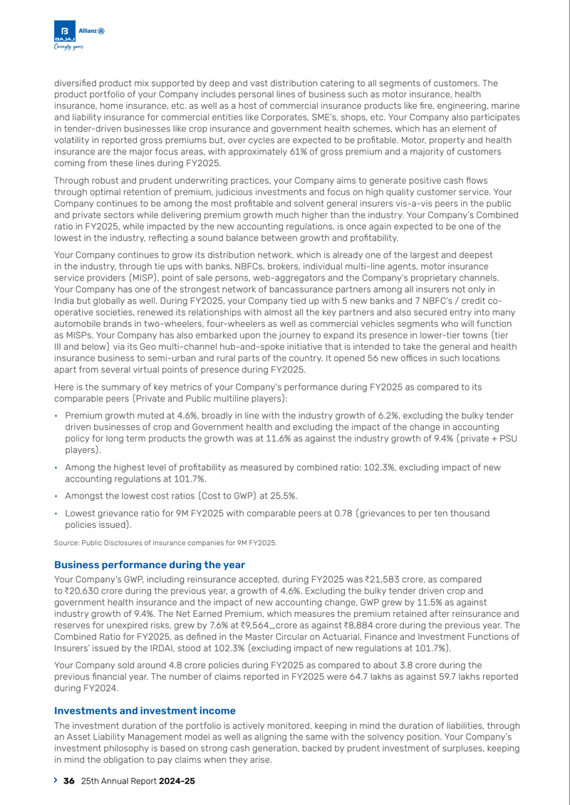
Company: Bajaj Allianz
Source: Annual-Report-2024-2025.pdf
Page: 38

Care Health
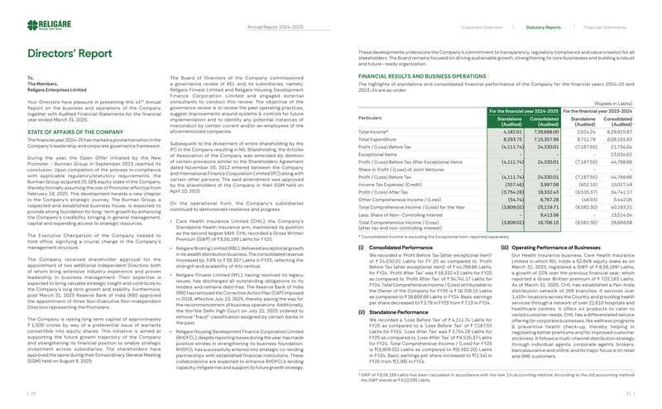
Company: Care Health
Source: Religare-Enterprises-AR-24-25_Web-Upload-Spread-C2C.pdf
Page: 29

Go Digit
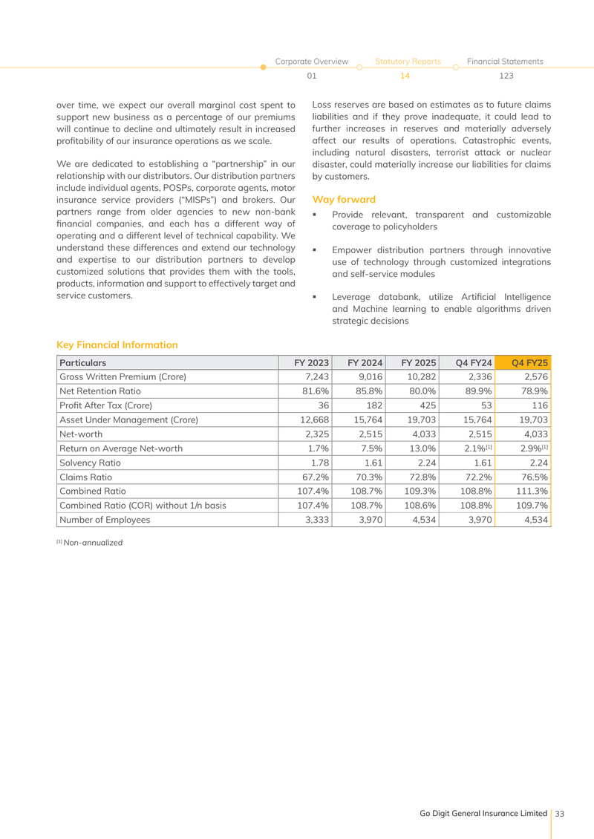
Company: Go Digit
Source: annual-report-for-fy2024-25-gdgil.pdf
Page: 35

Cbdt Itr
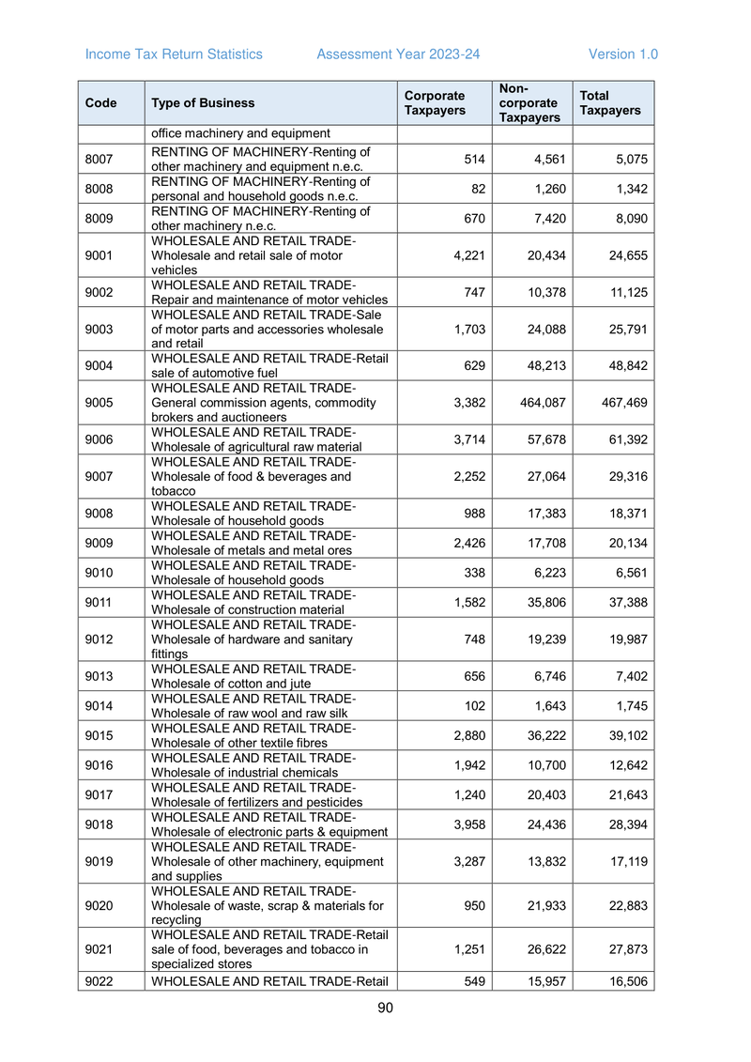
Company: Cbdt Itr
Source: cbdt_itr.pdf
Page: 90

GI Council Industry
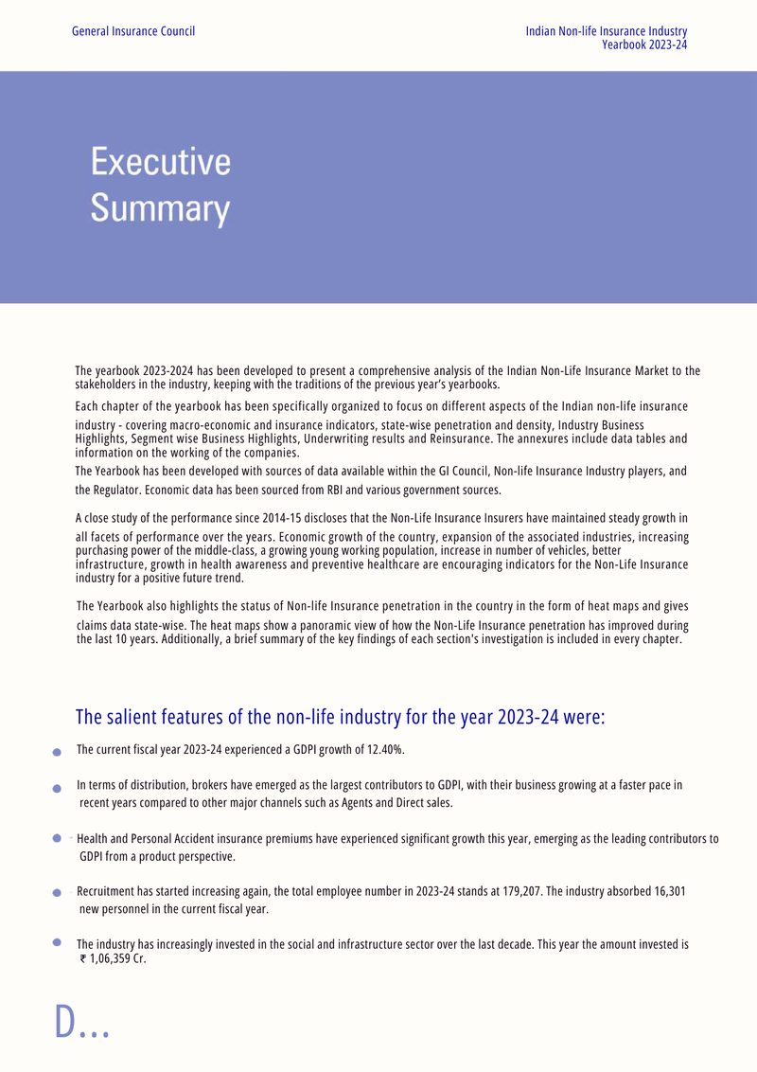
Company: GI Council Industry
Source: gi_council.pdf.pdf
Page: 17

ICICI Lombard
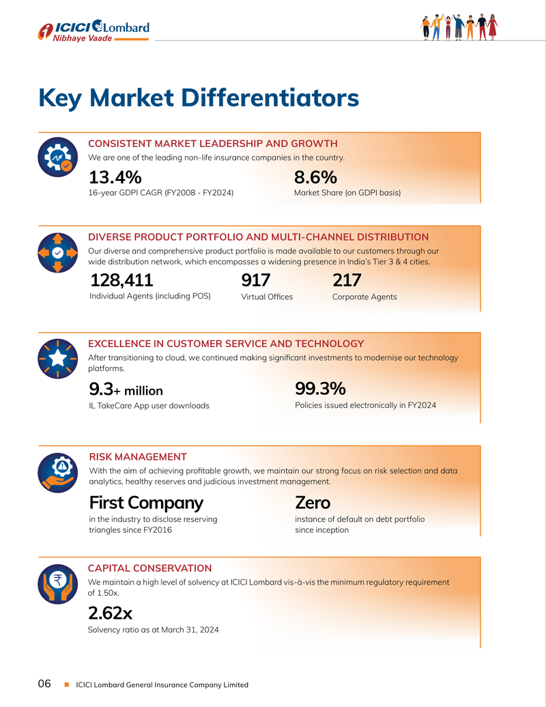
Company: ICICI Lombard
Source: icici_lombard_nse.pdf
Page: 60

IRDAI Industry
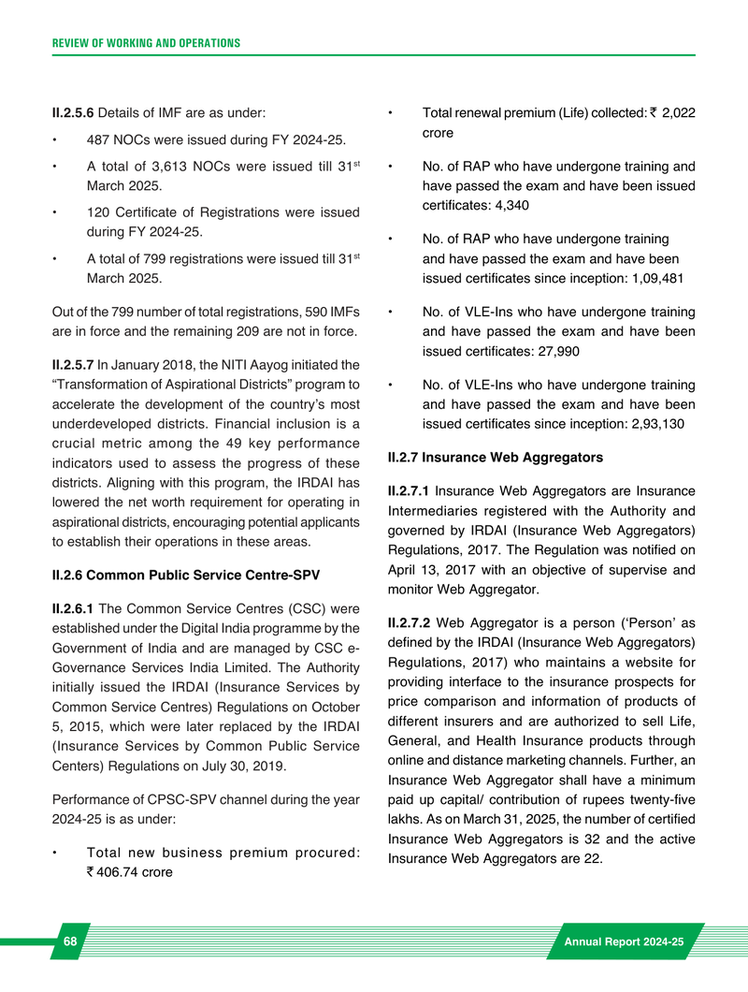
Company: IRDAI Industry
Source: irdai_ar.pdf.pdf
Page: 300

Niva Bupa
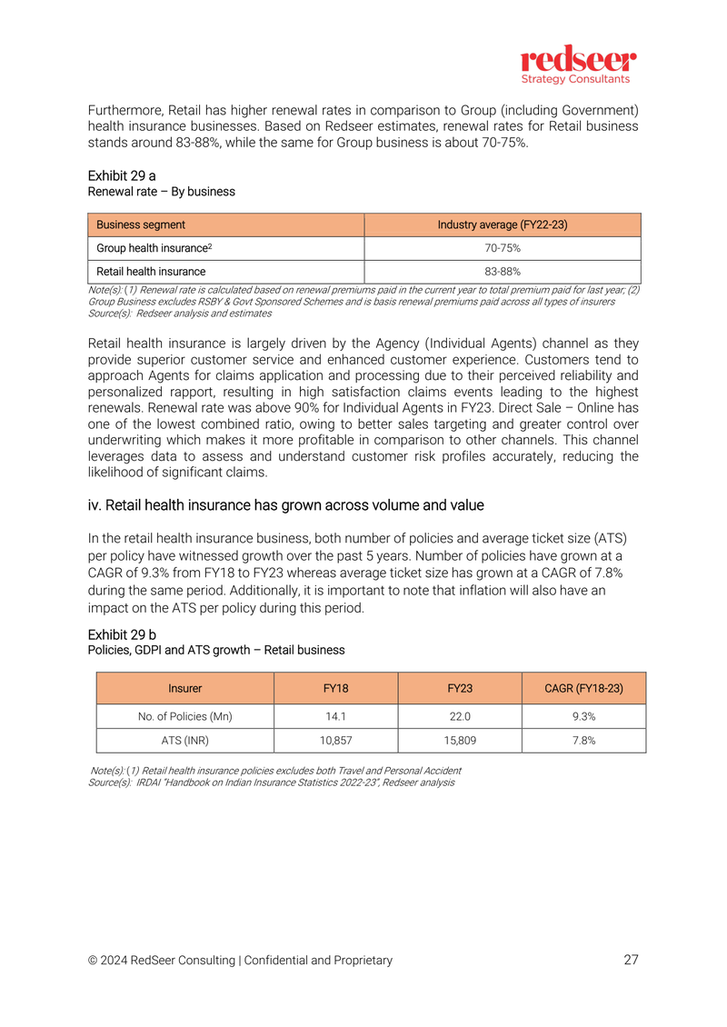
Company: Niva Bupa
Source: niva_drhp.pdf
Page: 30

Star Health
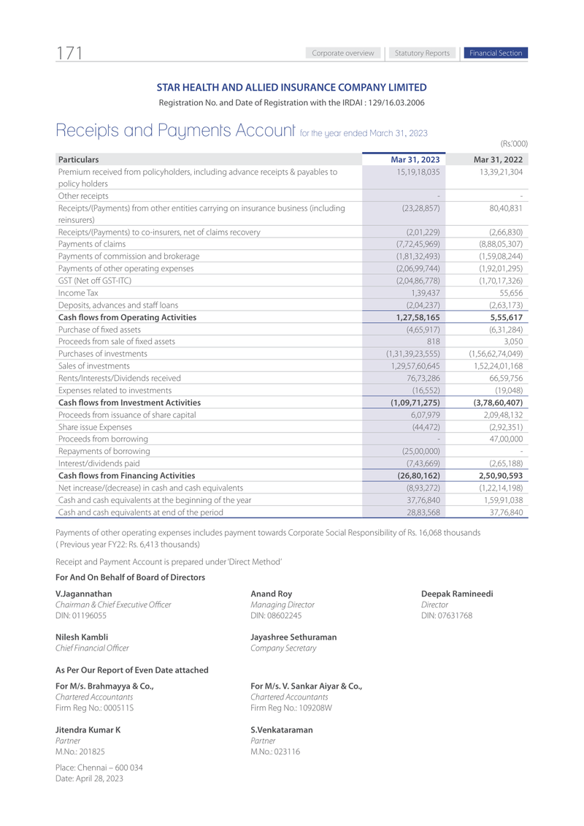
Company: Star Health
Source: star_health_ar.pdf
Page: 173

HDFC Ergo

Company: HDFC Ergo
Source: Sample Data
Page: N/A

