D2C Screenshots
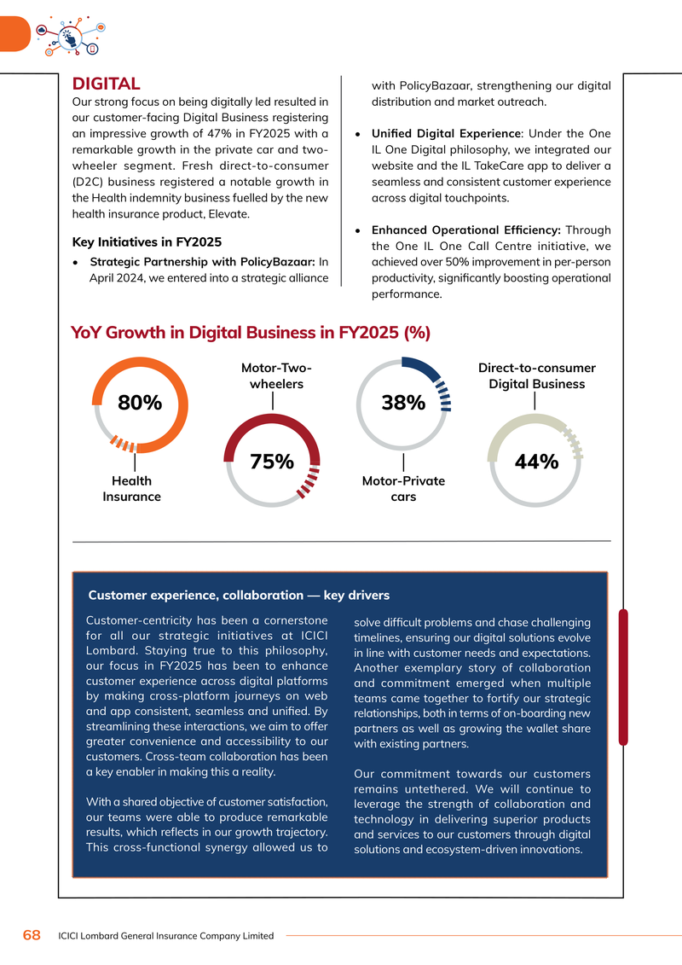
D2C / CHANNEL MIX DATA SCREENSHOTS

SAHI Channel Mix Comparison (Niva DRHP)
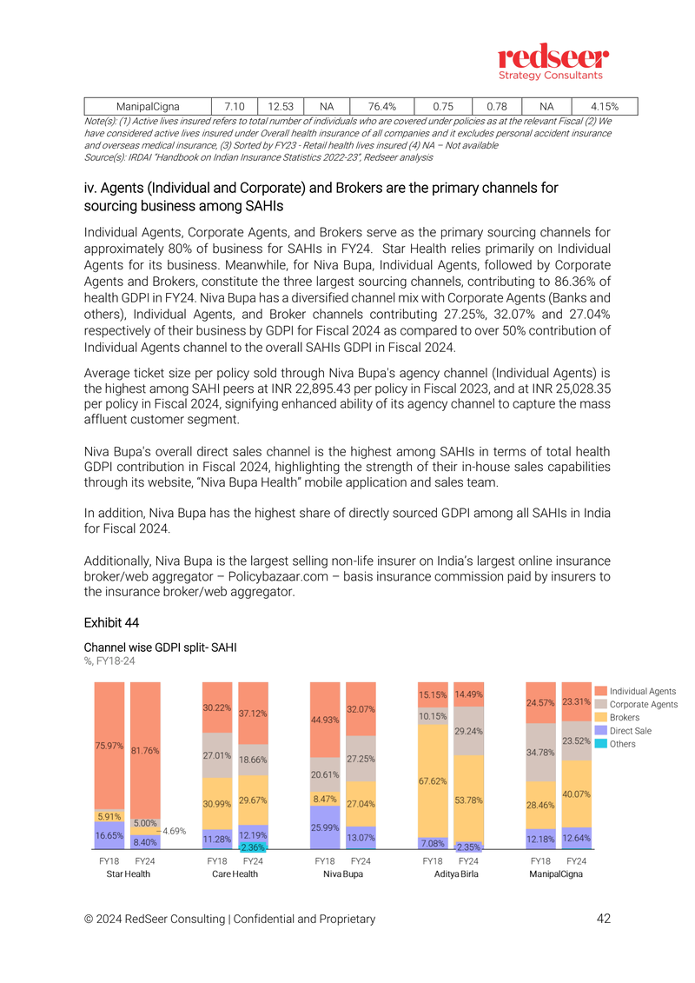

SAHI Channel Split Detail
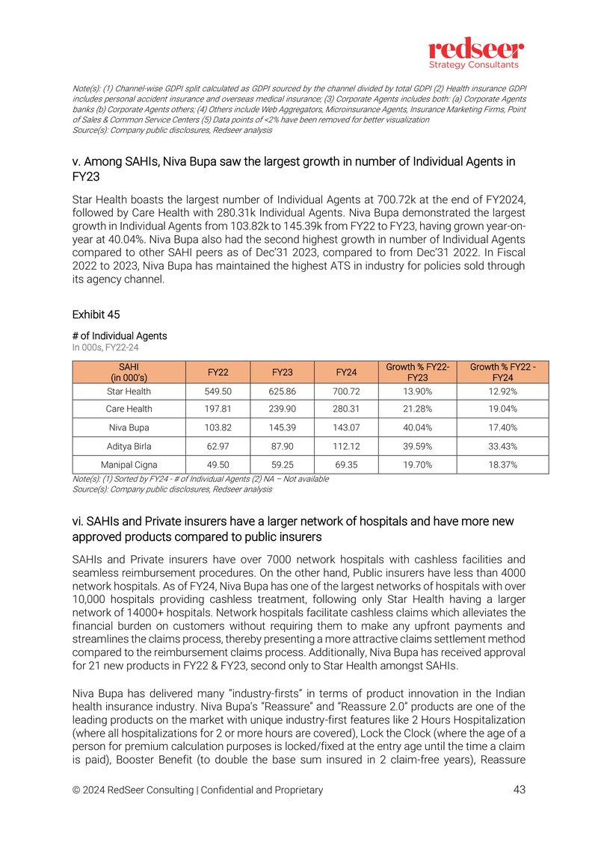

Star Health Distribution Channels
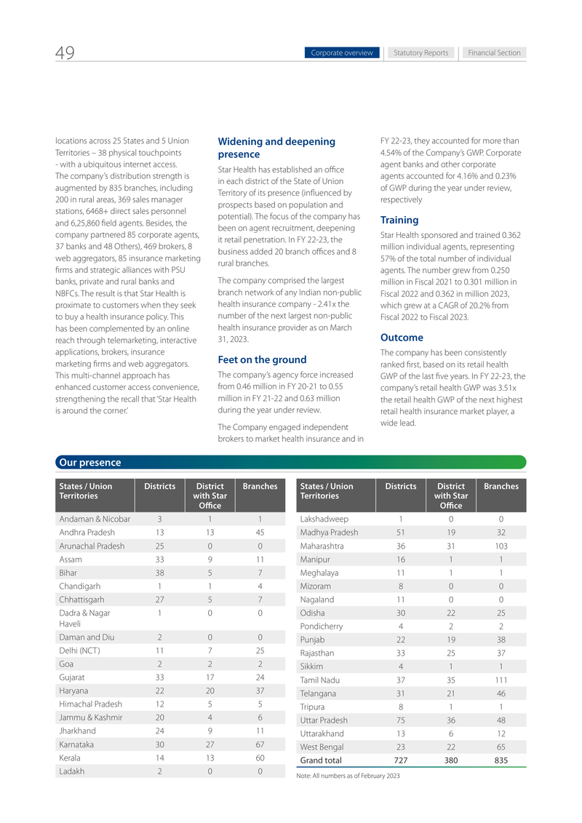

ICICI Lombard D2C/Digital Growth

