Screenshots_Gallery
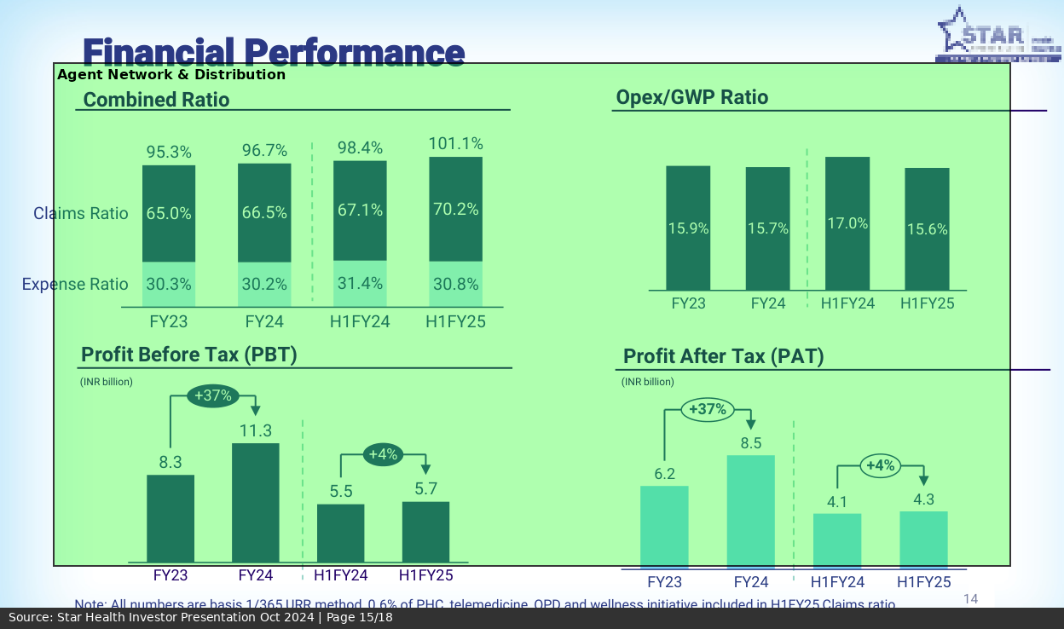
CBDT ITR Statistics AY 2023-24 - Page 6
→ Total ITR Filers: 7,97,12,145
→ Individual Filers (non-corporate): 7,54,61,286
→ Non-Individual Filers (HUF, Firms, etc): 42,50,859
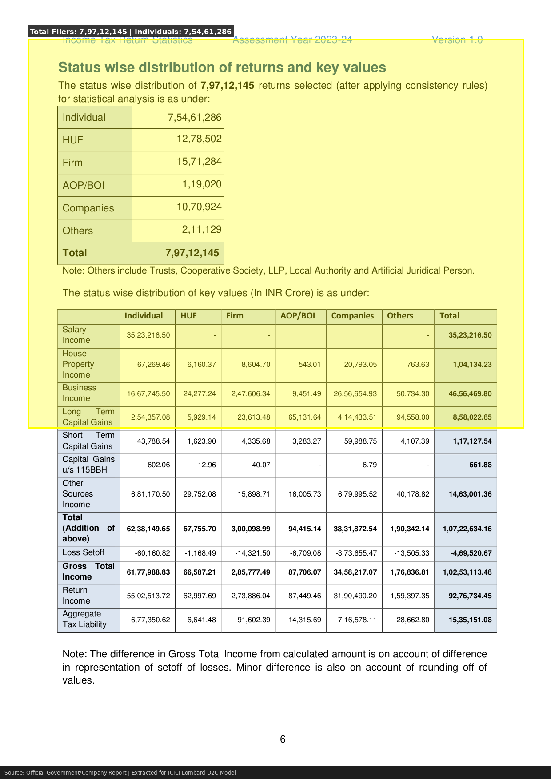

CBDT ITR Statistics AY 2023-24 - Page 9
→ Taxpayers with Income > Rs 5 Lakh: 4,67,21,465
→ Taxpayers with Income > Rs 10 Lakh: 1,84,23,845
→ Taxpayers with Income > Rs 50 Lakh: 38,41,826
→ Taxpayers with Income > Rs 1 Crore: 8,39,538
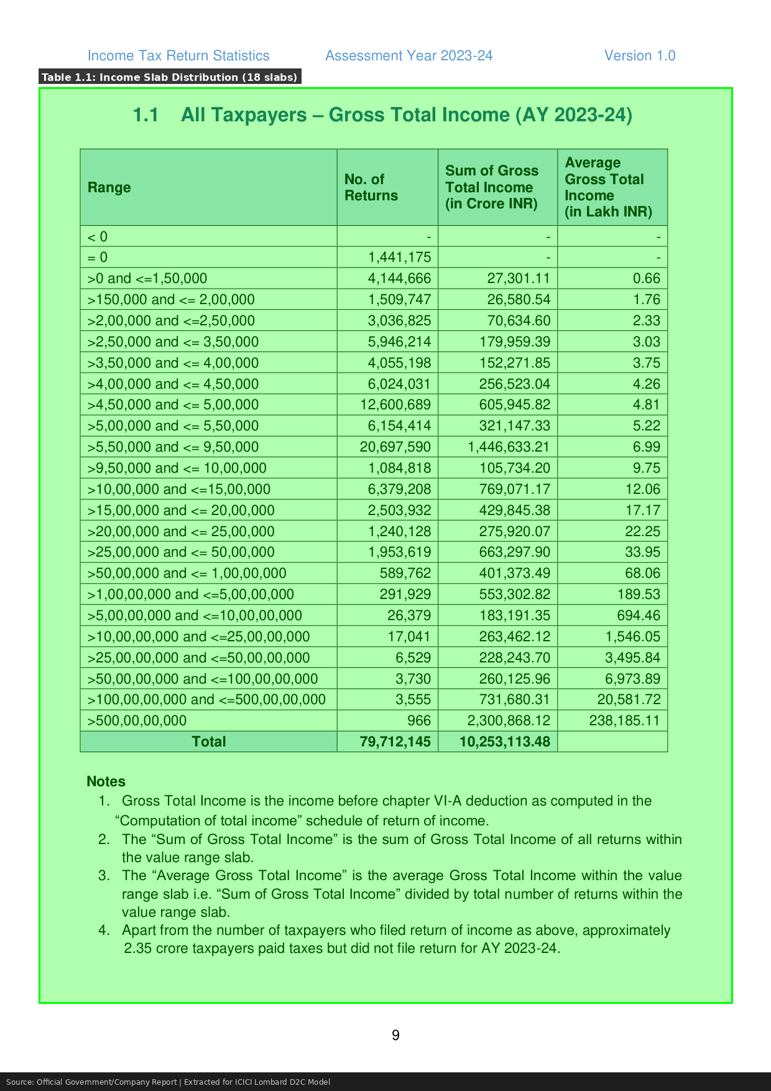

CBDT ITR Statistics AY 2023-24 - Page 10
→ Salaried Taxpayers: 3,79,64,804
→ Total Salary Income Reported: Rs 35.23 Lakh Crore
→ Self-Employed/Business Income Filers: 3,31,46,233
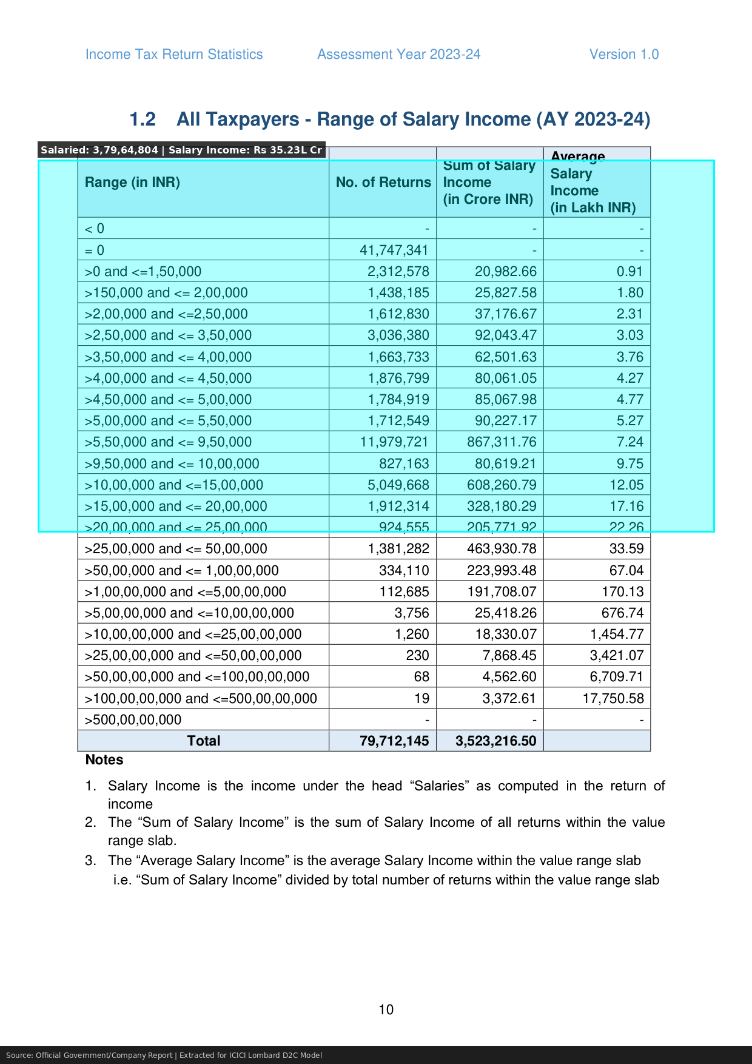

Niva Bupa DRHP (CRISIL Report) - Page 5
→ Health Insurance Market Size FY24: Rs 1.17 Trillion
→ Health Insurance 10-Year CAGR: 19.5%
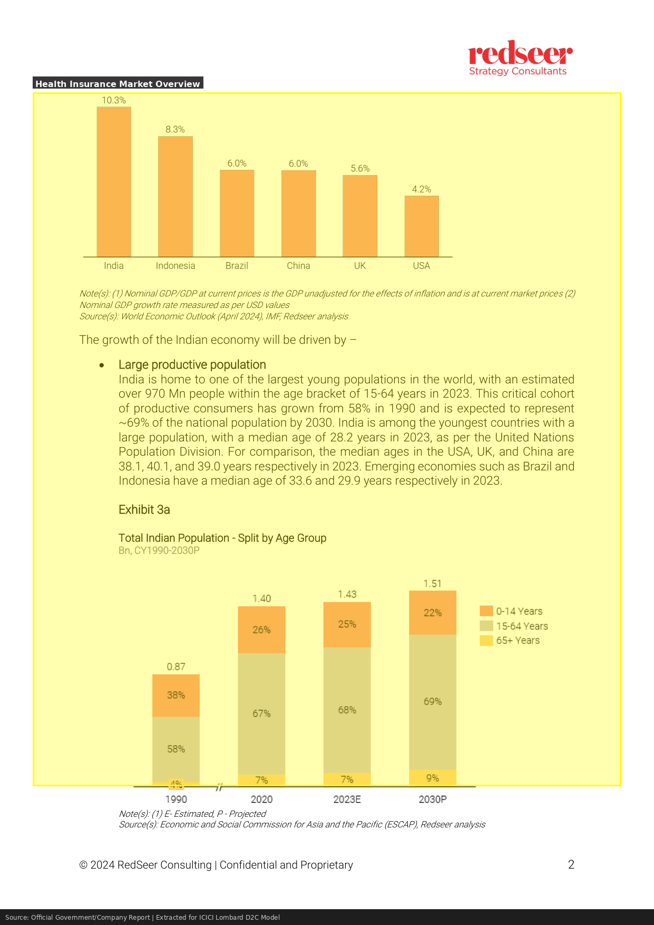

Niva Bupa DRHP (CRISIL Report) - Page 9
→ Retail Health Insurance Market: Rs 44,800 Crore
→ Retail Share of Health Insurance: 38.7%
→ Retail Health Growth Rate: 19.1%
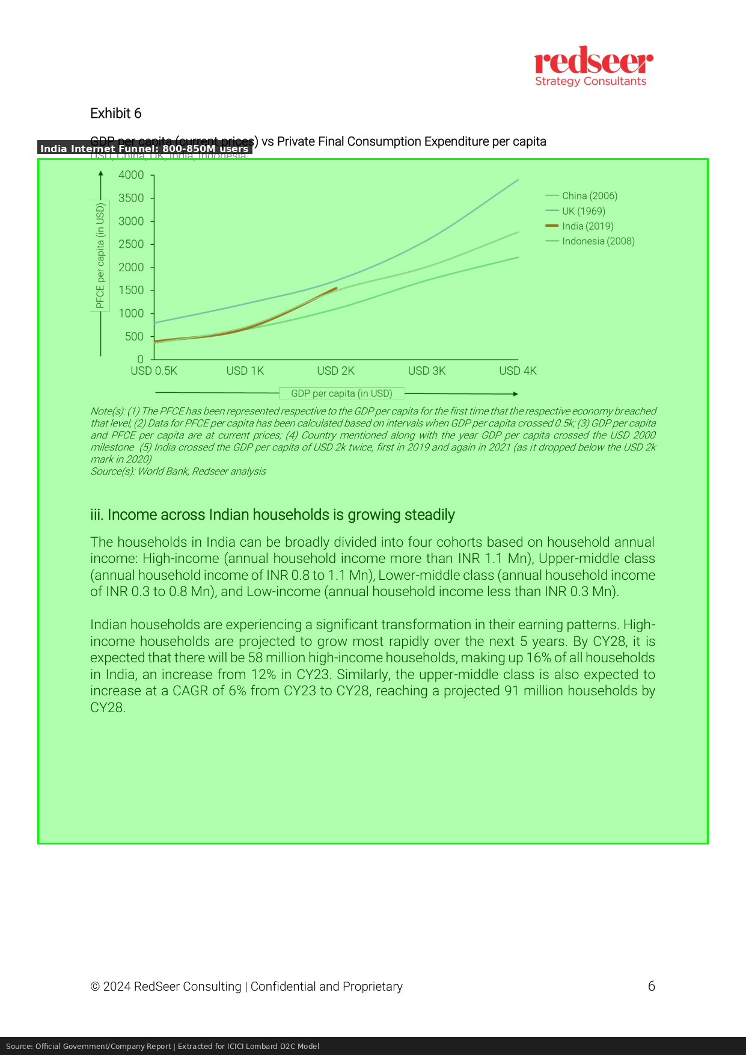

Niva Bupa DRHP (CRISIL Report) - Page 12
→ Star Health Retail Market Share: 33%
→ Niva Bupa Market Share (SAHI): 16.24%
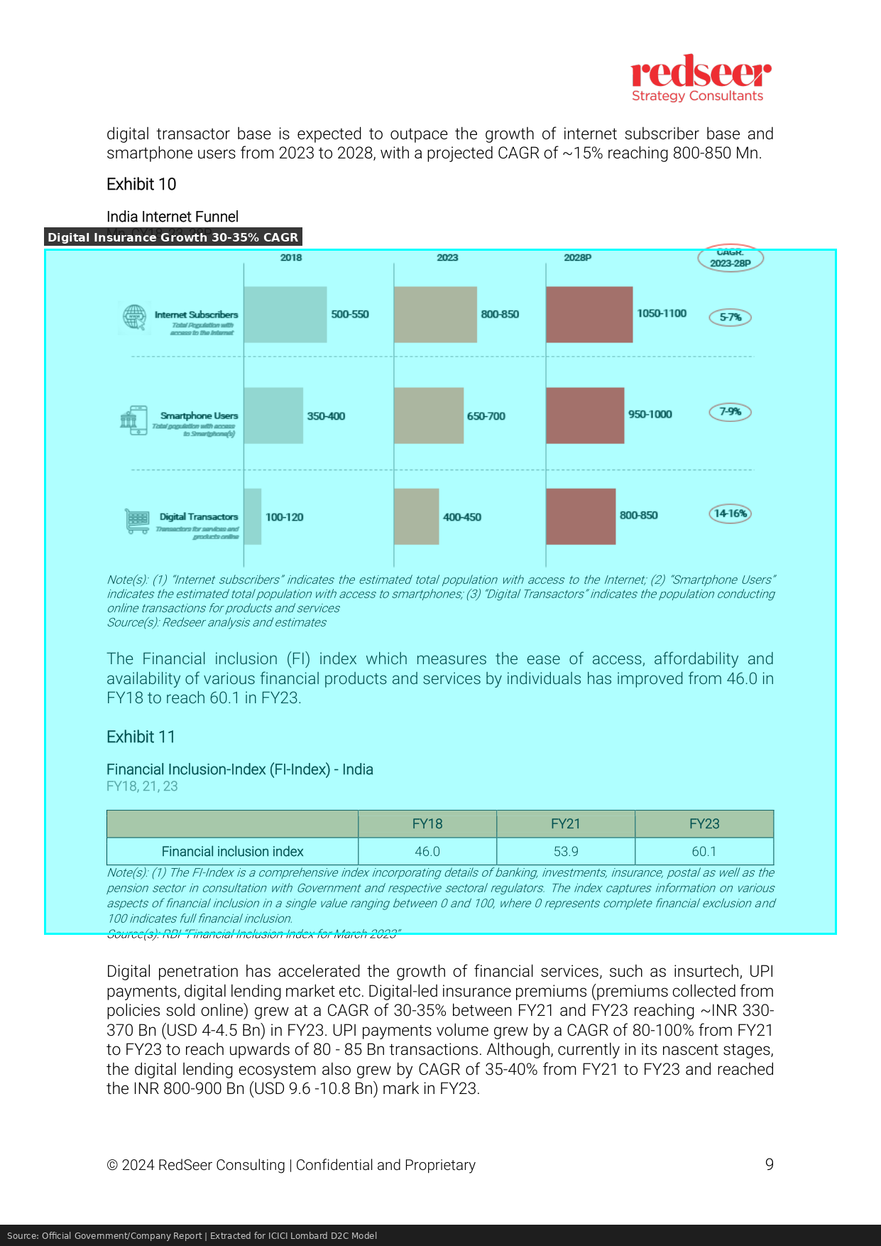

Niva Bupa DRHP (CRISIL Report) - Page 15
→ Digital Channel CAGR: 22.34%
→ Mobile Share of Online Insurance: 56.7%
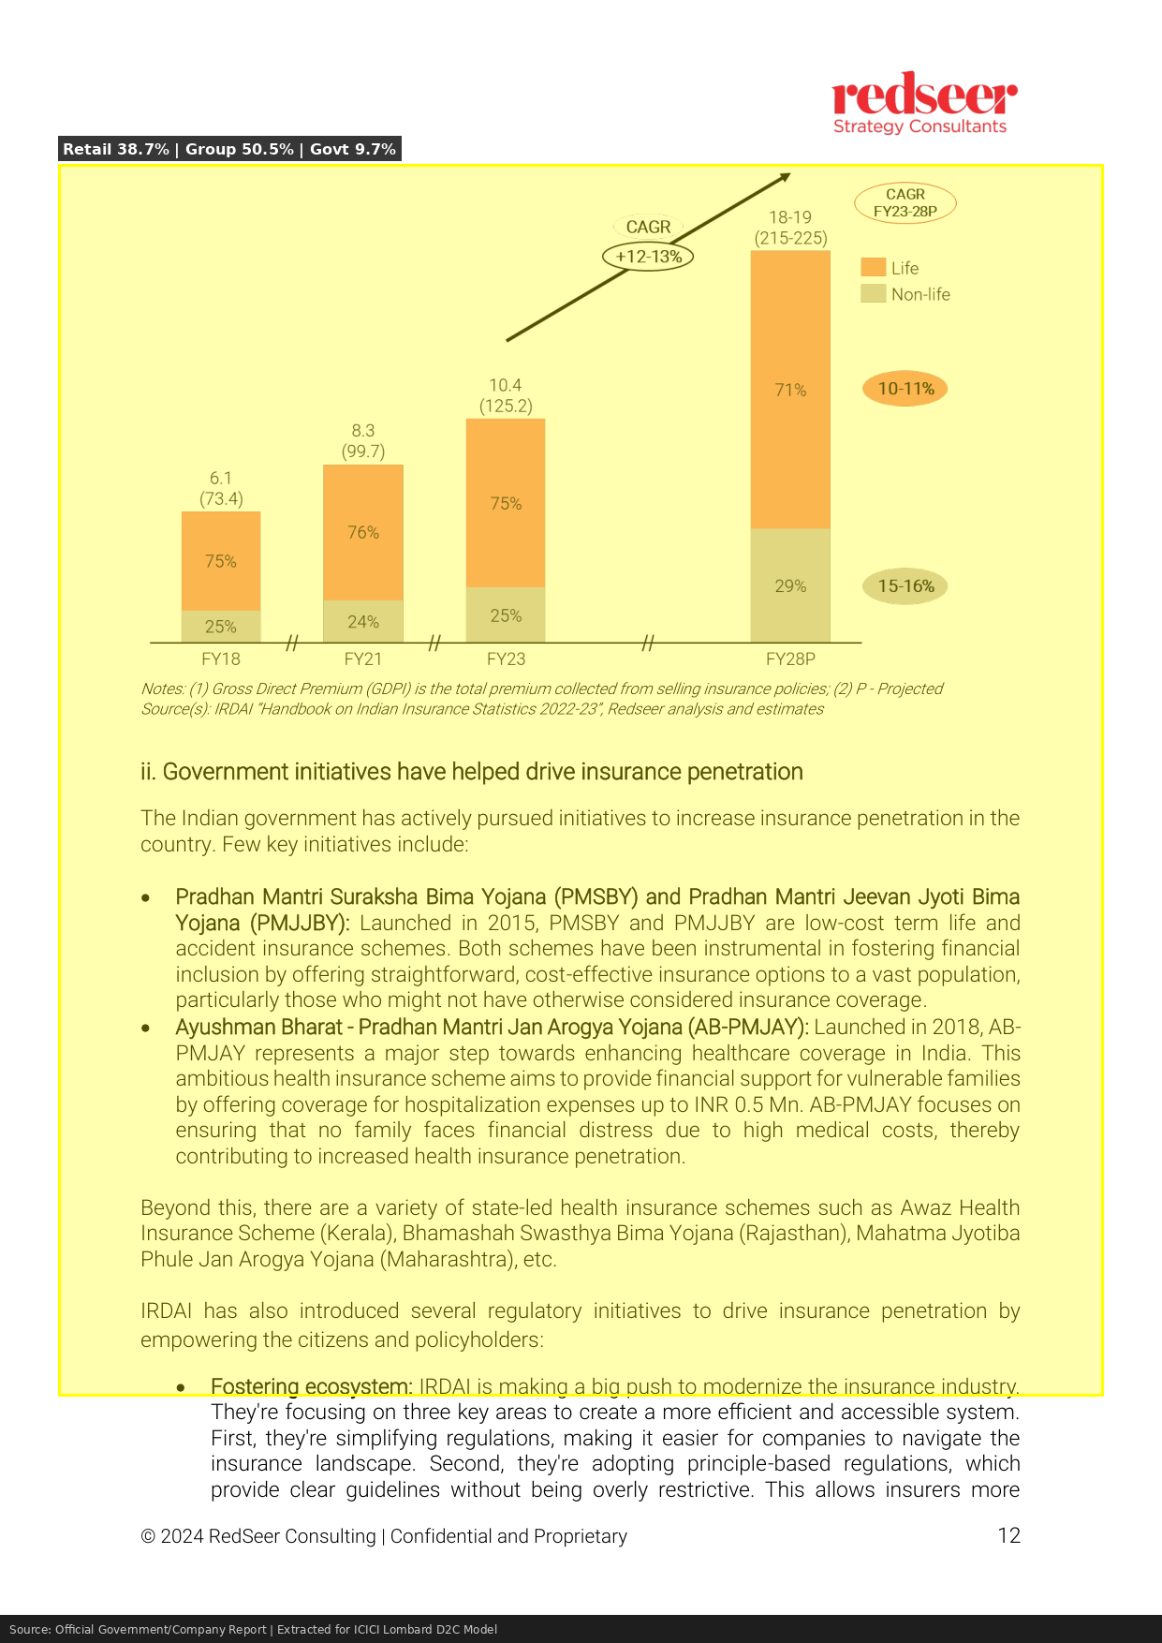

Niva Bupa DRHP (CRISIL Report) - Page 17
→ SAHI Claims Ratio: 63.63%
→ SAHI Expense Ratio: 30.7%
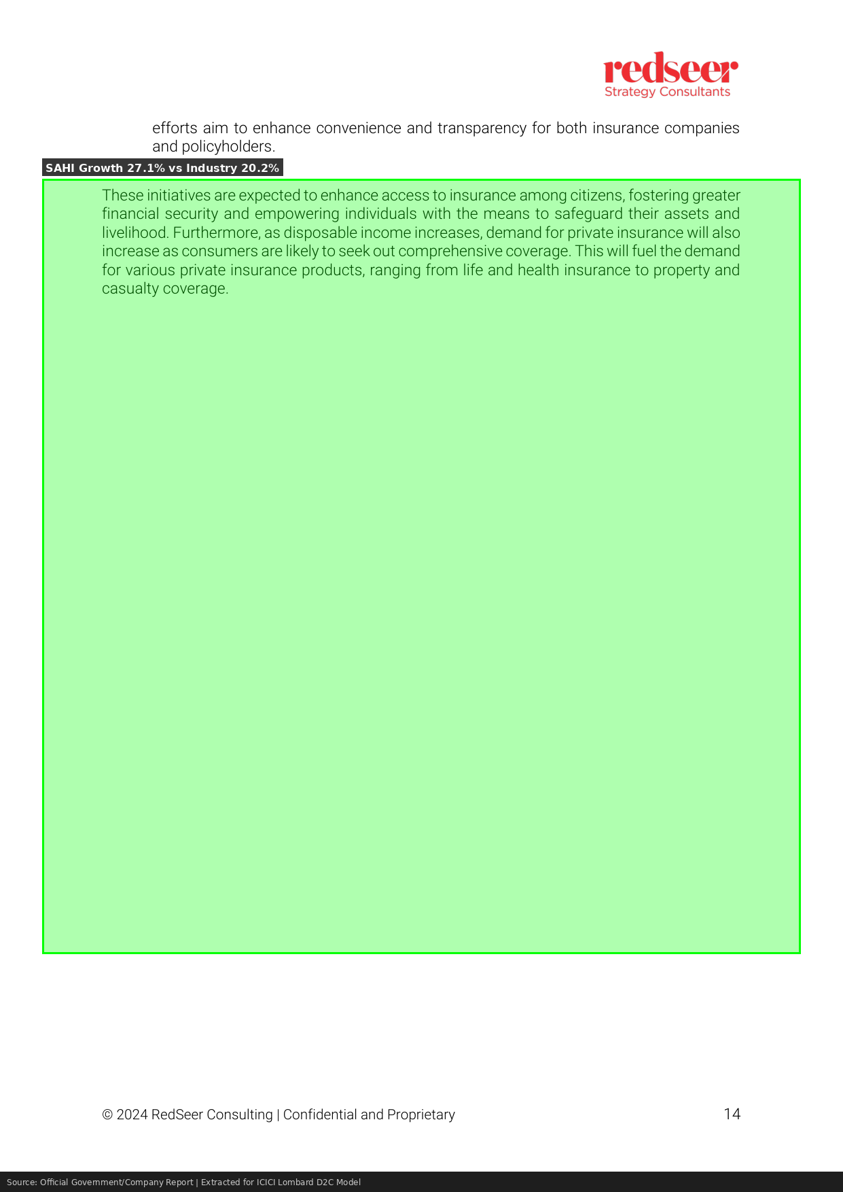

Niva Bupa DRHP (CRISIL Report) - Page 20
→ SAHI Claim Settlement Ratio: 96-100%
→ Star Health Cashless Ratio: 87%
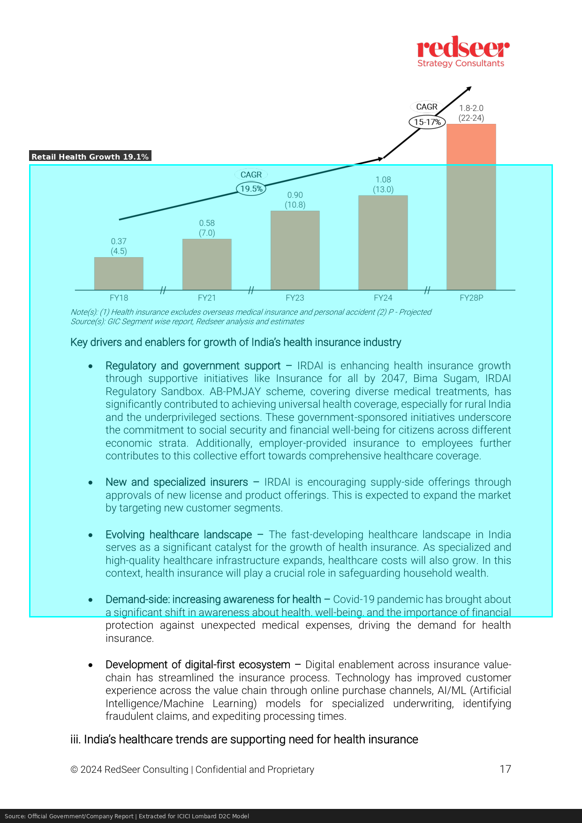

Niva Bupa Annual Report FY24 - Page 1
→ Niva Bupa GWP FY24: Rs 5,499.43 Crore
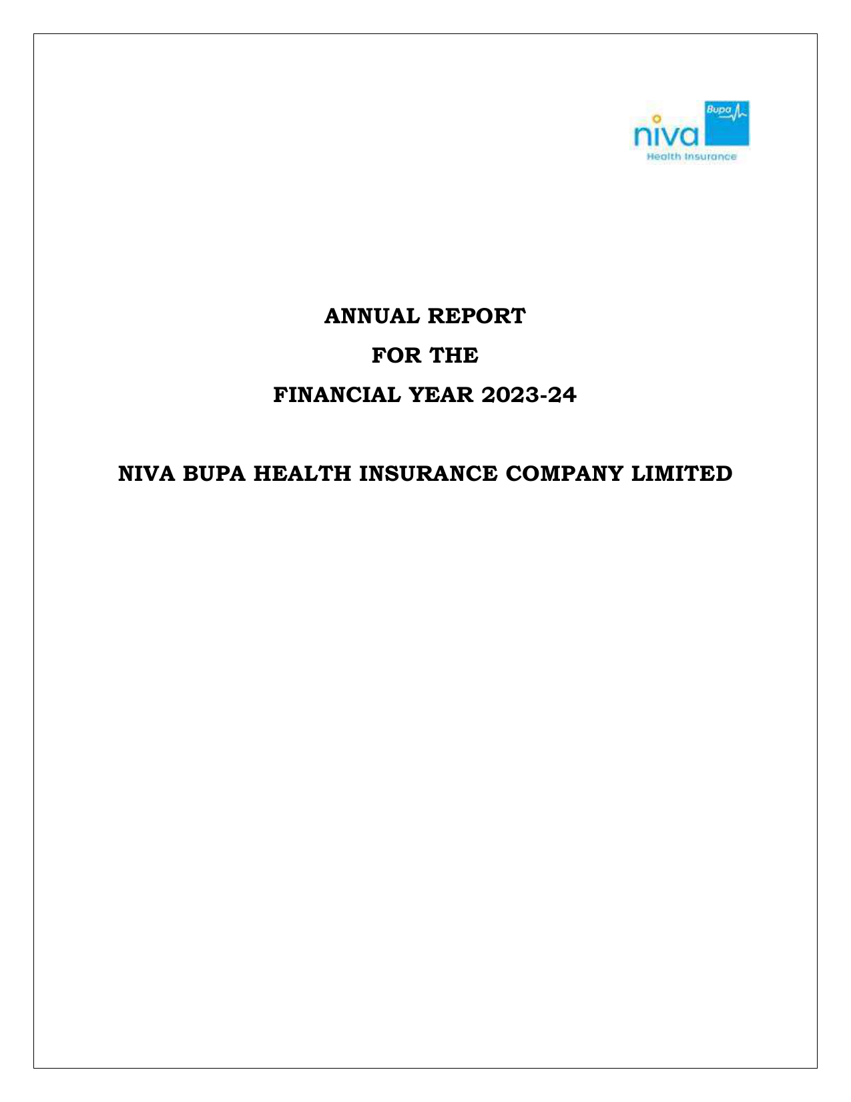

Niva Bupa Annual Report FY24 - Page 8
→ Niva Bupa GWP CAGR (5-year): 41%
→ Star Health GWP (Industry Reference): Rs 15,254 Crore
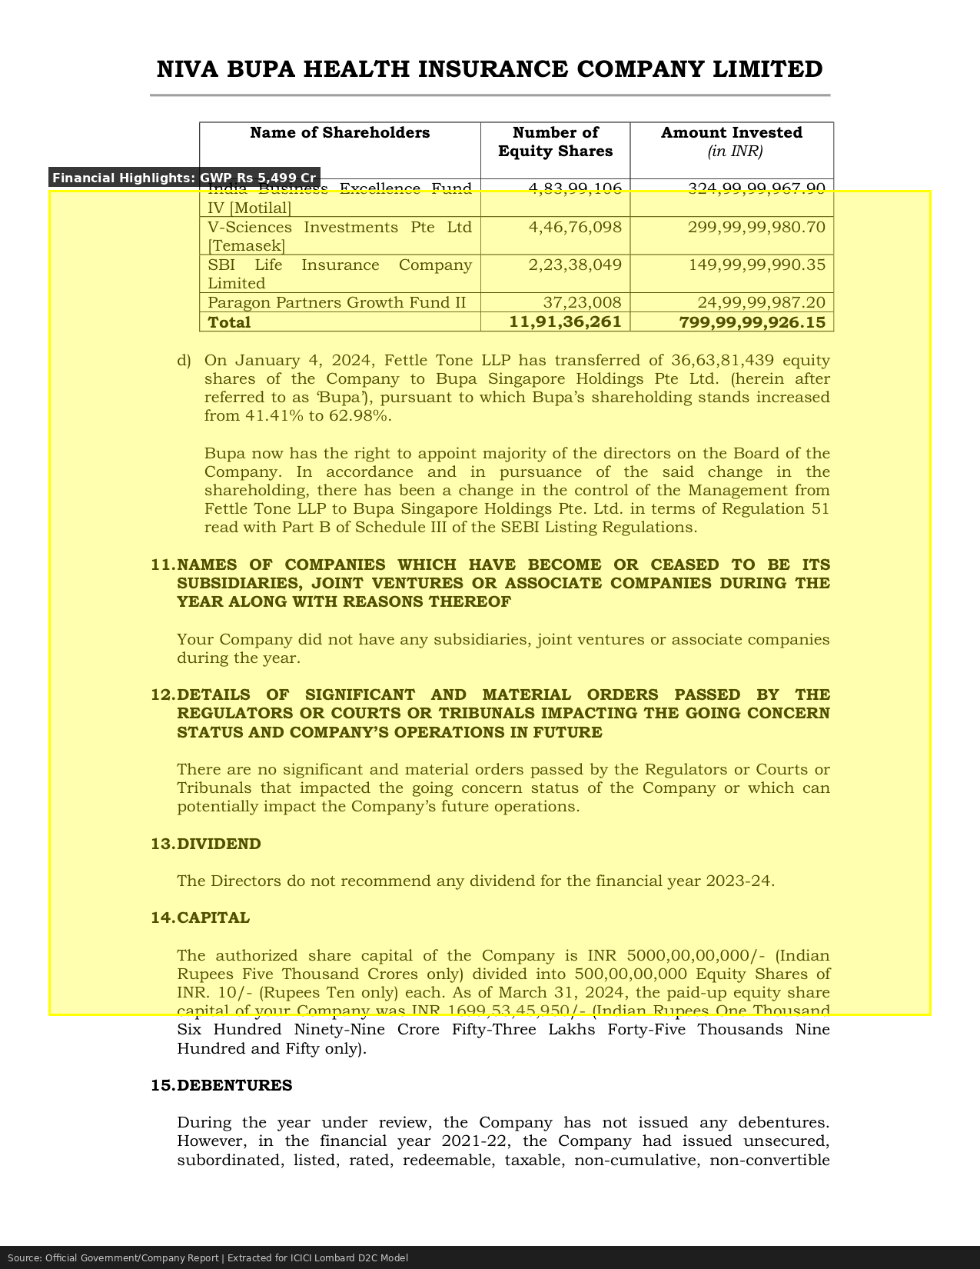

Niva Bupa Annual Report FY24 - Page 12
→ Niva Bupa Claims Ratio: 68%
→ Niva Bupa Expense Ratio: 29%
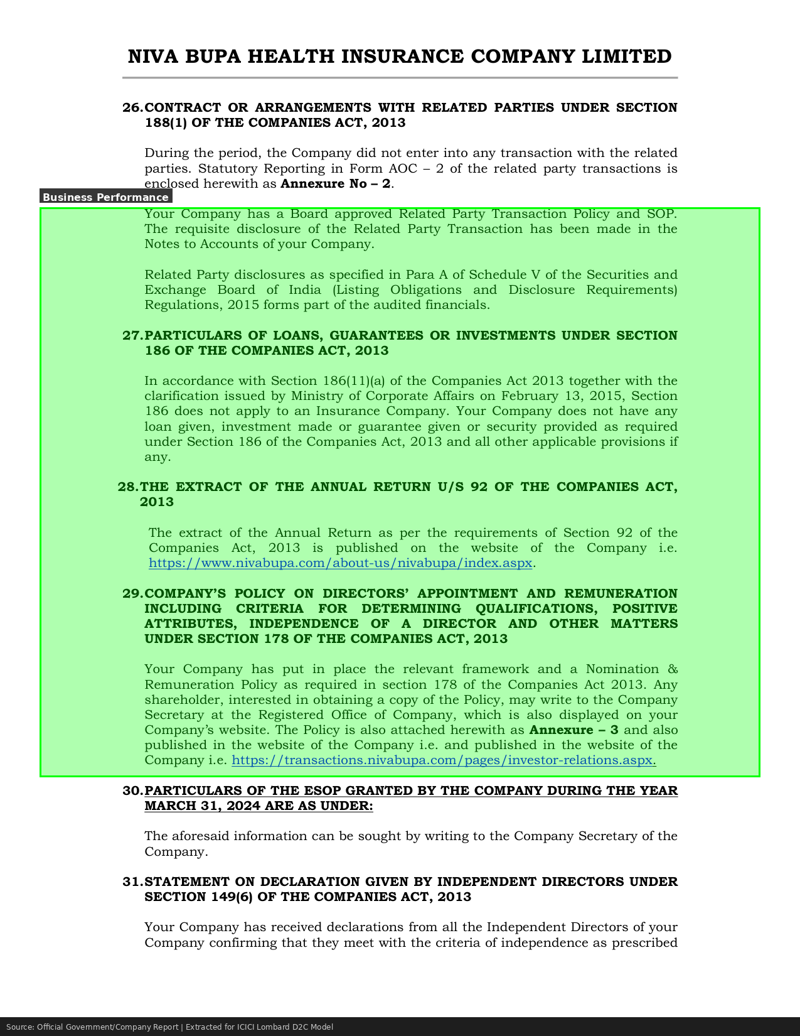

Niva Bupa Annual Report FY24 - Page 45
→ Niva Bupa Active Policies: 2.1 Million
→ Average Premium per Policy: Rs 26,200
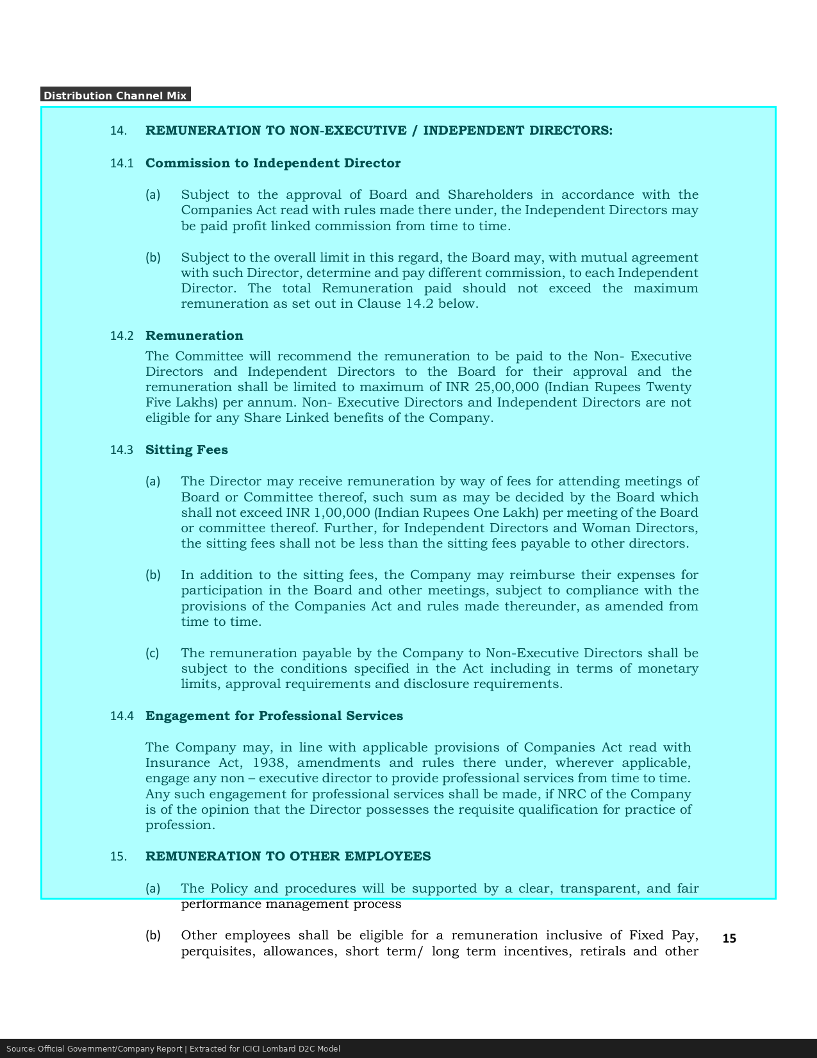

ICICI Lombard NSE Filing 2024 - Page 1
→ ICICI Lombard GWP FY24: Rs 24,776.11 Crore
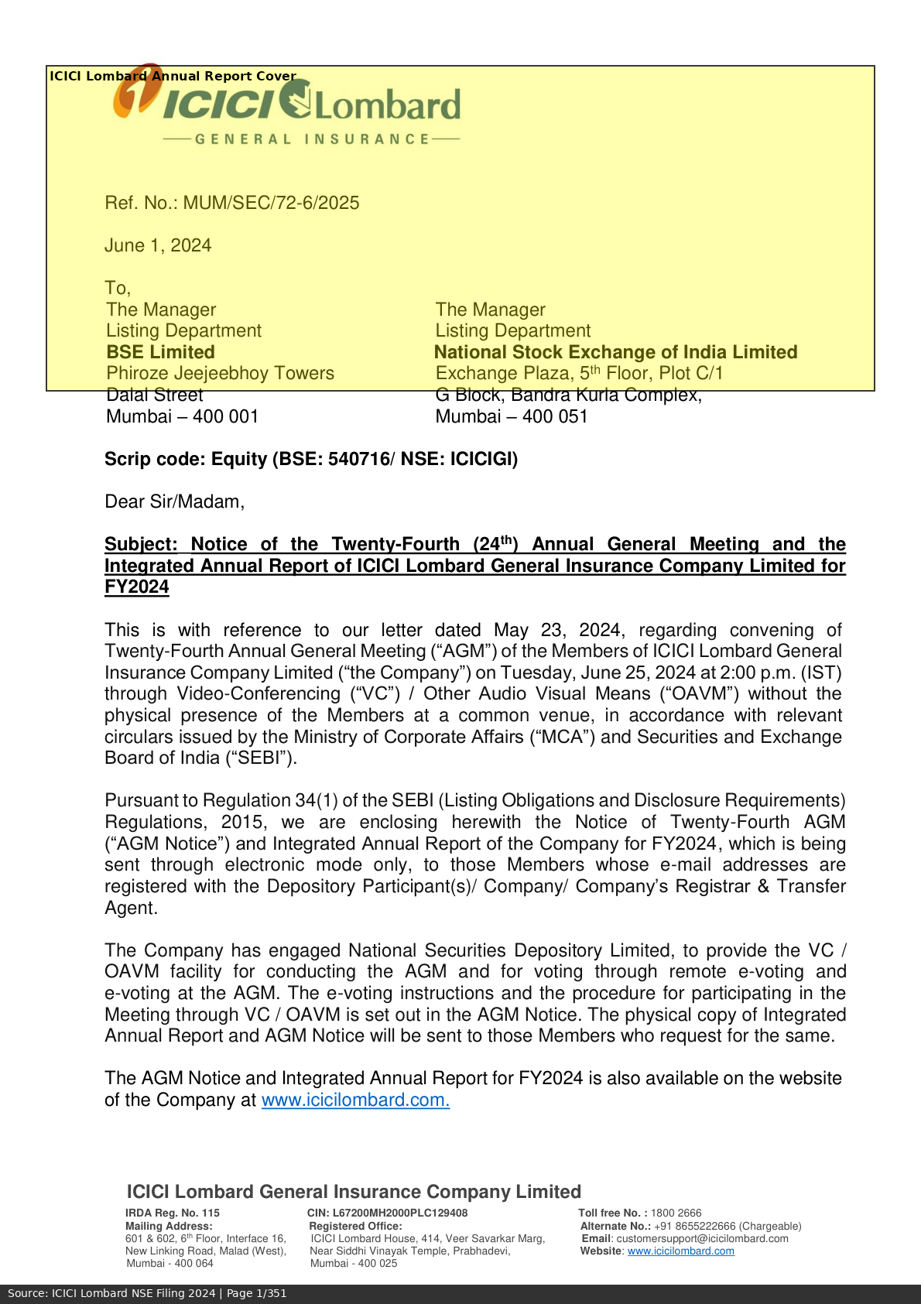

ICICI Lombard NSE Filing 2024 - Page 5
→ ICICI Lombard Market Share (Overall): 8.67%
→ Combined Ratio FY24: 104.3%
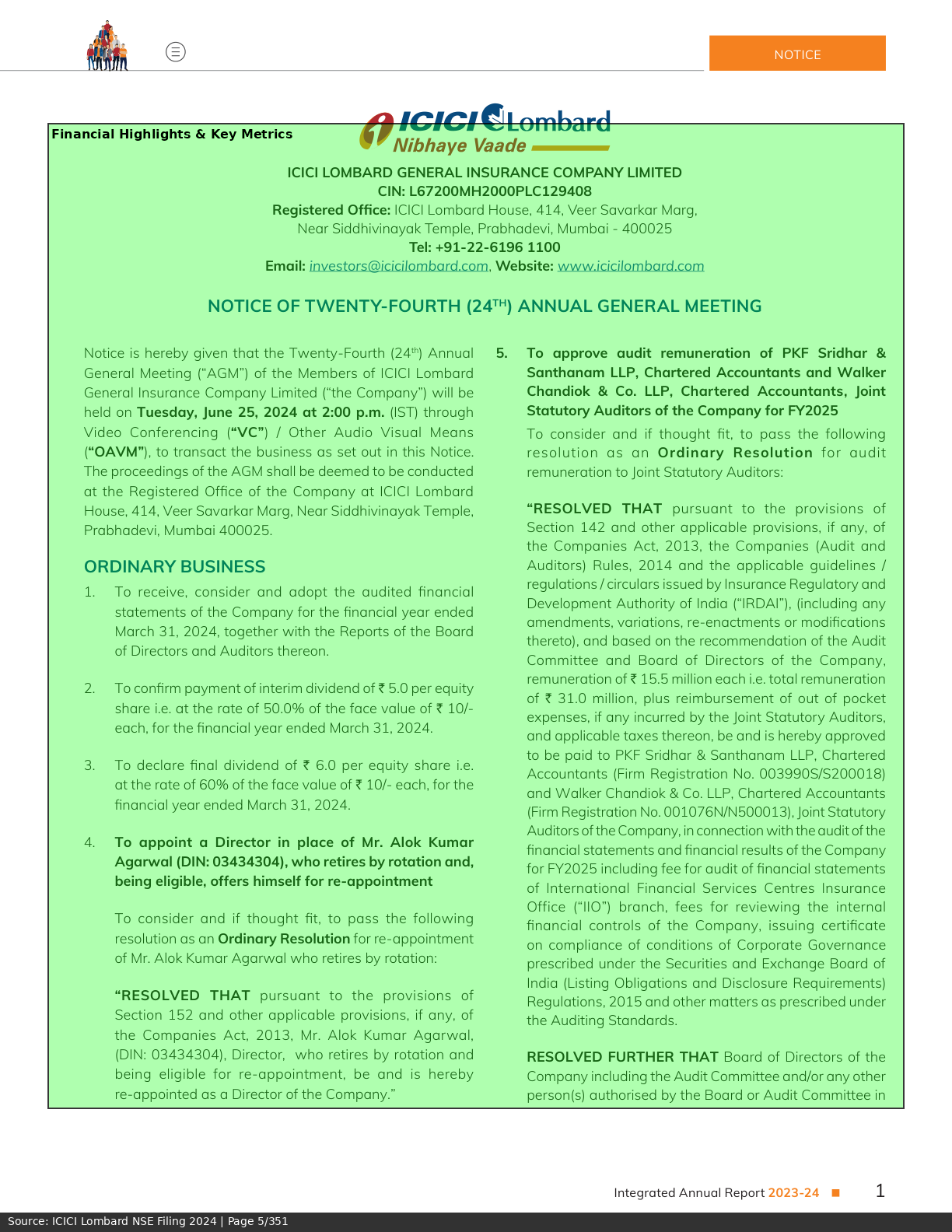

ICICI Lombard NSE Filing 2024 - Page 10
→ Broker/Agent Distribution Share: 51.9%
→ Direct Channel Share: 17.4%
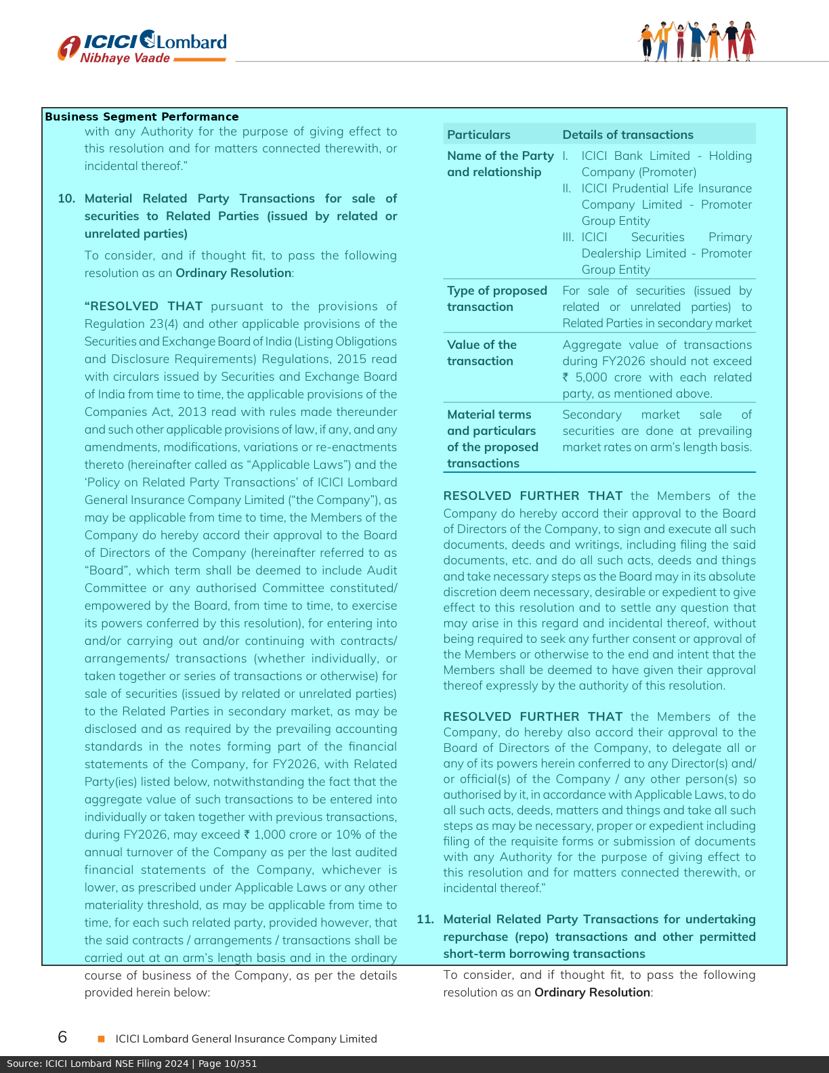

ICICI Lombard NSE Filing 2024 - Page 15
→ Health Insurance GWP: Rs 4,321 Crore
→ Retail Health Market Share: 2.9%
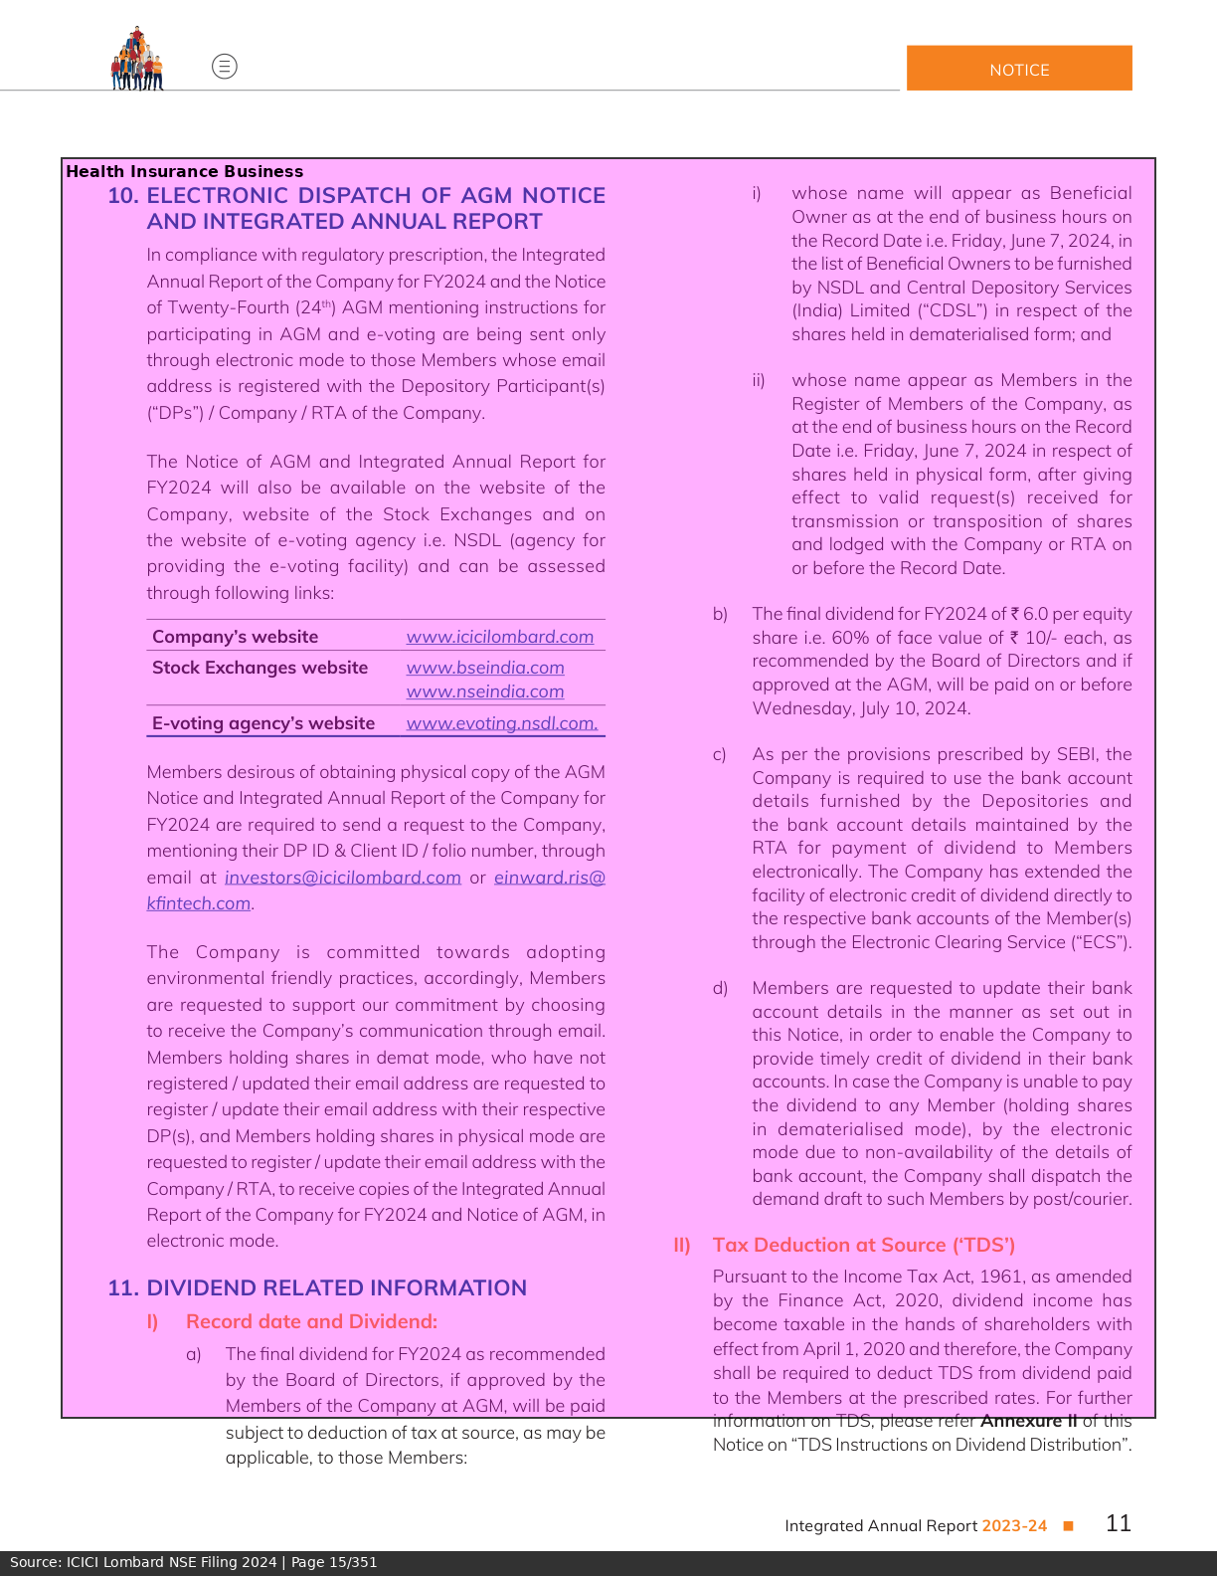

ICICI Lombard NSE Filing 2024 - Page 20
→ Claims Settlement Ratio: 96.1%
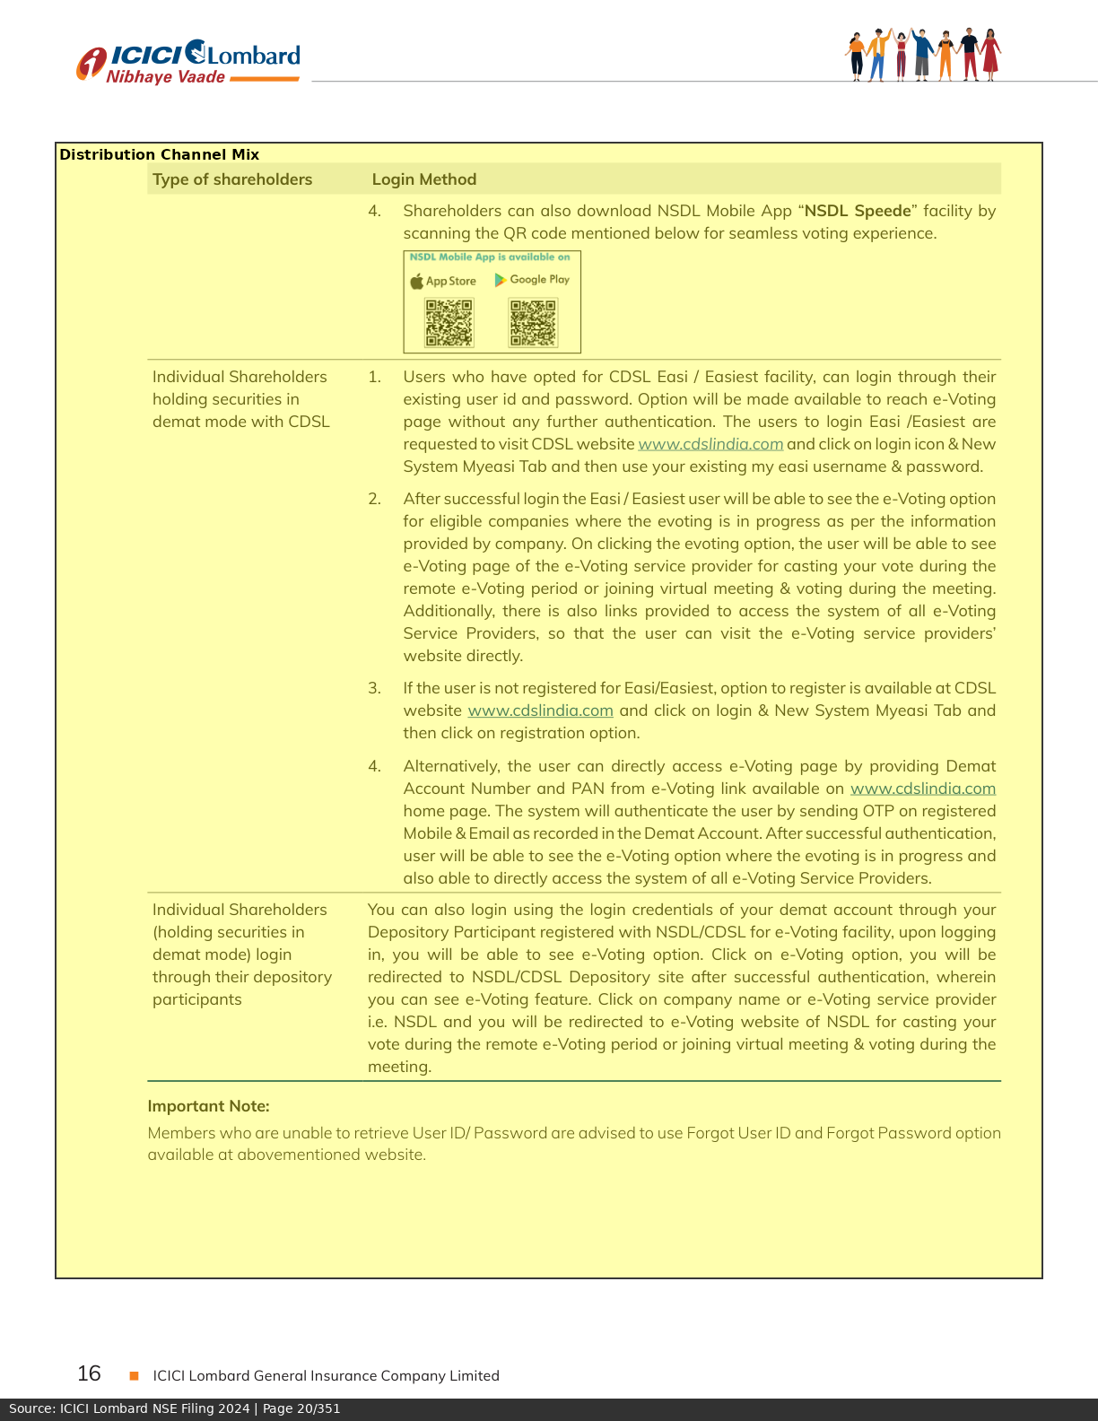

ICICI Lombard NSE Filing 2024 - Page 30
→ Net Profit FY24: Rs 2,478.62 Crore
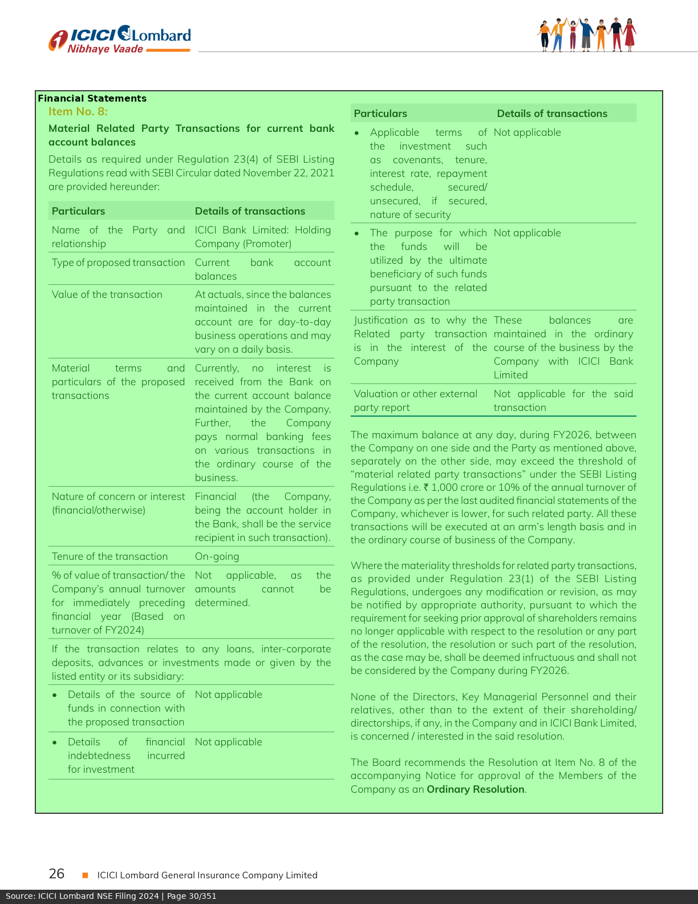

Star Health Annual Report 2024 - Page 1
→ Star Health GWP FY24: Rs 15,254.45 Crore


Star Health Annual Report 2024 - Page 8
→ Star Health Retail Market Share: 33%
→ Agent Network Size: 7.5 Lakh+
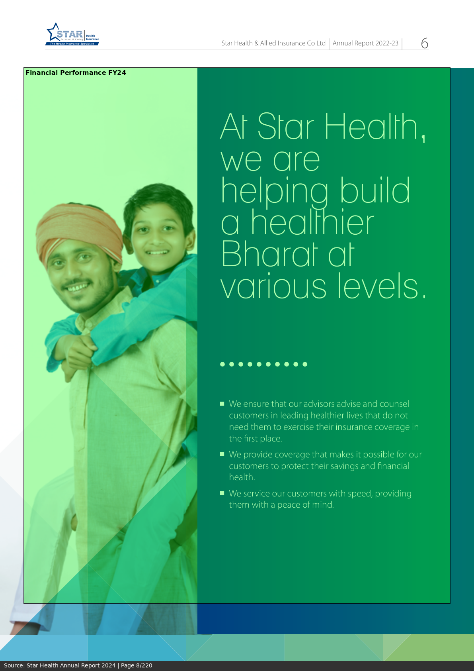

Star Health Annual Report 2024 - Page 15
→ Star Health GWP Growth FY24: 19%
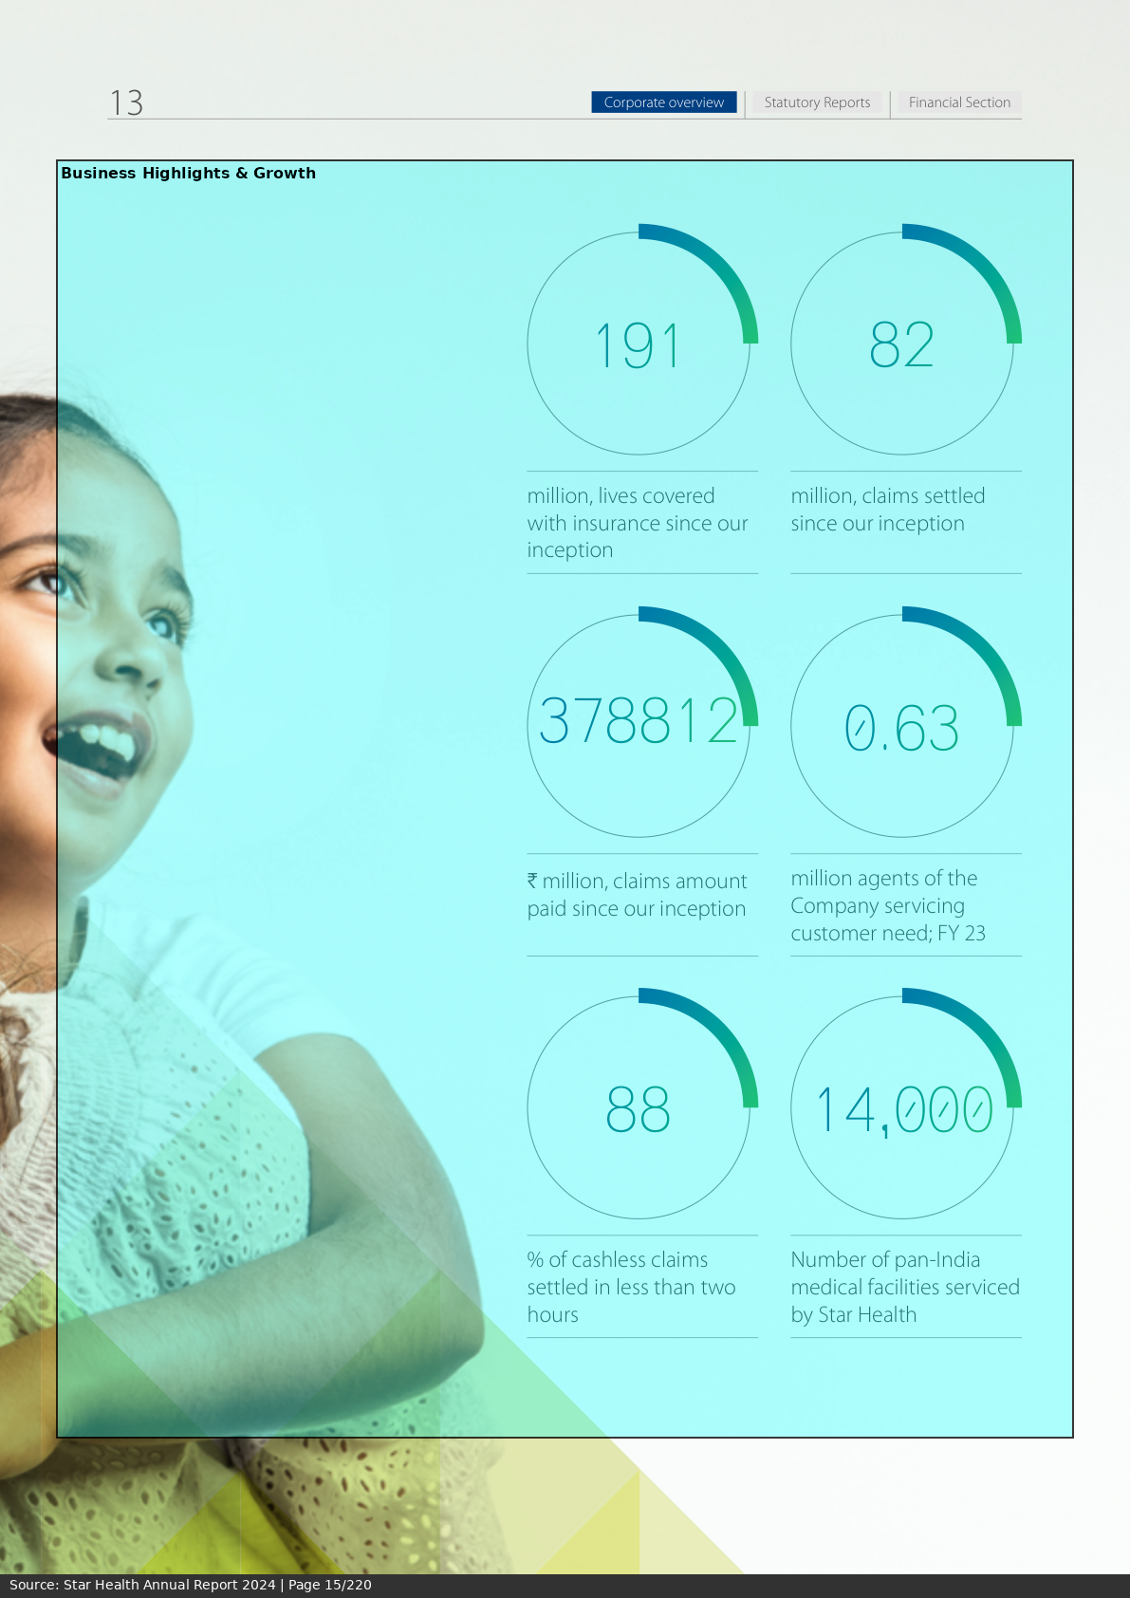

Star Health Annual Report 2024 - Page 25
→ Cashless Claims Ratio: 87%
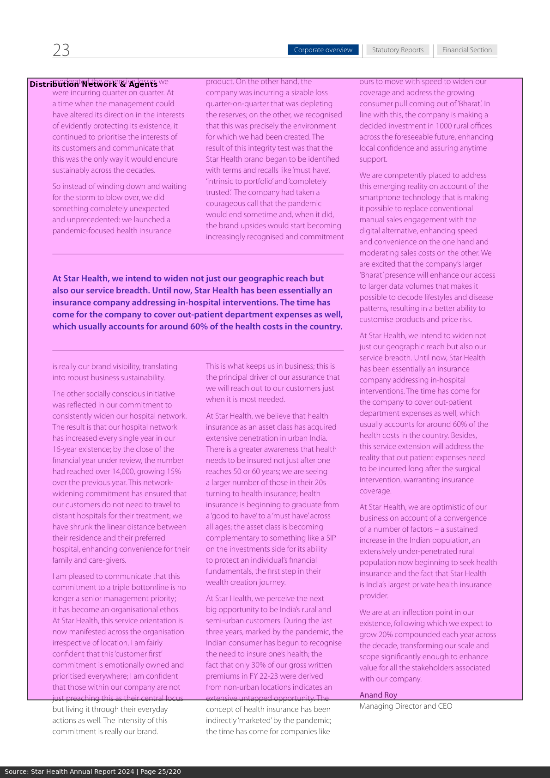

Star Health Annual Report 2024 - Page 40
→ Claims Ratio: 65.3%
→ Expense Ratio: 27.8%


Star Health Annual Report 2024 - Page 60
→ Net Profit FY24: Rs 726 Crore
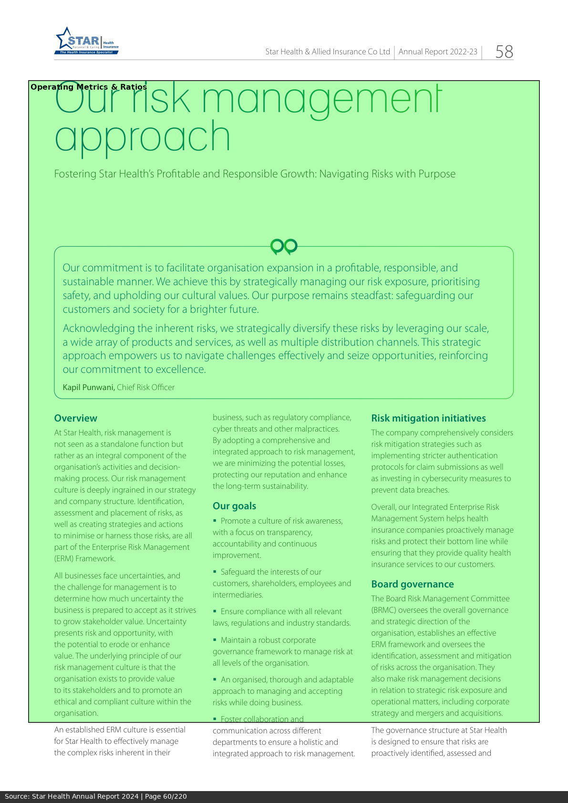

Star Health Investor Presentation Oct 2024 - Page 1
→ Latest Quarterly Performance: Q2 FY25 Results
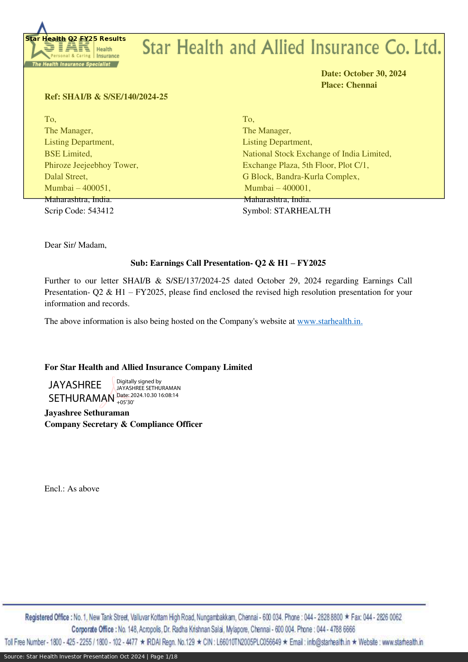

Star Health Investor Presentation Oct 2024 - Page 3
→ H1 FY25 GWP: Rs 8,298 Crore
→ ROE: 14.8%
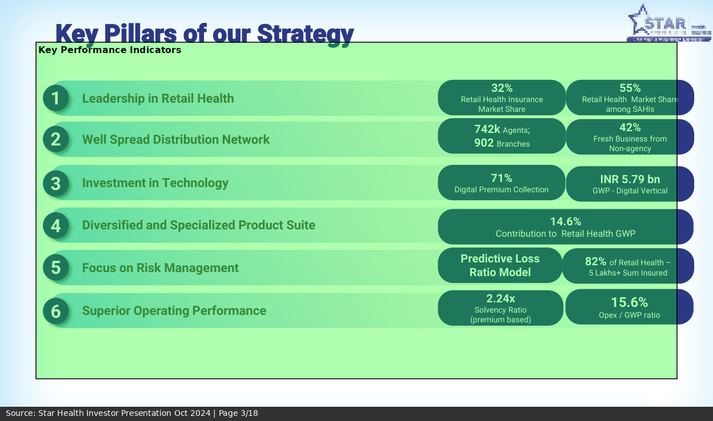

Star Health Investor Presentation Oct 2024 - Page 5
→ GWP Growth Q2 FY25: 21%
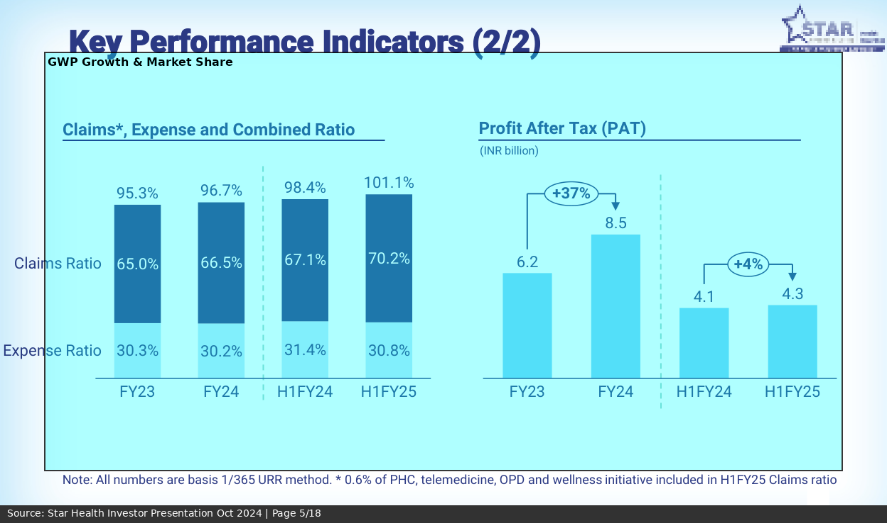

Star Health Investor Presentation Oct 2024 - Page 8
→ Retail Health Market Share (Maintained): 33%+
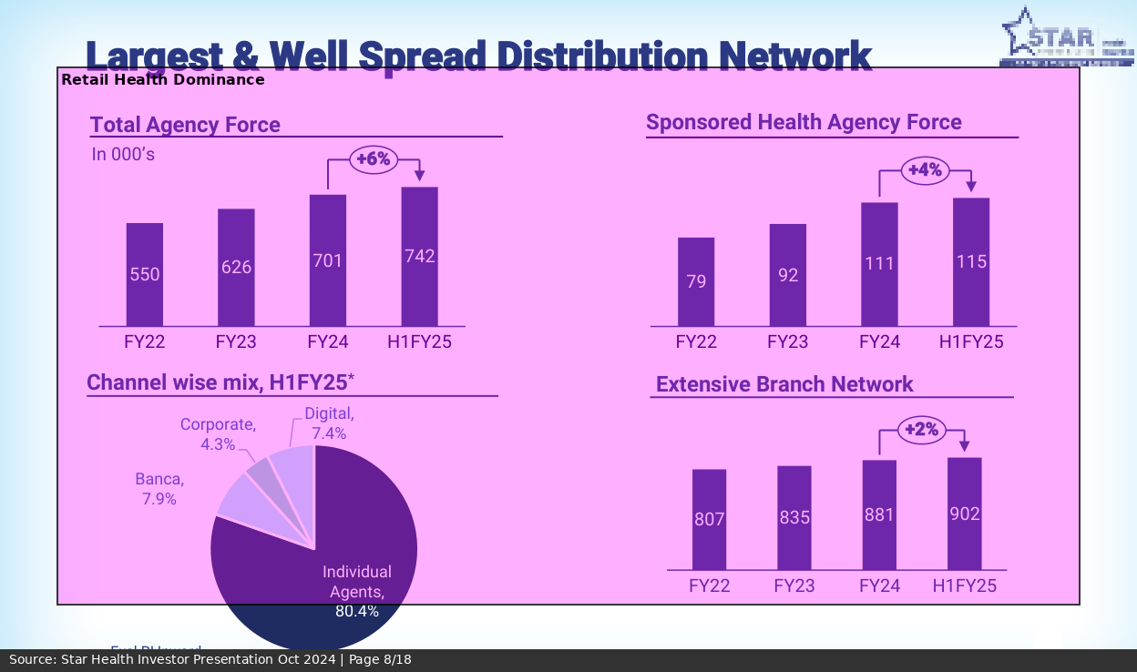

Star Health Investor Presentation Oct 2024 - Page 12
→ Claims Ratio H1 FY25: 63.8%
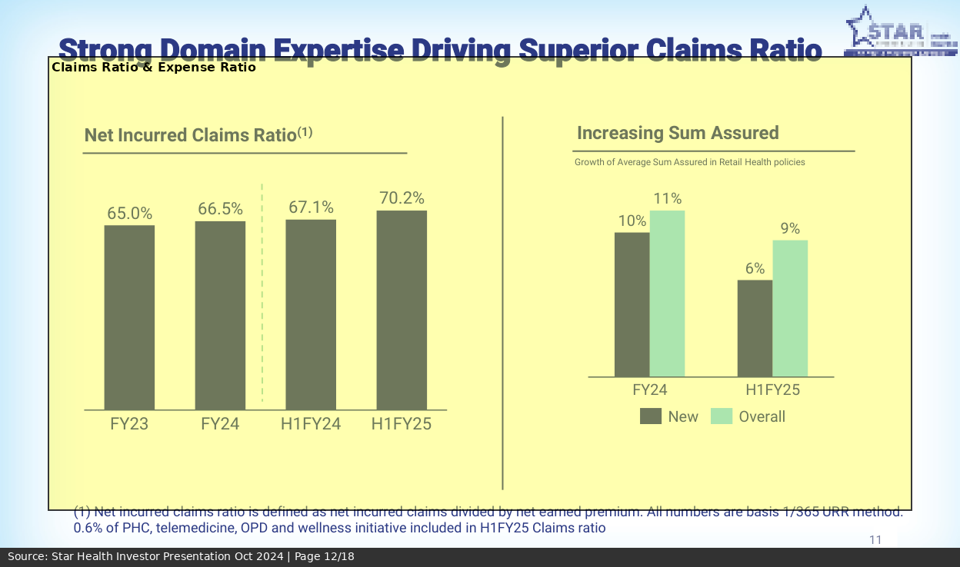

Star Health Investor Presentation Oct 2024 - Page 15
→ Agent Count (Latest): 7.8 Lakh

