Market Data Screenshots
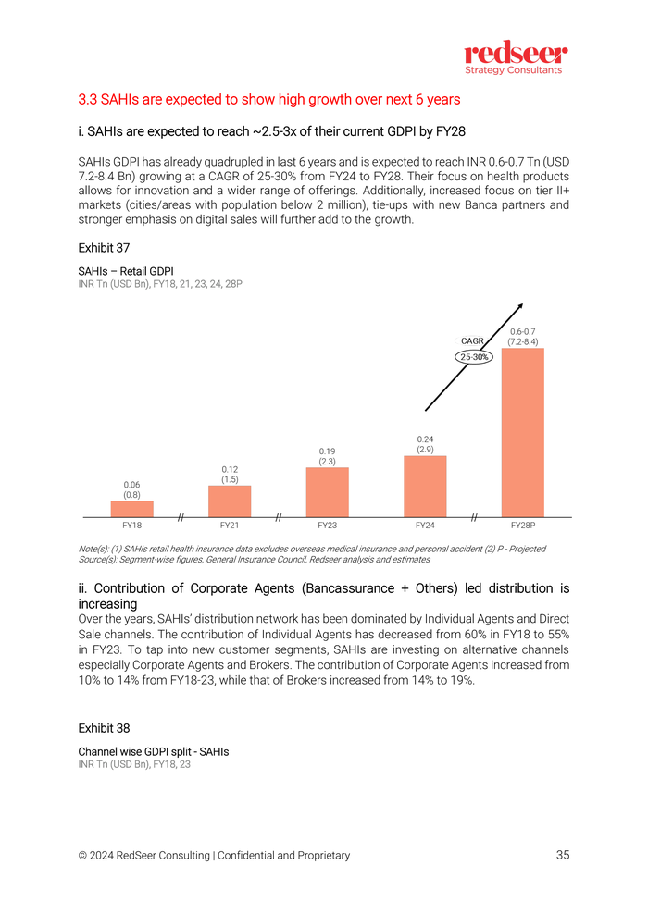
KEY DATA SOURCES - SCREENSHOTS FROM PDF REPORTS

IRDAI Health Channel Distribution
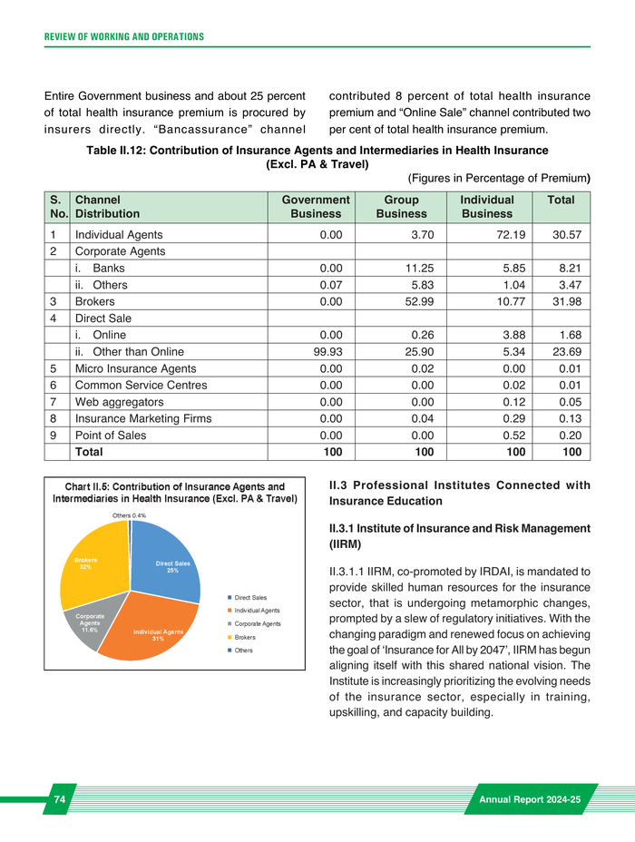

GI Council Channel GDPI Split
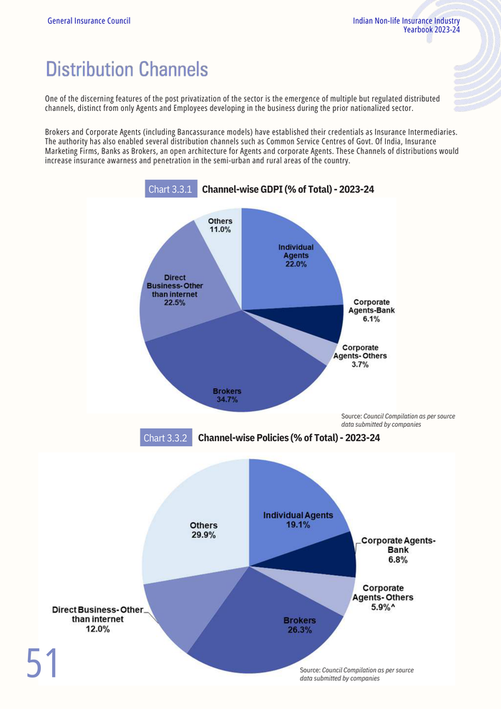

Insurance Market Size Projection
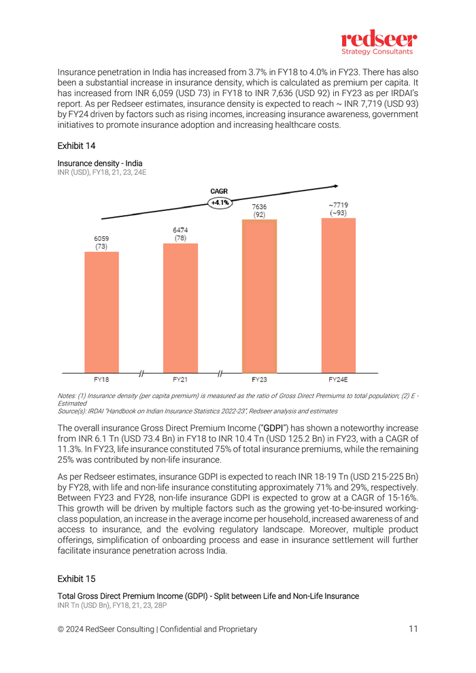

Digital Customers Projection
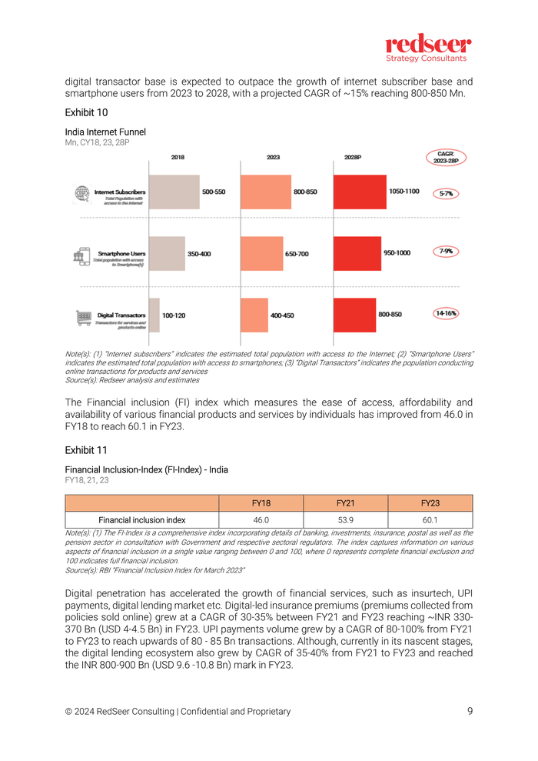

SAHI Market Growth Projection

