Data Screenshots
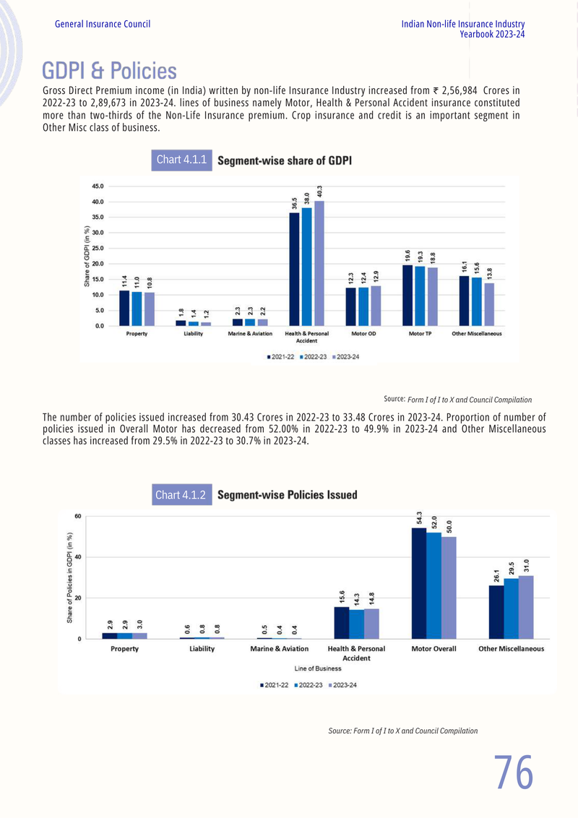
SOURCE DATA SCREENSHOTS

IRDAI - Health Policies, Lives & Premium (Page 272)
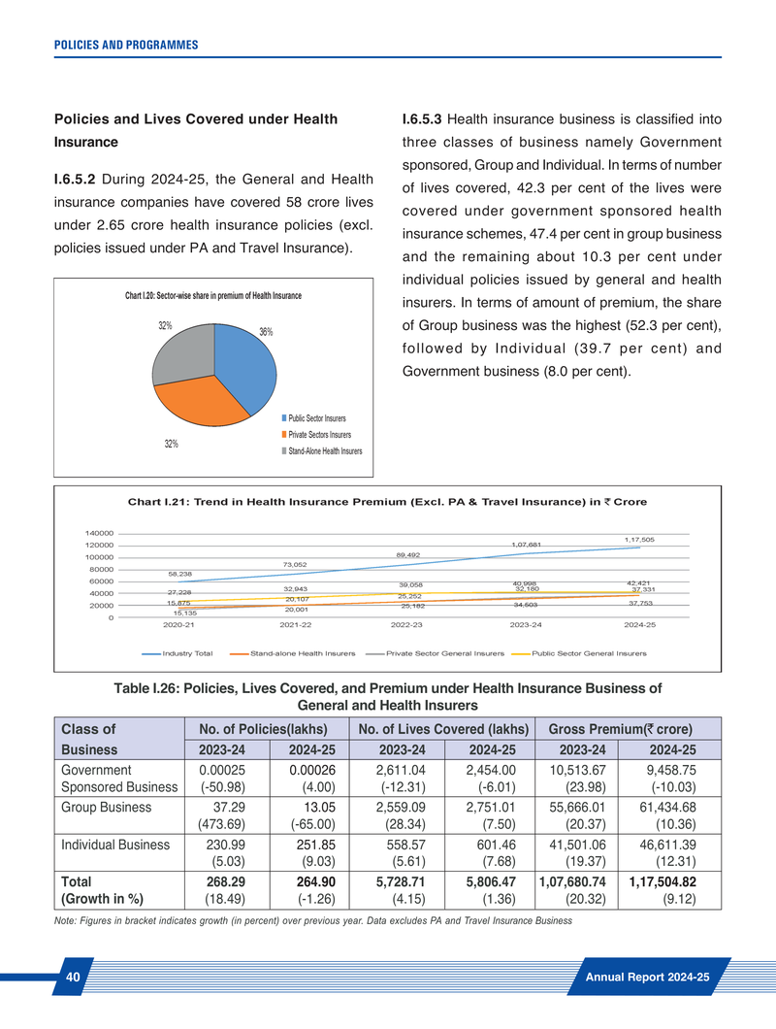

IRDAI - Web Aggregator Business (Page 301)
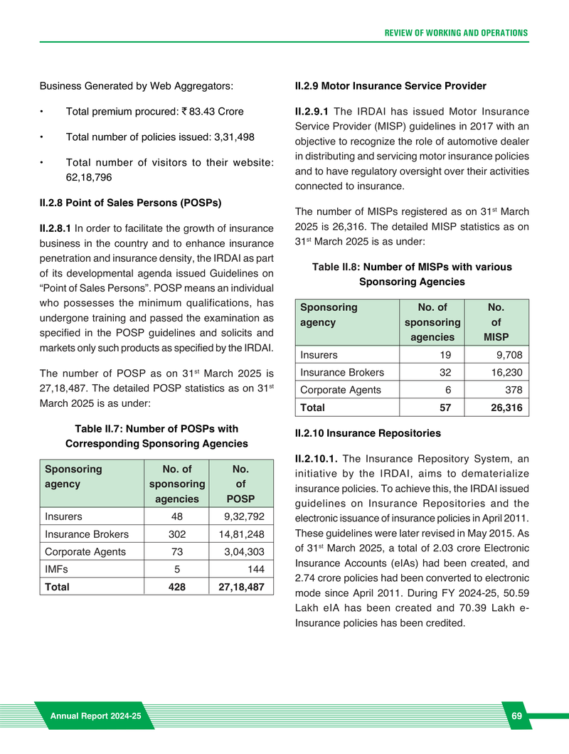

GI Council - Policies Issued (Page 96)

