Sheet1
Mean Slug Length and Slug Volume in multiphase horizontal pipeline flow
Notes:
1. Based on published work of T.J. Hill & D.G. Wood for prediction of slug frequency
2. English units used throughout the spreadsheet
3. Model assumes a horizontal pipeline and uses the Taitel-Dukler stratified flow model to
estimate the slip velocity and the equilibrium liquid holdup at the beginning of the pipeline
4. The Liquid Holdup based on no-slip uses the Beggs & Brill correlation for segregated flow
4. The Taitel-Dukler holdup is calculated from the Lockhart-Martinelli X factor

Where:
X = | Lockhart-Martinelli factor, dimensionless
Vsl = | Superficial liquid velocity, ft/s
Vsg = | Superficial gas velocity, ft/s

where:
Ql = | Liquid flow rate in gpm
D = | Pipe Inside Diameter in inches

where:
Qg = | Gas flow rate in Actual ft3/h
 | (ACFH is flow rate at actual pressure and temperature at the pipeline inlet)
ρl = | Liquid Density, lb/ft3
ρg = | Gas Density, lb/ft3
µl = | Liquid Viscosity, cP
µg = | Gas Viscosity, cP
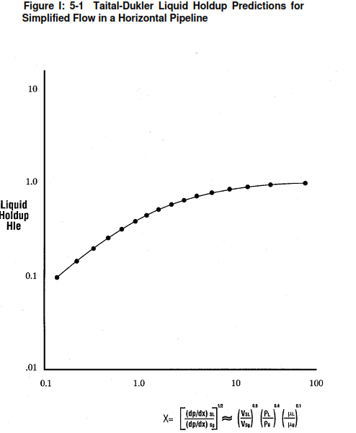

where:
Hle = | Liquid Holdup (based on stratified flow at the inlet of the pipe), dimensionless
 | (Read Hle from the figure above)

and

where:
Ug = | Actual Gas Velocity, ft/s
Ul = | Actual Liquid Velocity, ft/s

Slug Frequency
Slug frequency is given by the following equation:

where:
Fs = | Slug Frequency, slugs/hr

To calculate the slug length, the slug fraction, which is defined as the slug length divided by the sum of
the slug and bubble lengths, must be known.

Liquid Holdup in Slug & Bubble

where:
Hls = | Liquid Holdup in the slug, dimensionless
Vm = | mixture velocity based on gas/liquid superficial velocities, ft/s

where:
Hlb = | Liquid holdup in the bubble, dimensionless
 | The liquid holdup in the bubble (Hlb) can be assumed to be ~0.2 for much of the slug flow range

Slug Fraction

where:
SF = | Slug fraction, dimensionless

Liquid holdup at inlet of pipeline based on Beggs & Brill Correlation for Segregated flow

where:
CL = | Input Volume fraction (no-slip holdup), dimensionless

Frm = | Froude Number, dimensionless

where:
gc = | standard acceleration due to gravity, 32.2 ft/s2

Mean Slug Length

where:
Ls = | Mean Slug Length, ft

Maximum Slug Length
Maximum Slug Length is approximately 6 times the average slug length

where:
Lmax = | Maximum Slug length, ft

Design Slug Volume

where:
Qslug = | Slug volume, ft3
Ap = | Cross-sectional area of pipe, ft2
Qdump = | Volume rate of the dump valve, ft3/s
 | (As an approximation consider it to be 1.33 times the liquid flow rate at the pipeline inlet)

Calculations
Inputs
Pipe Inside Diameter, D= |  |  | 9.5 | inches
Ql = |  |  | 590 | gpm
Qg = |  |  | 12180 | ACFH
ρl = |  |  | 53.97 | lb/ft3
ρg = |  |  | 1.1 | lb/ft3
µl = |  |  | 7.1 | cP
µg = |  |  | 0.012 | cP
Hlb = |  |  | 0.2
Dump Valve vol flow factor = |  |  | 1.33

Results
Vsl = |  |  | 2.09 | ft/s
Vsg = |  |  | 5.40 | ft/s
X = |  |  | 3.83
Hle = |  |  | 0.68 | (from figure)
Ug = |  |  | 16.87 | ft/s
Ul = |  |  | 3.08 | ft/s
Fs = |  |  | 101 | slugs/hr
Vm = |  |  | 7.49 | ft/s
Hls = |  |  | 0.864
CL = |  |  | 0.279
Frm = |  |  | 2.201
Hl = |  |  | 0.493
SF = |  |  | 0.44
Ls = |  |  | 117.3 | ft
Lmax = |  |  | 704 | ft
Ap = |  |  | 0.5 | ft2
Qdump = |  |  | 1.75 | ft3/s
Qslug = |  |  | 135.2 | ft3

Change Log for Revision 1:
1. There was error in formula of liquid holdup (Hl) in original file. The same has been corrected in Rev. 1 based on
Beggs and Brill correlation for liquid holdup in horizontal pipelines for segregated flow and considering no-slip.
2. All holdups (Hle, Hls, Hlb and Hl) are dimensionless quantities indicating vol. fractions and mentioned as such in Rev. 1
3. Original file had erroneously mentioned slug volume (Qslug) as ft3/s in results. Same has been corrected to ft3 in Rev. 1.

Prepared by: |  | Ankur Srivastava
 |  | Chemical Engineer
 |  | ankur_2061@hotmail.com

