Vessel
Air Vessel Sizing for Water Hammer Prevention in Pipelines
Reference: Simple Guide for Design of Air Vessels for Water Hammer Protection of Pumping Lines
http://www2.ce.metu.edu.tr/~ce534/links/docs/CE534-WebFiles/air-chamber.pdf

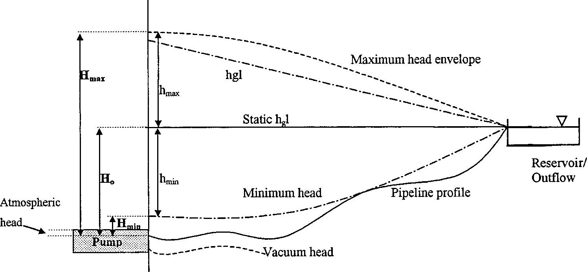

Figure 1: Pipeline Profile

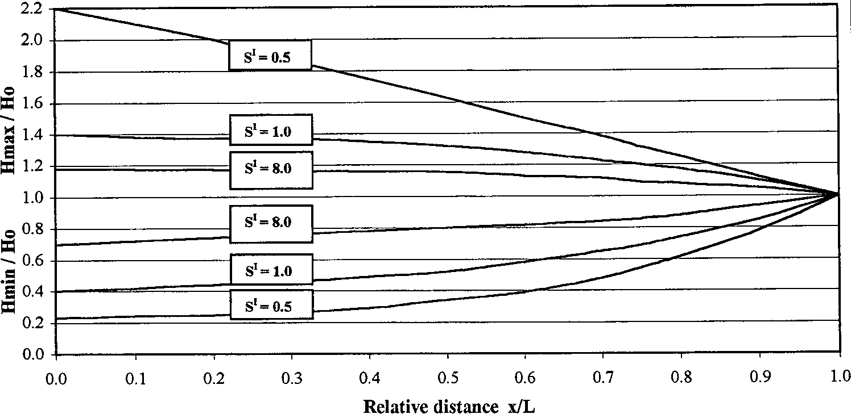

Figure 2: Maximum and minimum head envelopes based on incompressible flow theory

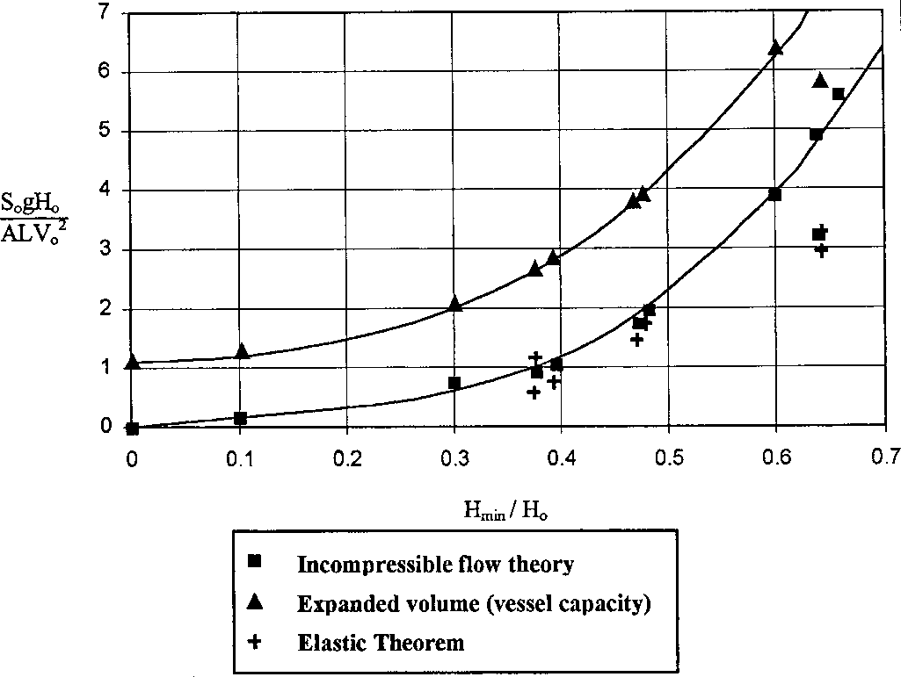

Figure 3: Air and Vessel Volumes

Terms In above charts:

 |  |  | ------------------- (1)

where:
S' = | Dimensionless parameter
S0 = | Initial gas volume in vessel, m3
g = | gravitational acceleration, 9.8 m/s2
Ho = | Static head above pump discharge nozzle plus destination pressure (in head terms), m
A = | Cross-sectional area of pipeline, m2
L = | Length of pipeline, m
v0 = | Initial Pipeline Velocity, m/s
Hmin = | minimum static head above pump discharge nozzle plus destination pressure (in head terms), m
Hmax = | maximum static head above pump discharge nozzle plus destination pressure (in head terms), m

For majority air vessel volume calculations consider the following values

and

From "Figurre 2" , S' = 1
Rearranging equation (1) considering S' = 1

 |  |  | ----------(2)

 |  | ----------------(3)

where:
S = | Air vessel volume, m3
Sw = | Initial water volume in vessel, m3

 |  | ------------(4)

where:

 |  | ----------(5)

Compressed Air or Nitrogen
Calculations
Inputs
S' = | 1 |  | (Hmin / H0 = 0.4)
Hmin / H0 = | 0.4
H0 = | 410 | m
dp = | 900 | mm
L = | 18000 | m
v0 = | 1.4 | m/s
Safety factor on Vessel Volume | 1
Air Vessel
Liquid
(L/D)vessel = | 2.38

d_{i}
Outputs
A = | 0.636 | m2
S0 = | 5.6 | m3
hmin = | 246 | m
Sw = | 9.3 | m3
S = | 14.9 | m3
d₀
S with SF = | 14.9 | m3
Inlet
Outlet
Dvessel = | 2.00 | m
Lvessel = | 4.75 | m

Pipeline
d_{p}

Outlet Connection (do)
1. do is generally 0.25 to 0.5 times the pipe diameter dp
2. Size needs to be verified based on point number 1 to ensure that velocity is kept at or below 10 m/s in the outlet piping

Inlet Connection

 |  |  | -----------(6)

where:
di = | Inlet connection size, mm
dp = | pipeline size, mm

 |  | ------------(7)

Since Hmax = 1.4*H0,

Re-arranging equation (6), we get

Calculations (Inlet / Outlet Size)
Inputs
dp = | 900 | mm
v0 = | 1.4 | m/s
H0 = | 410 | m

Outputs
do = | 225 | mm
 | 8.9 | inch
di = | 118.9 | mm
 | 4.7 | inch
Selected Size
do = | 10 | inch
di = | 6 | inch

Prepared by: | Ankur Srivastava
 | Chemical Engineer
 | ankur_2061@hotmail.com

