Sheet1
Performance Prediction of a 3-stage propane refrigeration system
Based on an original paper by 'Alireza Bahadori'
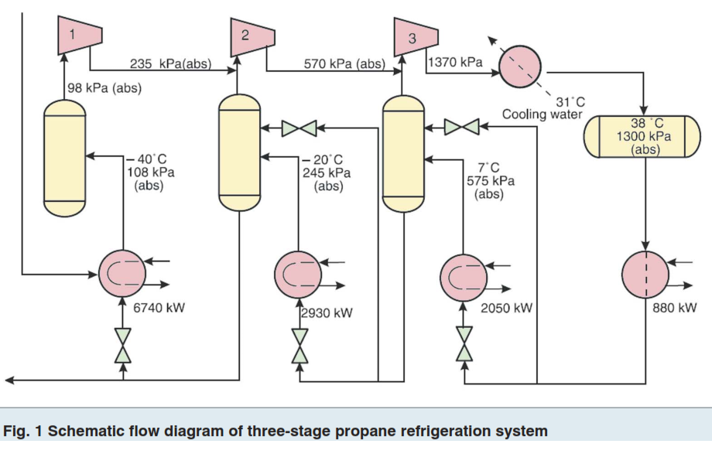

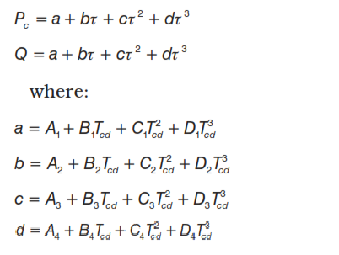

where:
Pc = | Compressor power per refrigeration duty, kW / MW
Q = | Condenser duty per refrigeration duty, kW / MW
τ = | Evaporator temperature, K
Tcd = | Refrigerant-condensing temperature, K

Notes for Equations and Table
The first two equations represent the proposed governing equation in which four parameters are used to correlate the compressor power and condenser duty per MW of refrigeration
duty in a three-stage propane refrigerant system as a function of evaporator temperature in (K) and refrigerant condensing temperature in (K). The subsequent four equations provide
calculations for parameters a, b. c, and, d using tuned coefficients A1, B1, C1, D1; A2, B2, C2, D2; A3, B3, C3, D3; and, A4, B4, C4, D4. The values of the tuned coefficients are provided in the
table below. Errors in the original table from the paper have been corrected.
The predictive tool (set of equations) uses the following inputs / assumptions:
i. A polytropic efficiency of 0.77 is utilized for the compressors
ii. Equal compression ratio has been considered for the 3-stages of compression
iii. The pressure at the compressor suction nozzle and the side load nozzle have been adjusted by 10 kPa
to account for pressure drop.
iv. A 70 kPa pressure drop has been considered for the refrigerant condenser in this predictive tool.

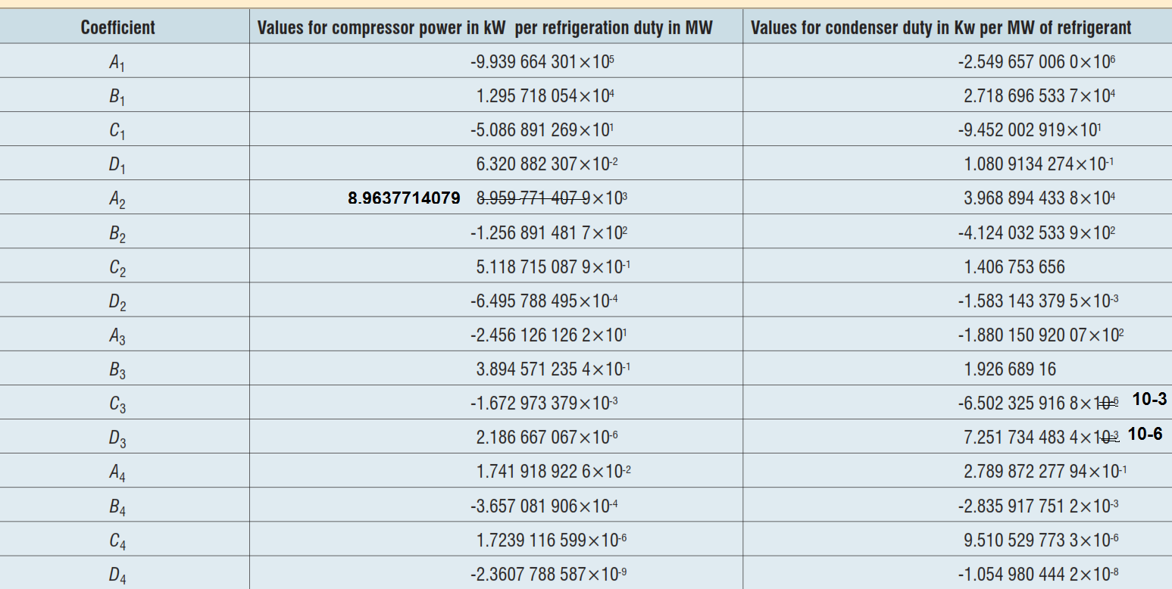

Inputs
Refrigeration Duty = |  | 7.325 | MW
Condenser Temp, Tcd = |  | 38 | ⁰C
Evaporator Temp, τ = |  | -29 | ⁰C

Outputs (compressor power)
Tcd = | 311.15 | K
τ = | 244.15 | K
a = | 1.6909E+04
b = | -1.5968E+02
c = | 5.2121E-01
d = | -5.8715E-04
Pc = | 446.82 | kW / MW

Outputs (condenser duty)
a = | 14794.114332
b = | -126.68307009
c = | 4.0559E-01
d = | -4.5303E-04
Q = | 1.4481E+03 | kW / MW

Outputs (Total compressor Power / Total Condenser Duty)
Ptotal = | 3273 | kW
Qtotal = | 10608 | kW

Conclusion:
Comparison of results from the predictive tool with data reported by GPSA in studies conducted by them over a wide range of refrigerant condensing temperature and
evaporator temperature for 3-stage propane refrigeration system gives an "average absolute deviation percent" of only 1.38%, which makes this tool very useful.

Prepared by: Ankur Srivastava
Chemical Engineer
Email: | ankur_2061@hotmail.com

