Sheet1
Calculate Pressure Drop in Basket & Tee Strainers
Reference: | http://seperationtechnology.com/calculate-pressure-drop-in-filters-and-strainers/

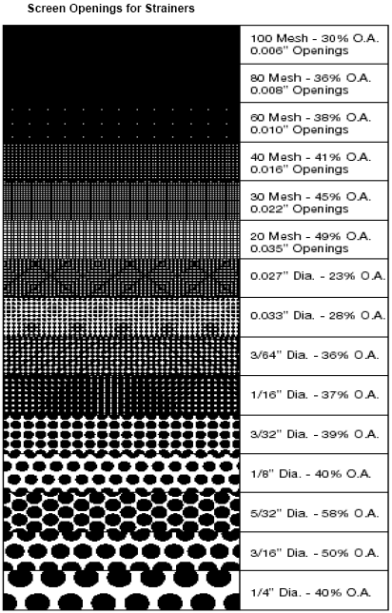
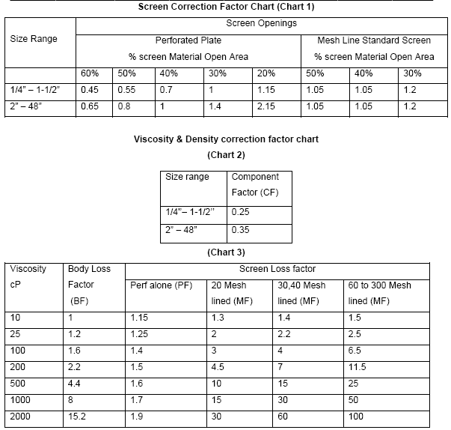

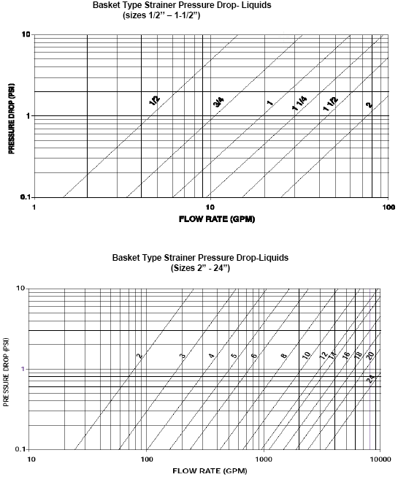

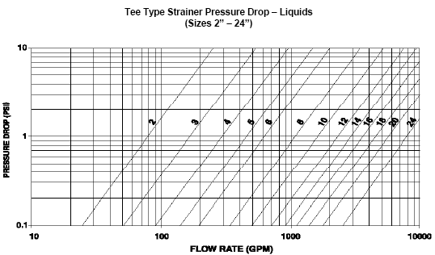

Inputs
Strainer Type = | Basket
Flow Rate = | 700.1 | GPM | 159 | m3/h
Viscosity = | 100 | cP
Specific Gravity = | 1
Type of Screen = | Meshlined Std Screen
Line Size = | 6 | inch

Results
Open Area = | 30 | % | (from figure)
Pressure Drop = | 0.9 | psi | (from graph)
Screen Correction Factor = | 1.2 |  | (Chart 1)
P1 = | 1.08 | psi | (Pressure Drop*Screen Correction Factor)
P2 = | 1.08 | psi | (P1*Specific Gravity)
Viscosity and Density Correction factor = | 0.35 |  | (Chart 2)
P3 = | 0.38 | psi | (P2*Viscosity and Density correction factor)
P4 = | 0.70 | psi | (P2-P3)
Body Loss Factor = | 1.6 |  | (Chart 3)
P5 = | 0.60 | psi | (P3*Body loss Factor)
Screen Loss Factor = | 6.5 |  | (Chart 3)
P6 = | 4.56 | psi | (P4*Screen Loss Factor)
Total Pr Drop (P7) = | 5.17 | psi | (P5+P6)

Prepared by:
Ankur Srivastava
Chemical Engineer
ankur_2061@hotmail.com

