NF-2 PLF
Normalization Factor for Unit/Module Load Factor
Name of the Thermal Power Station |  |  |  | 0
Documents Availability |  |  |  | Yes | Yes
Type of Thermal Power Plant |  |  | Coal/Lignite/Oil/Gas Fired
Sr No | Item | Calculation/Basis | Unit | Unit-1 |  | Unit-2 |  | Unit-3 |  | Unit-4 |  | Unit-5 |  | Unit-6 |  | Unit-7 |  | Unit-8 |  | Unit-9 |  | Unit-10
 |  |  |  | AY | BY | AY | BY | AY | BY | AY | BY | AY | BY | AY | BY | AY | BY | AY | BY | AY | BY | AY | BY | Remarks
1 | Unit Capacity | NF-1 Coal Quality'! Sr No 1 for AY and 'NF-1 Coal Quality'!Sr 1 for BY | MW | 0 | 0 | 0 | 0 | 0 | 0 | 0 | 0 | 0 | 0 | 0 | 0 | 0 | 0 | 0 | 0 | 0 | 0 | 0 | 0
2 | Design Turbine Heat Rate @ 100% Load (OEM) | (IF(General Information' Sr. No. 3="Coal/Lignite/Oil/Gas Fired",IF('Form Sh' OEM THR =0,'Form Sh' PG Test THR,'Form Sh' OEM THR),860*100/AY[3], 0) | kcal/kWh | 0.00 | 0.00 | 0.00 | 0.00 | 0.00 | 0.00 | 0.00 | 0.00 | 0.00 | 0.00 | 0 | 0 | 0 | 0 | 0 | 0 | 0 | 0 | 0 | 0
3 | Boiler Design Efficiency | IF('Form Sh' OEM [B.Eff.]=0,'Form Sh' PG Test [B. Eff.],'Form Sh' OEM [B.Eff.]) | % | 0 | 0 | 0 | 0 | 0 | 0 | 0 | 0 | 0 | 0 | 0 | 0 | 0 | 0 | 0 | 0 | 0 | 0 | 0 | 0
4 | Design Turbine Heat Rate @ 100% Load (Curve or HBD) | As per 'Form Sh= U#1[5.(i)], U#2[5.(ii), U#2[5.(iii), U#2[5.(iv), U#2[5.(v), U#2[5.(vi), U#2[5.(vii), U#2[5.(viii), U#2[5.(ix), U#2[5.(x) | kcal/kWh | 0 | 0 | 0 | 0 | 0 | 0 | 0 | 0 | 0 | 0 | 0 | 0 | 0 | 0 | 0 | 0 | 0 | 0 | 0 | 0
5 | % Difference between Design Turbine/Module Heat Rate and Design Curve or HBD Turbine/Module Heat rate | IFERROR((AY[2] - AY[4])*100/AY[2],0) | % | 0.0000 | 0.0000 | 0.0000 | 0.0000 | 0.000 | 0.000 | 0.000 | 0.000 | 0.000 | 0.000 | 0.000 | 0.000 | 0.000 | 0.000 | 0.000 | 0.000 | 0.000 | 0.000 | 0.000 | 0.000
6 | Plant Availability Factor | U#1{'Form Sh'AY[12.2.(i)], 'Form Sh'BY[12.2.(i)]}, U#2{'Form Sh'AY[12.2.(ii)], 'Form Sh'BY[12.2.(ii)]}, U#3{'Form Sh'AY[12.2.(iii)], 'Form Sh'BY[12.2.(iii)]}, U#4{'Form Sh'AY[12.2.(iv)], 'Form Sh'BY[12.2.(iv)]}, U#5{'Form Sh'AY[12.2.(v)], 'Form Sh'BY[12.2.(v)]}, U#6{'Form Sh'AY[12.2.(vi)], 'Form Sh'BY[12.2.(vi)]}, U#7{'Form Sh'AY[12.2.(vii)], 'Form Sh'BY[12.2.(vii)]}, U#8{'Form Sh'AY[12.2.(viii)], 'Form Sh'BY[12.2.(viii)]}, U#9{'Form Sh'AY[12.2.(ix)], 'Form Sh'BY[12.2.(ix)]}, U#10{'Form Sh'AY[12.2.(x)], 'Form Sh'BY[12.2.(x)]} | Factor | 1.00 | 1.00 | 1.00 | 1.00 | 1.00 | 1.00 | 1.00 | 1.00 | 1.00 | 1.00 | 1.00 | 1.00 | 1.00 | 1.00 | 1.00 | 1.00 | 1.00 | 1.00 | 1.00 | 1.00
7 | Average Operating Load (MW) caused by low ULF/MLF due to external factor | U#1{'Form Sh'AY[12.2.(i)], 'Form Sh'BY[12.2.(i)]}, U#2{'Form Sh'AY[12.2.(ii)], 'Form Sh'BY[12.2.(ii)]}, U#3{'Form Sh'AY[12.2.(iii)], 'Form Sh'BY[12.2.(iii)]}, U#4{'Form Sh'AY[12.2.(iv)], 'Form Sh'BY[12.2.(iv)]}, U#5{'Form Sh'AY[12.2.(v)], 'Form Sh'BY[12.2.(v)]}, U#6{'Form Sh'AY[12.2.(vi)], 'Form Sh'BY[12.2.(vi)]}, U#7{'Form Sh'AY[12.2.(vii)], 'Form Sh'BY[12.2.(vii)]}, U#8{'Form Sh'AY[12.2.(viii)], 'Form Sh'BY[12.2.(viii)]}, U#9{'Form Sh'AY[12.2.(ix)], 'Form Sh'BY[12.2.(ix)]}, U#10{'Form Sh'AY[12.2.(x)], 'Form Sh'BY[12.2.(x)]} | MW | 0.00 | 0.00 | 0.00 | 0.00 | 0.00 | 0.00 | 0 | 0.00 | 0 | 0.00 | 0 | 0.00 | 0 | 0.00 | 0 | 0.00 | 0 | 0.00 | 0 | 0.00
8 | Average Operating hours at Low ULF/MLF | U#1{'Form Sh'AY[12.2.(i)], 'Form Sh'BY[12.2.(i)]}, U#2{'Form Sh'AY[12.2.(ii)], 'Form Sh'BY[12.2.(ii)]}, U#3{'Form Sh'AY[12.2.(iii)], 'Form Sh'BY[12.2.(iii)]}, U#4{'Form Sh'AY[12.2.(iv)], 'Form Sh'BY[12.2.(iv)]}, U#5{'Form Sh'AY[12.2.(v)], 'Form Sh'BY[12.2.(v)]}, U#6{'Form Sh'AY[12.2.(vi)], 'Form Sh'BY[12.2.(vi)]}, U#7{'Form Sh'AY[12.2.(vii)], 'Form Sh'BY[12.2.(vii)]}, U#8{'Form Sh'AY[12.2.(viii)], 'Form Sh'BY[12.2.(viii)]}, U#9{'Form Sh'AY[12.2.(ix)], 'Form Sh'BY[12.2.(ix)]}, U#10{'Form Sh'AY[12.2.(x)], 'Form Sh'BY[12.2.(x)]} | Hrs/Annum | 0.00 | 0.00 | 0.00 | 0.00 | 0.00 | 0.00 | 0.00 | 0.00 | 0.00 | 0.00 | 0.00 | 0.00 | 0.00 | 0.00 | 0.00 | 0.00 | 0.00 | 0.00 | 0.00 | 0.00
9 | Total Operating hours in year as per Unit Availability factor | AY= 8760*AY[6], BY=8760*BY[6] | Hrs/Annum | 8760.00 | 8760.00 | 8760.00 | 8760.00 | 8760.00 | 8760.00 | 8760.00 | 8760.00 | 8760.00 | 8760.00 | 8760.00 | 8760.00 | 8760.00 | 8760.00 | 8760.00 | 8760.00 | 8760.00 | 8760.00 | 8760.00 | 8760.00
10 | Operating hours at full load | AY[9] - AY[8] | Hrs/Annum | 8760.00 | 8760.00 | 8760.00 | 8760.00 | 8760.00 | 8760.00 | 8760.00 | 8760.00 | 8760.00 | 8760.00 | 8760.00 | 8760.00 | 8760.00 | 8760.00 | 8760.00 | 8760.00 | 8760.00 | 8760.00 | 8760.00 | 8760.00

11 | Loading Vs Heat Rate Equation | U#1='Form Sh'5.(i), U#2='Form Sh'5.(ii), U#3='Form Sh'5.(iii), U#4='Form Sh'5.(iv), U#5='Form Sh'5.(v), U#6='Form Sh'5.(vi), U#7='Form Sh'5.(vii), U#8='Form Sh'5.(viii), U#9='Form Sh'5.(ix), U#10='Form Sh'5.(x), | Quadratic Equation | 0 | 0 | 0 | 0 | 0.00 | 0.00 | 0 | 0 | 0 | 0 | 0 | 0 | 0 | 0 | 0 | 0 | 0 | 0 | 0 | 0
12 | Equation Constant 1 | U#1='Form Sh'5.(i), U#2='Form Sh'5.(ii), U#3='Form Sh'5.(iii), U#4='Form Sh'5.(iv), U#5='Form Sh'5.(v), U#6='Form Sh'5.(vi), U#7='Form Sh'5.(vii), U#8='Form Sh'5.(viii), U#9='Form Sh'5.(ix), U#10='Form Sh'5.(x), | a | 0 | 0 | 0 | 0 | 0 | 0 | 0 | 0 | 0 | 0 | 0 | 0 | 0 | 0 | 0 | 0 | 0 | 0 | 0 | 0
13 | Equation Constant 2 | U#1='Form Sh'5.(i), U#2='Form Sh'5.(ii), U#3='Form Sh'5.(iii), U#4='Form Sh'5.(iv), U#5='Form Sh'5.(v), U#6='Form Sh'5.(vi), U#7='Form Sh'5.(vii), U#8='Form Sh'5.(viii), U#9='Form Sh'5.(ix), U#10='Form Sh'5.(x), | b | 0 | 0 | 0 | 0 | 0 | 0 | 0 | 0 | 0 | 0 | 0 | 0 | 0 | 0 | 0 | 0 | 0 | 0 | 0 | 0
14 | Equation Constant 3 | U#1='Form Sh'5.(i), U#2='Form Sh'5.(ii), U#3='Form Sh'5.(iii), U#4='Form Sh'5.(iv), U#5='Form Sh'5.(v), U#6='Form Sh'5.(vi), U#7='Form Sh'5.(vii), U#8='Form Sh'5.(viii), U#9='Form Sh'5.(ix), U#10='Form Sh'5.(x), | c | 0 | 0 | 0 | 0 | 0 | 0 | 0 | 0 | 0 | 0 | 0 | 0 | 0 | 0 | 0 | 0 | 0 | 0 | 0 | 0

15 | Turbine Heat Rate as per Load Vs Heat Rate Equation due to external factor | AY= AY[12]*AY[7]^2-AY[13]*AY[7]+AY[14], BY= BY[12]*BY[7]^2-BY[13]*BY[7]+BY[14] | kcal/kWh | 0.00 | 0.00 | 0.00 | 0.00 | 0.00 | 0.00 | 0.00 | 0.00 | 0.00 | 0.00 | 0.00 | 0.00 | 0.00 | 0.00 | 0.00 | 0.00 | 0.00 | 0.00 | 0.00 | 0.00
16 | Design Turbine Heat Rate after Curve correction and difference correction | AY = AY[15]*(1+AY[5]/100), BY = BY[15]*(1+BY[5]/100) | kcal/kWh | 0.00 | 0.00 | 0.00 | 0.00 | 0.00 | 0.00 | 0.00 | 0.00 | 0.00 | 0.00 | 0.00 | 0.00 | 0.00 | 0.00 | 0.00 | 0.00 | 0.00 | 0.00 | 0.00 | 0.00
17 | Normalised Design Turbine Heat rate due to external factor | AY = IFERROR((E7*E15+E23*E13)/(E14),0) | kcal/kWh | 0.00 | 0.00 | 0.00 | 0.00 | 0.00 | 0.00 | 0.00 | 0.00 | 0.00 | 0.00 | 0.00 | 0.00 | 0.00 | 0.00 | 0.00 | 0.00 | 0.00 | 0.00 | 0.00 | 0.00
18 | Difference of Turbine Heat Rate due to external factor between AY and BY | AY[17]- BY[17] | kcal/kWh | 0.00 |  | 0.00 |  | 0.00 |  | 0.00 |  | 0.00 |  | 0.00 |  | 0.00 |  | 0.00 |  | 0.00 |  | 0.00
$$\sum_{i=1}^{10}{\begin{aligned} \\ AY\left[1\right]X AY[2] \\ \end{aligned}}$$
19 | Normalised Design Turbine Heat rate due to external factor as compared to BY | AY[2]+AY[18] | kcal/kWh | 0.00 |  | 0.00 |  | 0.00 |  | 0.00 |  | 0.00 |  | 0.00 |  | 0.00 |  | 0.00 |  | 0.00 |  | 0.00
20 | Normalised Designed Station Turbine Heat Rate due to ULF as comapred to BY |  | kcal/kWh | 0.00
Sr No | Item | Calculation | Unit | Assessment year[AY] | Baseline year[BY] | Remarks
$$\sum_{i=1}^{10}{\begin{aligned} \\ AY\left[1\right]X AY[2] \\ \end{aligned}}$$
21 | Weighted Design Turbine Heat Rate of Station |  | kcal/kWh | 0.00 | 0.00
$$\sum_{i=1}^{10}{\begin{aligned} \\ AY\left[1\right]X AY[3 ] \\ \end{aligned}}$$
22 | Normalised Design Station Turbine Heat Rate due to ULF as compared to BY | AY[20] | kcal/kWh | 0.00
23 | Station Boiler Efficiency |  | % | 0.00
24 | Heat rate to be normalised due to low Loading | (AY[22] -AY[21])*100/AY[23] | kcal/kWh | 0.00

Annex PLF
Heat Rate BHEL 210 MW
 | Heat Rate (kcal/kWh)
63.6 | 2327.75
75 | 2292.6
100 | 2196
125 | 2116.65
150 | 2072.05
175 | 2055.4
181 | 2052
200 | 2042.6
210 | 2044.44
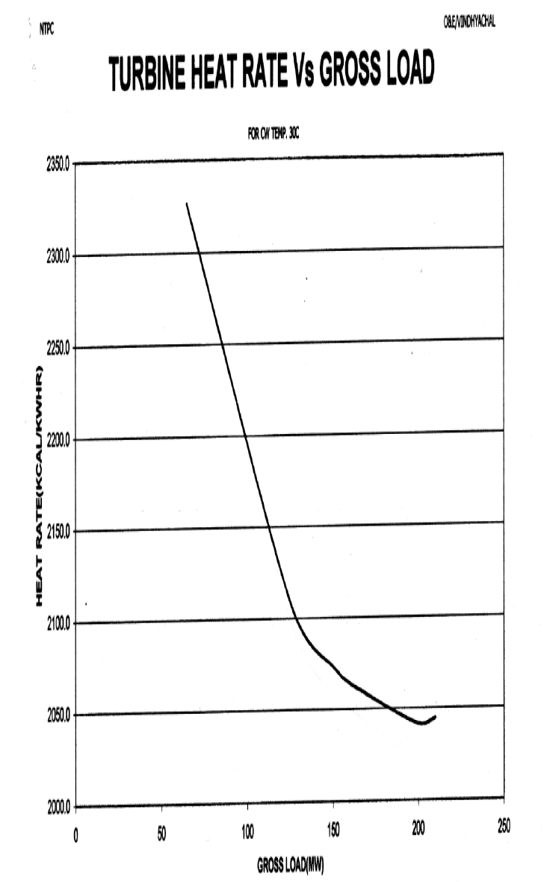
Turbine Heat Rate Vs Load
% Load | Gross Load (MW) | Heat Rate | Heat Rate as per Equation
% | MW | (kcal/kWh) | (kcal/kwh)
30 | 63.6 | 2327.75 | 2333.26968
36 | 75 | 2292.6 | 2284.92
48 | 100 | 2196 | 2194.36
60 | 125 | 2116.65 | 2125.05
71 | 150 | 2074.05 | 2076.99
83 | 175 | 2057.4 | 2050.18
86 | 181 | 2052 | 2046.9076
95 | 200 | 2042.6 | 2044.62
100 | 210 | 2044.44 | 2048.346

 |  |  |  | 12600

Annex APC
200*3+500*4 mw Station (1st Oct’13-31 Dec’13)

