BAU
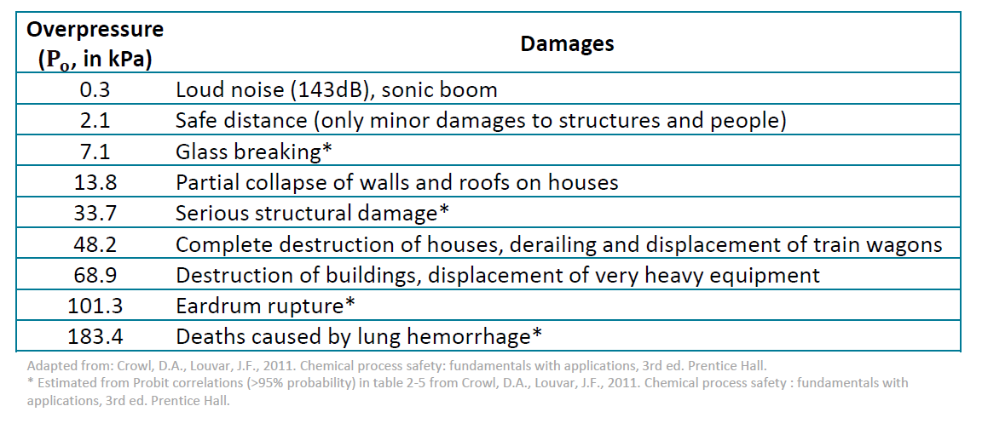
Parameter | Description | Value | Unit | References
- | TNT equivalency of ammonium nitrate | 0.40 | - | https://web.cas.org/customercontent/ammoniumnitrate
M | Molar mass of ammonium nitrate | 80.04 | kg/kmol | -
m | Mass of fuel used | 75757.58 | kg/hr | From Aspen simulation assuming a plant capacity of 300 kt/year
deltaHc | Heat of combustion of reaction | 1447.70 | kJ/kg | https://hrcak.srce.hr/file/365615
ETNT | Energy of explosion of TNT | 4686.00 | kJ/kg | References sheet
mTNT | Equivalent mass of TNT | 30303.03 | kg/hr | -
r | Distance from ground-zero point of the explosion | 100 | m | References sheet
Ze | Scaled distance | 3.21 | m/kg(1/3) | References sheet
Po | Overpressure | 140.43 | kPa | References sheet
Ydeaths | Number of deaths due to lung hemorrhage | 5 |  | References sheet
Yeardrums | Number of eardrum ruptures | 3 |  | References sheet
Dpr | Maximum distance at which projectiles can land | 2728.4284347 | m | References sheet

References
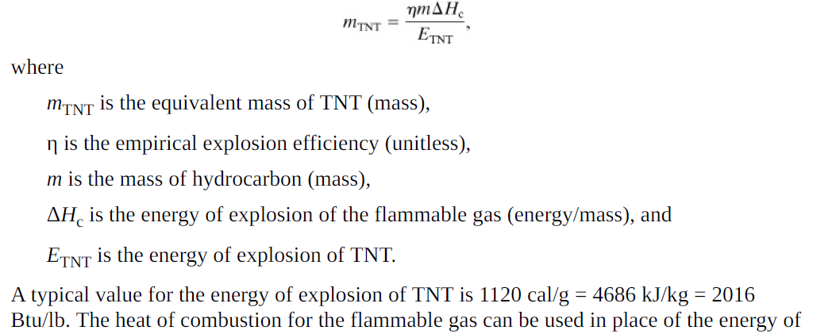
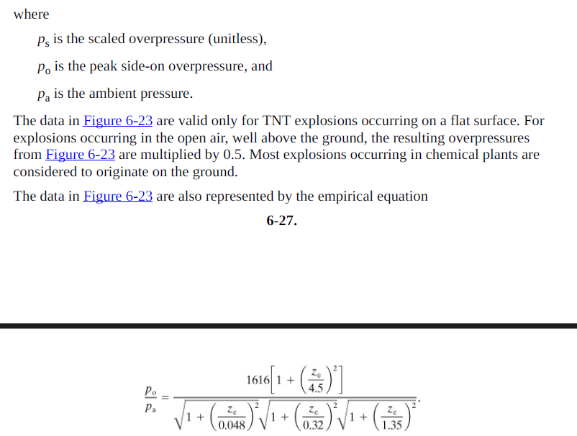
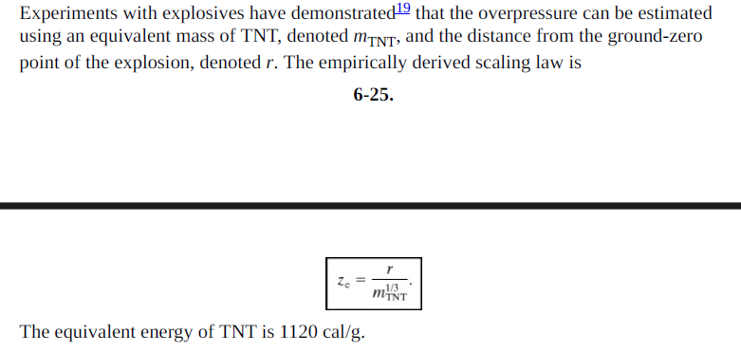
Book: | Chemical Process Safety Fundamentals with Applications-Prentice Hall (2011)

