TestCases
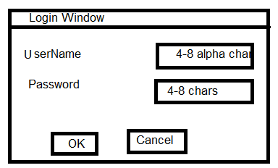
 |  |  |  | IEEE Test Case
Project Name: | Login Window
Version: | 1.1
start date: |  |  |  | End Date:
Prepared by: | Tester's name
Reviewed by: | Manager's name

Pre-requisite: | Login window should be launched. By default OK button should be disabled.

TestCase ID | Test Case Name | Objective | Steps/Procedures | Test data | Result |  | Log | Bug ID | Remark
 |  |  |  |  | Expected | Actual | Pass/Fail

TC_UN_R1.0 | User Name | To verify username field accepts4_8 alpha Characters | 1.Enter username 2.Enter valid password 3.Click Ok | User Name:-"abhyanth" Password:- "********" | Username field should accept 4-8 alpha characters. | As excepted | Pass
TC_UN_R1.1 | User Name | To verify username field accepts less then4 alpha Characters | 1.Enter username 2.Enter valid password 3.Click Ok | User Name:-"abhi" Password:- "********" | It shouldn’t accept values less then 4 values | it didn’t pass the expected result | Fail
TC_UN_R1.2 | User Name | To verify username field acceptsgreater then 8 alpha Characters | 1.Enter username 2.Enter valid password 3.Click Ok | User Name:-"acvfdesdf" Password:- "********" | It shouldn’t accept values greate then 8 values | it didn’t pass the expected result | Fail
TC_UN_R1.3 | User Name | To verify username field accepts special Characters | 1.Enter username 2.Enter valid password 3.Click Ok | User Name:-"@#$%&" Password:- "********" | It shouldnot accept special characters | it didn’t pass the expected result | Fail
TC_UN_R1.4 | User Name | To verify username field accepts null | 1.Enter username 2.Enter valid password 3.Click Ok | User Name:-"" Password:- "********" | username should not be null | it didn’t pass the expected result | Fail

TC_UN_R1.6 | Password | To verify password field accepts4_8 characters | 1.Enter username 2.Enter valid password 3.Click Ok | User Name:-"abhi" Password:- "abhi@123" | Password field should accept 4-8 alpha characters. | As excepted | Pass
TC_UN_R1.7 | Password | To verify username field accepts less then 4 characters in | 1.Enter username 2.Enter valid password 3.Click Ok | User Name:-"abhi" Password:- "a@9" | Password field should not accept less then 4 characters. | it didn’t pass the expected result | Fail
TC_UN_R1.8 | Password | To verify username field accepts more then 8 characters | 1.Enter username 2.Enter valid password 3.Click Ok | User Name:-"abhu" Password:- "abhu@123" | password field should not accept more then characters. | it didn’t pass the expected result | Fail

