calcs
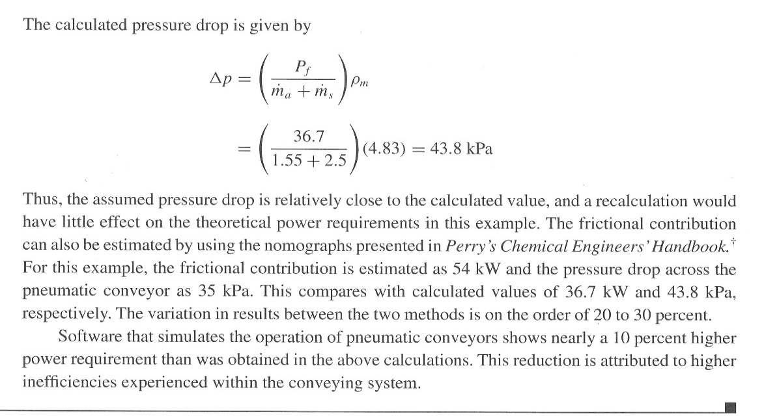
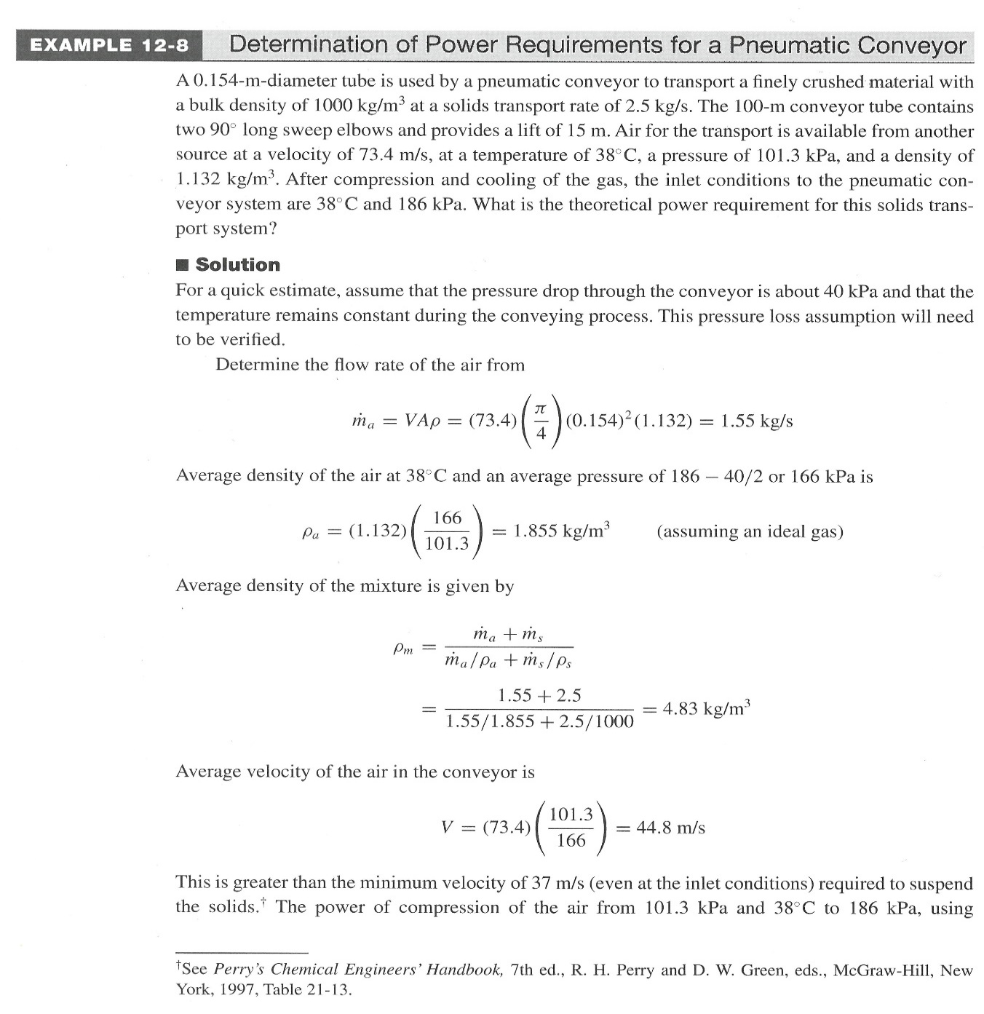
Design tool for pneumatic conveyor | Example 12-8 |  | input

Quantity | symbol | units
entering air velocity | vfeed | m/s
pipe diameter | D | m
pipe cross-sectional area | A | m2 | 0
air volumetric flow rate | mv | m3/s | 0
air entering density | rin | kg/m3 |  | before compressor
air mass flow rate | ma | kg/s | 0
feed air pressure | Pfeed | kPa |  | before compressor
feed air temperature in deg C | Tfeed | C | 38 | assume isothermal
feed air temperature in K | Tfeed_K | K
molecular weight of air | MW | g/mol | 28.88
air pressure after compressor | Pa | kPa |  | at beginning of conveyor
presure drop (assume a value) | DPest | kPa
air pressure at exit of conveyor (estimate) | Pb | kPa | 0 | inlet P - P-drop
average pressure in pipe (calculate) | Pavg | kPa | 0
gas constant | Rgas | J/molK | 8.3144
density of air in pipe (estimate) | ravg | kg/m3 | #DIV/0! | ideal gas
density of solid | rsolid | kg/m3
mass flow rate of solid | ms | kg/s
density of mixture | rmix | kg/m3 | #DIV/0!
average velocity of air in conveyor | vavg | m/s | #DIV/0! |  | Problem 12-15: cell E8
minimum air velocity (lift velocity) | vmin | m/s | #N/A | interp from v_min; must be < vavg | =(Pfeed*MW/(Rgas*Tfeed_K))*(275/101.325)

heat capacity at constant pressure | Cp | J/molK | 30.228696 | looked up in fig D-3, page 957; replace if not using air
heat capacity at constant volume | Cv | J/molK | 21.914296 | =Cp-R
heat capacity ratio | k | dimensionless | 1.3794052978 | =Cp/Cv
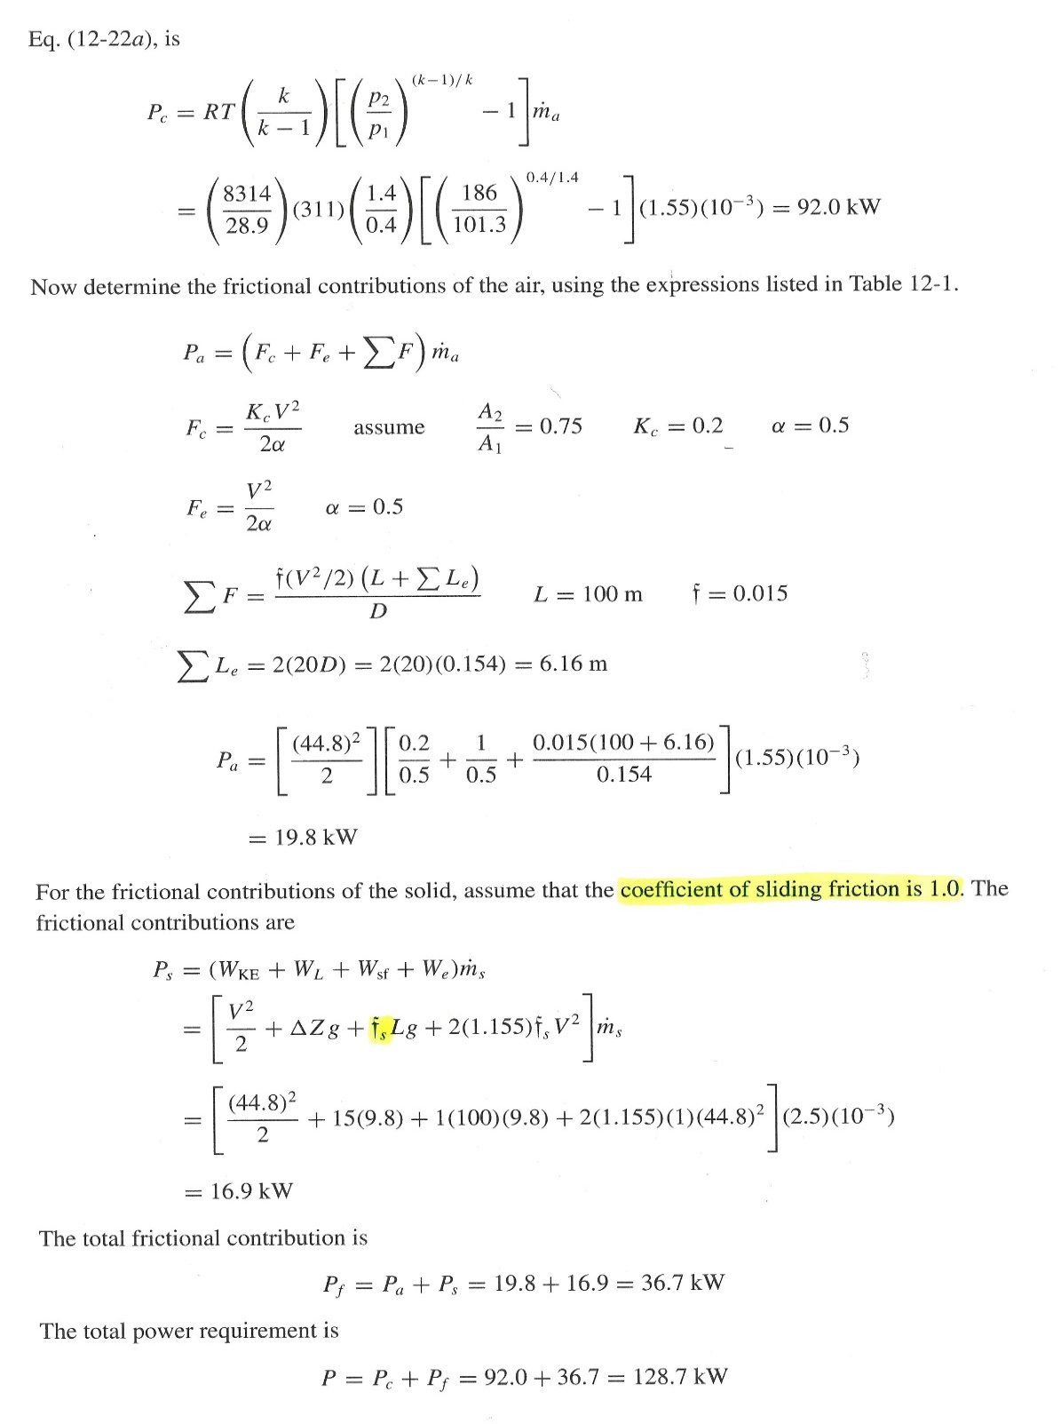
delivered compressor power | Pc | kW | #DIV/0! | from Eq 12-22a

frictional loss due to sudden constriction | Fc | kW | #DIV/0! | Refer to Table 12-1 on page 490, section on sudden constriction
area ratio, assumed | A2/A1 | dimensionless | 0.75 | assumed
constriction coefficient | Kc | dimensionless | 0.1875 | use if/then statement because two formulas are given for Kc
correction factor for turbulent flow | a | dimensionless | 0.5
frictional loss due to expansion | Fe | kW | #DIV/0!
frictional loss due to straight pipe | SF | kW | #DIV/0! | use 12-7, Darcy-Weisbach version, FE manual
friction factor | f | dimensionless | 0.015 | given on page 569; use Moody Plot from FE manula for limiting f at high Re, commercial steel
equivalent length of elbows | Le | m | 0
number of elbows | Nel | dimensionless
length of stright run pipe | L | m
equivalent length of conveyor | L+Le | m | 0
total frictional contributions due to air | Fc+Fe+SF | kW | #DIV/0!
kinetic energy term | WKE | kW | #DIV/0!
gravitational term | WL | kW | 0
elevation (rise) | DZ | m
gravitational constant | g | m/s2 | 9.8
sliding friction term | Wsf | kW | 0 | given on page 569
coefficient of sliding friction | fs | kW | 1 | given in problem
centrifugal term due to elbows | Wel | kW | #DIV/0!
frictional contributions due to solid | WKE+WL+Wsf+Wel | kW | #DIV/0!
total frictional losses | Pf | kW | #DIV/0!
Iterate:
Change guess for pressure drop in cell E15 until difference is minimized to an acceptably small epsilon.
calculated pressure drop | Dpcalc | kPa | #DIV/0!
difference between DPest and DPcalc | |Dpest-Dpcalc| |  | #DIV/0!

compressor efficiency | h | dimensionless
total power requirement | P=Pf+Pc/h | kW | #DIV/0!

v_min
Perry's Table 21-13 - Air Velocities Needed to Convey Solids at Various Bulk Densities, Page 21-27, 7th edition

Bulk Density | Air Velocity | Air Velocity |  | Linear Interpolation Calculator:
kg/m3 | m/min | m/s |  | 0 | kg/m3
160 | 884 | 14.7 |  | #N/A | m/s
240 | 1094 | 18.2 |  | lift velocity is fed back to "calcs"
320 | 1256 | 20.9
400 | 1402 | 23.4
480 | 1539 | 25.7
560 | 1676 | 27.9
640 | 1780 | 29.7
720 | 1882 | 31.4
800 | 1981 | 33.0
880 | 2072 | 34.5
Minimum Lift Velocity vs. Density
960 | 2179 | 36.3
1040 | 2270 | 37.8
1120 | 2347 | 39.1
1200 | 2438 | 40.6
1280 | 2515 | 41.9
1360 | 2591 | 43.2
1440 | 2652 | 44.2
1520 | 2743 | 45.7
1600 | 2804 | 46.7
1680 | 2880 | 48.0
1760 | 2957 | 49.3
1840 | 3118 | 52.0
1920 | 3200 | 53.3
2000 | 3300 | 55.0
2080 | 3400 | 56.7
2160 | 3550 | 59.2
2240 | 3700 | 61.7
2320 | 3850 | 64.2
2400 | 4000 | 66.7
2480 | 4200 | 70.0
2560 | 4400 | 73.3
2640 | 4650 | 77.5
2720 | 4900 | 81.7 | Cells in gray are assumed

