Sheet1
 |  |  | port | bit | name
28 | (ADC11/PCINT4) PB4 | Digital pin 8 | B | 4 | 8
29 | (PCINT5/OC1A/#OC4B/ADC12) PB5 | Digital Pin 9 (PWM) | B | 5 | 9
30 | (PCINT6/OC1B/OC4B/ADC13) PB6 | Digital Pin 10 (PWM) | B | 6 | 10
12 | (PCINT7/OCA0/OC1C/#RTS) PB7 | Digital pin 11 (PWM) | B | 7 | 11
31 | (OC3A/#0C4A) PC6 | Digital Pin 5 (PWM) | C | 6 | 5
32 | (ICP3/CLK0/)C4A) PC7 | Digital Pin 13 (PWM) | C | 7 | 13
18 | (OC0B/SCL/INT0) PD0 | Digital pin 3 (SCL)(PWM) | D | 0 | 3
19 | (SDA/INT1) PD1 | Digital pin 2 (SDA) | D | 1 | 2
20 | (RX D1/AIN1/INT2) PD2 | Digital pin 0 (RX) | D | 2 | 0
21 | (TXD1/INT3) PD3 | Digital pin 1 (TX) | D | 3 | 1
25 | (ICP1/ADC8) PD4 | Digital pin 4 | D | 4 | 4
26 | (T1/#OC4D/ADC9) PD6 | Digital pin 12 | D | 6 | 12
27 | (T0/OC4D/ADC10) PD7 | Digital Pin 6 (PWM) | D | 7 | 6
1 | PE6 (INT.6/AIN0) | Digital pin 7 | E | 6 | 7
36 | (ADC7/TDI) PF7 | Analog In 0 |  |  | A
37 | (ADC6/TDO) PF6 | Analog In 1 |  |  | A
38 | (ADC5/TMS) PF5 | Analog In 2 |  |  | A
39 | (ADC4/TCK) PF4 | Analog In 3 |  |  | A
40 | (ADC1) PF1 | Analog In 4 |  |  | A
41 | (ADC0) PF0 | Analog In 5 |  |  | A
2 | UVcc | +5V |  |  | X
3 | D- | RD- |  |  | X
4 | D+ | RD+ |  |  | X
5 | UGnd | UGND |  |  | X
6 | UCap | UCAP |  |  | X
7 | VUSB | VBus |  |  | X
8 | (SS/PCINT0) PB0 | RXLED | B | 0 | X
9 | (PCINT1/SCLK) PB1 | SCK | B | 1 | X
10 | (PDI/PCINT2/MOSI) PB2 | MOSI | B | 2 | X
11 | (PDO/PCINT3/MISO) PB3 | MISO | B | 3 | X
13 | RESET | RESET |  |  | X
14 | Vcc | +5V |  |  | X
15 | GND | GND |  |  | X
16 | XTAL2 | XTAL2 |  |  | X
17 | XTAL1 | XTAL1 |  |  | X
22 | (XCK1/#CTS) PD5 | TXLED |  |  | X
23 | GND1 | GND |  |  | X
24 | AVCC | AVCC |  |  | X
33 | (#HWB) PE2 | HWB |  |  | X
34 | Vcc1 | +5V |  |  | X
35 | GND2 | GND |  |  | X
42 | AREF | AEF |  |  | X
43 | GND3 | GND |  |  | X
44 | AVCC1 | AVCC |  |  | X

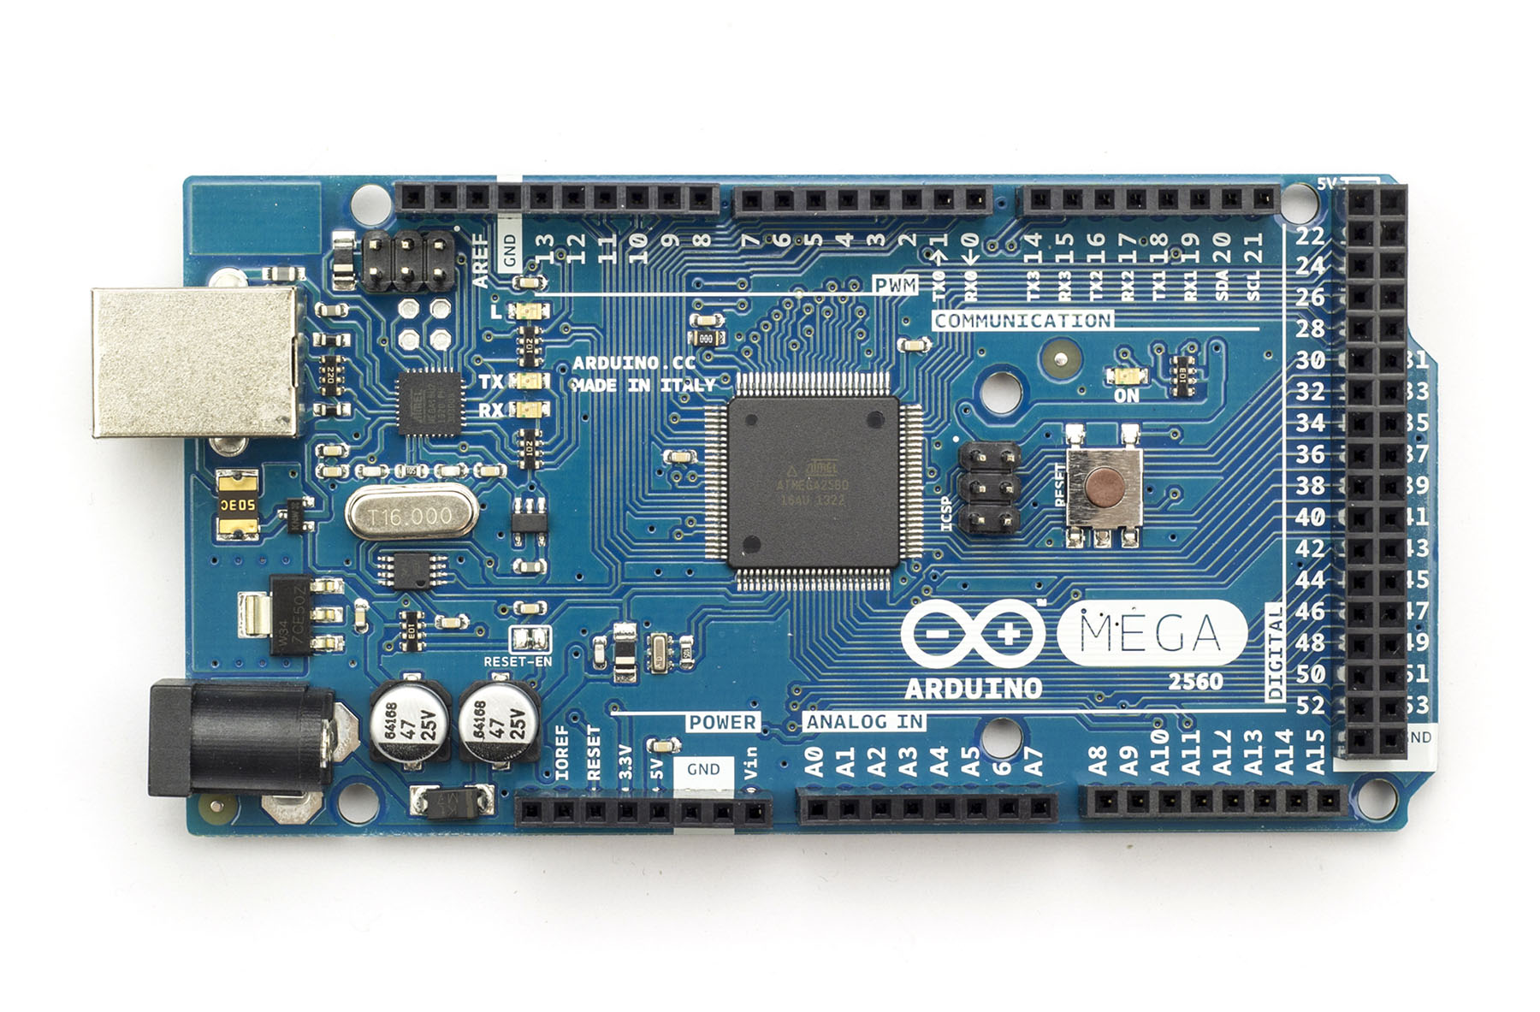
78 | PA0 ( AD0 ) | Digital pin 22 | A | 0 | 22
77 | PA1 ( AD1 ) | Digital pin 23 | A | 1 | 23
76 | PA2 ( AD2 ) | Digital pin 24 | A | 2 | 24
75 | PA3 ( AD3 ) | Digital pin 25 | A | 3 | 25
74 | PA4 ( AD4 ) | Digital pin 26 | A | 4 | 26
73 | PA5 ( AD5 ) | Digital pin 27 | A | 5 | 27
72 | PA6 ( AD6 ) | Digital pin 28 | A | 6 | 28
71 | PA7 ( AD7 ) | Digital pin 29 | A | 7 | 29
19 | PB0 ( SS/PCINT0 ) | Digital pin 53 (SS) | B | 0 | 53
20 | PB1 ( SCK/PCINT1 ) | Digital pin 52 (SCK) | B | 1 | 52
21 | PB2 ( MOSI/PCINT2 ) | Digital pin 51 (MOSI) | B | 2 | 51
22 | PB3 ( MISO/PCINT3 ) | Digital pin 50 (MISO) | B | 3 | 50
23 | PB4 ( OC2A/PCINT4 ) | Digital pin 10 (PWM) | B | 4 | 10
24 | PB5 ( OC1A/PCINT5 ) | Digital pin 11 (PWM) | B | 5 | 11
25 | PB6 ( OC1B/PCINT6 ) | Digital pin 12 (PWM) | B | 6 | 12
26 | PB7 ( OC0A/OC1C/PCINT7 ) | Digital pin 13 (PWM) | B | 7 | 13
53 | PC0 ( A8 ) | Digital pin 37 | C | 0 | 37
54 | PC1 ( A9 ) | Digital pin 36 | C | 1 | 36
55 | PC2 ( A10 ) | Digital pin 35 | C | 2 | 35
56 | PC3 ( A11 ) | Digital pin 34 | C | 3 | 34
57 | PC4 ( A12 ) | Digital pin 33 | C | 4 | 33
58 | PC5 ( A13 ) | Digital pin 32 | C | 5 | 32
59 | PC6 ( A14 ) | Digital pin 31 | C | 6 | 31
60 | PC7 ( A15 ) | Digital pin 30 | C | 7 | 30
35 | PL0 ( ICP4 ) | Digital pin 49 | L | 0 | 49
36 | PL1 ( ICP5 ) | Digital pin 48 | L | 1 | 48
37 | PL2 ( T5 ) | Digital pin 47 | L | 2 | 47
38 | PL3 ( OC5A ) | Digital pin 46 (PWM) | L | 3 | 46
39 | PL4 ( OC5B ) | Digital pin 45 (PWM) | L | 4 | 47
40 | PL5 ( OC5C ) | Digital pin 44 (PWM) | L | 5 | 44
41 | PL6 | Digital pin 43 | L | 6 | 43
42 | PL7 | Digital pin 42 | L | 7 | 42
43 | PD0 ( SCL/INT0 ) | Digital pin 21 (SCL) | D | 0 | 21
44 | PD1 ( SDA/INT1 ) | Digital pin 20 (SDA) | D | 1 | 20
45 | PD2 ( RXDI/INT2 ) | Digital pin 19 (RX1) | D | 2 | 19
46 | PD3 ( TXD1/INT3 ) | Digital pin 18 (TX1) | D | 3 | 18
47 | PD4 ( ICP1 ) |  | D | 4 | x
48 | PD5 ( XCK1 ) |  | D | 5 | x
49 | PD6 ( T1 ) |  | D | 6 | x
50 | PD7 ( T0 ) | Digital pin 38 | D | 7 | 38
2 | PE0 ( RXD0/PCINT8 ) | Digital pin 0 (RX0) | E | 0 | 0
3 | PE1 ( TXD0 ) | Digital pin 1 (TX0) | E | 1 | 1
4 | PE2 ( XCK0/AIN0 ) |  | E | 2 | x
5 | PE3 ( OC3A/AIN1 ) | Digital pin 5 (PWM) | E | 3 | 5
6 | PE4 ( OC3B/INT4 ) | Digital pin 2 (PWM) | E | 4 | 2
7 | PE5 ( OC3C/INT5 ) | Digital pin 3 (PWM) | E | 5 | 3
8 | PE6 ( T3/INT6 ) |  | E | 6 | x
9 | PE7 ( CLKO/ICP3/INT7 ) |  | E | 7 | x
90 | PF7 ( ADC7 ) | Analog pin 7 | F | 0 | a
91 | PF6 ( ADC6 ) | Analog pin 6 | F | 1 | a
92 | PF5 ( ADC5/TMS ) | Analog pin 5 | F | 2 | a
93 | PF4 ( ADC4/TMK ) | Analog pin 4 | F | 3 | a
94 | PF3 ( ADC3 ) | Analog pin 3 | F | 4 | a
95 | PF2 ( ADC2 ) | Analog pin 2 | F | 5 | a
96 | PF1 ( ADC1 ) | Analog pin 1 | F | 6 | a
97 | PF0 ( ADC0 ) | Analog pin 0 | F | 7 | a
51 | PG0 ( WR ) | Digital pin 41 | G | 0 | 41
52 | PG1 ( RD ) | Digital pin 40 | G | 1 | 40
70 | PG2 ( ALE ) | Digital pin 39 | G | 2 | 39
28 | PG3 ( TOSC2 ) |  | G | 3 | x
29 | PG4 ( TOSC1 ) |  | G | 4 | x
1 | PG5 ( OC0B ) | Digital pin 4 (PWM) | G | 5 | 4
12 | PH0 ( RXD2 ) | Digital pin 17 (RX2) | H | 0 | 17
13 | PH1 ( TXD2 ) | Digital pin 16 (TX2) | H | 1 | 16
14 | PH2 ( XCK2 ) |  | H | 2 | x
15 | PH3 ( OC4A ) | Digital pin 6 (PWM) | H | 3 | 6
16 | PH4 ( OC4B ) | Digital pin 7 (PWM) | H | 4 | 7
17 | PH5 ( OC4C ) | Digital pin 8 (PWM) | H | 5 | 8
18 | PH6 ( OC2B ) | Digital pin 9 (PWM) | H | 6 | 9
27 | PH7 ( T4 ) |  | H | 7 | x
63 | PJ0 ( RXD3/PCINT9 ) | Digital pin 15 (RX3) | J | 0 | 15
64 | PJ1 ( TXD3/PCINT10 ) | Digital pin 14 (TX3) | J | 1 | 14
65 | PJ2 ( XCK3/PCINT11 ) |  | J | 2 | x
66 | PJ3 ( PCINT12 ) |  | J | 3 | x
67 | PJ4 ( PCINT13 ) |  | J | 4 | x
68 | PJ5 ( PCINT14 ) |  | J | 5 | x
69 | PJ6 ( PCINT 15 ) |  | J | 6 | x
79 | PJ7 |  | J | 7 | x
82 | PK7 ( ADC15/PCINT23 ) | Analog pin 15 | K | 0 | a
83 | PK6 ( ADC14/PCINT22 ) | Analog pin 14 | K | 1 | a
84 | PK5 ( ADC13/PCINT21 ) | Analog pin 13 | K | 2 | a
85 | PK4 ( ADC12/PCINT20 ) | Analog pin 12 | K | 3 | a
86 | PK3 ( ADC11/PCINT19 ) | Analog pin 11 | K | 4 | a
87 | PK2 ( ADC10/PCINT18 ) | Analog pin 10 | K | 5 | a
88 | PK1 ( ADC9/PCINT17 ) | Analog pin 9 | K | 6 | a
89 | PK0 ( ADC8/PCINT16 ) | Analog pin 8 | K | 7 | a
10 | VCC | VCC |  |  | x
11 | GND | GND |  |  | x
30 | RESET | RESET |  |  | x
31 | VCC | VCC |  |  | x
32 | GND | GND |  |  | x
33 | XTAL2 | XTAL2 |  |  | x
34 | XTAL1 | XTAL1 |  |  | x
61 | VCC | VCC |  |  | x
62 | GND | GND |  |  | x
80 | VCC | VCC |  |  | x
81 | GND | GND |  |  | x
98 | AREF | Analog Reference |  |  | x
99 | GND | GND |  |  | x
100 | AVCC | VCC |  |  | x

