cover
List of Datasets:
https://dhsprogram.com/data/available-datasets.cfm

1) Select all data sets for which "GPS Datasets" column is labelled with "Data Available".

Open in new Tab

2) Copy Title
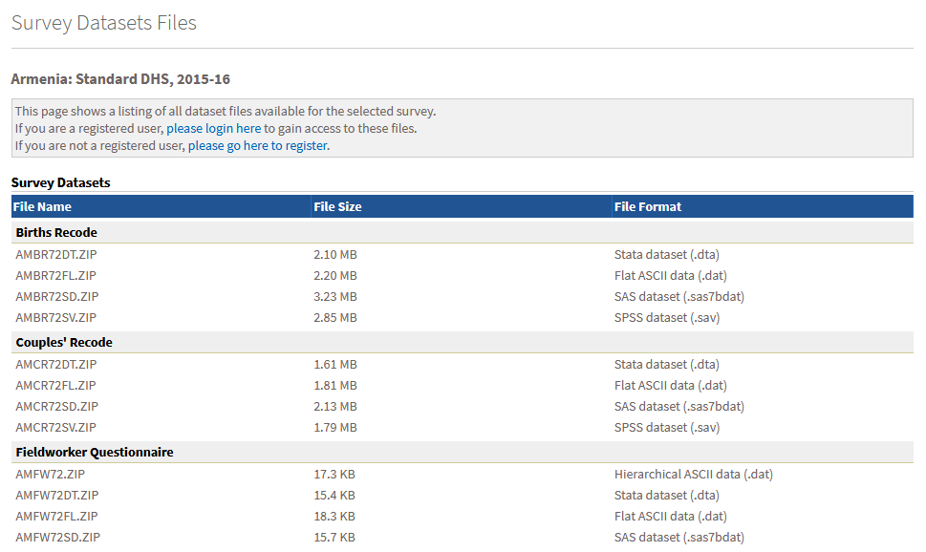

Copy to Excel sheet "filenames" and column "title"

2) Copy filenames of survey data files on household members (PR) and geodata (GE)

Copy to remaining columns in Excel

