Introduction
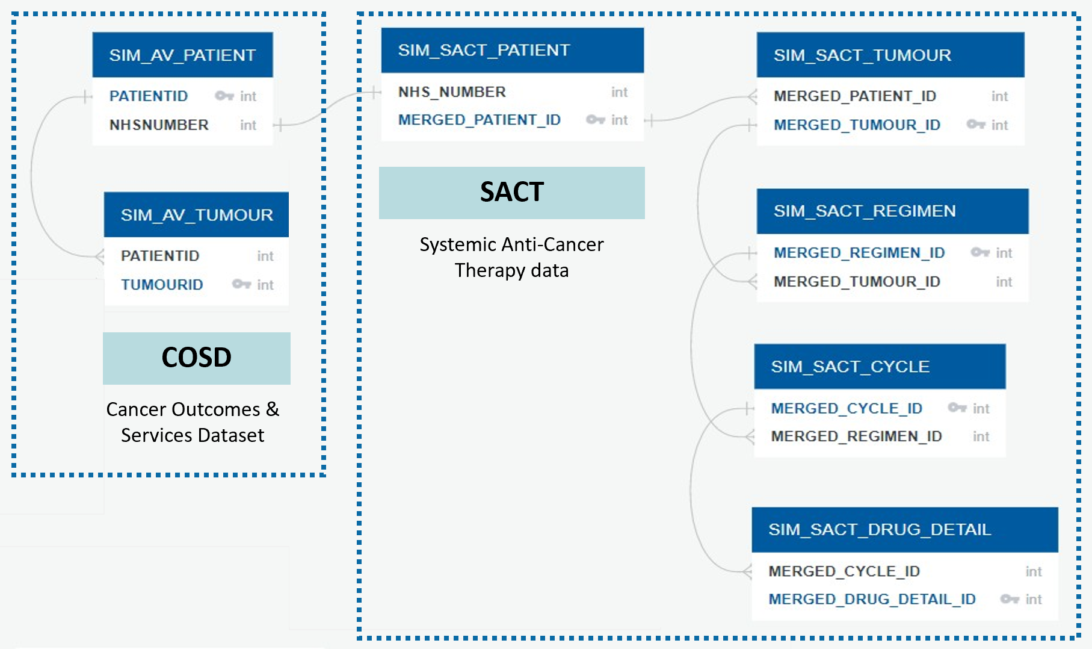
NB only av patient and av tumour sets are part of the classification challenge, sact tables are not in scope

This document is based on the Cancer Registration data dictionary. The latest version of that document can be found at
https://www.gov.uk/government/publications/accessing-public-health-england-data
This document is also based on the SACT data dictionary. The latest version of that document can be found at
https://www.datadictionary.nhs.uk/data_dictionary/messages/clinical_data_sets/data_sets/systemic_anti-cancer_therapy_data_set_fr.asp?shownav=1

When writing code, please consult the dataset linkage diagram (Fig 1.) for information on how to link tables.
Remember that the synthetic dataset is not designed for data requests of row-level individual data items.
Therefore patient identifiable data items should only be used for data linkage or for further aggregate computation, for instance computing median time to event or plotting survival curves.

The following fields are presented with each data item:
Data item | Name of the data item from the Cancer Registration data dictionary.
Field name | Name of the field as it appears in the synthetic dataset dataset.
Data format | Format of the data field as released. Dates should be formatted YYYY-MM-DD
Notes | Guidance for use of the field for analysis

Fig 1. Dataset linkage diagram: linkage between each synthetic data table in the release.

