1-conversion_funnel_template
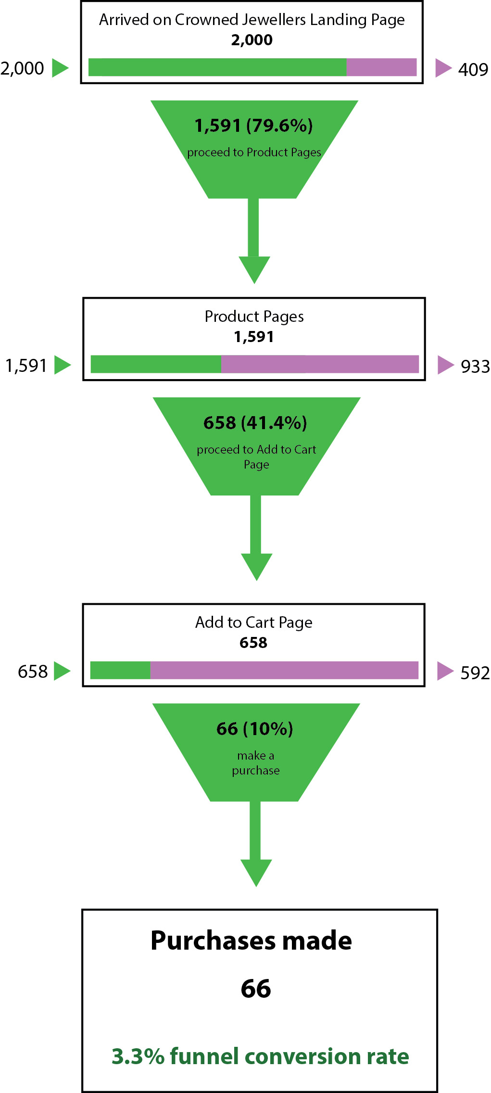
Product category selected | (Multiple Items)
Clicked to add-to-cart page? | Yes |  | Arrived on landing page | Clicked to product page | Added product to cart | Made a purchase
Purchase made | Yes | Total at step | 2,000 | 1,591 | 658 | 66
 |  | Conversion rate |  | 79.6% | 41.4% | 10.0%
COUNTA of Time spent on landing page | Total
Total | 66

2A-country_by_viewing_device
COUNTA of Gender | Column Labels
Row Labels | Europe | USA | India | Canada | Brazil | Grand Total
Mobile | 167 | 193 | 412 | 170 | 275 | 1217
Desktop | 104 | 114 | 21 | 155 | 99 | 493
Tablet | 76 | 83 | 20 | 77 | 34 | 290
Grand Total | 347 | 390 | 453 | 402 | 408 | 2000

2B-time_spent-by_purchases
Purchase made | Yes

 | AVERAGE of Time spent viewing selected product | COUNTA of Product category selected
Earrings | 86.859090909 | 22
Rings | 73.592857143 | 14
Necklaces | 89 | 24
Watches | 91.4 | 6
Grand Total | 85.236363636 | 66

2C-payment_type-by_country
Purchase made | Yes

COUNTA of Payment type | Column Labels
Row Labels | Europe | USA | India | Canada | Brazil | Grand Total
Monthly installment | 7 | 4 | 3 | 3 | 14 | 31
Full | 2 | 9 | 7 | 16 | 1 | 35
Grand Total | 9 | 13 | 10 | 19 | 15 | 66

Country | Europe | USA | India | Canada | Brazil
% of payment in full | 22% | 69% | 70% | 84% | 7%

Payment menthod (installments vs. full), by country

2C-gdp_by_purchase_patterns
 | 2006 | 2007 | 2008 | 2009 | 2010 | 2011 | 2012 | 2013 | 2014 | 2015 | YoY growth rate (2015) | % of customers who paid in full
Brazil | $1,107,640,325,472 | $1,397,084,381,901 | $1,695,824,517,396 | $1,667,020,106,032 | $2,208,872,214,643 | $2,614,573,170,732 | $2,460,658,440,428 | $2,465,773,850,935 | $2,417,046,323,842 | $1,774,724,818,900 | -27% | 7%
Canada | $1,315,415,197,461 | $1,464,977,190,206 | $1,549,131,208,997 | $1,371,153,004,986 | $1,613,406,134,731 | $1,788,703,385,548 | $1,824,288,757,448 | $1,837,443,486,716 | $1,783,775,590,896 | $1,950,536,520,142 | 9% | 84%
Europe | $15,295,130,473,683 | $17,685,550,146,490 | $19,029,134,448,899 | $17,020,888,550,380 | $16,946,058,883,844 | $18,321,253,083,348 | $17,249,382,954,725 | $17,986,267,255,955 | $18,516,744,672,413 | $16,229,464,160,143 | -12% | 22%
India | $949,116,769,619 | $1,238,699,170,079 | $1,224,097,069,460 | $1,365,371,474,048 | $1,708,458,876,830 | $1,815,865,716,202 | $1,824,960,308,641 | $1,863,208,343,558 | $2,042,438,591,344 | $2,073,542,978,209 | 2% | 70%
USA | $13,855,888,000,000 | $14,477,635,000,000 | $14,718,582,000,000 | $14,418,739,000,000 | $14,964,372,000,000 | $15,517,926,000,000 | $16,155,255,000,000 | $16,663,160,000,000 | $17,348,071,500,000 | $17,946,996,000,000 | 3% | 69%

Regression: GDP growth vs. % full payments

 | R-squared = | 0.96
 | R-squared is a statistical measure that tells us how good a regression is. For this case, all you need to know is that an R-squared greater than 0.95 indicates that the regression is a good fit.

