Sheet1
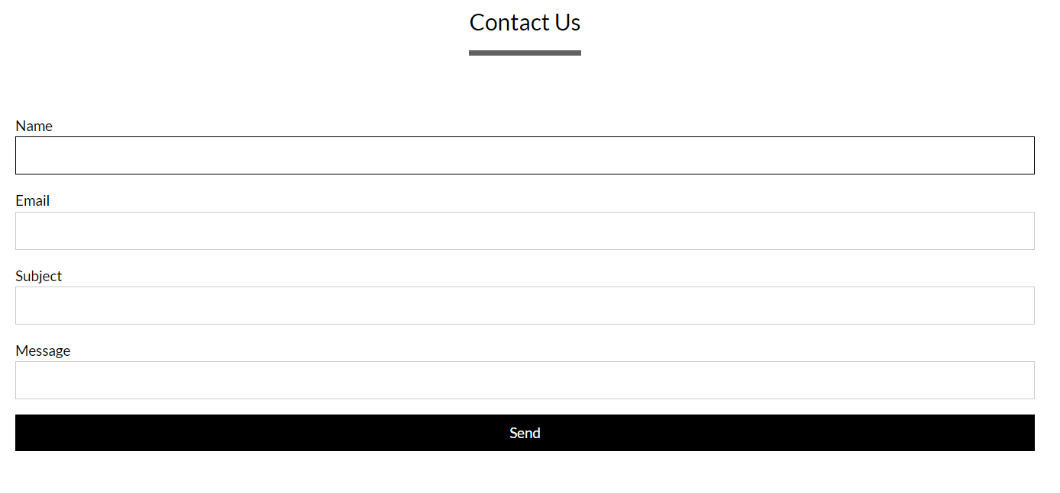
What We Do
What We Offer
Successful Story
Who We are
Contact Us

What We Do :
Description..........................

Click Here
Click Here

Successful Story
1. R&D Lab
Details........................
2. Car Engine
Details........................
3. Heavy vehicals Battery
Details........................
4. Car import
Details........................
5. Sound System
Details........................

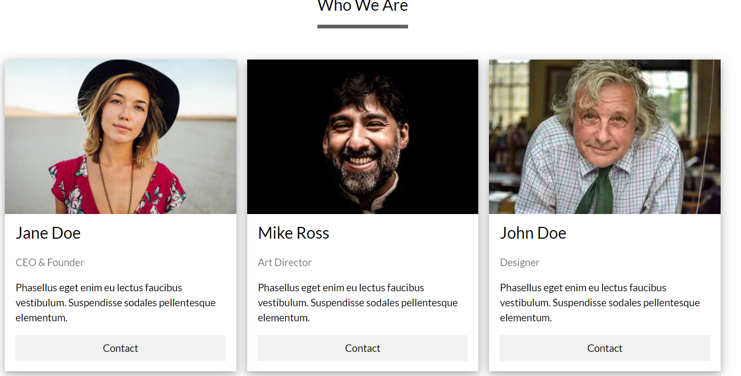

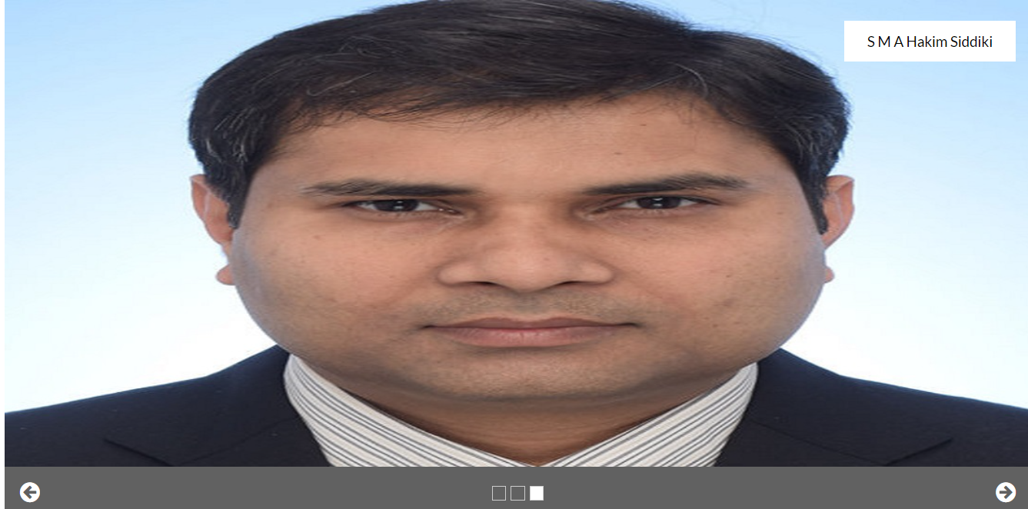


Short Description
Short Description

