Dashboard
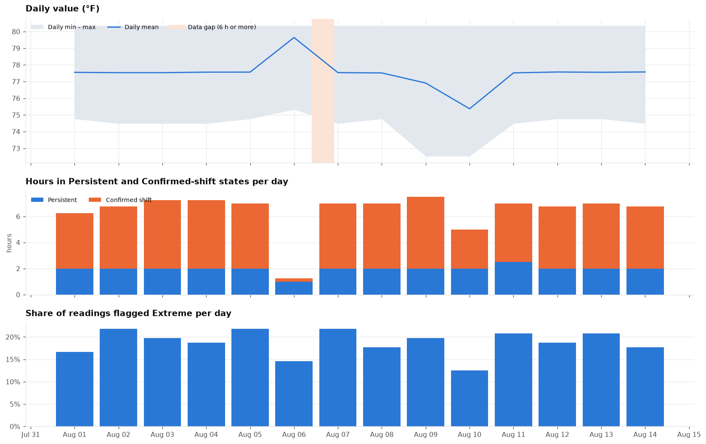
Dashboard |  |  |  |  |  |  |  |  |  |  |  | Report generated: 10/09/2026 16:09

< Back to summary worksheet
Charts for the whole period. The monthly figures behind them are in the table below.

Monthly figures
Month | Extreme share | Confirmed share | Sustained deviation (h) | Material changes per day | Investigate | Review | Monitor | Upper – Day | Upper – Night | Lower – Day | Lower – Night
Aug 2025 | 19.0% | 19.2% | 89.8 | 1.9 | 27 | 1 | 20 | 9 | 124 | 106 | 7

By month
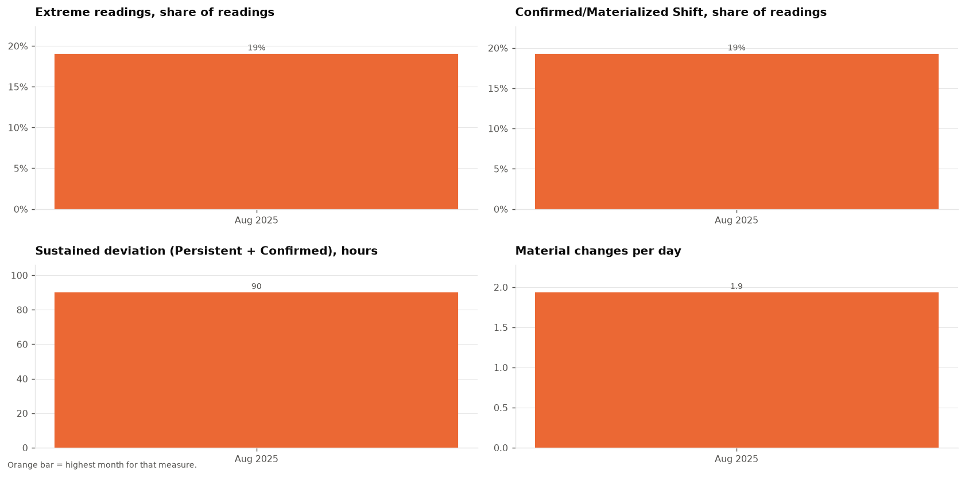

Events and extremes

Time of day

By day

