Dashboard
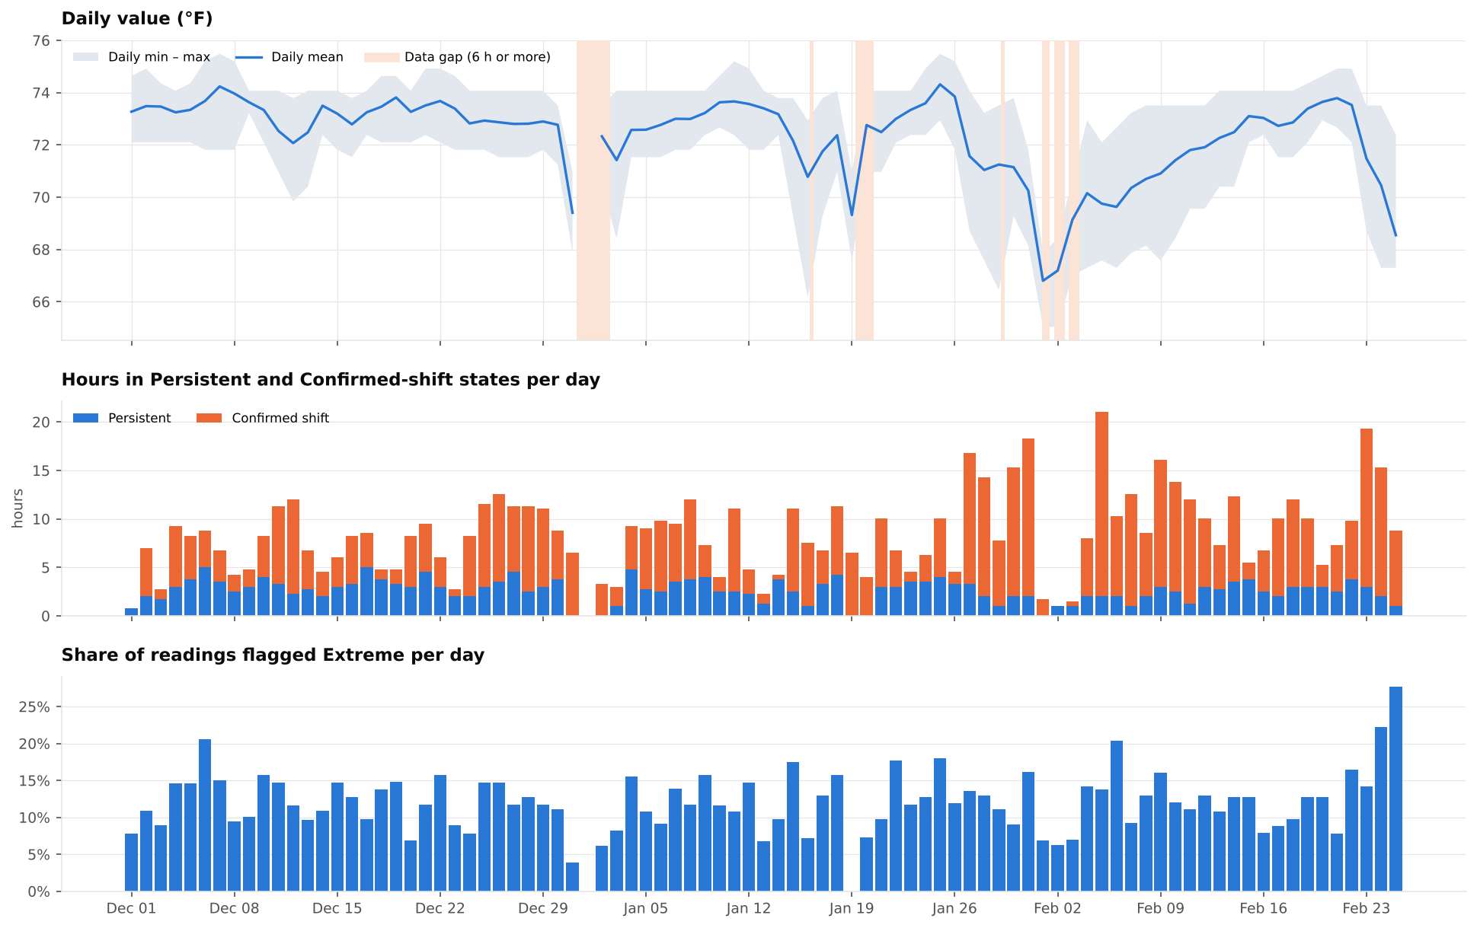
Dashboard |  |  |  |  |  |  |  |  |  |  |  | Report generated: 10/08/2026 12:28

< Back to summary worksheet
Charts for the whole period, drawn from the Data tab. The monthly figures behind them are in the table below (live formulas).

Monthly figures
Month | Extreme share | Confirmed share | Sustained (h) | Material changes/day | Investigate | Review | Monitor | Upper – Day | Upper – Night | Lower – Day | Lower – Night
Dec 2025 | 12.3% | 18.8% | 235.8 | 4.3 | 81 | 19 | 22 | 94 | 43 | 113 | 122
Jan 2026 | 12.1% | 24.8% | 251.3 | 4.1 | 59 | 29 | 14 | 141 | 30 | 61 | 110
Feb 2026 | 12.9% | 33.4% | 246.3 | 3.2 | 49 | 11 | 5 | 164 | 6 | 29 | 94

By month
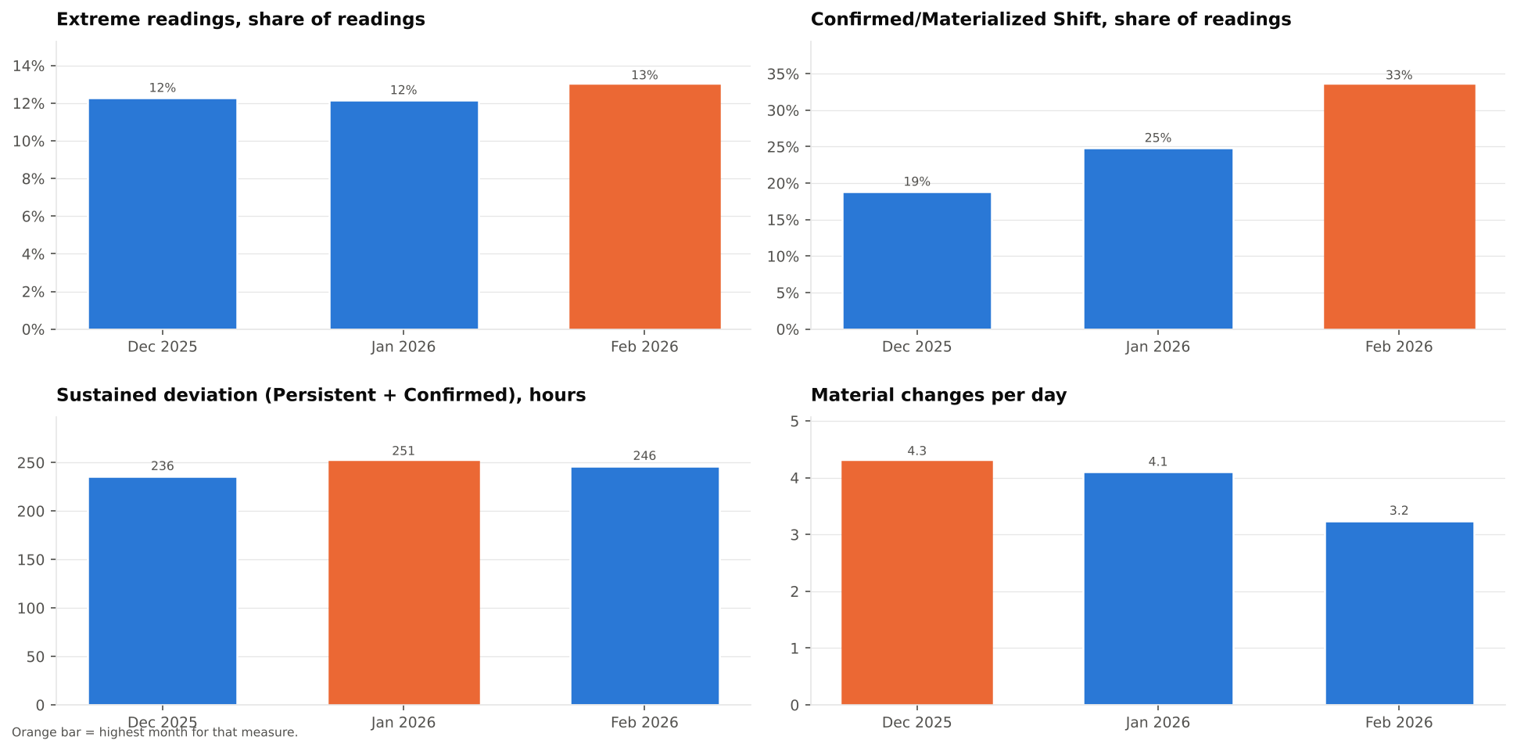

Events and extremes

Time of day

By day

