Sheet1
Yellow Folders (Building Blocks): This is where all assets go such as Images, videos, content, text. Contains the schemas, Components, Component Templates, Page Templates. |  |  |  |  |  |  | Jacob Weigand | Making new dreamweaver templates:
 |  |  |  |  |  |  |  |  | Dreamweaver Placeholders: @@Page.title@@ or ${Page.Title}
 |  |  |  |  |  |  |  |  | Should always use the proper namespace such as @@Component.Fields.heading@@
Purpleish Folders (Structure Groups): Contains Pages. Publishing is done here. |  |  |  |  |  |  |  |  | Variables can be found in the template builder under the "Name column"
Schema: Defines what fields are needed for content creators to fill out for different types of content. |  |  |  |  |  |  |  | Debugging:
 | Schema Types: Component, Multimedia, Metadata, Embeddable (For schemas inside of schemas), and Parameter (Used to pass data entered in the CMS to code) |  |  |  |  |  |  |  | Attach the visual studio debugger to the "TcmTemplateDebugHost" process
 |  |  |  |  |  |  |  | Content Porter:
 | Schema Field Types: Text, Number, Date, Embedded, External Link, Multimedia Link, Component Link |  |  |  |  |  |  |  | Located under "Tools" in the main tridion navigation.
Components: Content (Images, videos, content, text) and metadata |  |  |  |  |  |  |  |  | Normally when porting bettween environments exclude the following "Dependencies": Workflow, Security, and Configuration.
Component Templates: Look and feel for a component. A component can multiple component templates, different templates for different applications.

Page Templates: Look and feel for a page.
Localization: This is used then you want to modify an item in a specific location and not effect the item as it appears in all the other locations. When inheriting from an localized item with mulitple parents, the item will inherit from the parent that has the closest parent that has been localized.

Blueprint (Architechure):
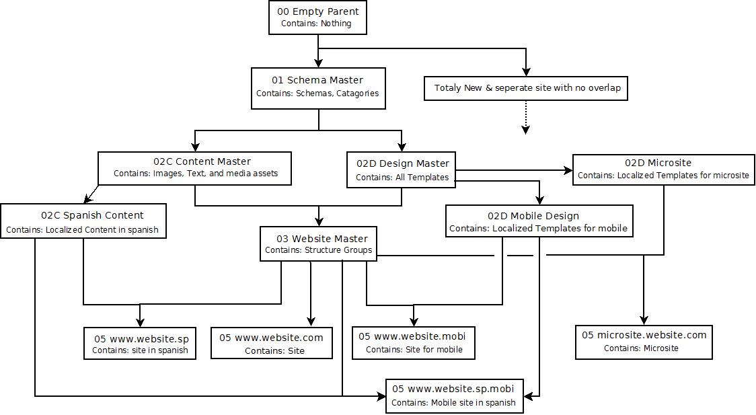

Complex Field Validation (Facets): Use webdav to find a schema's xsd file. For the field you can add validation rules with Regex. |  |  |  |  |  | Enable Rich text: Change normal text field to be more then 1 line.

Templates:
 | Page templates | } | Built using template building blocks and Dreamweaver.
 | Component templates
 | Template building blocks |  | Built with C# assemblies, C# fragments, XSLT, and/or Dreamweaver.
Template Builder (Under tools): All page and component templates must end with "Default Finish Actions" |  |  |  | Building a Page from Scrach:
 |  |  |  |  | 1. In template builder make the Component Template. (Add "Default Finish Actions" at the end)

3. Make your components in the CMS |  |  |  |  | 2. In template builder make the Page Template (Add "Extract Components from Page", the parts you want, then "Default Finish Actions")
4. Make your Page and add your Component Presentations

5. Publish your Page, Components, and Templates.

