Mod_Comp
Number of built-in Components in different Modules as a function of component type
Skill | Module 0 | Module 1 | Module 2 | Module 3 | Module 4 | Module 5 | Module 6
d | 89 | 18 | 31 | 3 | 7 | 4 | 3 | 155
b | 63 | 13 | 21 | 3 | 7 | 4 | 2 | 113
r | 162 | 35 | 57 | 9 | 16 | 12 | 8 | 299
c | 20 | 5 | 7 | 1 | 2 | 2 | 1 | 38
l | 25 | 6 | 9 | 2 | 3 | 2 | 1 | 48
 | 359 | 77 | 125 | 18 | 35 | 24 | 15 | 653
 |  |  |  |  |  |  |  | 653

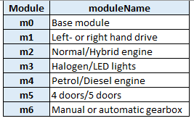
 | d | Wires
 | b | Bandage
 | r | Terminals
 | c | Connectors
 | l | Clip

Ws_Skill
Number of activites (built-in components) on a given workstation and the required Skills with cost - during assembly of Product 64
 | Skill 1 | Skill 2 | Skill 3 | Skill 4 | Skill 5
Workstation 1 | 59 |  | 18
Workstation 2 | 60 | 2 | 19
Workstation 3 | 33 |  | 34
Workstation 4 | 2 |  | 47
Workstation 5 |  |  | 49
Workstation 6 |  |  | 49
Workstation 7 |  |  | 49
Workstation 8 |  | 31 | 33
Workstation 9 | 1 | 59 |  | 7 | 42
Workstation 10 |  | 22 | 2 | 35
Product 64 | Skill 1 | Eq_ cost 1 | Skill 2 | Eq_ cost 2 | Skill 3 | Eq_ cost 3 | Skill 4 | Eq_ cost 4 | Skill 5 | Eq_ cost 5
Workstation 1 | 59 | 5 |  |  | 18 | 20 |  |  |  |  | 77
Workstation 2 | 60 | 5 | 2 | 20 | 19 | 20 |  |  |  |  | 81
Workstation 3 | 33 | 5 |  |  | 34 | 20 |  |  |  |  | 67
Workstation 4 | 2 | 5 |  |  | 47 | 20 |  |  |  |  | 49
Workstation 5 |  |  |  |  | 49 | 20 |  |  |  |  | 49
Workstation 6 |  |  |  |  | 49 | 20 |  |  |  |  | 49
Workstation 7 |  |  |  |  | 49 | 20 |  |  |  |  | 49
Workstation 8 |  |  | 31 | 30 | 33 | 20 |  |  |  |  | 64
Workstation 9 | 1 | 30 | 59 | 30 |  |  | 7 | 60 | 42 | 50 | 109
Workstation 10 |  |  | 22 | 30 | 2 | 10 | 35 | 10 |  |  | 59
 |  |  |  |  |  |  |  |  |  |  | 653
Product 64 | Skill_ cost 1 | Skill_ cost 2 | Skill_ cost 3 | Skill_ cost 4 | Skill_ cost 5
Workstation 1 | 3 |  | 10 |  |  | 13
Workstation 2 | 3 | 5 | 10 |  |  | 18
Workstation 3 | 3 |  | 10 |  |  | 13
Workstation 4 | 3 |  | 10 |  |  | 13
Workstation 5 |  |  | 10 |  |  | 10
Workstation 6 |  |  | 10 |  |  | 10
Workstation 7 |  |  | 10 |  |  | 10
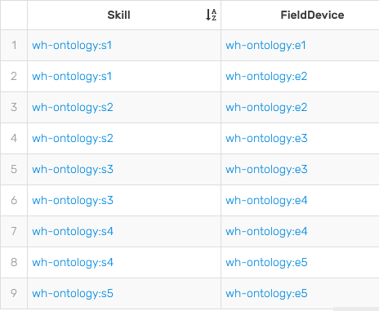
Workstation 8 |  | 5 | 10 |  |  | 15
Workstation 9 | 3 | 5 |  | 6 | 8 | 22
Workstation 10 |  | 5 | 6 | 10 |  | 21
Total skill costs at different workstations - during assembly of Product 64
 | Skill_ cost 1 | Skill_ cost 2 | Skill_ cost 3 | Skill_ cost 4 | Skill_ cost 5
Workstation 1 | 3 |  | 10
Workstation 2 | 3 | 5 | 10
Workstation 3 | 3 |  | 10
Workstation 4 | 3 |  | 10
Workstation 5 |  |  | 10
Workstation 6 |  |  | 10
Workstation 7 |  |  | 10
Workstation 8 |  | 5 | 10
Workstation 9 | 3 | 5 |  | 6 | 8
Workstation 10 |  | 5 | 6 | 10

