loanForm
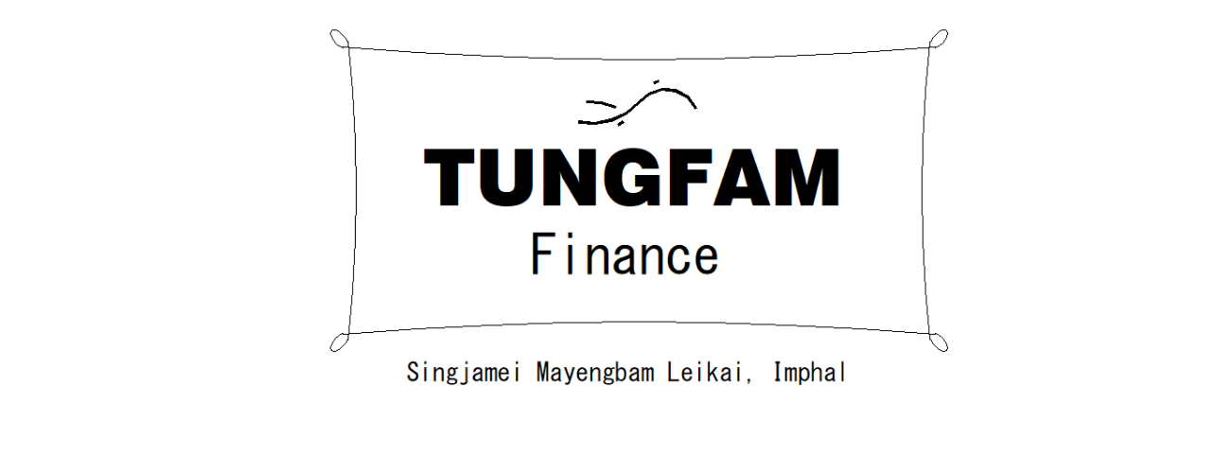

AADHAR:
Name:
C/O:
Address:
Mobile:
Type of Business:
Loan Amount:
No of Payments:

Terms and conditions
1. You have to pay regularly daily/weekly/monthly basis without fail till the said date.

I hereby declare the above information I have given is true, and I agree to the terms and conditions given.

Loanee Signature

Issue Date:

Manager Signature

cardFront


Issue Date:

Name:
C/O:
Address:
Type of Business:
Loan Amount:
No of Payments:

