Screenshots
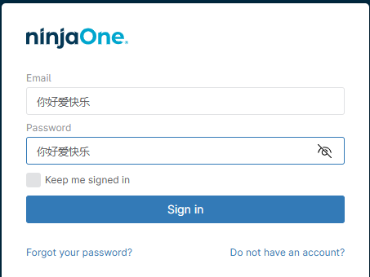
Login Page Link
NinjaOne

Invalid login screen
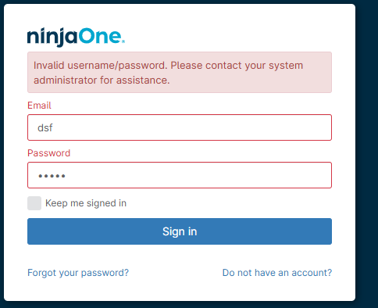

Multi-Factor Authentication Page
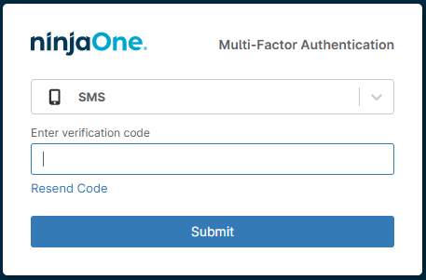

Forgot Password Verify Identity Screen
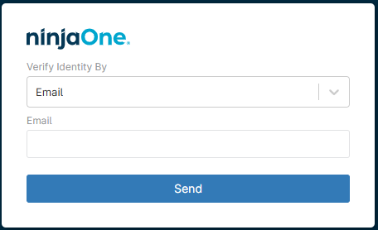

Don'tHaveAnAccount Registration Screen
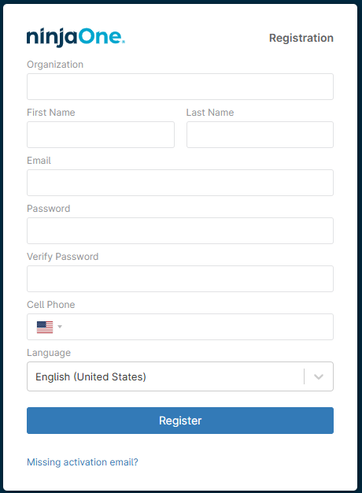

Sign-in Button without any entries
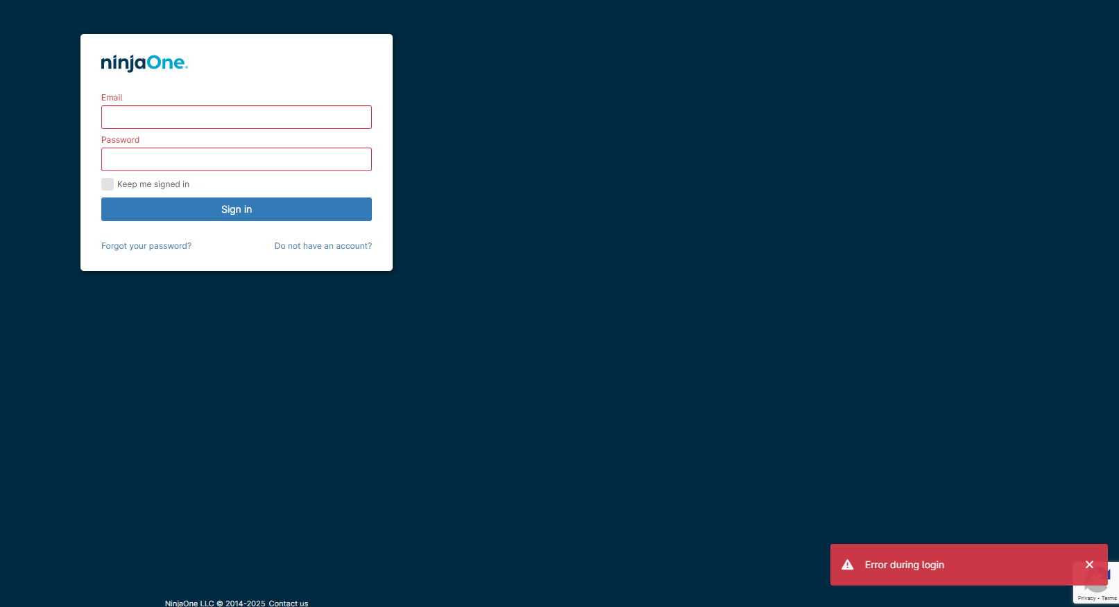

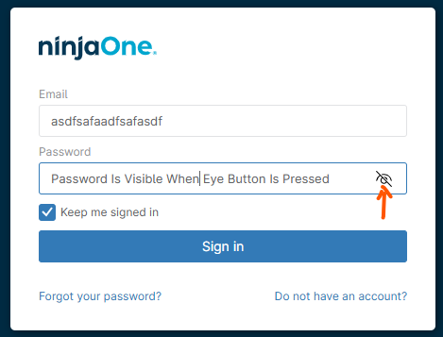

Foreign Characters

LoginPage Observations
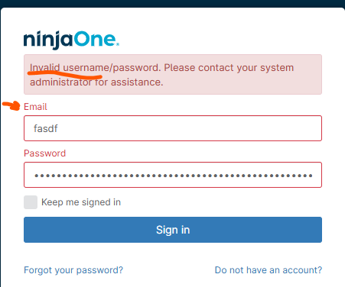
ID | Minor Issues/Observations
1 | Looks like the login & password fields can taken more values than really needed for an email or password; consider putting a limit on these fields

2 | Error message for invalid login is different when one field is not present vs. when both fields are present vs. when neither field values are present

3 | Error popup doesn't always show
 | Here the error popup shows, but the invalid text message is not displayed in the main dialog box
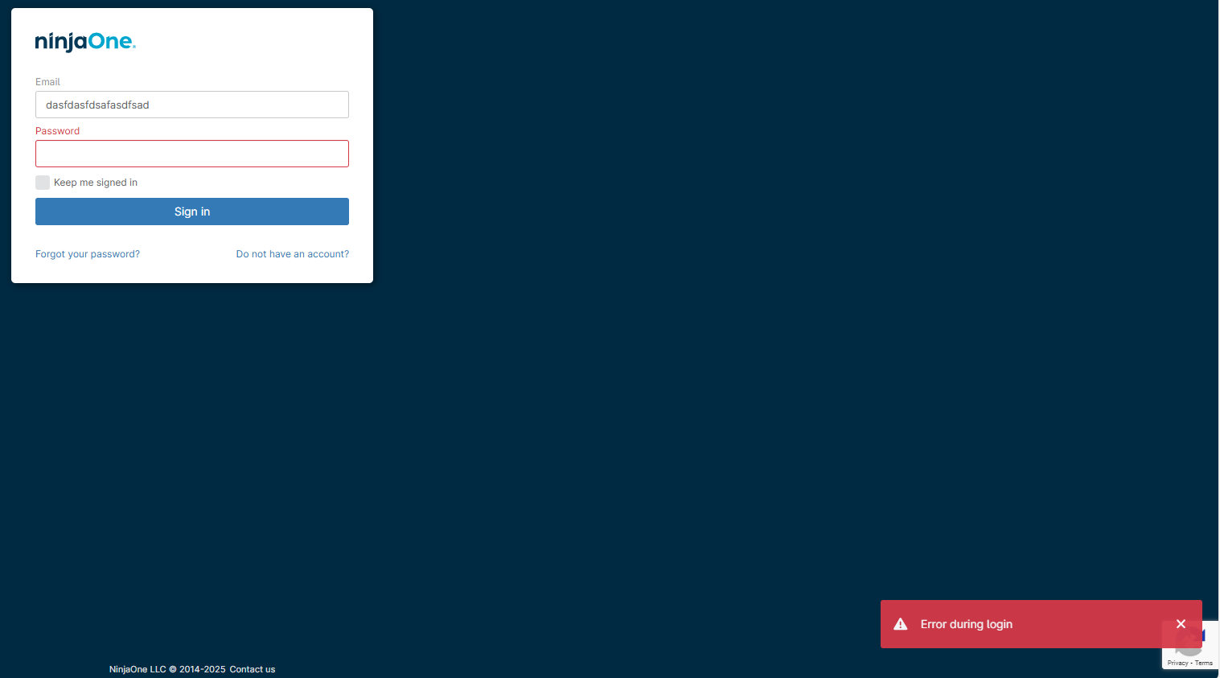

 | below, the error popup doesn't show, but error message for invalid username/password is shown in the main dialog area
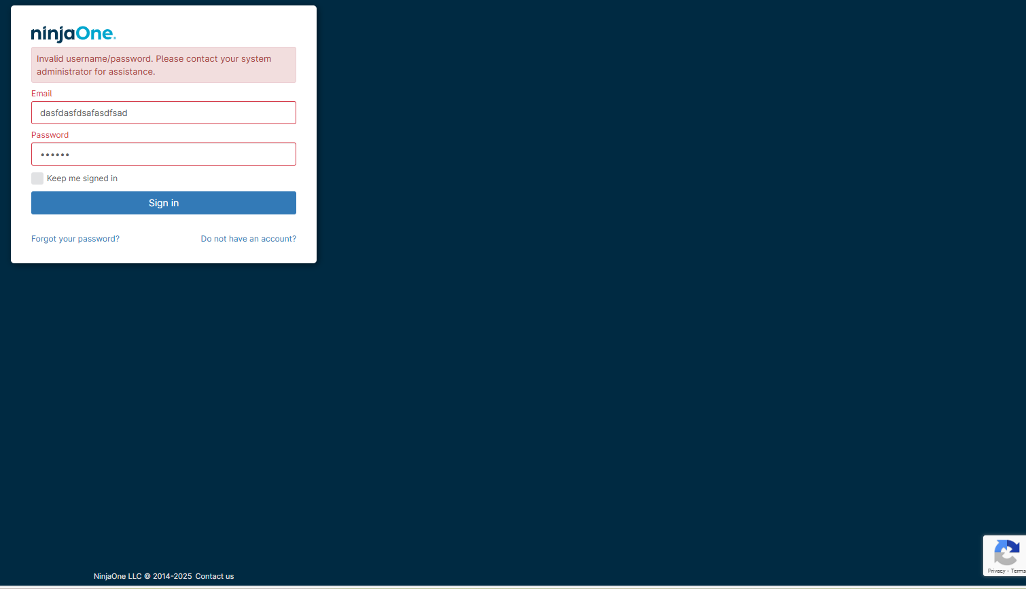

4 | the Password Visibility Toggle button is not presented when clicking away from the password field and clicking back into the password field; The only way to get it back is to clear the field and re-enter.

5 | Error message says, "username", but the field's label is "Email"

