Screenshots
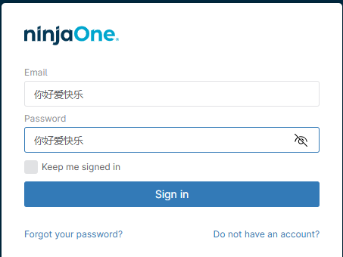
Login Page Link
NinjaOne

Invalid login scrren
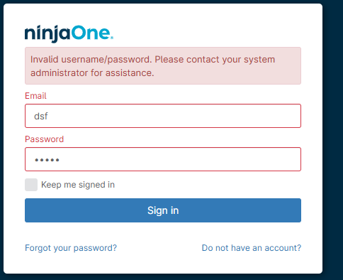

Multi-Factor Authentication Page
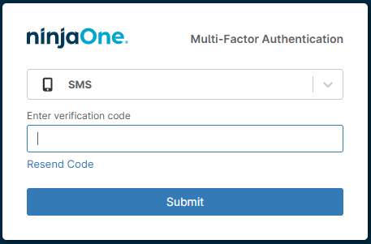

Forgot Password Verify Identity Screen
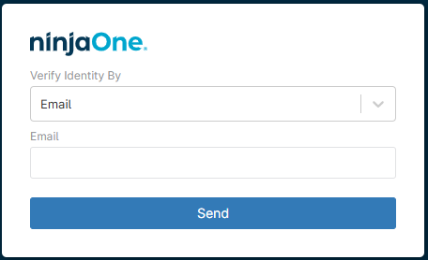

Don'tHaveAnAccount Registration Screen
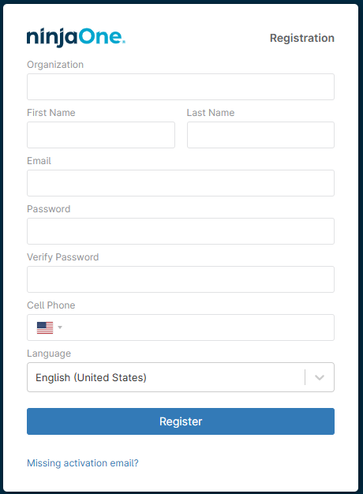

Sign-in Button without any entriess
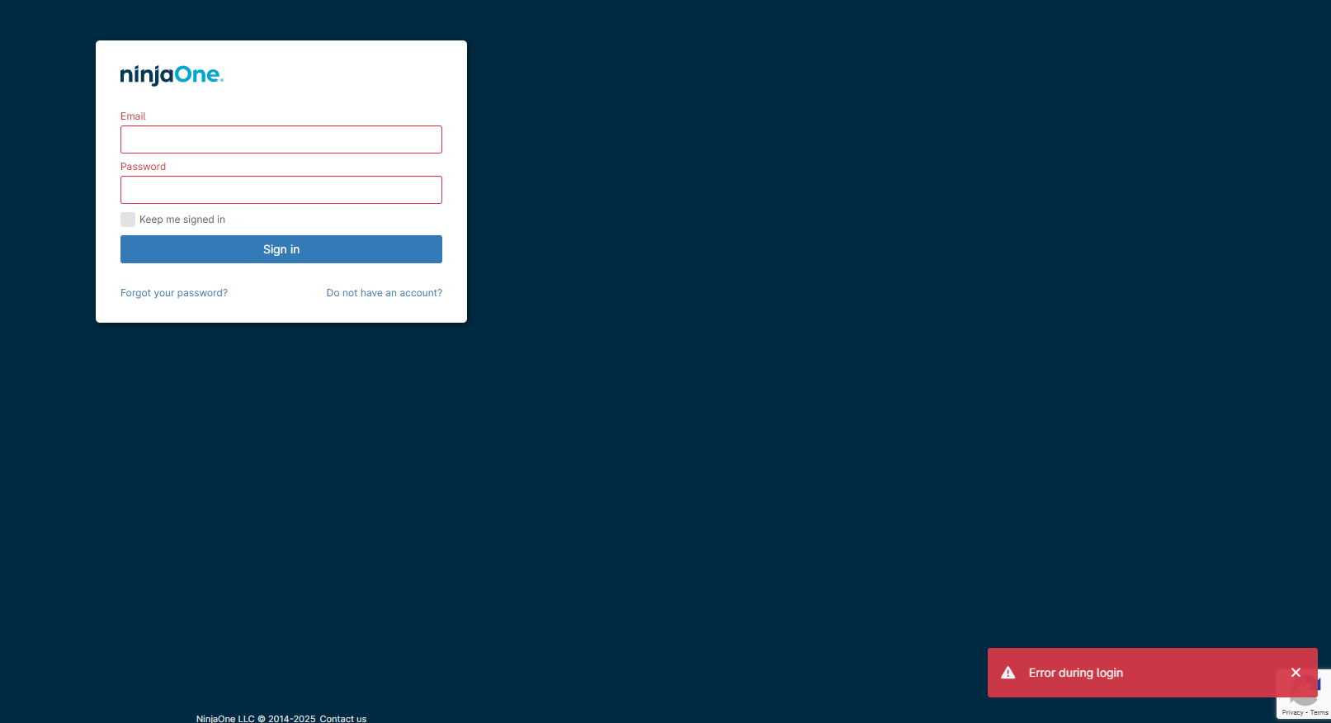

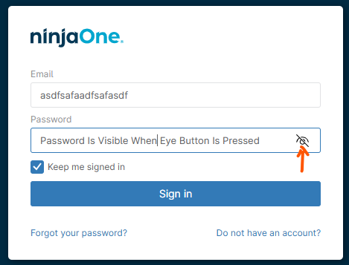

Forein Characters

Todos
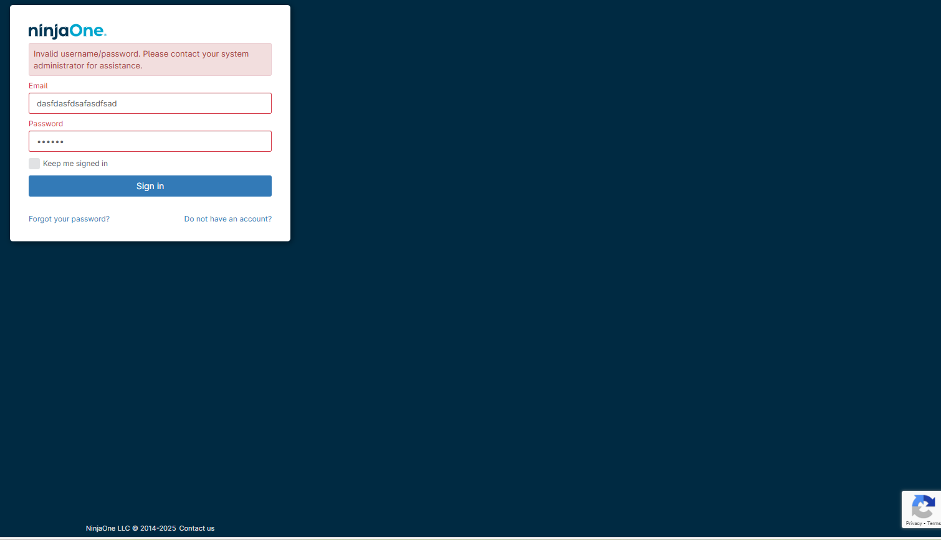
Todos:
Spell Check

Videos

Issues Found:
Looks like the login & password fields can taken more values than really needed for an email or password

Error message for invalid login is different when one field is not present vs. when both fields are present vs. when neither field values are present

Error popup doesn't always show

Here the popup shows, but the invalid text message doesn't who in the main dialog box
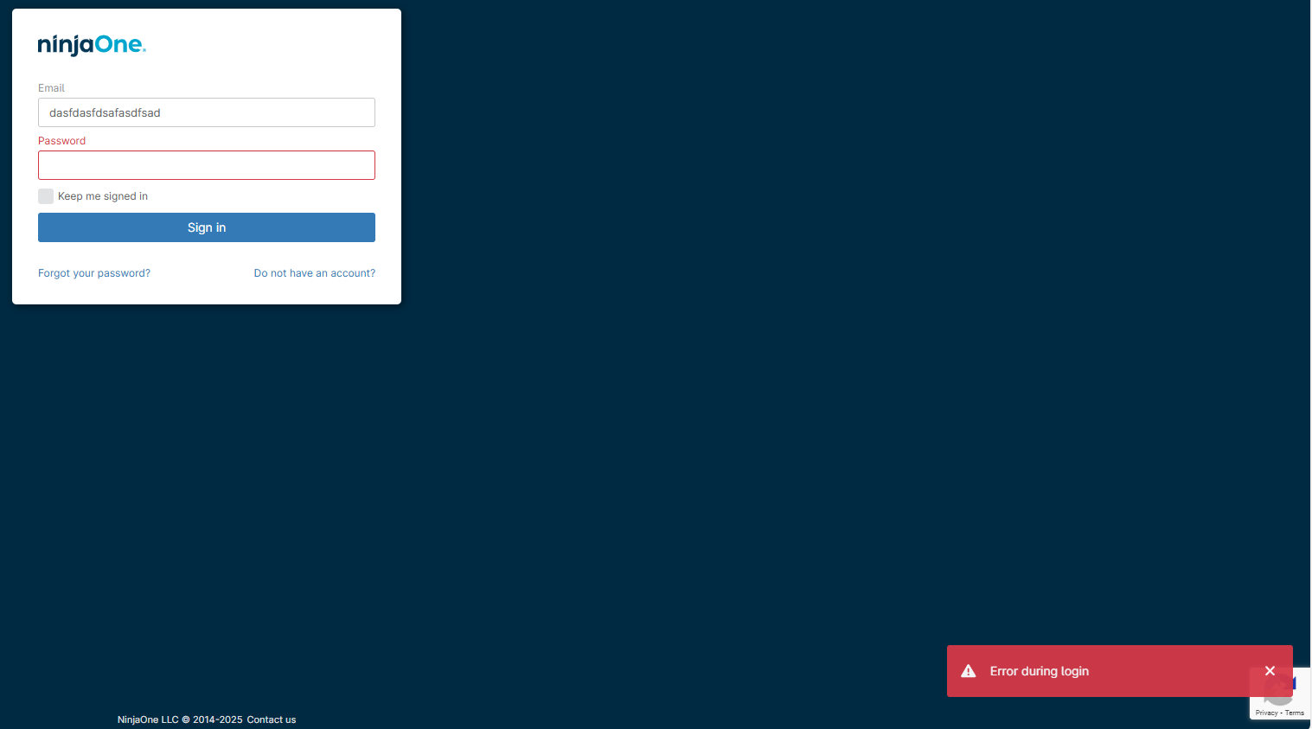

below, the red pop up doesn't show, but error message for invalid username/password is shown in the main dialog area

