AK108
SEGMENT | Timecode | Type | People Needed | Correction | Added by
 | 0:00:00 | Animation | Salim | Instead of angle from front, do a shot of Akili from above (as if camera is pointing straight down from the sky)
 | 0:40:00 | Animation | Salim | She should be lying on the cloud and then she wakes up
 | 0:50:00 | Animation | Salim | Do view from looking down -- river should be in front of them
 | 1:00:00 | Animation | Salim | Happy Hippo's eyelashes are stuck
 | 1:36:00 | Animation | Salim | There should be cloud behind them
 | 1:38:00 | Animation | Salim | Remove Akili lip syncing
 | 2:16:00 | Animation | Salim | Reduce Happy Hippo's size
 | 2:50:00 | Animation | Salim | Darken eyebrows
 | 3:10:00 | Animation | Salim | Reduce size of HH, LL, BB, AK
 | 3:13:00 | Animation | Salim | Increase size of tree
 | 4:20:00 | Animation | Salim | Cloud needs to come in 1 second sooner
 | 4:43:00 | Sound | Lauren | Monkey needs to sound happy
 | 5:31:00 | Animation | Muhammad | Characters should be looking up at monkey
 | 5:34:00 | Animation | Muhammad | Background moved
 | 6:10:00 | Animation | Muhammad | Monkey does a hppy dance
 | 6:24:00 | Animation | Muhammad | Background should include some sky
 | 7:40:00 | Animation | Muhammad | More magical magics! Like bwawa la maajabu
 | 8:20:00 | Animation | Muhammad | Ndege wawe mbali zaidi
 | 8:40:00 | Animation | Muhammad | Fix root on tree

 | 0:30:00 | Animation |  | Akili missing bottom hair | Nisha
 | 0:33:00 | Animation |  | Fix scene outside window | Nisha
 | 1:05:00 | Animation |  | Add birds flying (seen from above) | Nisha
 | 1:12:00 | Animation |  | Lip syncing is off, and Happy Hippo's mouth | Nisha
 | 1:15:00 | Animation |  | Little Lion is frozen - have him move around a bit | Nisha
 | 1:39:00 | Animation |  | Little Lion's head is looking the wrong way after cut from CU to wide shot | Nisha
 | 2:10:00 | Animation |  | Birds look like they're napping, but they should look normal | Nisha
 | 2:30:00 | Animation |  | Birds should become angry when HH says "Help!" | Nisha
 | 3:25:00 | Audio |  | Fix "Can I have please?" | Nisha
 | 4:25:00 | Animation |  | Adjust character positions | Rajab
 | 4:47:00 | Animation |  | Characters show excitement / understanding when kids voices shout | Nisha
 | 5:15:00 | Animation |  | Put them in tree to sing and have BB hanging upside down | Nisha
 | 6:40:00 | Animation |  | Have characters running lower down (or move background up) so they don't run over tree | Nisha
 | 6:59:00 | Animation |  | Fix Akili's arms when the move | Nisha
 | 7:50:00 | Animation |  | Make it so that they are going to the rainbow during the song. Have them running, then they come upon a river. They can't cross, so they ask a crocodile to come and help them. Once they cross, they thank him. Then they say sorry because they left muddy footprints on his back | Nisha
 | 8:30:00 | Animation |  | Have them bump into the cloud | Nisha
 | 8:46:00 | Animation |  | Have their faces react when they hear kids' voices | Nisha
 | 8:46:00 | Animation |  | Replace with new rainbow | Nisha
 | all | Animation |  | Fix Happy Hippo's necklace to have purple | Nisha
 | 9:32:00 | Animation |  | Slow the birds downs | Nisha
 | 9:40:00 | Animation |  | cows are sliding | Nisha

NEW CORRECTIONS/IMPROVEMENTS

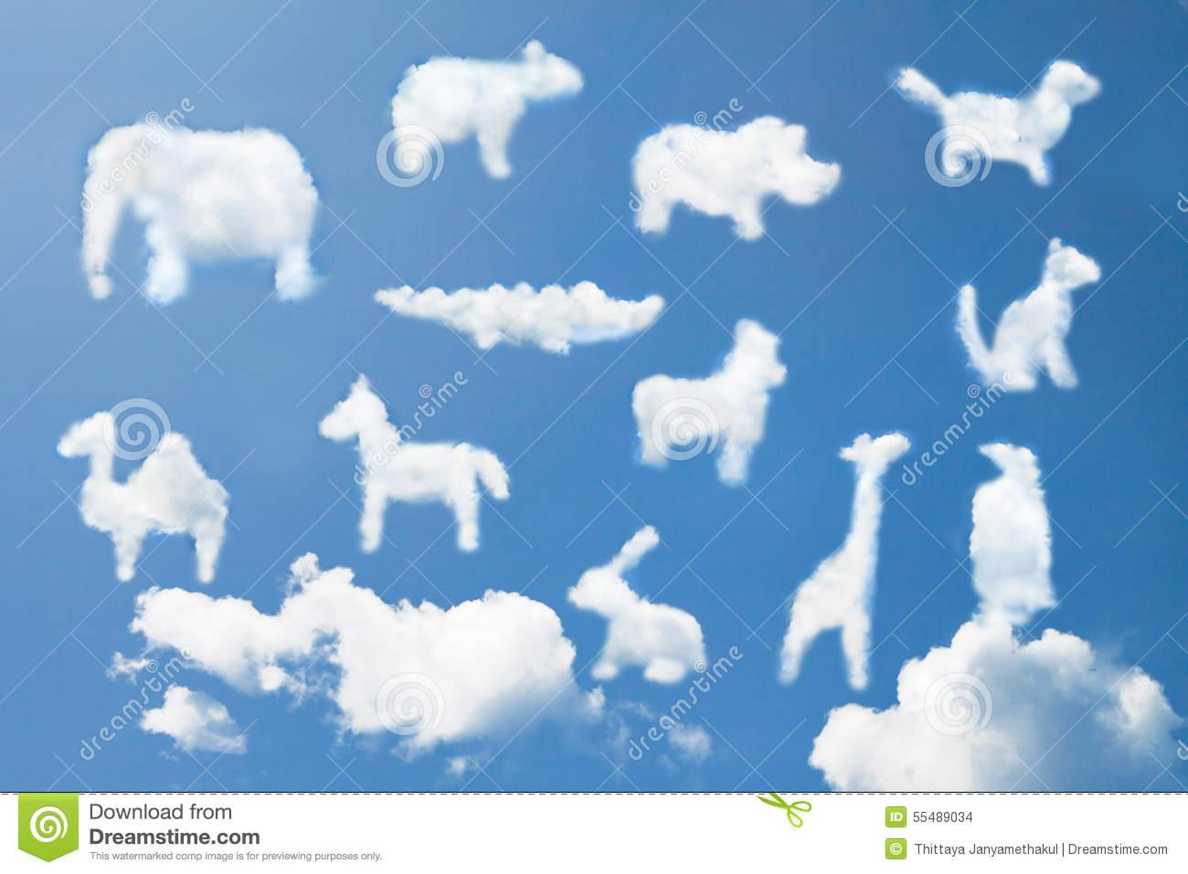
 | 00:08-00:23 | Animation |  | shape of ALL clouds need to look more like the object the narrator is saying, more obvious for the kids e.g. for elephant, even put a place for eyes, for "ndege kubwa" show one big bird, etc
 | 0:37:00 | Animation |  | show akilis face and body when she wakes up
 | 0:42:00 | Animation |  | extend this close shot for a while instead of the next wide shot
 | 1:10:00 | AUDIO |  | HH's audio of "lets jump" is missing
 | 1:10:00 | Animation |  | can we see characters legs when we say lets jump? maybe show knees bending and stretching as they jump
 |  | Animation |  | HH's hand shouldn't be covering akilis face, move HH to the left
 | 1:15:00 | Animation |  | the cloud shouldnt be moving, emphasis should only be on characters jumping
 | 1:20:00 | Animation |  | can their eyes be open when they are laughing? it keeps the kids engaged
 | 01:22-01:32 | Animation |  | cut down this shot to 5seconds and in this shot, change characters to lie down facing camera
 | 1:33:00 | Animation |  | extend this shot with the 5 seconds u cut from previous shot
 | 1:33:00 | Animation |  | when HH says "read" we need to have a book pop up on screen next to HH (will have to move HH and akili to right side)
 | 1:33:00 | AUDIO |  | when HH says "read", have magical cue sounds
 | 1:35:00 | Animation |  | when LL says "run" we need to do something cute like LL running on the spot
 | 1:35:00 | AUDIO |  | when LL says "run", have magical cue sounds
 | 01:38-01:48 | Animation |  | soon as this shot starts, characters should be crawling to edge of cloud so that they can peak over when narrator says "inabidi washuke..."
 |  |  |  | characters need to peak over
 |  | Audio |  | can we get excited voice acting sounds of the characters as they are peaking over?
 | 1:52:00 | Animation |  | make cloud and characters bigger and centred to take up more of the screen, right now too much landscape
 | 2:11:00 | Animation |  | bird should not block HH's face, move HH a little bit left and see more of her body
 | 2:29:00 | AUDIO |  | can we change the "help help" audio of HH to make it softer
 | 2:29:00 | Animation |  | move other characters to left side of HH and continue like this on next shots
 |  |  |  | if the top bird isnt showing, we can cut him out and make more room for the two birds
 | 2:41:00 | AUDIO |  | audio of "help" should be really clear, right now it doesnt really sound like "help"
 | 2:46:00 | Animation |  | HH should not be blocking akilis head
 |  |  |  | Akilis arm seems distorted by the cloud
 | 2:49:00 | Animation |  | cut out shot of BB saying help
 | 2:57:00 | Animation |  | move characters closer together and do a closer shot
 | 2:59:00 | Animation |  | instead of HH jumping to into the cloud to get word "please", she should gather some of the cloud infront of her with her hands and push it up and it has the word "please" it
 |  |  |  | can the word "please" be in rainbow color?
 | 3:08:00 | Animation |  | LL move left so as not to block word "please"
 | 3:20:00 | Animation |  | LL is covering HH's mouth
 | 3:30:00 | Animation |  | word "please" come out of HH's mouth in rainbow colors
 | 3:31-03:40 | Animation |  | characs faces should always be showing and not hidden by clouds or birds
 |  | Animation |  | can we make the jumps more exciting?
 | PLEASE SONG | AUDIO |  | have we changed the line to "can i have it please?" instead of "can i have please" ?
 | PLEASE SONG | Animation |  | show word "please" all around, in the clouds or floating by etc
 |  |  |  | at the end, the word please should be in rainbow color and at centre, between the characters
 | 03:44-03:48 | Animation |  | birds fly centre screen, and wings not flap so much so that the characs arent hidden
 | 03:51-04:00 | Animation |  | see all characters faces, not hidden by birds heads
 | 4:27:00 | Animation |  | monkey face should have angry face
 | 4:43:00 | Animation |  | remove clouds from background
 | 4:46:00 | Animation |  | "sorry" in rainbow colors
 |  | AUDIO |  | magical cue when word "sorry" appears
 | 4:59:00 | Animation |  | animate characs faces to make it seme like they are feeling guilty and are feeling sorry, while narrator talks
 | SORRY SONG | Animation |  | remove trees from background and some of the flowers
 |  |  |  | show word "sorry" throughout the song, in rainbow colors, and the word can be animated to move
 |  |  |  | remove final word "sorry" at end of song
 | 5:20:00 | Animation |  | monkey should show emotion to say "its ok, i accept ur apology" and then show happy face
 | 5:51:00 | Animation |  | akilis face is blocked by HH's necklace
 | 5:54:00 | Animation |  | monkey should shake his finger at them, like yelling at them
 | 6:00:00 | Animation |  | monkey should still be shaking finger at them
 |  |  |  | when narrator says "nafkiri kuna neno..." they have to have thinking face
 | 6:14:00 | Animation |  | thank you word should be rainbow color
 |  | AUDIO |  | magical cue when word "thank you" appears
 | 6:18:00 | AUDIO |  | monkey should be making happy sounds
 | 6:21:00 | AUDIO |  | curios music
 | 06:20-06:34 | Animation |  | when narrator says "inamaanisha ahsante", characs expressions should look like they have understood
 |  |  |  | when narrator says "mtu akikufanyia jambo zuri", they should nod their heads excitedly
 | 6:36-06:50 | AUDIO/ANIMATION |  | hear the characters say "thank you" while we see monkey being happy, he shouldnt wave bye
 |  |  |  | cut to thank you song, repeat song x2
 |  | THANK YOU SONG |  | have "thank you" word in the song : move the characters so that you can write the word "thank you" written in the sand
 |  |  |  | delete shot of them running and saying "bye"
 |  |  |  | then put shot 06:44-06:50 of monkey dancing
 |  |  |  | cut to shot of the laughing, for 3 seconds
 | 7:06:00 | Animation |  | can their ears perk up when they hear mama akili calling
 | 07:12-07:20 | Animation |  | get the characters busy looking for the rainbow (i think we already have this panel in a later animation)
 | 7:26:00 | Animation |  | point to rainbow
 | 7:27:00 | AUDIO |  | music for "lets go!"
 | 7:27:00 | AUDIO |  | add narrator saying "lets sing with akili and friends"
 | 08:01-08:17 | Animation |  | cut out bird scene, instead put the ALL SONG x2
 | ALL SONG | Animation |  | everytime characters sing "sorry" "thank you" "please", put words on the screen
 | 08:27-08:56 | Animation |  | educe size of BB and move his position, he should not be covering LL
 | 9:32:00 | Animation |  | birds should fly more inside the screen instead of a the edge of the screen

 | alternative rainbow scene: |  |  | instead of the narrator just asking "how do u say please/sorry in english", we show them at the pond with the rainbow on the other side. they have to cross the pond to get to the rainbow. they have to ask the turtle politely please before he takes them across and then they have to say thank you when he gets them to the other side.

Ak108e ENG corrections | 0:00:00 | AUDIO |  | this seems to be an old version of video as V8 on server has a different dance at 7:00
 | 6:09:00 | AUDIO |  | cut narrator saying 'really upset'
 | 6:39:00 | AUDIO |  | cut narrator saying 'say it with me'
 | 8:51:00 | AUDIO |  | add audio of HH saying bye bye with LL

