Amount of variation
Timeframe | Window | Hour | Minute | Open | Close | High | Open | Volume | UpTicks | DownTicks | SMA-5 | SMA-10 | SMA-15 | SMA-20 | SMA-50 | SMA-100 | SMA-200 | EMA-5 | EMA-10 | EMA-15 | EMA-20 | EMA-50 | EMA-100 | EMA-200 | SMAC-5 | SMAC-10 | SMAC-15 | SMAC-20 | SMAC-50 | SMAC-100 | SMAC-200 | EMAC-5 | EMAC-10 | EMAC-15 | EMAC-20 | EMAC-50 | EMAC-100 | EMAC-200 | BOLU-20 | BOLD-20 | SD-5 | SD-10 | SD-15 | SD-20 | SD-50 | SD-100 | SD-200 | RSI-14 | MACD | STOK-14 | STOD-14
1 | 1
 | 2
 | 3
 | 4
 | 5
 | 6
 | 7
 | 8
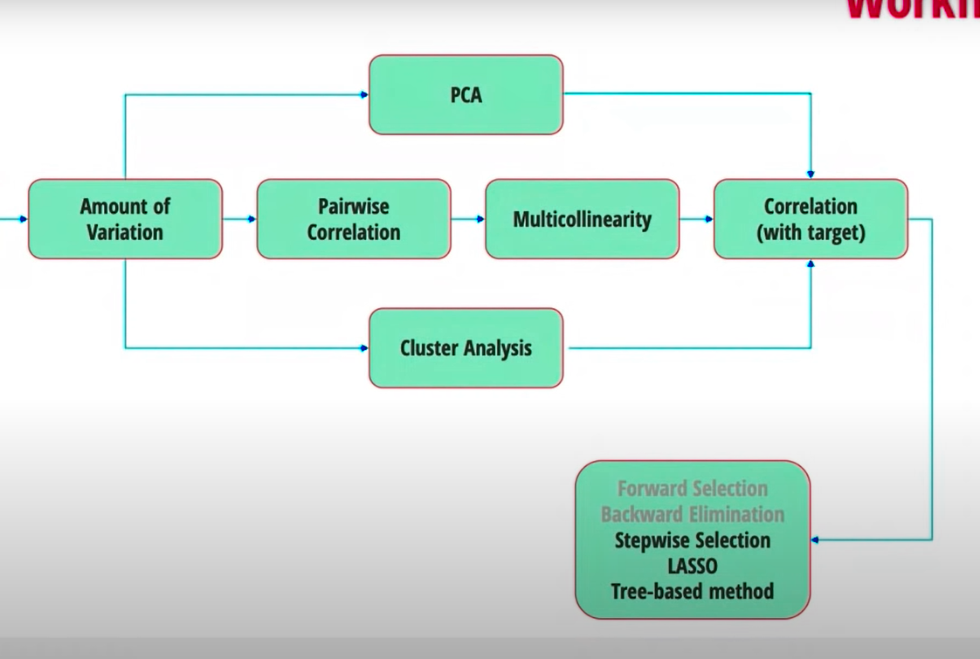
 | 9
 | 10
 | 20
 | 60
 | 120
 | 240
 | 390
2 | 1
 | 2
 | 3
 | 4
 | 5
 | 6
 | 7
 | 8
 | 9
 | 10
 | 20
 | 50
 | 100
 | 200
 | 500
5 | 1
 | 2
 | 3
 | 4
 | 5
 | 6
 | 7
 | 8
 | 9
 | 10
 | 20
 | 50
 | 100
 | 200
 | 500
10 | 1
 | 2
 | 3
 | 4
 | 5
 | 6
 | 7
 | 8
 | 9
 | 10
 | 20
 | 50
 | 100
 | 200
 | 500
15 | 1
 | 2
 | 3
 | 4
 | 5
 | 6
 | 7
 | 8
 | 9
 | 10
 | 20
 | 50
 | 100
 | 200
 | 500
30 | 1
 | 2
 | 3
 | 4
 | 5
 | 6
 | 7
 | 8
 | 9
 | 10
 | 20
 | 50
 | 100
 | 200
 | 500
60 | 1
 | 2
 | 3
 | 4
 | 5
 | 6
 | 7
 | 8
 | 9
 | 10
 | 20
 | 50
 | 100
 | 200
120 | 1
 | 2
 | 3
 | 4
 | 5
 | 6
 | 7
 | 8
 | 9
 | 10
 | 20
 | 50
 | 100
240 | 1
 | 2
 | 3
 | 4
 | 5
 | 6
 | 7
 | 8
 | 9
 | 10
 | 20
 | 50
390 | 1
 | 2
 | 3
 | 4
 | 5
 | 6
 | 7
 | 8
 | 9
 | 10
 | 20

