Summary
Category | Count
Passed | 0
Failed | 0
Skipped | 1
Total | 1
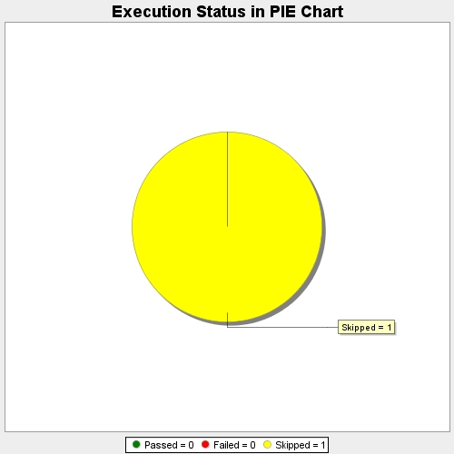
Start Time | 2017-11-17T05:15:27Z
End Time | 2017-11-17T05:15:51Z
Duration | 23227 ms

