Summary
Category | Count
Passed | 0
Failed | 0
Skipped | 10
Total | 10
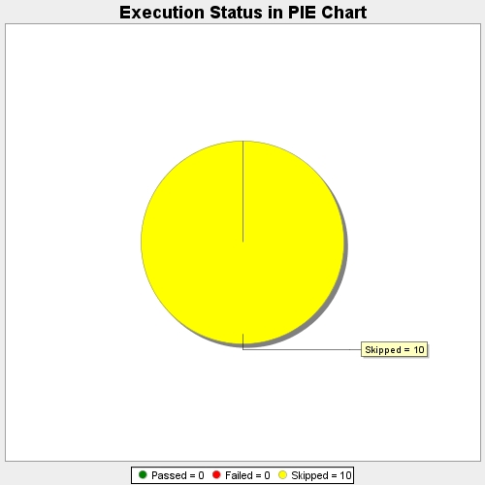
Start Time | 2017-11-17T11:17:11Z
End Time | 2017-11-17T11:17:35Z
Duration | 23775 ms

