Summary
Category | Count
Passed | 1
Failed | 1
Skipped | 8
Total | 10
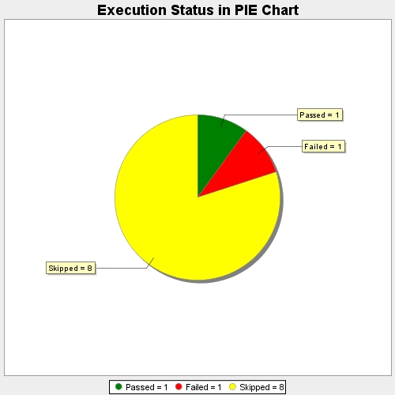
Start Time | 2017-11-17T11:53:35Z
End Time | 2017-11-17T11:55:44Z
Duration | 129320 ms

