Summary
Category | Count
Passed | 10
Failed | 0
Skipped | 0
Total | 10
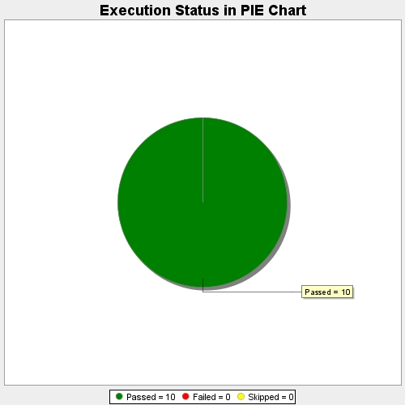
Start Time | 2017-11-17T11:56:04Z
End Time | 2017-11-17T12:01:43Z
Duration | 338809 ms

