Summary
Category | Count
Passed | 0
Failed | 0
Skipped | 7
Total | 7
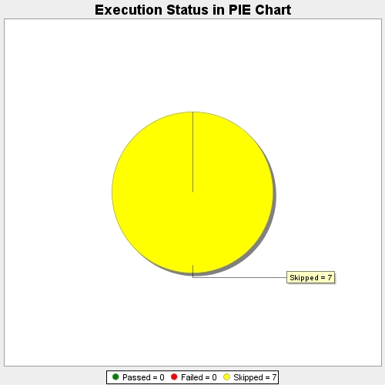
Start Time | 2017-11-20T07:44:09Z
End Time | 2017-11-20T07:44:20Z
Duration | 11061 ms

