Summary
Category | Count
Passed | 1
Failed | 6
Skipped | 0
Total | 7
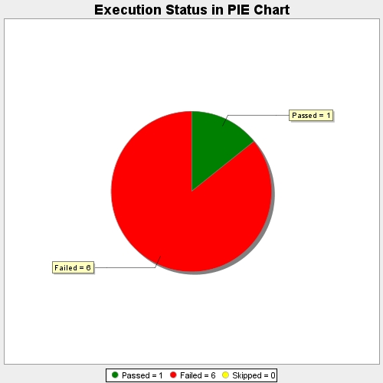
Start Time | 2017-11-20T07:44:45Z
End Time | 2017-11-20T07:49:10Z
Duration | 265176 ms

