Summary
Category | Count
Passed | 0
Failed | 1
Skipped | 1
Total | 2
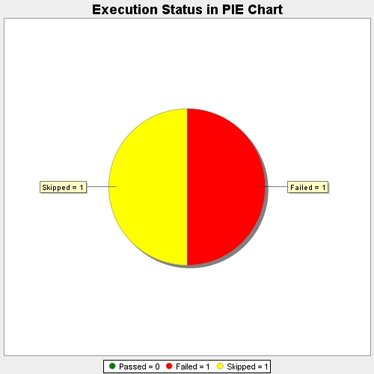
Start Time | 2017-11-20T08:02:20Z
End Time | 2017-11-20T08:03:48Z
Duration | 88054 ms

