Summary
Category | Count
Passed | 1
Failed | 0
Skipped | 1
Total | 2
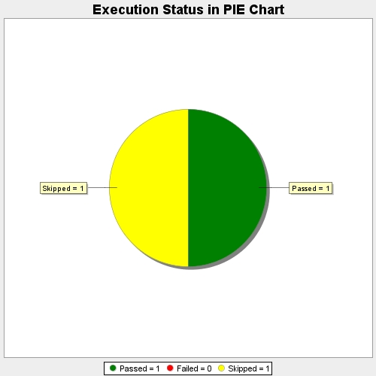
Start Time | 2017-11-20T08:05:03Z
End Time | 2017-11-20T08:07:16Z
Duration | 133338 ms

