Summary
Category | Count
Passed | 1
Failed | 6
Skipped | 0
Total | 7
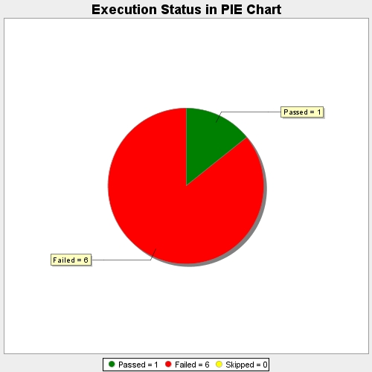
Start Time | 2017-11-20T08:10:10Z
End Time | 2017-11-20T08:14:24Z
Duration | 253235 ms

