Summary
Category | Count
Passed | 1
Failed | 6
Skipped | 0
Total | 7
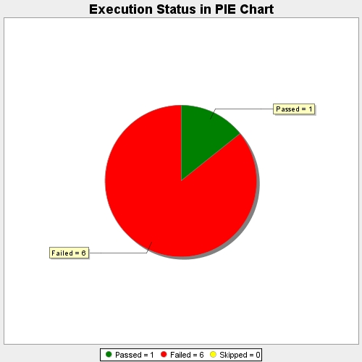
Start Time | 2017-11-20T10:04:00Z
End Time | 2017-11-20T10:09:27Z
Duration | 326465 ms

