Summary
Category | Count
Passed | 1
Failed | 6
Skipped | 0
Total | 7
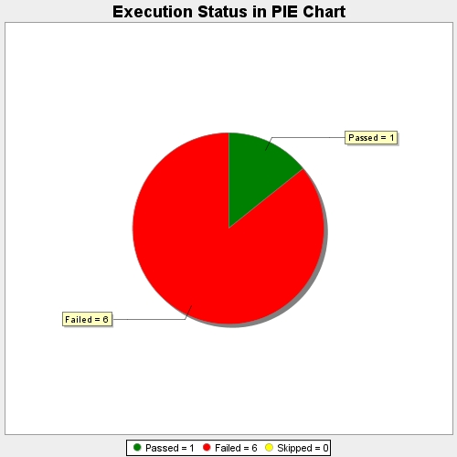
Start Time | 2017-11-20T10:22:33Z
End Time | 2017-11-20T10:27:52Z
Duration | 319124 ms

