Summary
Category | Count
Passed | 1
Failed | 6
Skipped | 0
Total | 7
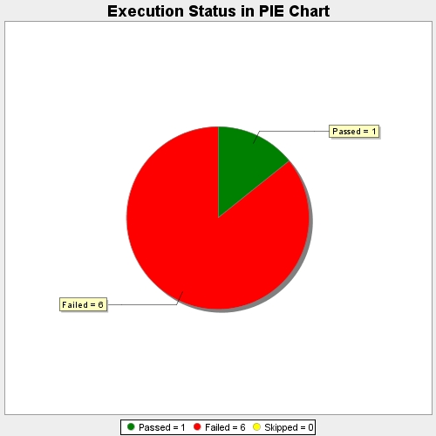
Start Time | 2017-11-20T10:37:43Z
End Time | 2017-11-20T10:42:43Z
Duration | 299354 ms

