Summary
Category | Count
Passed | 1
Failed | 6
Skipped | 0
Total | 7
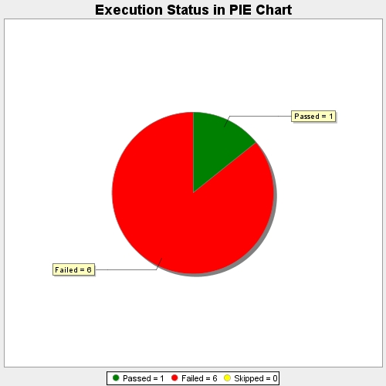
Start Time | 2017-11-20T11:26:07Z
End Time | 2017-11-20T11:31:43Z
Duration | 336166 ms

