Summary
Category | Count
Passed | 1
Failed | 6
Skipped | 0
Total | 7
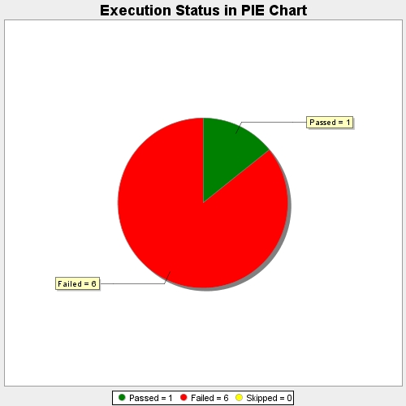
Start Time | 2017-11-20T11:38:25Z
End Time | 2017-11-20T11:43:39Z
Duration | 314082 ms

