Summary
Category | Count
Passed | 2
Failed | 5
Skipped | 0
Total | 7
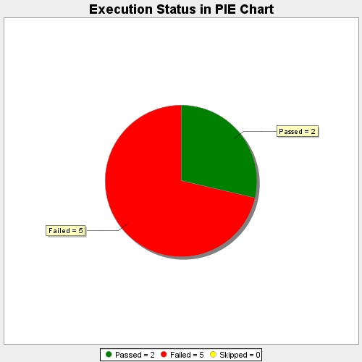
Start Time | 2017-11-20T12:06:23Z
End Time | 2017-11-20T12:13:27Z
Duration | 423839 ms

